Register
Design Bugs

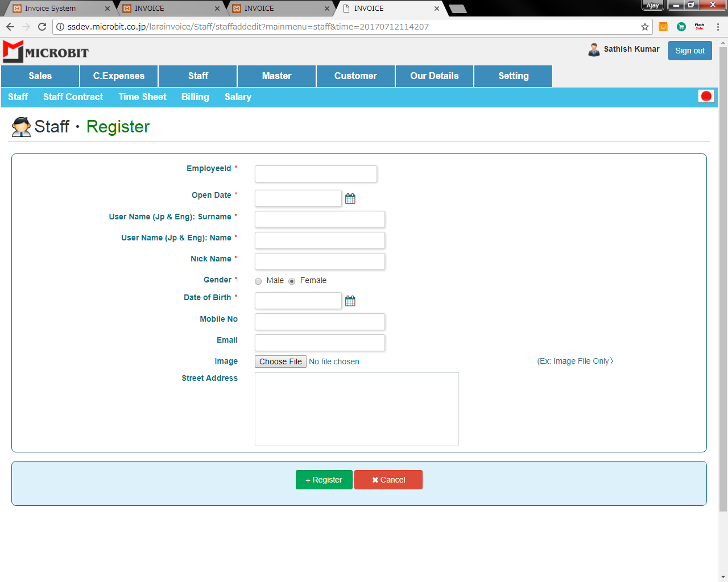

Validation Bugs

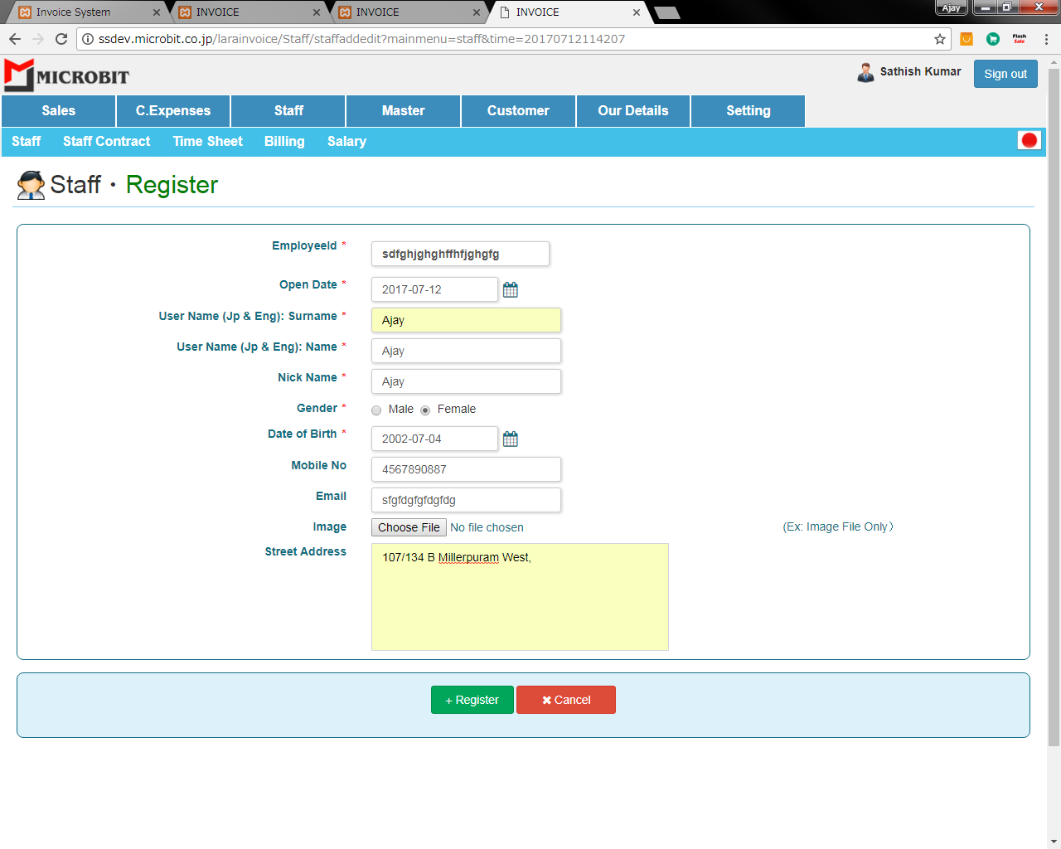

 |  | Only 6 charters are allowed in the text box

 |  | Check email validation

 | when the datas are inserted the image will directly insert in db,that's wrong make directory to open a folder in that folder the picture
 | inserted

edit
Single View Screen

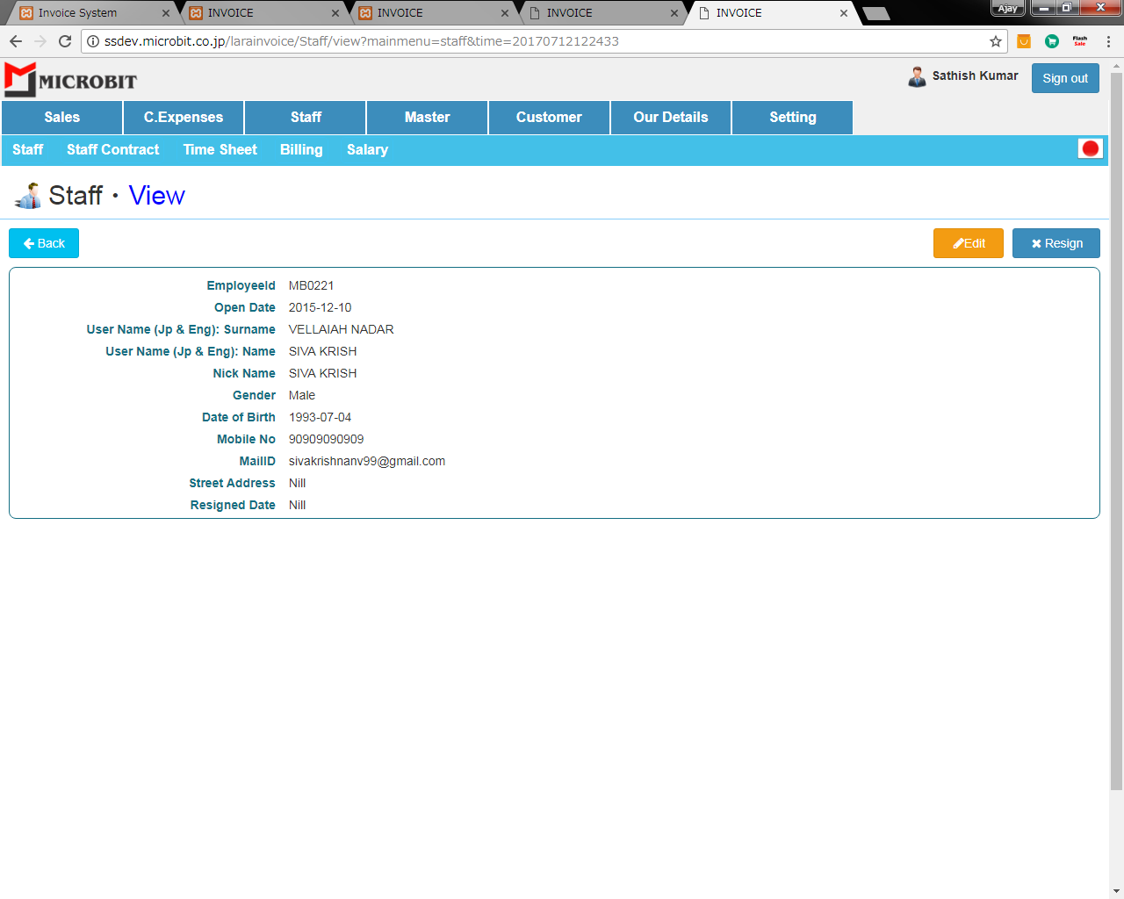

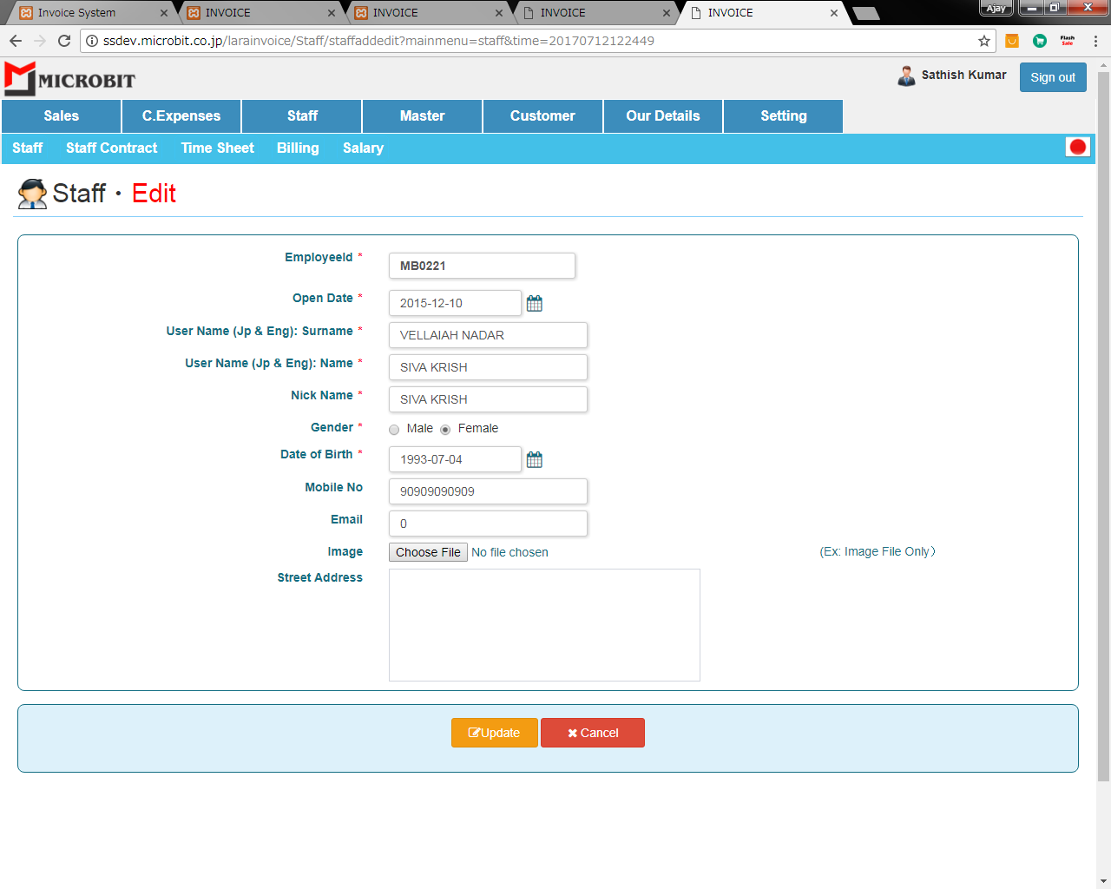

 | Make lable in the edit screen

 | Siva is male but the radio button click is enable in female

 | Email are not view in email text box

