Summary Report
Sales Summary by Region and Product
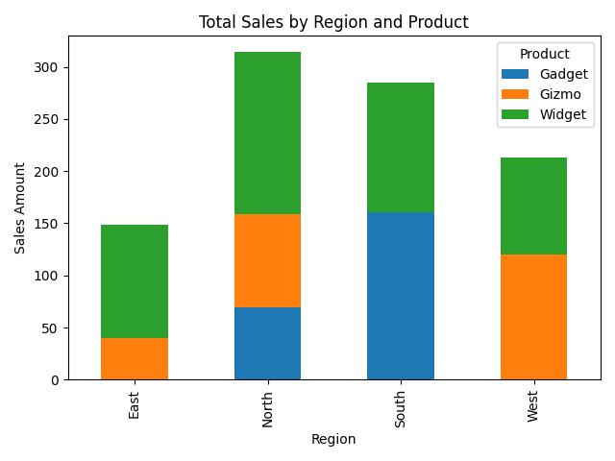
Region | Gadget | Gizmo | Widget
East | 0 | 39.96 | 108.5
North | 69 | 89.91 | 155
South | 161 | 0 | 124
West | 0 | 119.88 | 93

Overall Summary
Total Quantity | 66
Total Sales | 960.25

