Star Ratings Data
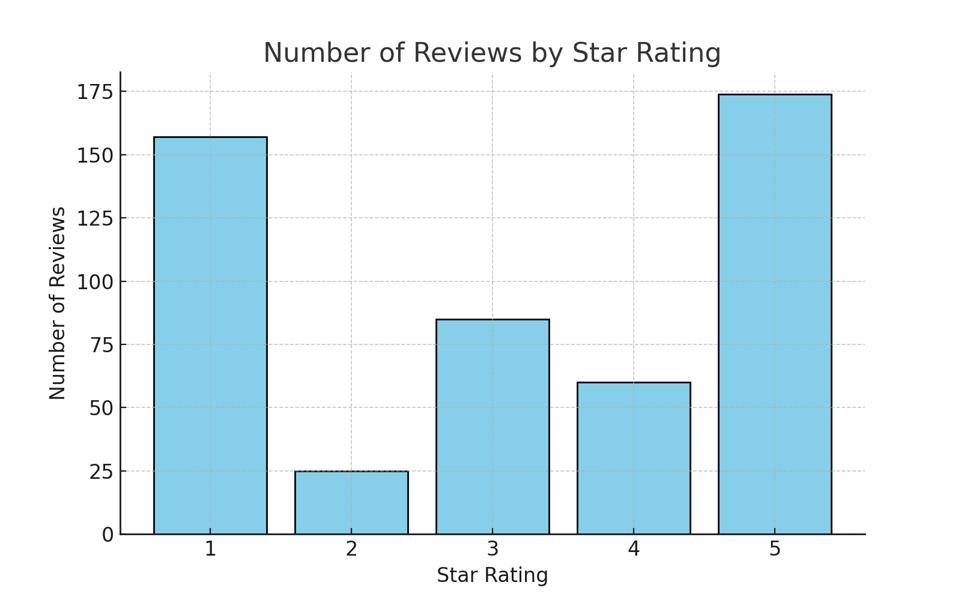
Star Rating | Number of Reviews
1 | 157
2 | 25
3 | 85
4 | 60
5 | 174

