hybrid
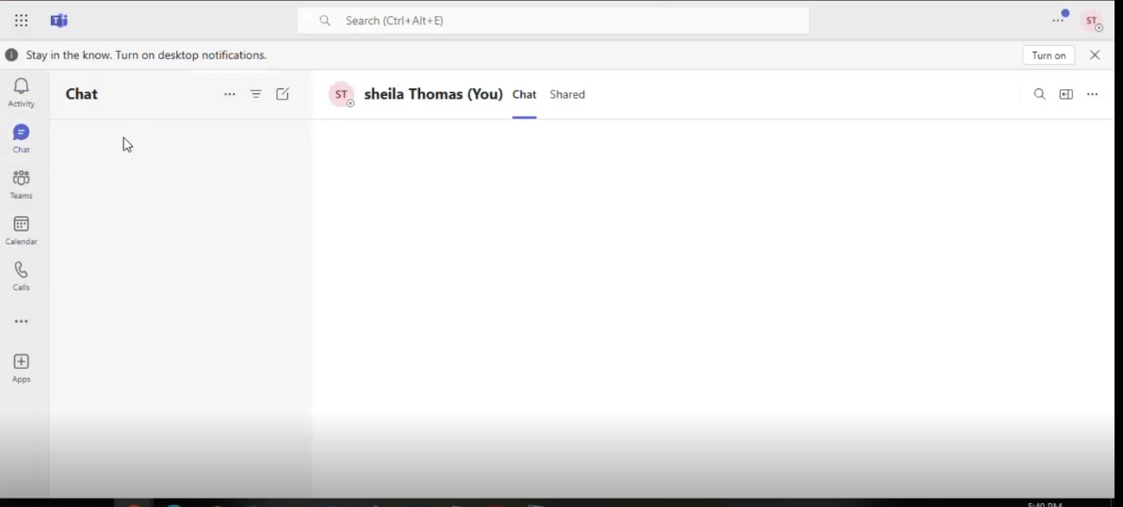
1. Connect to Active Directory Server via Remote Desktop Connection

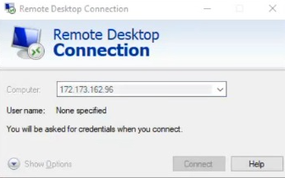
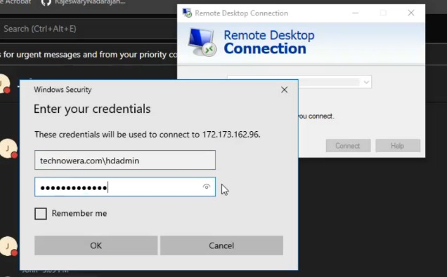
a. | b.

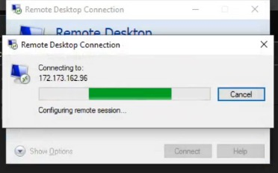
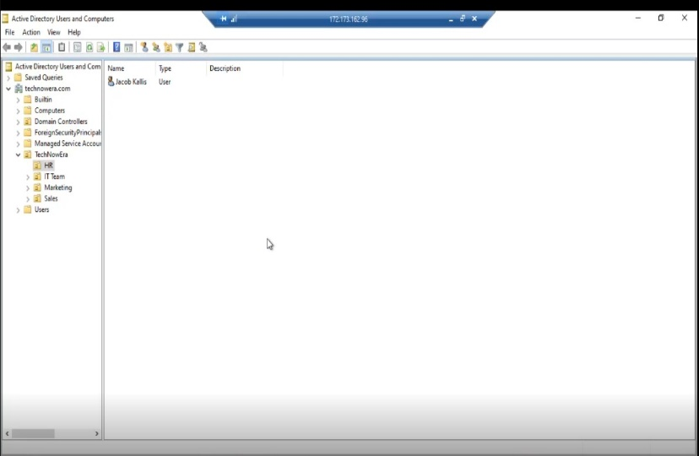
c. | d.

3. Create Sub Organizational Unit (Department name : Finance) under Technowera.

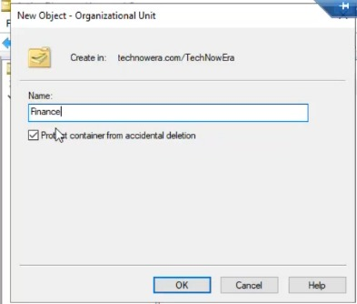

4 Create 2 new staffs ( Name : Sheila Thomas and David Christie) under finnce Department OU

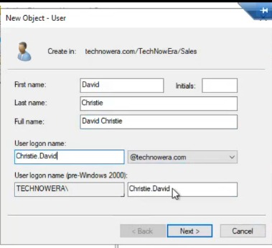
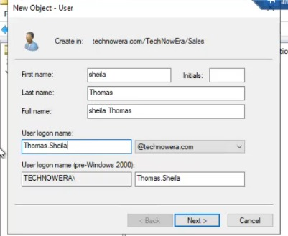

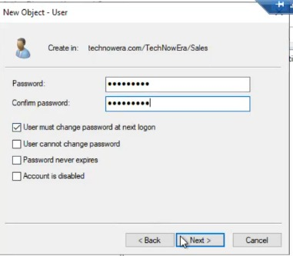

3. Update Staff's desognation under Organization Tab
a. Update Sheila Thomas designation as Finance Assistance and update Jacob Kalis as Manager
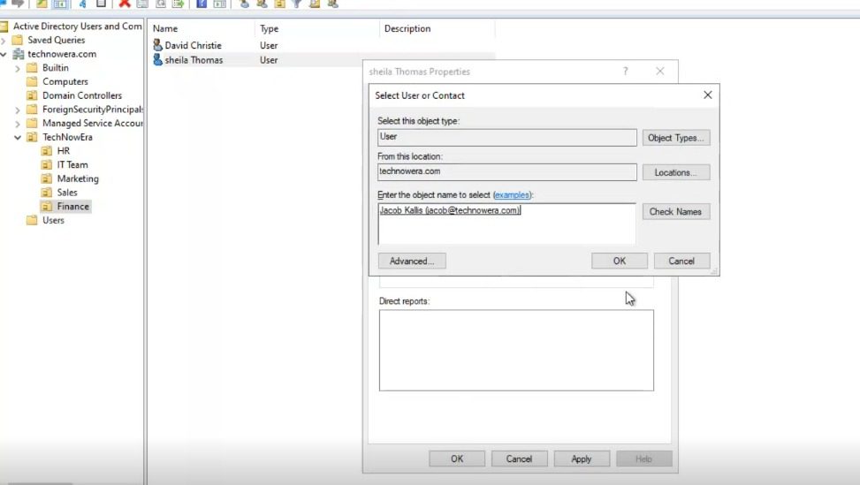
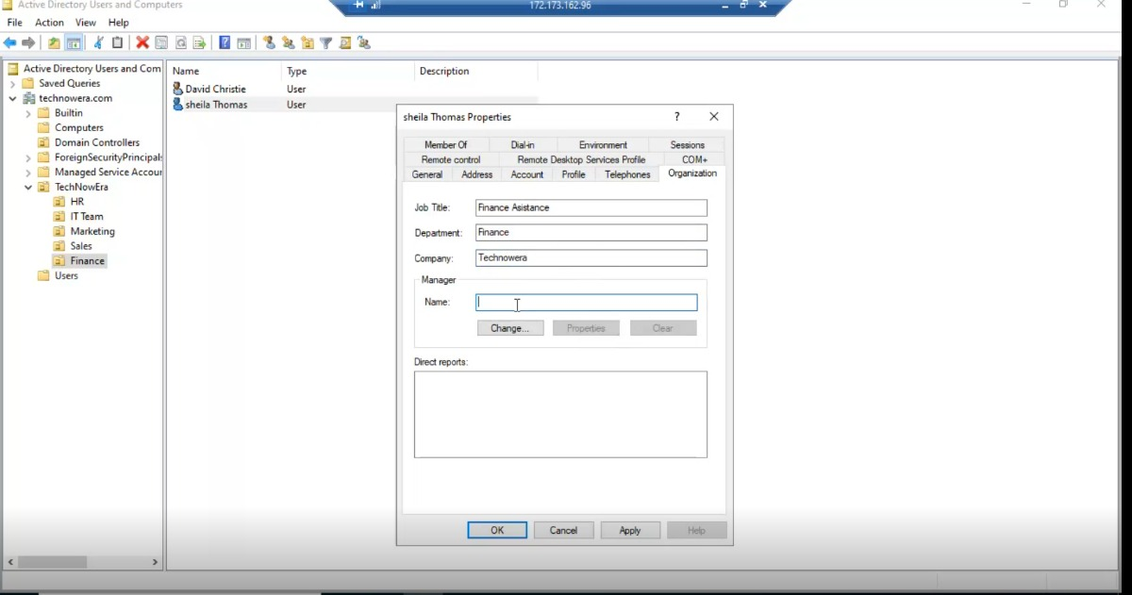

b. Update Sdavid Christie's designation as Finance Assistance Manager and update Jacob Kalis as Manager

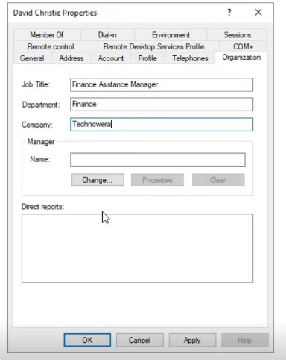

4. Connect to sync server
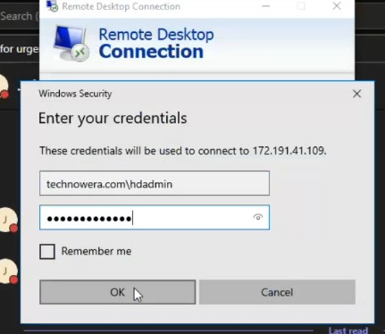
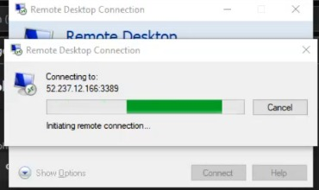

5. Run start -ADSyncSyncCycle -PolicyType Delta command to have immediate sync on users account in cloud

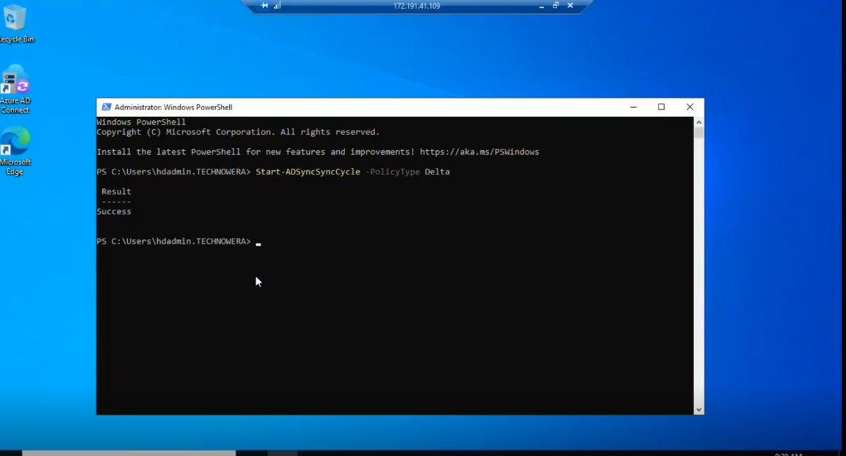

6.Login into microsoft 365 admin portal to confirm users that created in active Directory synced into cloud environment and assigned license for user, as I was assign user administration role

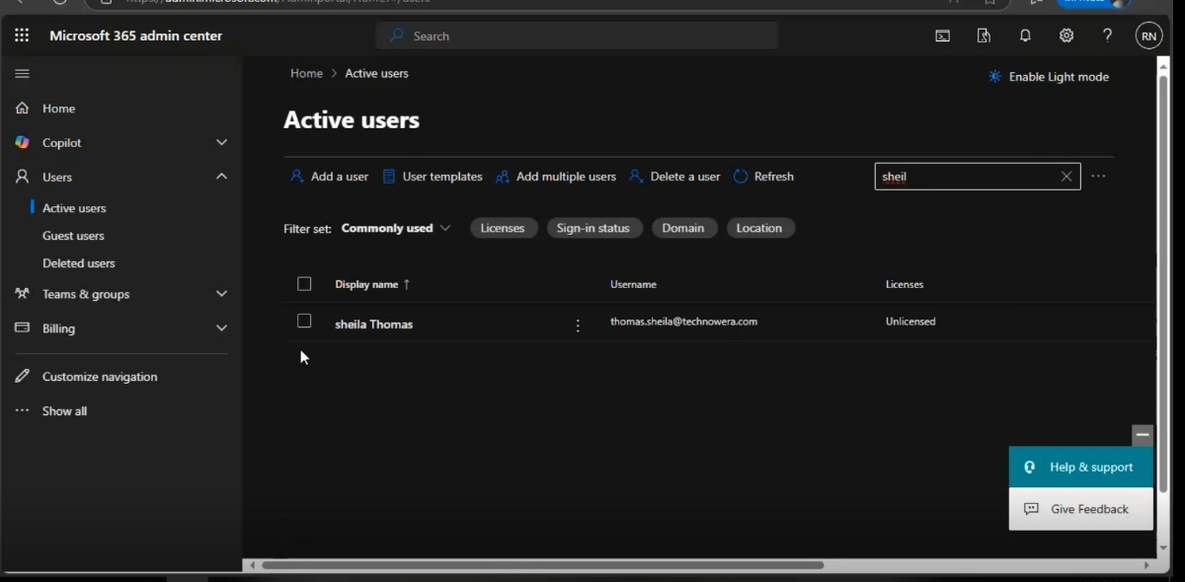
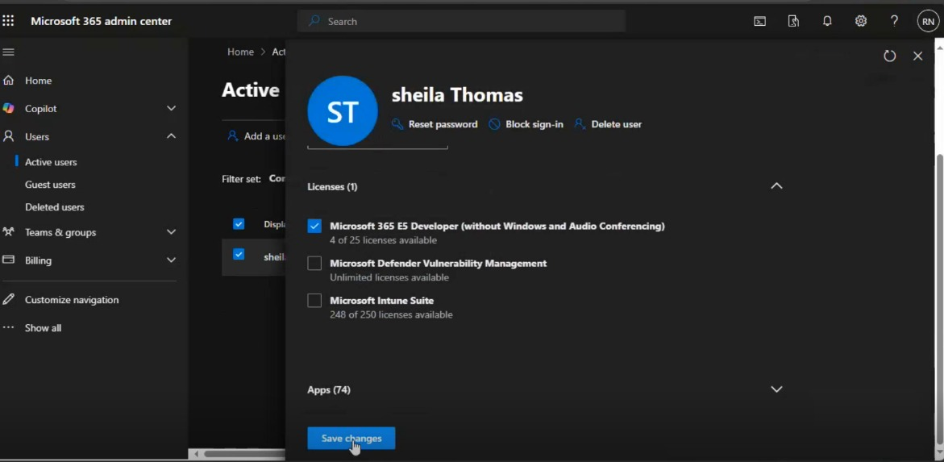

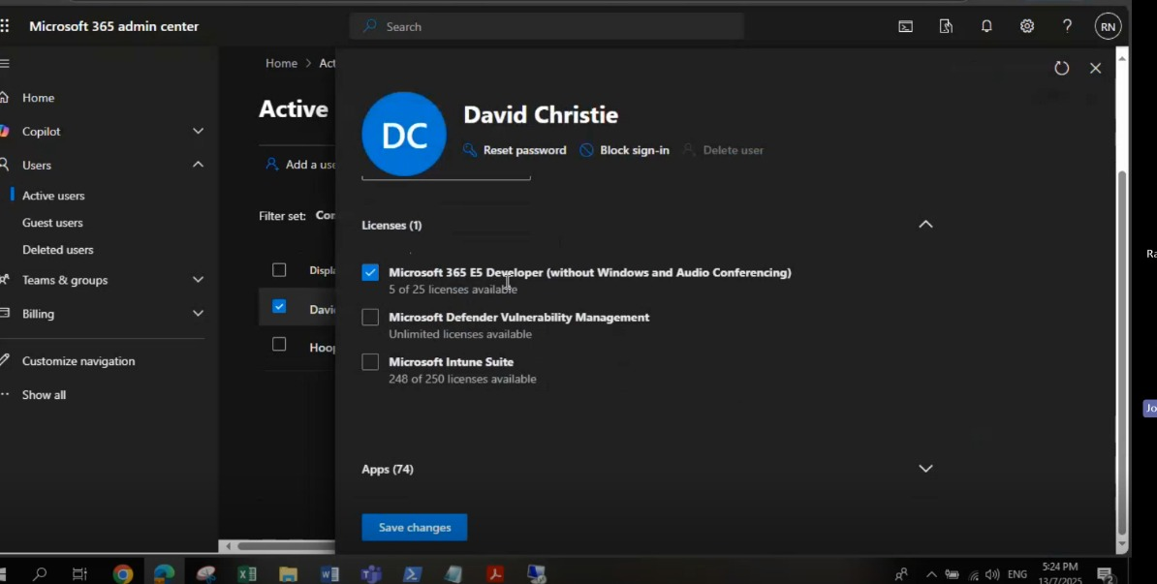
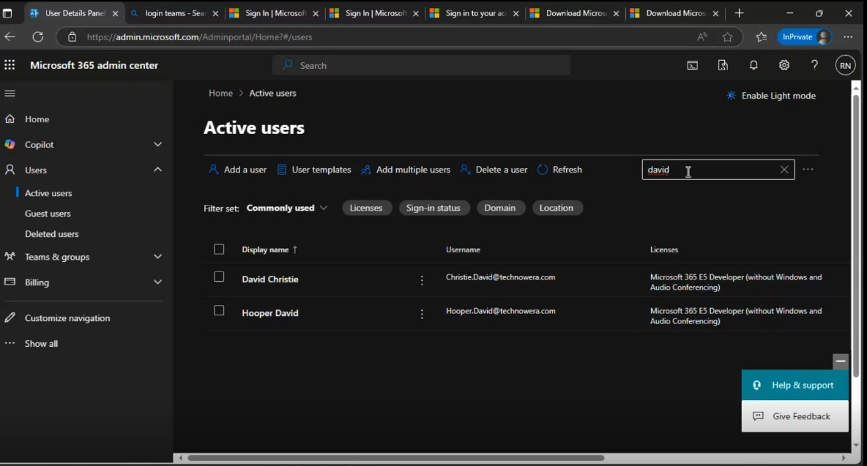

7. Setup MFA to users once assigned Microsoft 365 license in order to sign office 365

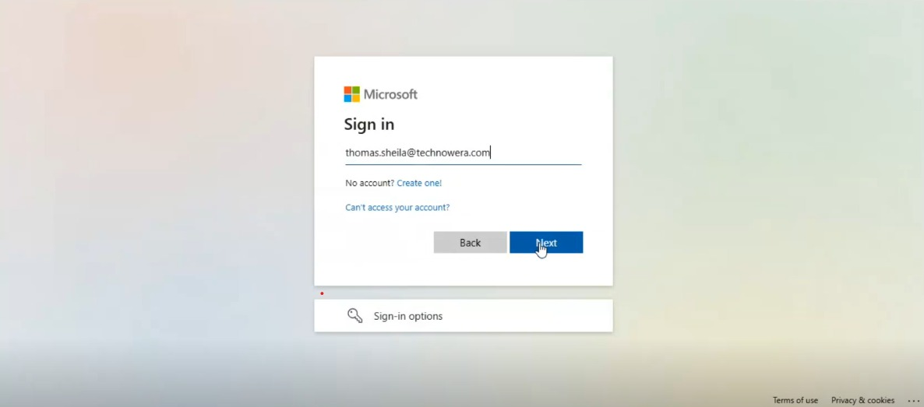


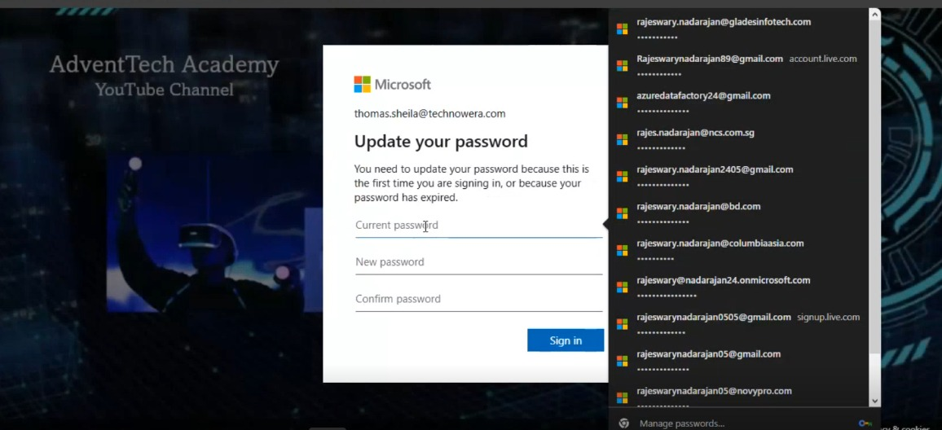
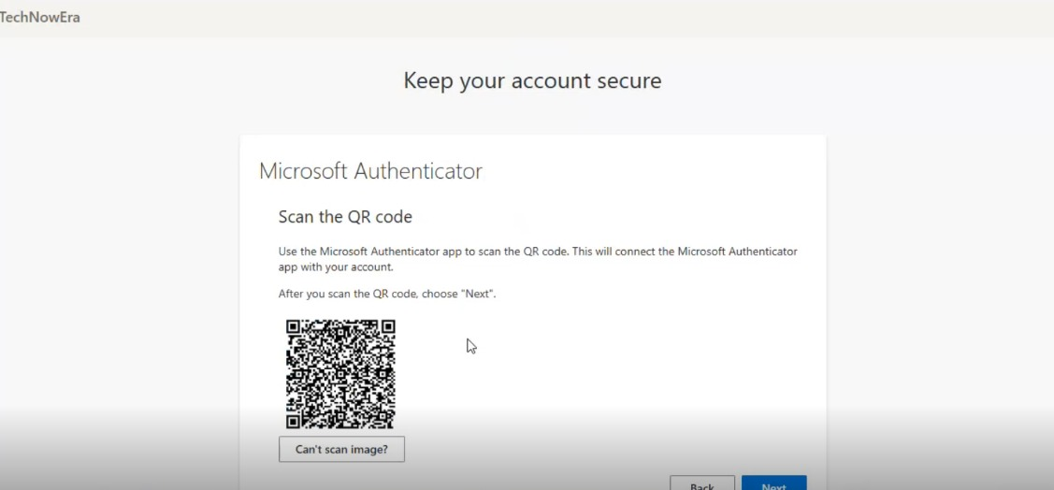

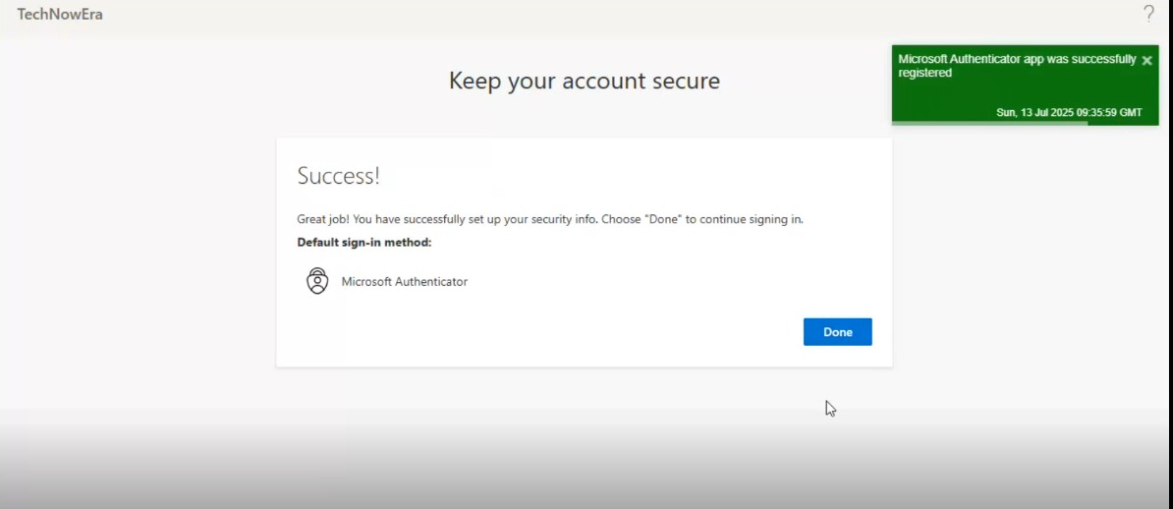

Result

