Table 1
Results of the Simulation Completed at: 07/02/2023 02:35:57
Overall Response Time Summary
 |  | Avg (ms) |  | Min (ms) | Max (ms)
Overall response time: |  | 318.80 |  | 40.83 | 609.02
Data Center processing time: |  | 1.24 |  | 0.02 | 2.57
Response Time by Region
Userbase | Avg (ms) |  | Min (ms) |  | Max (ms)
UB10_025 | 50.72 |  | 41.96 |  | 57.51
UB11_025 | 505.01 |  | 410.14 |  | 581.52
UB12_025 | 507.35 |  | 410.24 |  | 582.78
UB13_025 | 498.23 |  | 395.12 |  | 577.76
UB14_025 | 503.20 |  | 431.52 |  | 594.02
UB15_025 | 501.11 |  | 382.72 |  | 564.02
UB16_025 | 494.74 |  | 409.02 |  | 558.82
UB17_025 | 509.60 |  | 431.29 |  | 582.67
UB18_025 | 497.92 |  | 398.82 |  | 581.52
UB19_025 | 498.74 |  | 397.87 |  | 592.78
UB1_025 | 50.93 |  | 43.51 |  | 63.76
UB20_025 | 507.14 |  | 439.00 |  | 591.49
UB21_025 | 497.39 |  | 409.02 |  | 609.02
UB22_025 | 498.93 |  | 422.72 |  | 593.78
UB23_025 | 497.91 |  | 416.52 |  | 570.16
UB24_025 | 494.48 |  | 396.47 |  | 580.43
UB25_025 | 503.07 |  | 392.66 |  | 575.11
UB26_025 | 497.70 |  | 434.02 |  | 596.52
UB27_025 | 502.03 |  | 427.58 |  | 599.02
UB28_025 | 496.96 |  | 406.43 |  | 585.08
UB29_025 | 504.80 |  | 424.02 |  | 577.64
UB2_025 | 50.32 |  | 40.83 |  | 60.86
UB30_025 | 502.64 |  | 408.97 |  | 571.37
UB31_025 | 198.16 |  | 166.35 |  | 229.52
UB32_025 | 203.28 |  | 166.52 |  | 238.54
UB33_025 | 200.67 |  | 167.43 |  | 240.10
UB34_025 | 201.54 |  | 175.47 |  | 234.52
UB34_026 | 200.92 |  | 164.17 |  | 238.20
UB34_027 | 202.40 |  | 168.19 |  | 234.04
UB34_028 | 201.29 |  | 165.10 |  | 232.52
UB34_029 | 201.16 |  | 154.46 |  | 236.52
UB34_030 | 200.29 |  | 169.40 |  | 230.11
UB34_031 | 297.68 |  | 253.38 |  | 346.62
UB34_032 | 203.14 |  | 167.52 |  | 254.38
UB34_033 | 51.24 |  | 44.27 |  | 59.81
UB34_034 | 50.99 |  | 43.79 |  | 61.76
UB34_035 | 51.49 |  | 43.01 |  | 59.59
UB34_036 | 51.49 |  | 41.59 |  | 62.46
UB34_037 | 51.04 |  | 42.26 |  | 59.14
UB34_038 | 50.42 |  | 42.76 |  | 58.77
User Base Hourly Response Times
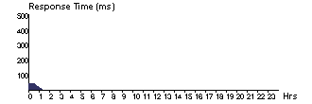
UB10_025

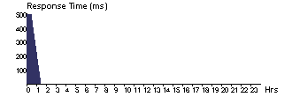
UB11_025


UB12_025


UB13_025


UB14_025


UB15_025


UB16_025

UB17_025

UB18_025 UB19_025

UB1_025

UB20_025


UB21_025

UB22_025 UB23_025

UB24_025

UB25_025

UB26_025


UB27_025 UB28_025

UB29_025

UB2_025


UB30_025

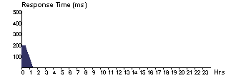
UB31_025 UB32_025

UB33_025


UB34_025

UB35_025

UB36_025 UB37_025

UB38_025

UB39_025

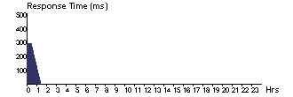
UB3_025

UB40_025 UB4_025
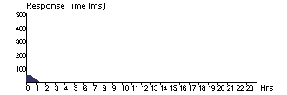
UB5_025

UB6_025

UB7_025

UB8_025 UB9_025

Data Center Request Servicing Times
Data Center | Avg (ms) |  | Min (ms) |  | Max (ms)
DC1_025 | 1.24 |  | 0.02 |  | 2.57
Data Center Hourly Average Processing Times
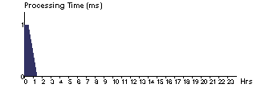
DC1_025

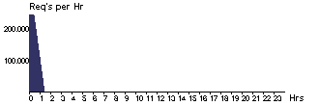
Data Center Hourly Loading
DC1_025

Cost
Total Virtual Machine Cost ($): 0.50 Total Data Transfer Cost ($): 2.35 Grand Total: ($) 2.85
Data Center | VM Cost $ |  | Data Transfer Cost $ |  | Total $
DC1_025 | 0.50 |  | 2.35 |  | 2.85

Sheet1
USER | TROTTLE | ROUND ROBIN | EQUALLY SPREAD
UB1_025 | 51.08 | 50.93 | 50.93
UB10_025 | 50.66 | 50.72 | 50.7
UB11_025 | 503.37 | 505.01 | 504.79
UB12_025 | 503.38 | 507.35 | 505.23
UB13_025 | 499.74 | 498.23 | 498
UB14_025 | 503.77 | 503.2 | 501.44
UB15_025 | 500.26 | 501.11 | 500.48
UB16_025 | 493.96 | 494.74 | 495.3
UB17_025 | 505.89 | 509.6 | 506.43
UB18_025 | 497.6 | 497.92 | 498.52
UB19_025 | 497.37 | 498.74 | 499.42
UB2_025 | 50.45 | 50.32 | 50.44
UB20_025 | 508.7 | 507.14 | 506.36
UB21_025 | 499.57 | 497.39 | 498.22
UB22_025 | 501.31 | 498.93 | 499.45
UB23_025 | 498.71 | 497.91 | 496.08
UB24_025 | 494.56 | 494.48 | 495.42
UB25_025 | 503.87 | 503.07 | 503.93
UB26_025 | 495.66 | 497.7 | 499.18
UB27_025 | 502.54 | 502.03 | 500.95
UB28_025 | 499.76 | 496.96 | 497.56
UB29_025 | 505.54 | 504.8 | 504.69
UB30_025 | 505.68 | 502.64 | 504.71
UB31_025 | 198.76 | 198.16 | 199.13
UB32_025 | 202.87 | 203.28 | 203.43
UB33_025 | 200.58 | 200.67 | 200.58
UB34_025 | 201.42 | 201.54 | 201.28
UB34_026 | 200.66 | 200.92 | 199.41
UB34_027 | 201.72 | 202.4 | 202.19
UB34_028 | 200.81 | 201.29 | 200.24
UB34_029 | 201.87 | 201.16 | 201.87
UB34_030 | 200.57 | 200.29 | 200.88
UB34_031 | 298.26 | 297.68 | 297.31
UB34_032 | 203.3 | 203.14 | 203.93
UB34_033 | 51.16 | 51.24 | 51.15
UB34_034 | 50.86 | 50.99 | 50.97
UB34_035 | 51.46 | 51.49 | 51.7
UB34_036 | 51.49 | 51.49 | 51.61
UB34_037 | 50.9 | 51.04 | 50.99
UB34_038 | 50.38 | 50.42 | 50.47

