Scenario Planning
Scenario Planning — Best / Base / Worst Case
Sensitizing revenue growth and margin assumptions against the Base Case (FY2026E–FY2028E)

Scenario Assumptions
 | Worst Case | Base Case | Best Case
Avg. annual revenue growth (FY26–FY28) | 2.0% | 8.0% | 14.0%
Cost of sales (% of revenue, avg.) | 63.0% | 60.0% | 57.0%
SG&A (% of revenue, avg.) | 16.5% | 15.0% | 13.5%

Note: Worst/Best cases flex growth ±6pp and margins ±3pp vs Base Case; Base Case values match the linked 3-statement model.

Projected Outputs (FY2028E, cumulative 3-year growth applied to FY2025A base)
 | Worst Case | Base Case | Best Case
FY2028E Revenue | £13,637 | £16,187 | £19,038
FY2028E Gross Profit | £5,046 | £6,475 | £8,186
FY2028E EBIT (approx.) | £2,795 | £4,047 | £5,616
Implied EBIT Margin % | 20.5% | 25.0% | 29.5%
FY2028E Net Income (approx., 25% tax) | £2,097 | £3,035 | £4,212
Net Income vs. Base Case | (30.9%) | - | 38.8%

FY2028E Net Income by Scenario

Revenue Forecast
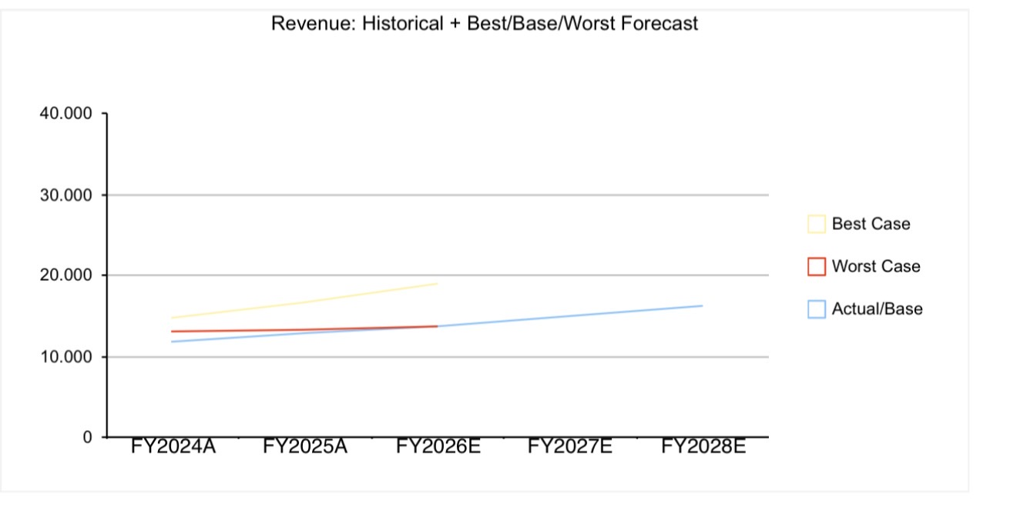
Revenue Forecast — Historical + Scenario Projections
(£ in thousands)

Year | Actual/Base | Worst Case | Best Case
FY2024A | £11,800
FY2025A | £12,850
FY2026E | £13,750 | £13,107 | £14,649
FY2027E | £14,987 | £13,369 | £16,700
FY2028E | £16,186 | £13,637 | £19,038

