Sheet1
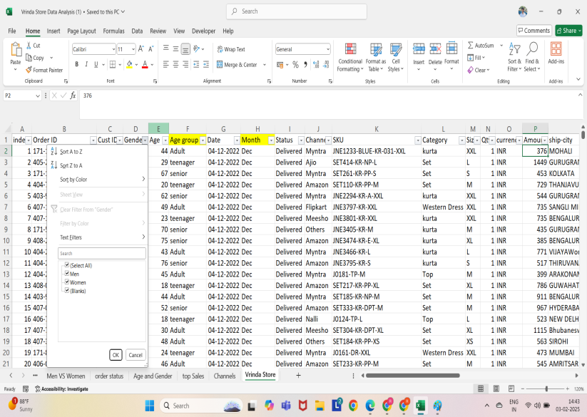

DATA CLEANING

Sheet3
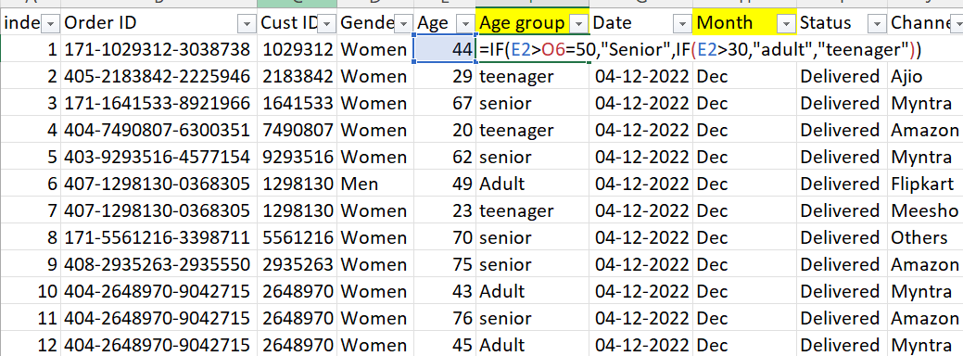

data processing

Sheet4
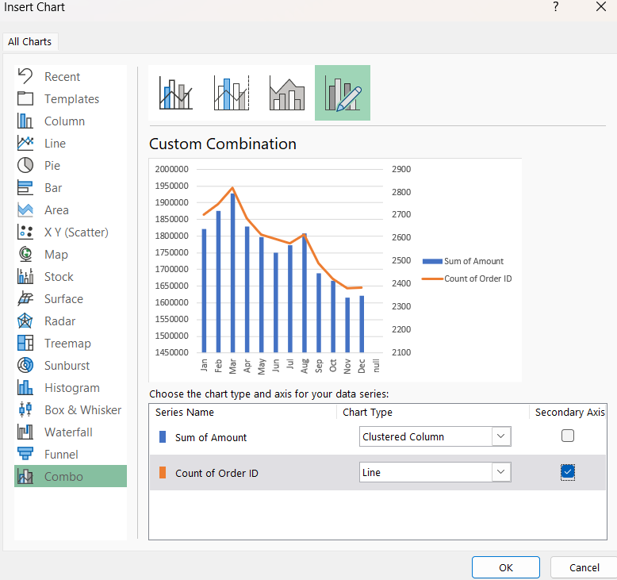

DATA ANALYSIS

Sheet5
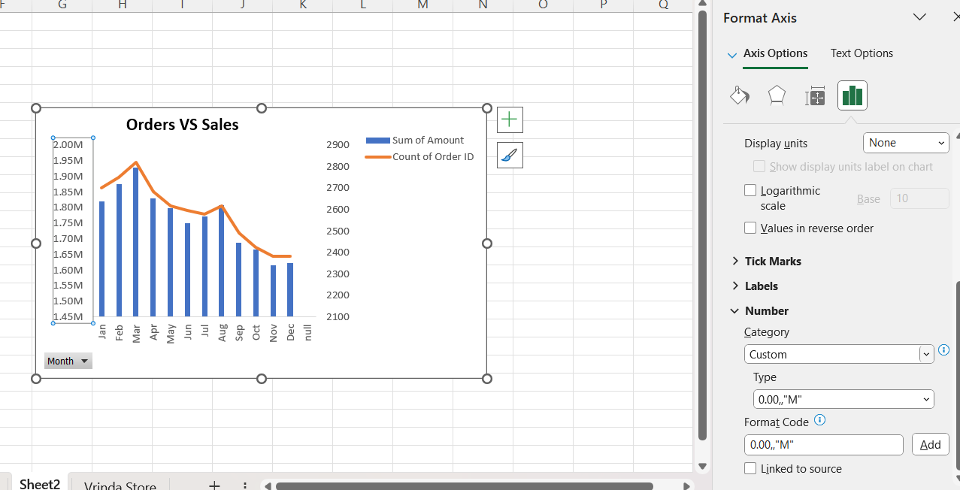

DATA VISUALIZATION

