Financial Modeling & Valuation
Sr. No | Name | Email Id | Phone No | Course | Company & Designation | Testimonial | Photo
1 | Nilesh Shamkant Sawant | 1nileshsawant@gmail.com | 9769755883 | Financial Modeling & Valuation |  | I am an Engineer and data analyst by profession and new to finance. But sir explained the concepts in great detail taking some generic examples along with case study. It really helped me to understand the concepts and overall flow of financial modeling. Even after being new to finance, I managed to get maximum out of the sessions.
2 | Bhawna Aneja | anejabhawna19@yahoo.co.in | 9213599553 | Financial Modeling & Valuation |  | A brief understanding of Technical terms and Reference Annexures can be shared to clear the concepts in case who are Novice like me but went very well with experience and connected with Mode understanding and usage of Excel features with improvised application. Thanks to the team. Indeed a very good Learning Experience which is Cherished! Would look forward for all recorded lectures for few concepts to walk thru again and equip with practice (complete 16 hours experience was enriching ). | 
3 | Sunil kumar | sunilkumar.rajotia@gmail.com | 98111 80692 | Financial Modeling & Valuation |  | The course was superb. I studied valuation and Financial Modelling in my MBA course but this is an add on to that knowledge. I enjoyed doing actual financial modelling and valuation of a case written by Instructor. The course content and delivery was excellent and focused. Not only that I got many analysis tools which I can use in my day to day workings. | 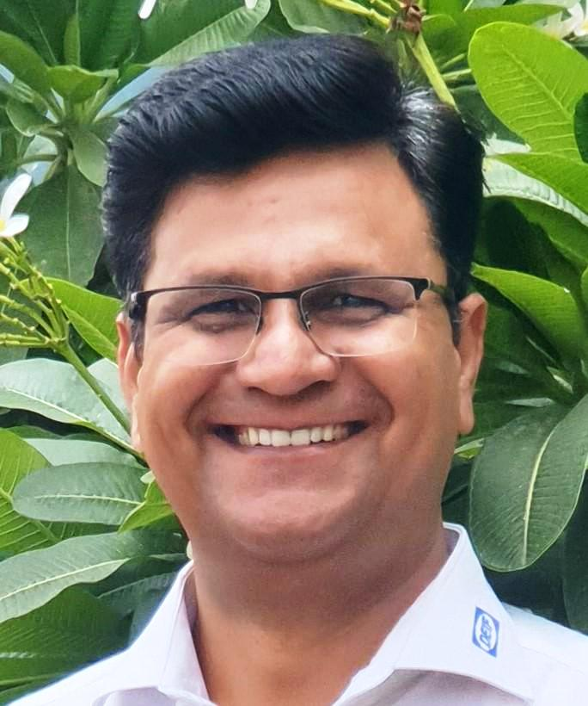
4 | Hinal Shah | shahhinal111@gmail.com | 9930873868 | Financial Modeling & Valuation |  | It was an absolute amazing experience. Whether it was Tutor's speed of control, explanation of context per se or designing of model. Everything was worth it! A thrilling experience!,

Intraday Trading
Sr. No | Name | Email Id | Phone No | Course | Company & Designation | Testimonial | Photo
1 | Jagdish kumar Hasija | jkhasija@gmail.com | 9811094244 | Intraday Trading | M/S Perfect Rotary offset pvt Ltd …Technical Director | Perfectly crafted ,nicely delivered by the faculties and presentation by NSE staff was excellent… being a fresher I have clarity of intraday trading now... but to do trading I need to further polish my skills. Thanks to Mr Himanshu Arora also Mr Sachin of NSE. Good job NSE Is doing by spreading knowledge to the people’s of India . Thanks.
2 | Aditi Bhandari | aditibhandaria@gmail.com | 7829065765 | Intraday Trading |  | The 4-day Intraday Trading course was extremely knowledgeable and full fledged. It includes trading strategies, money management, stock scanning, etc all of which the lecturer were patiently explained while solving the doubts simultaneously... He was also kind enough to provide us with links of various resources and websites to enhance well-planned trading | 
3 | Ramana | ramana.kamarshi@gmail.com | 9908880801 | Intraday Trading |  | This is my first class ever taken with NSE. Here are my quick snapshot. Thank NSE for organizing such program, I find it good and but cost paid for the program is on little higher side. Content wise it is really greatly arranged and presenter was able to manage the show with few examples which were useful. Honestly speaking either class duration or days for the program can be extended if fees can not reduced. Overall it is satisfactory with NSE Academy. | 
4 | V B Ramesh | vbramesh@yahoo.com | 00917306350228 | Intraday Trading |  | Excellent, has given clarity in taking decisions on Intraday dealings. I Would like to choose for Intraday advance course by next month same time. | 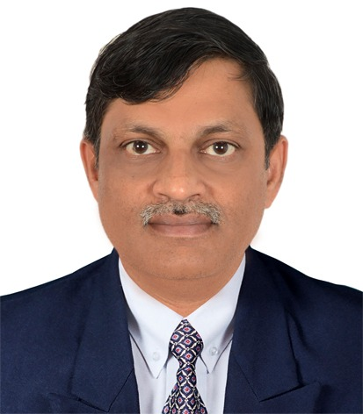
5 | ahtaysham raza | ahtaysham@gmail.com | 7021566982 | Intraday Trading Strategies |  | It was a good experience. The course content was superb ,the way it is presented by learned faculty was just superb ,it was really a marvalous experience especially the 3rd part was really very prudent and effective

Option Trading Strategy
Sr. No | Name | Email Id | Phone No | Course | Company & Designation | Testimonial | Photo
1 | Ratnesh Malhotra | ratneshmalhotra.rm@gmail.com | 9810896845 | Option Trading Strategy | Director, BLM Clothing Pvt Ltd | The module content was both informative and comprehensive. It was a good learning.
2 | Ashok Bharti | abharti1958@gmail.com | 9811154915 | Option Trading Strategy |  | Course content was excellent and the teacher Varun Aggarwal excellent. I spoke with Nilesh of NSE Academy before the course, he convinced me to take this course and it was a good decision. | 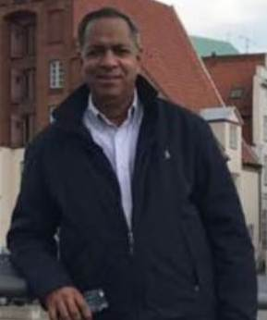

Technical Analysis
Sr. No | Name | Email Id | Phone No | Course | Company & Designation | Testimonial | Photo
1 | Sharath | sharath.kotian@gmail.com | 9769211941 | Technical Analysis |  | Training was very good - was not aware of this element and think have got a good start from this event.
2 | KN KALYANI SAI MADHURI | knseshagopal@gmail.com | 9849602393 | Technical Analysis |  | As I am a beginner for me It's good, interesting and the faculty is very good and his explanation is also very good. Since, it's NSE classes, felt very good experience. I have learnt a lot on the subject.
3 | Krishnakumar M | kkmg1.mail@gmail.com | 9449014819 | Technical Analysis |  | The overall experience with the NSE Academy, faculty, course delivery and content was very good. A Very Good Intro to the field of Technical Analysis.
4 | Cheriyan Samuel | cheriyansam@yahoo.com | +61423702866 | Technical Analysis |  | The course content, delivery and explanations were excellent. A trainer can only provide helping hand when one wants to walk. Then one need to walk oneself. Mr. Abhijit was genuine about the realities of the market. He provided lots of practical tips and guidance for effective trading.
5 | Srinivas Akella | srinipix@gmail.com | 9920109996 | Technical Analysis |  | Superb, Abhijit sir is a perfect teacher, at any point of time he has not rushed on any topic. I Will be practicing the parameters he has taught. I Will once again go through the recordings to make notes. Overall this course is plain paisa wasool. Any other technical parameter course which involves Abhijit sir, pls let me know. Believe me this is my most honest thought on the course. | 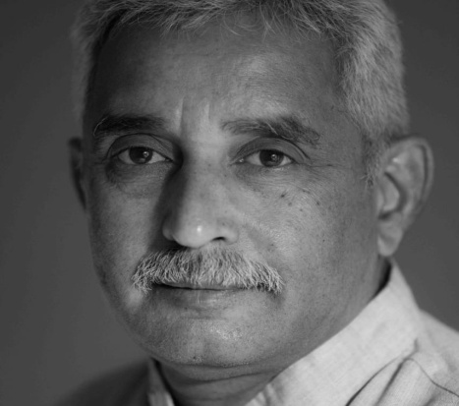
6 | Siddharth Sahgal | sidsahgal07@gmail.com | 9030090390 | Technical Analysis |  | It was a wonderful experience attending the course and a special mention for Mr Abhijeet Sir's way of teaching and the way he referenced the concepts was exceptional. Overall a beautiful learning experience.

