Sheet1 (2)
 | Logo

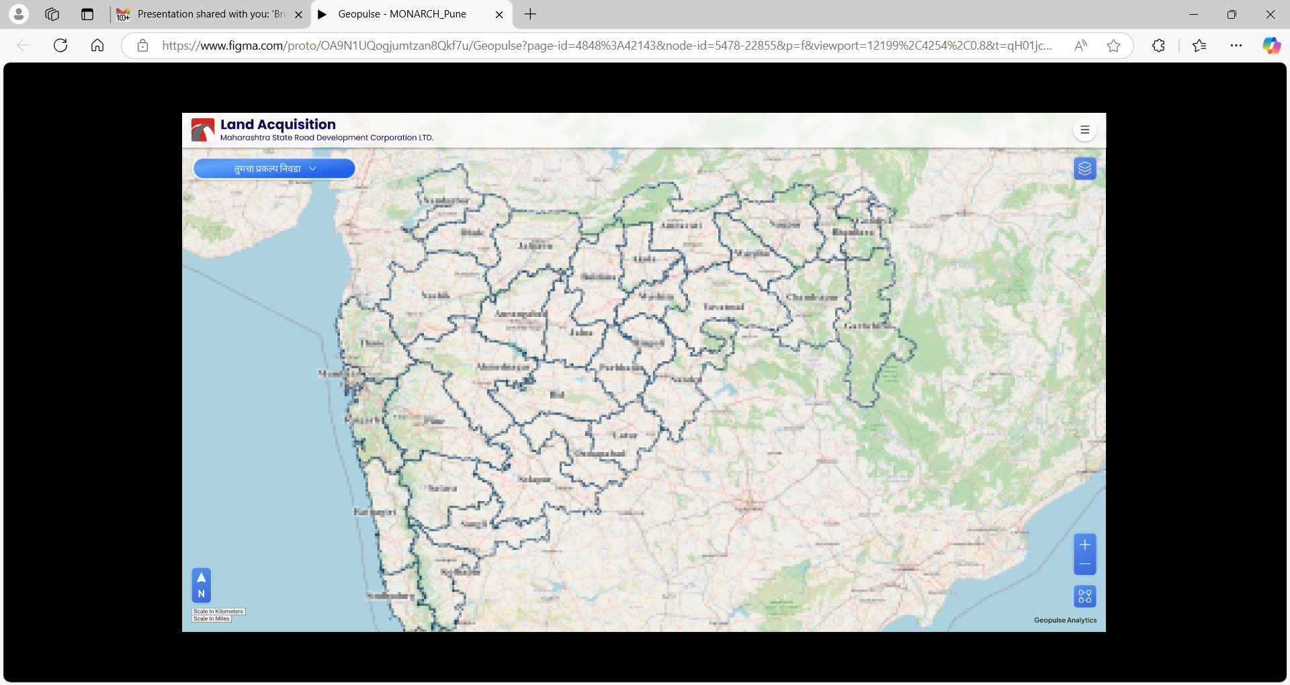
Land | Organization | Project | Land | Tender | Progress | Billing | Reports | Assets | Maintainance | View
Distrcit
Tahsil
Village
Type of Land
Acquisition Status
G,No
Owner
Assets
Valuation
Report
Clearances
Utiltities

