Sheet3
№ | President |  | Took office | Left office | Party | Term | Previous office | Vice President
 |  |  |  |  |  | [n 1]
1 | 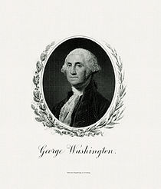 | George Washington | April 30, 1789 | March 4, 1797 | n/a[14] | 1 | Commander-in-Chief of the Continental Army |  | John Adams
 |  | (1732–1799) | [n 2] |  |  | -1789 | (1775–1783)
 |  | [11][12][13]

 |  |  |  |  |  | 2
 |  |  |  |  |  | -1792
2 | 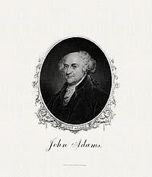 | John Adams | March 4, 1797 | March 4, 1801 | Federalist | 3 | Vice President |  | Thomas Jefferson
 |  | (1735–1826) |  | [n 3] |  | -1796
 |  | [15][16][17]

3 | 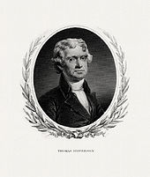 | Thomas Jefferson | March 4, 1801 | March 4, 1809 | Democratic- | 4 | Vice President |  | Aaron Burr
 |  | (1743–1826) |  |  | Republican | -1800 |  |  | March 4, 1801 – March 4, 1805
 |  | [18][19][20]

 |  |  |  |  |  | 5 |  |  | George Clinton[n 4]
 |  |  |  |  |  | -1804 |  |  | March 4, 1805 – April 20, 1812
4 | 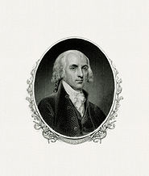 | James Madison | March 4, 1809 | March 4, 1817 | Democratic- | 6 | Secretary of State
 |  | (1751–1836) |  |  | Republican | -1808 | (1801–1809)
 |  | [21][22][23]

 |  |  |  |  |  |  |  | Vacant[n 5]
 |  |  |  |  |  |  |  | April 20, 1812 – March 4, 1813
 |  |  |  |  |  | 7 |  |  | Elbridge Gerry[n 4]
 |  |  |  |  |  | -1812 |  |  | March 4, 1813 – November 23, 1814
 |  |  |  |  |  |  |  | Vacant[n 5]
 |  |  |  |  |  |  |  | November 23, 1814 – March 4, 1817
5 | 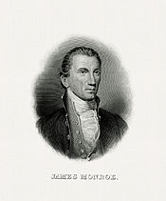 | James Monroe | March 4, 1817 | March 4, 1825 | Democratic- | 8 | Secretary of State |  | Daniel D. Tompkins
 |  | (1758–1831) |  |  | Republican | -1816 | (1811–1817)
 |  | [24][25][26]

 |  |  |  |  |  | 9
 |  |  |  |  |  | -1820
6 | 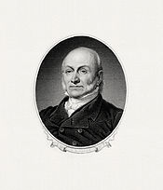 | John Quincy Adams | March 4, 1825 | March 4, 1829 | Democratic- | 10 | Secretary of State |  | John C. Calhoun[n 6]
 |  | (1767–1848) |  | [n 3] | Republican | -1824 | (1817–1825) |  | March 4, 1825 – December 28, 1832
 |  | [27][28][29]

7 | 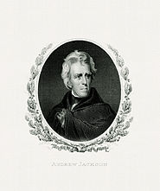 | Andrew Jackson | March 4, 1829 | March 4, 1837 | Democratic | 11 | U.S. Senator from Tennessee
 |  | (1767–1845) |  |  |  | -1828 | (1823–1825)
 |  | [30][31][32]

 |  |  |  |  |  |  |  | Vacant[n 5]
 |  |  |  |  |  |  |  | December 28, 1832 – March 4, 1833
 |  |  |  |  |  | 12 |  |  | Martin Van Buren
 |  |  |  |  |  | -1832 |  |  | March 4, 1833 – March 4, 1837
8 | 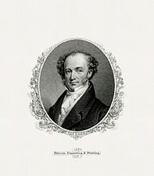 | Martin Van Buren | March 4, 1837 | March 4, 1841 | Democratic | 13 | Vice President |  | Richard Mentor Johnson
 |  | (1782–1862) |  | [n 3] |  | -1836
 |  | [33][34][35]

9 | 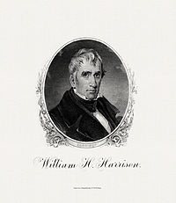 | William Henry Harrison | March 4, 1841 | April 4, 1841 | Whig | 14 | Minister to Colombia |  | John Tyler
 |  | (1773–1841) |  | [n 4] |  | -1840 | (1828–1829)
 |  | [36][37][38]

10 | 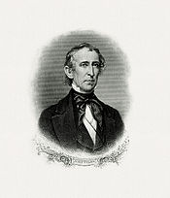 | John Tyler | April 4, 1841 | March 4, 1845 | Whig |  | Vice President | Vacant[n 5]
 |  | (1790–1862) |  |  | April 4, 1841 –September 13, 1841 |  | [n 7]
 |  | [39][40][41]

 |  |  |  |  | Independent[n 8]
 |  |  |  |  | September 13, 1841 –March 4, 1845
11 | 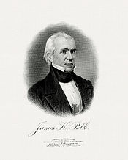 | James K. Polk | March 4, 1845 | March 4, 1849 | Democratic | 15 | Governor of Tennessee |  | George M. Dallas
 |  | (1795–1849) |  |  |  | -1844 | (1839–1841)
 |  | [42][43][44]

12 | 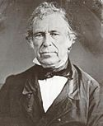 | Zachary Taylor | March 4, 1849 | July 9, 1850 | Whig | 16 | U.S. Army Major general from the 1st Infantry Regiment |  | Millard Fillmore
 |  | (1784–1850) |  | [n 4] |  | -1848 | (1846–1849)
 |  | [45][46][47]

13 | 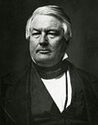 | Millard Fillmore | July 9, 1850 | March 4, 1853 | Whig |  | Vice President | Vacant[n 5]
 |  | (1800–1874) |  | [n 9]
 |  | [48][49][50]

14 | 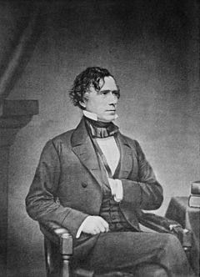 | Franklin Pierce | March 4, 1853 | March 4, 1857 | Democratic | 17 | U.S. Army Brigadier generalfrom the 9th Infantry Regiment |  | William R. King[n 4]
 |  | (1804–1869) |  |  |  | -1852 | (1847–1848) |  | March 4, 1853 – April 18, 1853
 |  | [51][52][53]

 |  |  |  |  |  |  |  | Vacant[n 5]
 |  |  |  |  |  |  |  | April 18, 1853 – March 4, 1857
15 | 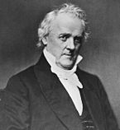 | James Buchanan | March 4, 1857 | March 4, 1861 | Democratic | 18 | Minister to the United Kingdom |  | John C. Breckinridge
 |  | (1791–1868) |  |  |  | -1856 | (1853–1856)
 |  | [54][55][56]

16 | 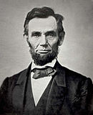 | Abraham Lincoln | March 4, 1861 | April 15, 1865 | Republican | 19 | U.S. Representative from Illinois |  | Hannibal Hamlin
 |  | (1809–1865) |  | [n 10] |  | -1860 | (1847–1849) |  | March 4, 1861 – March 4, 1865
 |  | [57][58][59]

 |  |  |  |  | Republican | 20 |  |  | Andrew Johnson
 |  |  |  |  | National Union[n 11] | -1864 |  |  | March 4, 1865 – April 15, 1865
17 | 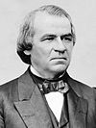 | Andrew Johnson | April 15, 1865 | March 4, 1869 | Democratic |  | Vice President | Vacant
 |  | (1808–1875) |  |  | National Union[n 11] |  |  | [n 5]
 |  | [60][61][62] |  |  | Independent[n 12]

18 | 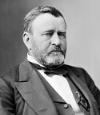 | Ulysses S. Grant | March 4, 1869 | March 4, 1877 | Republican | 21 | Commanding General of the U.S. Army |  | Schuyler Colfax
 |  | (1822–1885) |  |  |  | -1868 | (1864–1869) |  | March 4, 1869 – March 4, 1873
 |  | [63][64][65]

 |  |  |  |  |  | 22 |  |  | Henry Wilson[n 4]
 |  |  |  |  |  | -1872 |  |  | March 4, 1873 – November 22, 1875
 |  |  |  |  |  |  |  | Vacant[n 5]
 |  |  |  |  |  |  |  | November 22, 1875 – March 4, 1877
19 | 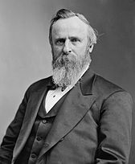 | Rutherford B. Hayes | March 4, 1877 | March 4, 1881 | Republican | 23 | Governor of Ohio |  | William A. Wheeler
 |  | (1822–1893) |  |  |  | -1876 | (1868–1872, 1876–1877)
 |  | [66][67][68]

20 | 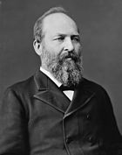 | James A. Garfield | March 4, 1881 | September 19, 1881 | Republican | 24 | U.S. Representative from Ohio |  | Chester A. Arthur
 |  | (1831–1881) |  | [n 10] |  | -1880 | (1863–1881)
 |  | [69][70][71]

21 | 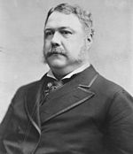 | Chester A. Arthur | September 19, 1881 | March 4, 1885 | Republican |  | Vice President | Vacant[n 5]
 |  | (1829–1886)
 |  | [72][73][74]

22 | 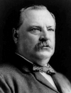 | Grover Cleveland | March 4, 1885 | March 4, 1889 | Democratic | 25 | Governor of New York |  | Thomas A. Hendricks[n 4]
 |  |  |  | [n 3] |  | -1884 | (1883–1885) |  | March 4, 1885 – November 25, 1885

 |  | (1837–1908)
 |  | [75][76] |  |  |  |  |  | Vacant[n 5]
 |  |  |  |  |  |  |  | November 25, 1885 – March 4, 1889
23 | 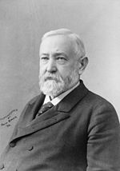 | Benjamin Harrison | March 4, 1889 | March 4, 1893 | Republican | 26 | U.S. Senator from Indiana |  | Levi P. Morton
 |  | (1833–1901) |  |  |  | -1888 | (1881–1887)
 |  | [77][78][79]

24 |  | Grover Cleveland | March 4, 1893 | March 4, 1897 | Democratic | 27 | President |  | Adlai Stevenson
 |  |  |  |  |  | -1892 | (1885–1889)

 |  | (1837–1908)
 |  | [75][76]
25 | 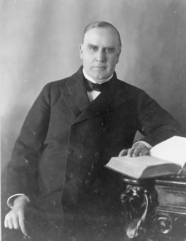 | William McKinley | March 4, 1897 | 14-Sep-01 | Republican | 28 | Governor of Ohio |  | Garret Hobart[n 4]
 |  | (1843–1901) |  | [n 10] |  | -1896 | (1892–1896) |  | March 4, 1897 – November 21, 1899
 |  | [80][81][82]

 |  |  |  |  |  |  |  | Vacant[n 5]
 |  |  |  |  |  |  |  | November 21, 1899 – March 4, 1901
 |  |  |  |  |  | 29 |  |  | Theodore Roosevelt
 |  |  |  |  |  | -1900 |  |  | March 4, 1901 – September 14, 1901
26 | 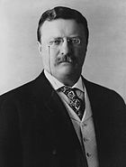 | Theodore Roosevelt | 14-Sep-01 | 4-Mar-09 | Republican |  | Vice President | Vacant[n 5]
 |  | (1858–1919) |  | [n 9] |  |  |  | September 14, 1901 – March 4, 1905
 |  | [83][84][85]

 |  |  |  |  |  | 30 |  |  | Charles W. Fairbanks
 |  |  |  |  |  | -1904 |  |  | March 4, 1905 – March 4, 1909
27 | 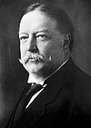 | William Howard Taft | 4-Mar-09 | 4-Mar-13 | Republican | 31 | Secretary of War |  | James S. Sherman[n 4]
 |  | (1857–1930) |  | [n 3] |  | -1908 | (1904–1908) |  | March 4, 1909 – October 30, 1912
 |  | [86][87][88]

 |  |  |  |  |  |  |  | Vacant[n 5]
 |  |  |  |  |  |  |  | October 30, 1912 – March 4, 1913
28 | 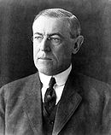 | Woodrow Wilson | 4-Mar-13 | 4-Mar-21 | Democratic | 32 | Governor of New Jersey |  | Thomas R. Marshall
 |  | (1856–1924) |  |  |  | -1912 | (1911–1913)
 |  | [89][90][91]

 |  |  |  |  |  | 33
 |  |  |  |  |  | -1916
29 | 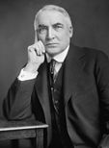 | Warren G. Harding | 4-Mar-21 | 2-Aug-23 | Republican | 34 | U.S. Senator from Ohio |  | Calvin Coolidge
 |  | (1865–1923) |  | [n 4] |  | -1920 | (1915–1921)
 |  | [92][93][94]

30 | 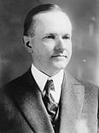 | Calvin Coolidge | 2-Aug-23 | 4-Mar-29 | Republican |  | Vice President | Vacant[n 5]
 |  | (1872–1933) |  |  |  |  |  | August 2, 1923 – March 4, 1925
 |  | [95][96][97]

 |  |  |  |  |  | 35 |  |  | Charles G. Dawes
 |  |  |  |  |  | -1924 |  |  | March 4, 1925 – March 4, 1929
31 | 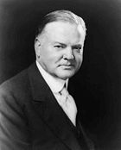 | Herbert Hoover | 4-Mar-29 | 4-Mar-33 | Republican | 36 | Secretary of Commerce |  | Charles Curtis
 |  | (1874–1964) |  | [n 3] |  | -1928 | (1921–1928)
 |  | [98][99][100]

32 | 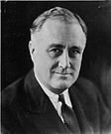 | Franklin D. Roosevelt | March 4, 1933 | April 12, 1945 | Democratic | 37 | Governor of New York |  | John Nance Garner
 |  | (1882–1945) |  | [n 4] |  | -1932 | (1929–1932) |  | March 4, 1933 – January 20, 1941
 |  | [101][102][103] |  |  |  | [n 13]

 |  |  |  |  |  | 38
 |  |  |  |  |  | -1936
 |  |  |  |  |  | 39 |  |  | Henry A. Wallace
 |  |  |  |  |  | -1940 |  |  | January 20, 1941 – January 20, 1945
 |  |  |  |  |  | 40 |  |  | Harry S. Truman
 |  |  |  |  |  | -1944 |  |  | January 20, 1945 – April 12, 1945
33 | 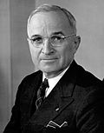 | Harry S. Truman | 12-Apr-45 | 20-Jan-53 | Democratic |  | Vice President | Vacant[n 5]
 |  | (1884–1972) |  |  |  |  |  | April 12, 1945 – January 20, 1949
 |  | [104][105][106]

 |  |  |  |  |  | 41 |  |  | Alben W. Barkley
 |  |  |  |  |  | -1948 |  |  | January 20, 1949 – January 20, 1953
34 | 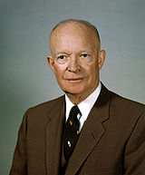 | Dwight D. Eisenhower | 20-Jan-53 | 20-Jan-61 | Republican | 42 | Supreme Allied Commander Europe |  | Richard Nixon
 |  | (1890–1969) |  | [n 14] |  | -1952 | (1949–1952)
 |  | [107][108][109]

 |  |  |  |  |  | 43
 |  |  |  |  |  | -1956
35 | 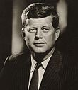 | John F. Kennedy | 20-Jan-61 | 22-Nov-63 | Democratic | 44 | U.S. Senator from Massachusetts |  | Lyndon B. Johnson
 |  | (1917–1963) |  | [n 10] |  | -1960 | (1953–1960)
 |  | [110][111][112]

36 | 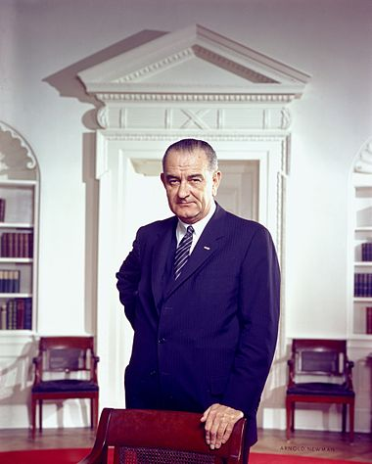 | Lyndon B. Johnson | 22-Nov-63 | 20-Jan-69 | Democratic |  | Vice President | Vacant[n 5]
 |  | (1908–1973) |  |  |  |  |  | November 22, 1963 – January 20, 1965
 |  | [113][114]

 |  |  |  |  |  | 45 |  |  | Hubert Humphrey
 |  |  |  |  |  | -1964 |  |  | January 20, 1965 – January 20, 1969
37 | 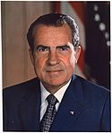 | Richard Nixon | 20-Jan-69 | 9-Aug-74 | Republican | 46 | Vice President |  | Spiro Agnew[n 6]
 |  | (1913–1994) |  | [n 6] |  | -1968 | (1953–1961) |  | January 20, 1969 – October 10, 1973
 |  | [115][116][117]

 |  |  |  |  |  | 47
 |  |  |  |  |  | -1972 |  | Vacant[n 5]
 |  |  |  |  |  |  |  | October 10, 1973 – December 6, 1973
 |  |  |  |  |  |  |  |  | Gerald Ford
 |  |  |  |  |  |  |  |  | December 6, 1973 – August 9, 1974
38 | 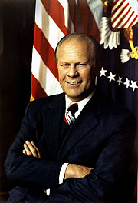 | Gerald Ford | 9-Aug-74 | January 20, 1977[n 15] | Republican |  | Vice President | Vacant[n 5]
 |  | (1913–2006) |  |  |  |  |  | August 9, 1974 – December 19, 1974
 |  | [118][119][120]

 |  |  |  |  |  |  |  |  | Nelson Rockefeller
 |  |  |  |  |  |  |  |  | December 19, 1974 – January 20, 1977
39 | 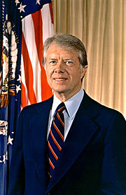 | Jimmy Carter | 20-Jan-77 | 20-Jan-81 | Democratic | 48 | Governor of Georgia |  | Walter Mondale
 |  | (born 1924) |  | [n 3] |  | -1976 | (1971–1975)
 |  | [121][122][123]

40 | 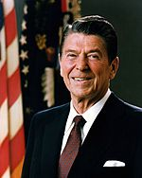 | Ronald Reagan | 20-Jan-81 | 20-Jan-89 | Republican | 49 | Governor of California |  | George H. W. Bush
 |  | (1911–2004) |  |  |  | -1980 | (1967–1975)
 |  | [124][125][126]

 |  |  |  |  |  | 50
 |  |  |  |  |  | -1984
41 | 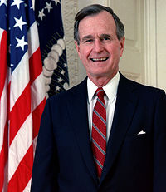 | George H. W. Bush | 20-Jan-89 | 20-Jan-93 | Republican | 51 | Vice President |  | Dan Quayle
 |  | (born 1924) |  | [n 3] |  | -1988
 |  | [127][128][129]

42 | 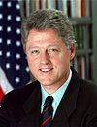 | Bill Clinton | 20-Jan-93 | 20-Jan-01 | Democratic | 52 | Governor of Arkansas |  | Al Gore
 |  |  |  |  |  | -1992 | (1979–1981, 1983–1992)

 |  | (born 1946)
 |  | [130][131][132] |  |  |  | 53
 |  |  |  |  |  | -1996
43 | 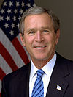 | George W. Bush | 20-Jan-01 | 20-Jan-09 | Republican | 54 | Governor of Texas |  | Dick Cheney
 |  |  |  |  |  | -2000 | (1995–2000)

 |  | (born 1946)
 |  | [133][134][135] |  |  |  | 55
 |  |  |  |  |  | -2004
44 | 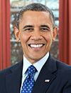 | Barack Obama | 20-Jan-09 | Incumbent | Democratic | 56 | U.S. Senator from Illinois |  | Joe Biden
 |  |  |  |  |  | -2008 | (2005–2008)

 |  | (born 1961)
 |  | [136][137][138]

