전원체크
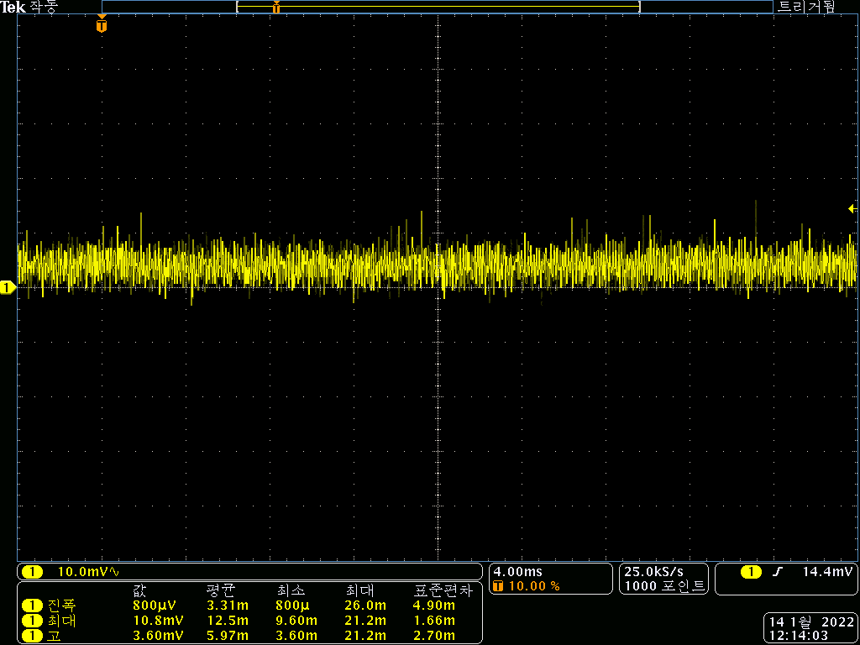
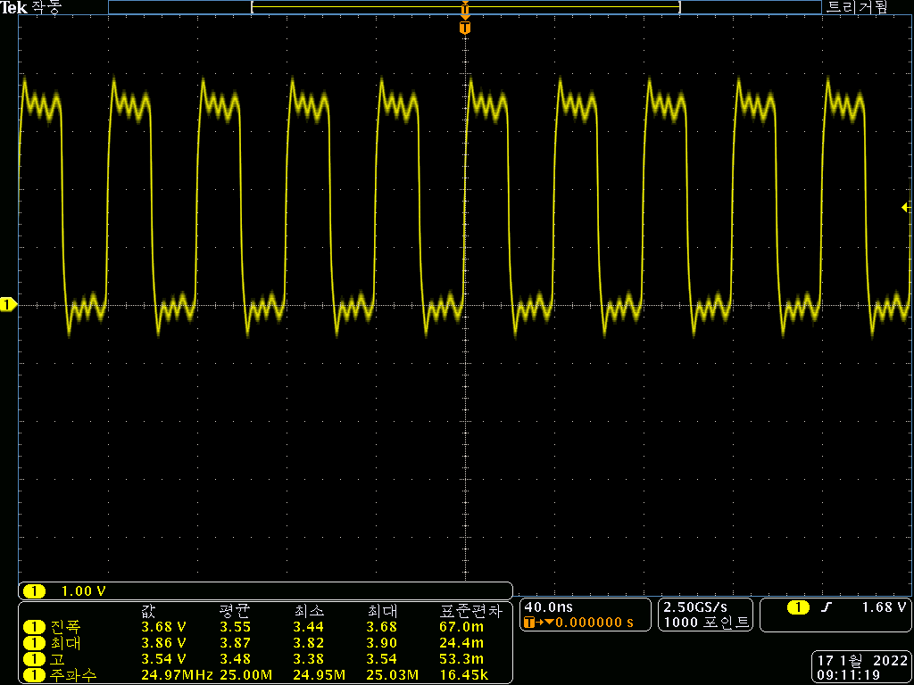
 | <Main Board>
항목 |  | 시료 #1 | 시료 #2 | 시료 #3 | 시료 #4 | 시료 #5 | 시료 #6 | Remark
Power | 12V output, RMS | 12.12 | 12.05 | 12.12 | 12.05 | 12.07 | 12.15
 | 12V ripple (mVpp) , max value | 아래참조 | 140 | 142 | 132 | 152 | 138
 | 7V output | 6.940 | 6.980 | 6.970 | 6.970 | 7.000 | 7.000
 | 7V ripple (mVpp) | 아래참조 | 138 | 144 | 136 | 142 | 146
 | 5V output(7V→5V) | 4.996 | 4.996 | 4.993 | 5.001 | 4.983 | 5.023
 | 5V ripple (mVpp) | 아래참조 | 19.2 | 15.6 | 26.8 | 19.2 | 58
 | A5V output(7V→A5V) | 4.993 | 4.972 | 4.973 | 5.017 | 5.001 | 4.977
 | A5V ripple (mVpp) | 아래참조 | 18 | 15.2 | 18.8 | 22 | 19.6
 | 3.3V output(7V→3.3V) | 3.309 | 3.294 | 3.311 | 3.311 | 3.321 | 3.297
 | 3.3V ripple (mVpp) | 아래참조 | 17.6 | 20.8 | 22.8 | 18.4 | 16

 | 시료 #1 각 전원별 ripple 측정 파형
 | 1. 12V |  |  | 2. 7V
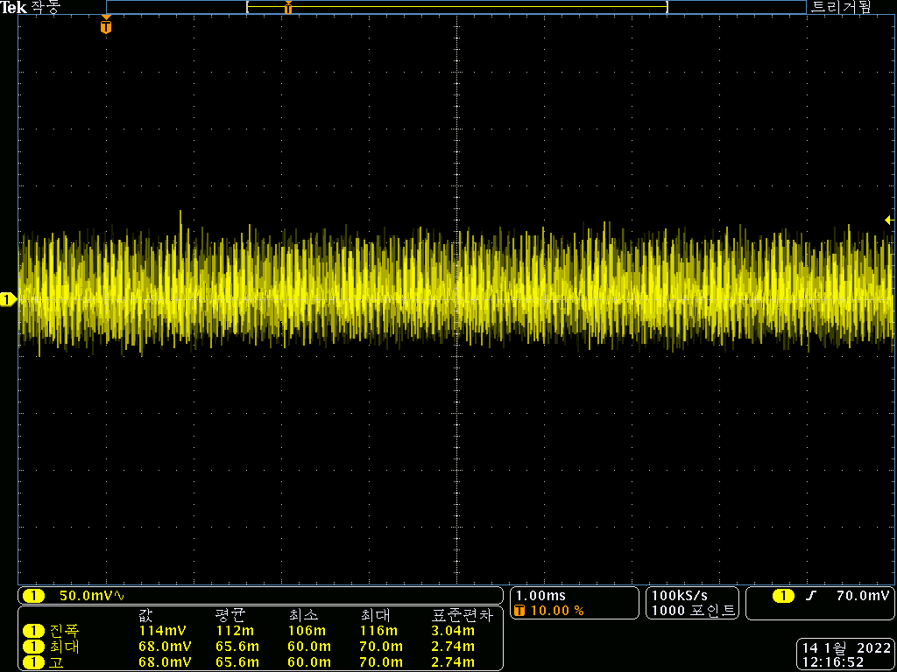
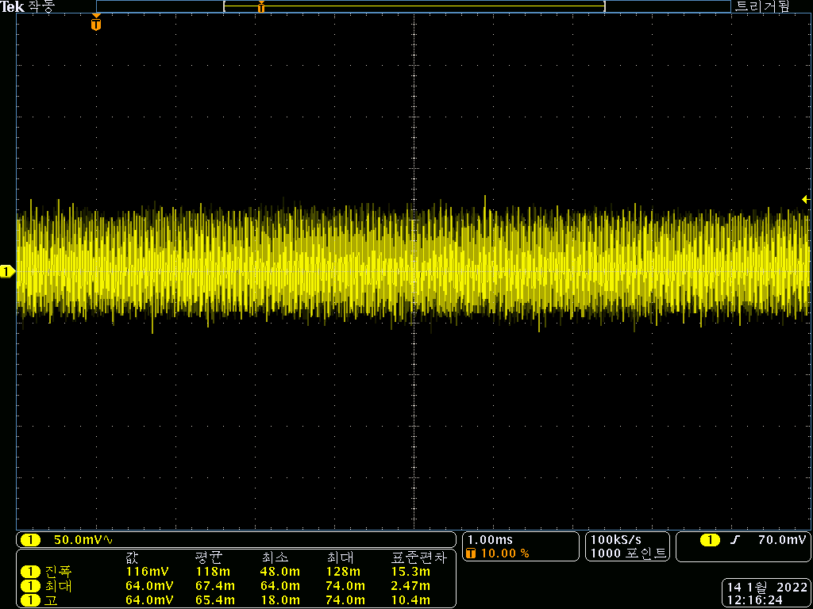

 | 3. 5V |  |  | 4. A5V
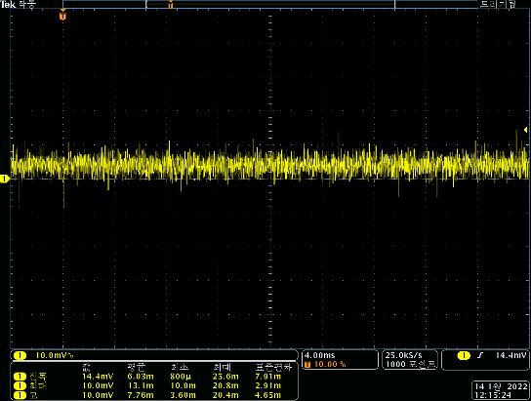
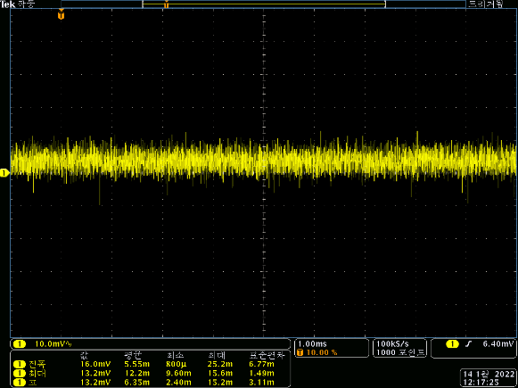

 | 5. 3.3V |  |  | 6. MCU 25MHz

99)HW추가수정사항
HW 추가 수정 필요한 사항

No. | Issued by | 수정 필요 항목 | Description | 반영 여부 | Remark
1 | 조락현 | Main 회로도 DAC PART, Connector pin 배열 수정 | 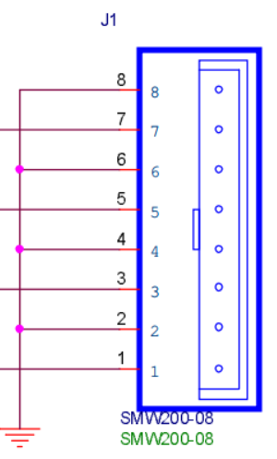 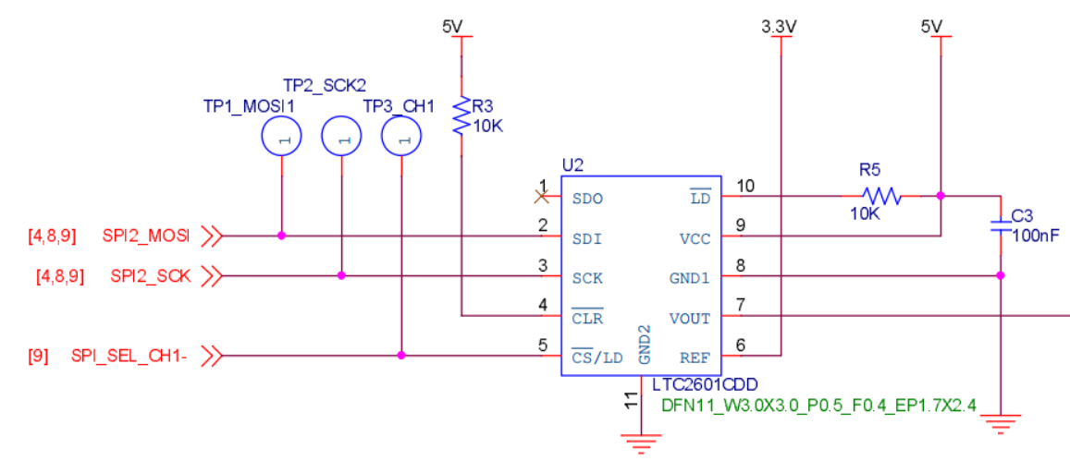 |  | SPI_SEC_CH1-가 현재 기준으로 DAC #4ch에 할당 됨 커넥터 핀맵 배열을 역순으로 수정 필요
2 |  | Main 회로도 DAC PART, V/I Convert 저항값 수정 | 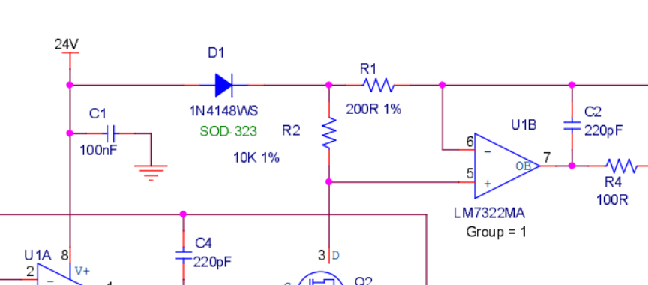 | O | LTC2601의 출력 범위 : 0~3.3V (Ref. voltage : 3.3V) 현재 V/I Convert 저항값 기준 출력 범위 : 0~16.5mA R1,R10,R19,R28 : 현재 200R에서 150R로 변경 필요 변경 V/I Convert 저항값 기준 출력 범위 : 0~22mA
3 |  | BLDC RPM(PH10), DIR(PH3) 포트 변경 |  | O | ST社 Chip bug로 EXTI 사용을 위해 포트 변경 기존 : RPM (PH10), DIR(PH3) 변경 : RPM (PH3), DIR(PH10) ※ R121, R122 Cross 해야함 ※ [07) BLDC] Sheet 참고
4 |  | BLDC PWM 출력 Pull-up 추가 | 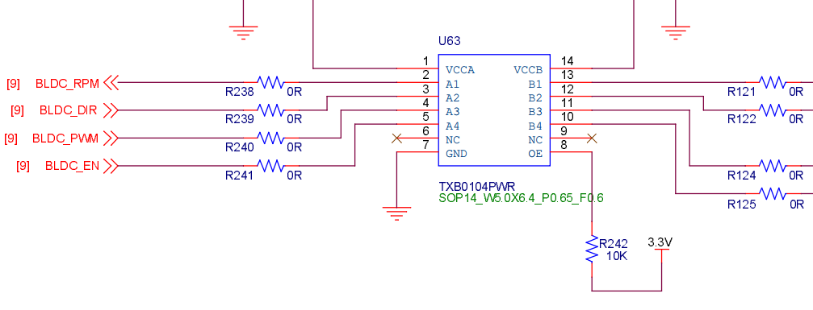 | O | Board reset 시 PWM 출력이 Low로 고정되면서, BLDC motor가 최대(무부하) 출력을 하게 됨. 이를 방지하기 위해 아래 내용 적용 1) PWM signal A, B Side Pull-up 저항 추가 2) OE - NRST 연결하여 Reset 시 IC Disable
5 |  | Reset 시 Level Shifter OE Pin - NRST 연결 |  | O

01) System block diagram
