전원체크
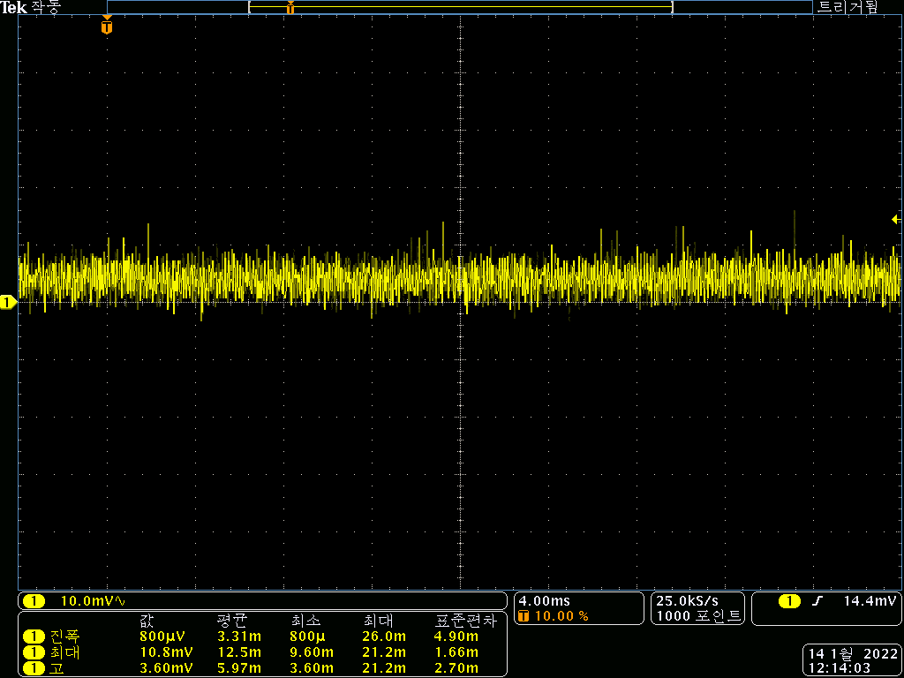
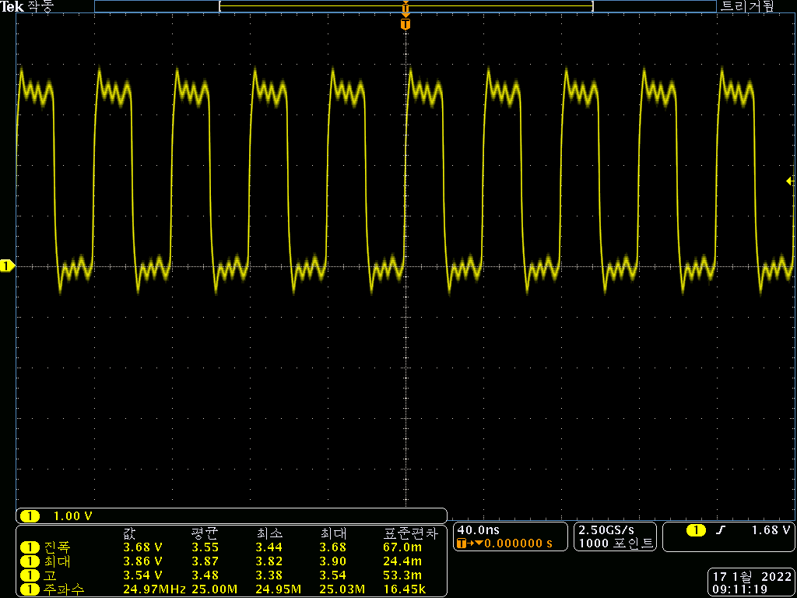
 | <Main Board>
항목 |  | 시료 #1 | 시료 #2 | 시료 #3 | 시료 #4 | 시료 #5 | 시료 #6 | Remark
Power | 12V output, RMS | 12.12 | 12.05 | 12.12 | 12.05 | 12.07 | 12.15
 | 12V ripple (mVpp) , max value | 아래참조 | 140 | 142 | 132 | 152 | 138
 | 7V output | 6.940 | 6.980 | 6.970 | 6.970 | 7.000 | 7.000
 | 7V ripple (mVpp) | 아래참조 | 138 | 144 | 136 | 142 | 146
 | 5V output(7V→5V) | 4.996 | 4.996 | 4.993 | 5.001 | 4.983 | 5.023
 | 5V ripple (mVpp) | 아래참조 | 19.2 | 15.6 | 26.8 | 19.2 | 58
 | A5V output(7V→A5V) | 4.993 | 4.972 | 4.973 | 5.017 | 5.001 | 4.977
 | A5V ripple (mVpp) | 아래참조 | 18 | 15.2 | 18.8 | 22 | 19.6
 | 3.3V output(7V→3.3V) | 3.309 | 3.294 | 3.311 | 3.311 | 3.321 | 3.297
 | 3.3V ripple (mVpp) | 아래참조 | 17.6 | 20.8 | 22.8 | 18.4 | 16

 | 시료 #1 각 전원별 ripple 측정 파형
 | 1. 12V |  |  | 2. 7V
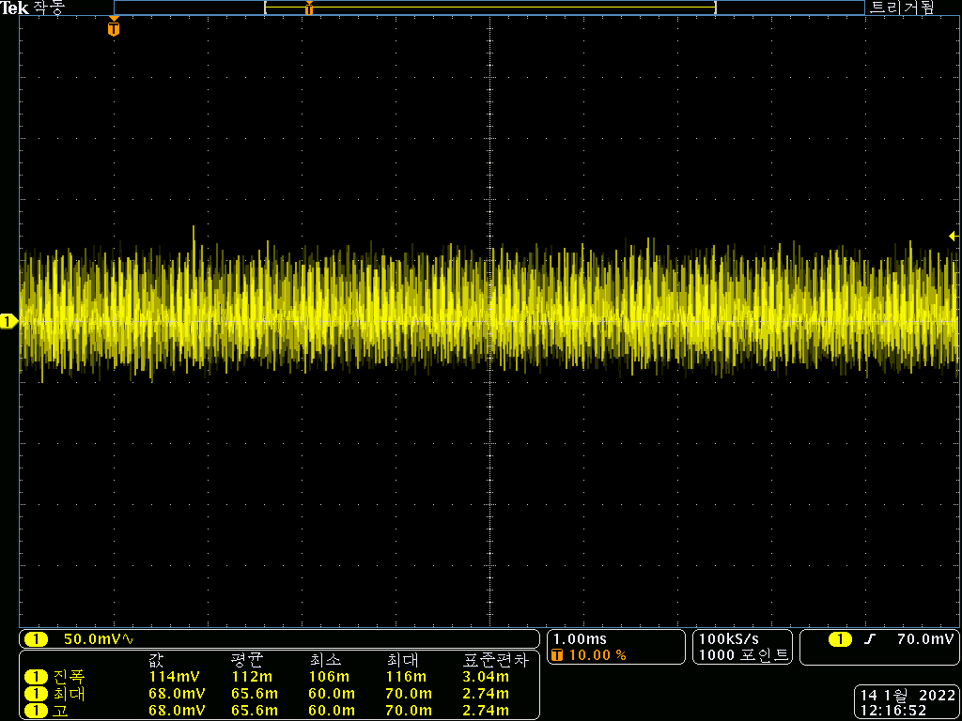
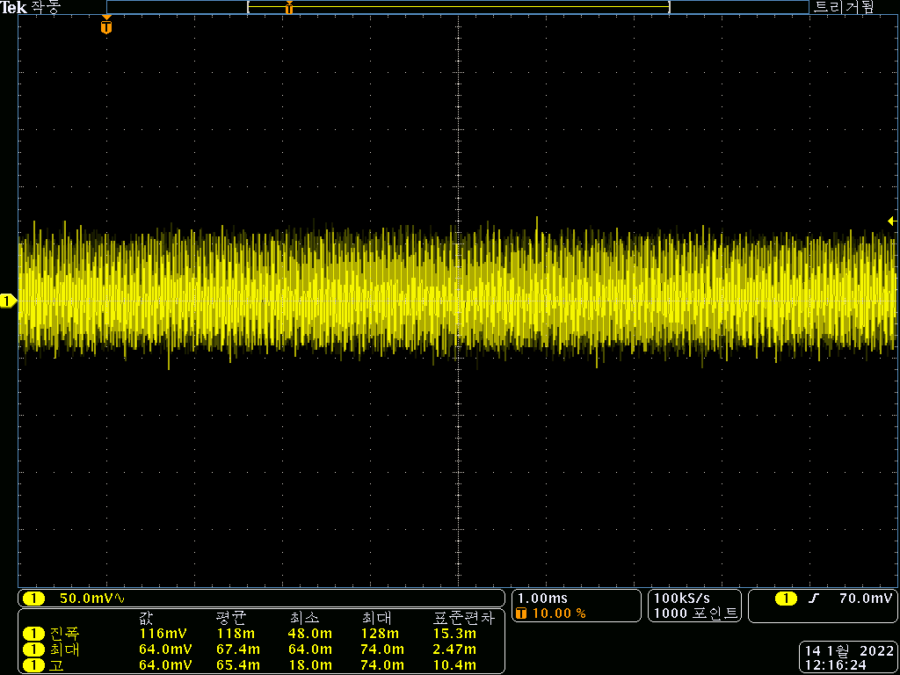

 | 3. 5V |  |  | 4. A5V
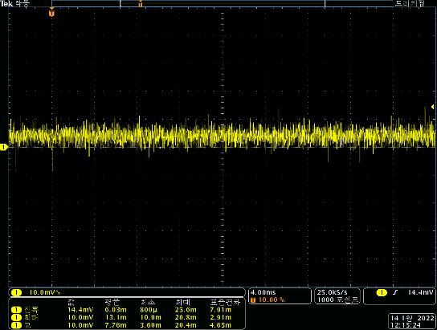
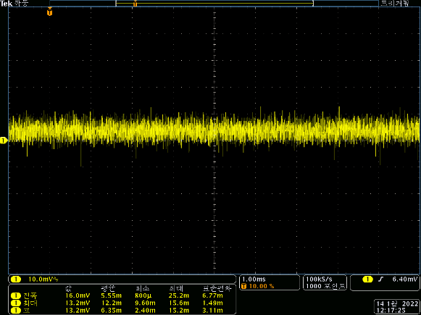

 | 5. 3.3V |  |  | 6. MCU 25MHz

