Time Series Analysis
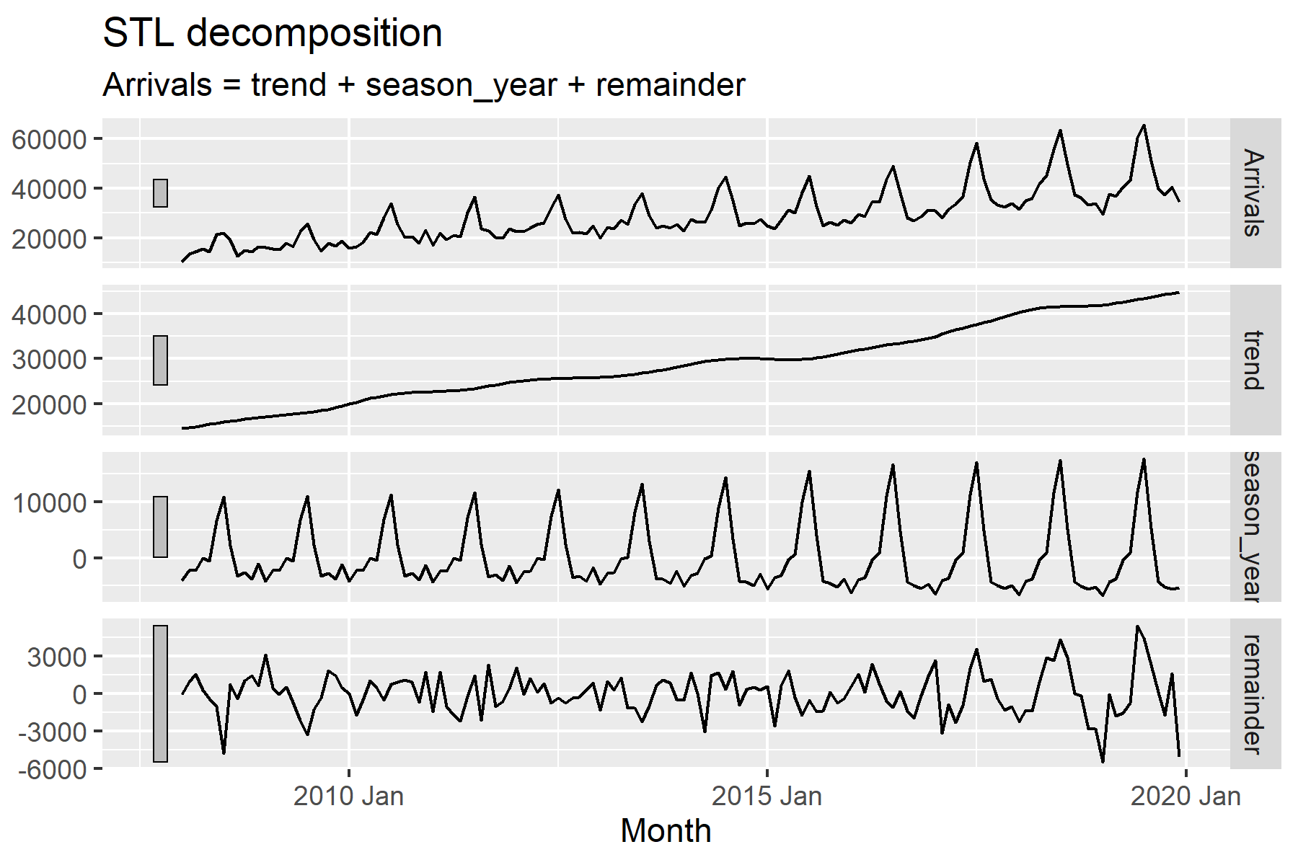
Month-Year | Month | Country | Arrivals
01/01/2008 | 2008 Jan | Vietnam | 10315
02/01/2008 | 2008 Feb | Vietnam | 13415
03/01/2008 | 2008 Mar | Vietnam | 14320
04/01/2008 | 2008 Apr | Vietnam | 15413
05/01/2008 | 2008 May | Vietnam | 14424
06/01/2008 | 2008 Jun | Vietnam | 21368
07/01/2008 | 2008 Jul | Vietnam | 21994
08/01/2008 | 2008 Aug | Vietnam | 19052
09/01/2008 | 2008 Sep | Vietnam | 12680
10/01/2008 | 2008 Oct | Vietnam | 14893
11/01/2008 | 2008 Nov | Vietnam | 14379
12/01/2008 | 2008 Dec | Vietnam | 16375
01/01/2009 | 2009 Jan | Vietnam | 16022
02/01/2009 | 2009 Feb | Vietnam | 15433
03/01/2009 | 2009 Mar | Vietnam | 15136
04/01/2009 | 2009 Apr | Vietnam | 18013
05/01/2009 | 2009 May | Vietnam | 16461
06/01/2009 | 2009 Jun | Vietnam | 22540
07/01/2009 | 2009 Jul | Vietnam | 25817
08/01/2009 | 2009 Aug | Vietnam | 19212
09/01/2009 | 2009 Sep | Vietnam | 14828
10/01/2009 | 2009 Oct | Vietnam | 17813
11/01/2009 | 2009 Nov | Vietnam | 16747
12/01/2009 | 2009 Dec | Vietnam | 18783
01/01/2010 | 2010 Jan | Vietnam | 15781
02/01/2010 | 2010 Feb | Vietnam | 16335
03/01/2010 | 2010 Mar | Vietnam | 18061
04/01/2010 | 2010 Apr | Vietnam | 22154
05/01/2010 | 2010 May | Vietnam | 21461
06/01/2010 | 2010 Jun | Vietnam | 28146
07/01/2010 | 2010 Jul | Vietnam | 34020
08/01/2010 | 2010 Aug | Vietnam | 25351
09/01/2010 | 2010 Sep | Vietnam | 20105
10/01/2010 | 2010 Oct | Vietnam | 20591
11/01/2010 | 2010 Nov | Vietnam | 17991
12/01/2010 | 2010 Dec | Vietnam | 23002
01/01/2011 | 2011 Jan | Vietnam | 16891
02/01/2011 | 2011 Feb | Vietnam | 22046
03/01/2011 | 2011 Mar | Vietnam | 19430
04/01/2011 | 2011 Apr | Vietnam | 21050
05/01/2011 | 2011 May | Vietnam | 20422
06/01/2011 | 2011 Jun | Vietnam | 30167
07/01/2011 | 2011 Jul | Vietnam | 36526
08/01/2011 | 2011 Aug | Vietnam | 23844
09/01/2011 | 2011 Sep | Vietnam | 22842
10/01/2011 | 2011 Oct | Vietnam | 20140
11/01/2011 | 2011 Nov | Vietnam | 19790
12/01/2011 | 2011 Dec | Vietnam | 23650
01/01/2012 | 2012 Jan | Vietnam | 22637
02/01/2012 | 2012 Feb | Vietnam | 22627
03/01/2012 | 2012 Mar | Vietnam | 24102
04/01/2012 | 2012 Apr | Vietnam | 25429
05/01/2012 | 2012 May | Vietnam | 26039
06/01/2012 | 2012 Jun | Vietnam | 32281
07/01/2012 | 2012 Jul | Vietnam | 37527
08/01/2012 | 2012 Aug | Vietnam | 27372
09/01/2012 | 2012 Sep | Vietnam | 21864
10/01/2012 | 2012 Oct | Vietnam | 22202
11/01/2012 | 2012 Nov | Vietnam | 21804
12/01/2012 | 2012 Dec | Vietnam | 24950
01/01/2013 | 2013 Jan | Vietnam | 19793
02/01/2013 | 2013 Feb | Vietnam | 24155
03/01/2013 | 2013 Mar | Vietnam | 23807
04/01/2013 | 2013 Apr | Vietnam | 27309
05/01/2013 | 2013 May | Vietnam | 25326
06/01/2013 | 2013 Jun | Vietnam | 33707
07/01/2013 | 2013 Jul | Vietnam | 37861
08/01/2013 | 2013 Aug | Vietnam | 28930
09/01/2013 | 2013 Sep | Vietnam | 24113
10/01/2013 | 2013 Oct | Vietnam | 24833
11/01/2013 | 2013 Nov | Vietnam | 24109
12/01/2013 | 2013 Dec | Vietnam | 25421
01/01/2014 | 2014 Jan | Vietnam | 22967
02/01/2014 | 2014 Feb | Vietnam | 27391
03/01/2014 | 2014 Mar | Vietnam | 26405
04/01/2014 | 2014 Apr | Vietnam | 26244
05/01/2014 | 2014 May | Vietnam | 31407
06/01/2014 | 2014 Jun | Vietnam | 40436
07/01/2014 | 2014 Jul | Vietnam | 44613
08/01/2014 | 2014 Aug | Vietnam | 35029
09/01/2014 | 2014 Sep | Vietnam | 24965
10/01/2014 | 2014 Oct | Vietnam | 26165
11/01/2014 | 2014 Nov | Vietnam | 25635
12/01/2014 | 2014 Dec | Vietnam | 27369
01/01/2015 | 2015 Jan | Vietnam | 24906
02/01/2015 | 2015 Feb | Vietnam | 23760
03/01/2015 | 2015 Mar | Vietnam | 27347
04/01/2015 | 2015 Apr | Vietnam | 31299
05/01/2015 | 2015 May | Vietnam | 30131
06/01/2015 | 2015 Jun | Vietnam | 38188
07/01/2015 | 2015 Jul | Vietnam | 45043
08/01/2015 | 2015 Aug | Vietnam | 32747
09/01/2015 | 2015 Sep | Vietnam | 24834
10/01/2015 | 2015 Oct | Vietnam | 26213
11/01/2015 | 2015 Nov | Vietnam | 25102
12/01/2015 | 2015 Dec | Vietnam | 27128
01/01/2016 | 2016 Jan | Vietnam | 25981
02/01/2016 | 2016 Feb | Vietnam | 29498
03/01/2016 | 2016 Mar | Vietnam | 28805
04/01/2016 | 2016 Apr | Vietnam | 34449
05/01/2016 | 2016 May | Vietnam | 34454
06/01/2016 | 2016 Jun | Vietnam | 43488
07/01/2016 | 2016 Jul | Vietnam | 48958
08/01/2016 | 2016 Aug | Vietnam | 38351
09/01/2016 | 2016 Sep | Vietnam | 28041
10/01/2016 | 2016 Oct | Vietnam | 27035
11/01/2016 | 2016 Nov | Vietnam | 28643
12/01/2016 | 2016 Dec | Vietnam | 31285
01/01/2017 | 2017 Jan | Vietnam | 31125
02/01/2017 | 2017 Feb | Vietnam | 28207
03/01/2017 | 2017 Mar | Vietnam | 31443
04/01/2017 | 2017 Apr | Vietnam | 33682
05/01/2017 | 2017 May | Vietnam | 36844
06/01/2017 | 2017 Jun | Vietnam | 50591
07/01/2017 | 2017 Jul | Vietnam | 58349
08/01/2017 | 2017 Aug | Vietnam | 43919
09/01/2017 | 2017 Sep | Vietnam | 35317
10/01/2017 | 2017 Oct | Vietnam | 33438
11/01/2017 | 2017 Nov | Vietnam | 32527
12/01/2017 | 2017 Dec | Vietnam | 33860
01/01/2018 | 2018 Jan | Vietnam | 31432
02/01/2018 | 2018 Feb | Vietnam | 35137
03/01/2018 | 2018 Mar | Vietnam | 35832
04/01/2018 | 2018 Apr | Vietnam | 41723
05/01/2018 | 2018 May | Vietnam | 45269
06/01/2018 | 2018 Jun | Vietnam | 55824
07/01/2018 | 2018 Jul | Vietnam | 63476
08/01/2018 | 2018 Aug | Vietnam | 49645
09/01/2018 | 2018 Sep | Vietnam | 37341
10/01/2018 | 2018 Oct | Vietnam | 36355
11/01/2018 | 2018 Nov | Vietnam | 33356
12/01/2018 | 2018 Dec | Vietnam | 33778
01/01/2019 | 2019 Jan | Vietnam | 29621
02/01/2019 | 2019 Feb | Vietnam | 37778
03/01/2019 | 2019 Mar | Vietnam | 36769
04/01/2019 | 2019 Apr | Vietnam | 40572
05/01/2019 | 2019 May | Vietnam | 43177
06/01/2019 | 2019 Jun | Vietnam | 60427
07/01/2019 | 2019 Jul | Vietnam | 65556
08/01/2019 | 2019 Aug | Vietnam | 51216
09/01/2019 | 2019 Sep | Vietnam | 39768
10/01/2019 | 2019 Oct | Vietnam | 37369
11/01/2019 | 2019 Nov | Vietnam | 40549
12/01/2019 | 2019 Dec | Vietnam | 34381

