Sheet1
1 | Install Power BI Desktop and share the final screenshot of the report view page which appears when power desktop starts.

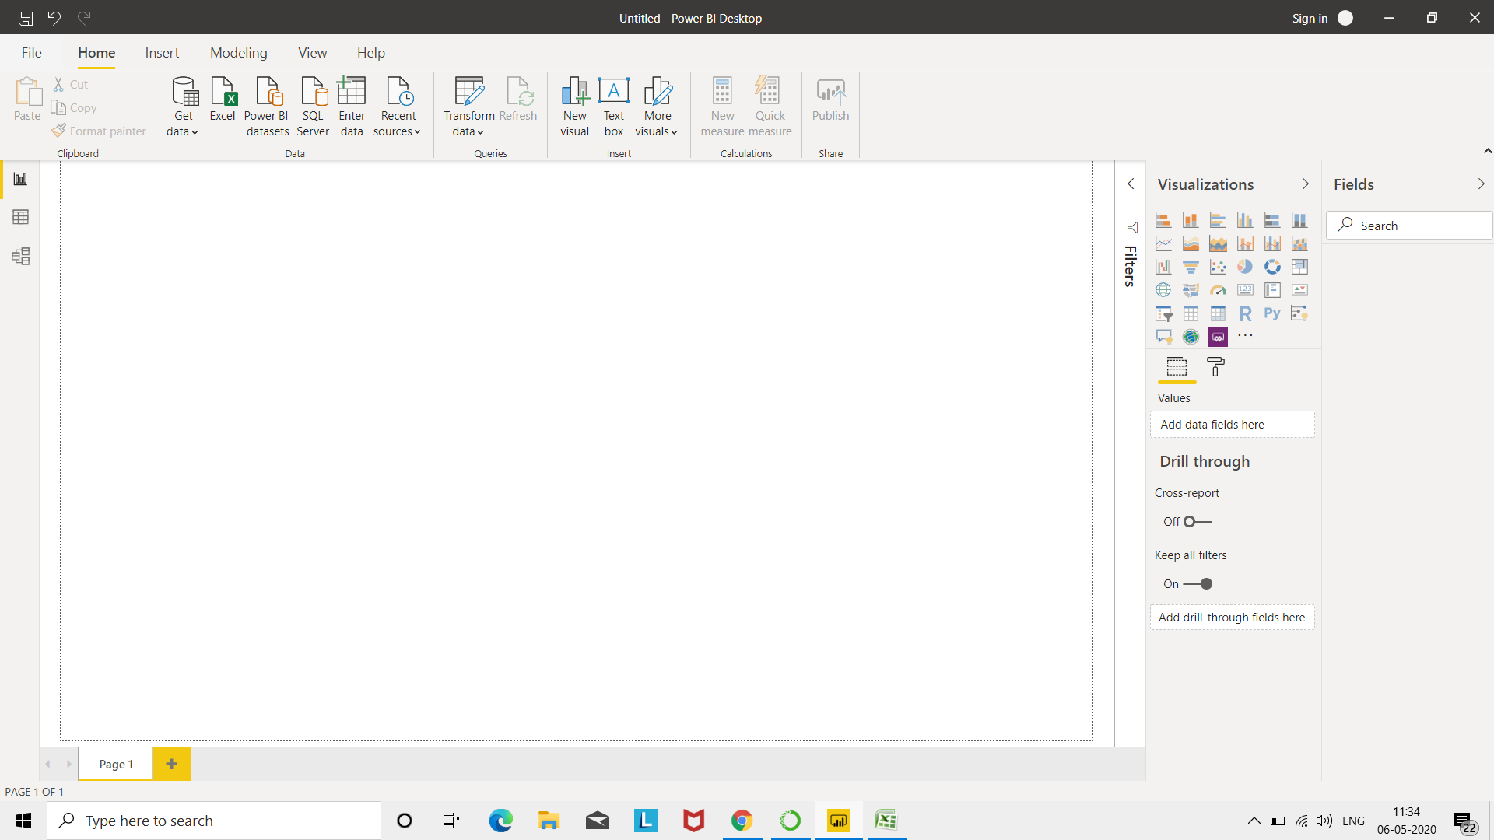
Ans.

2 | Prepare a document and with the following screenshot
 | Report View-
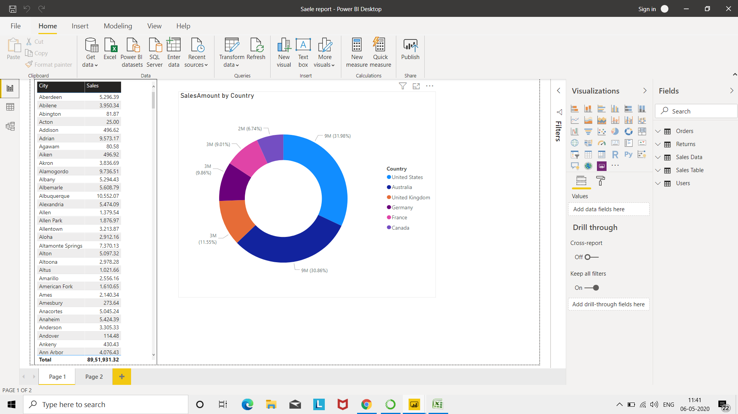

 | Data View-
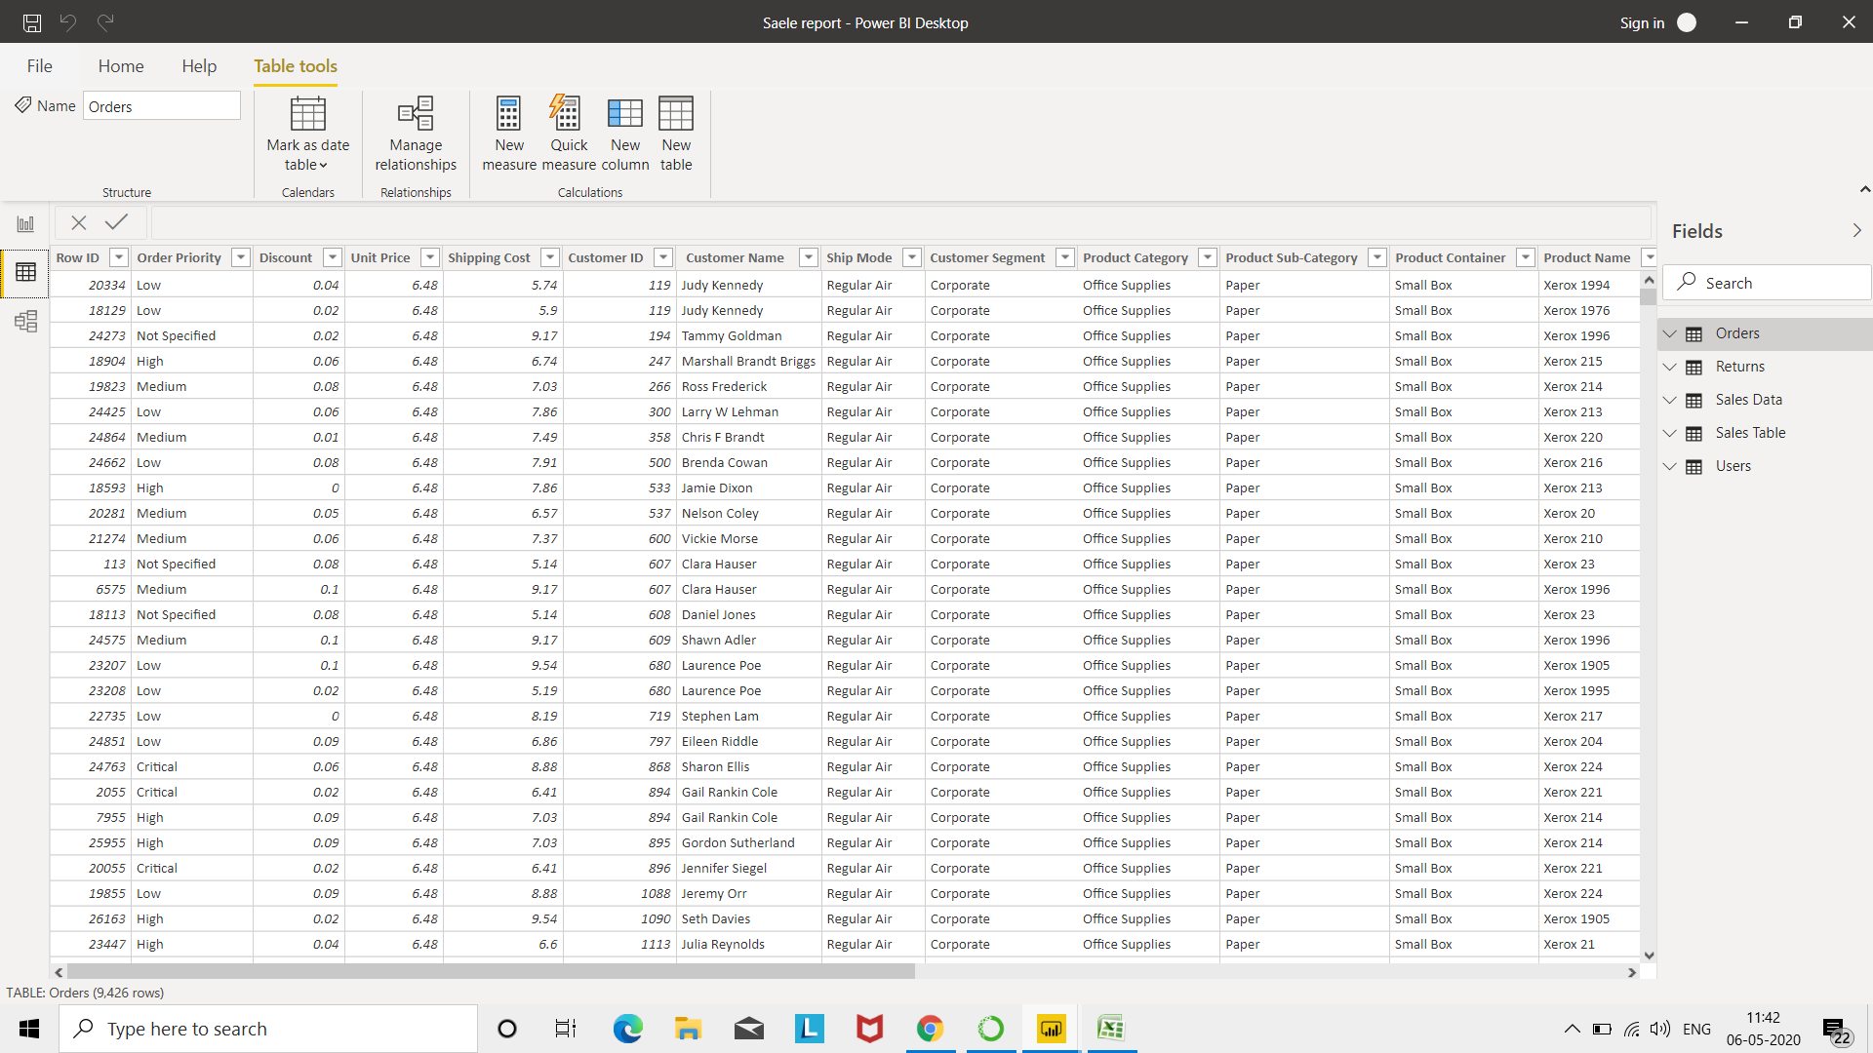

 | Model View-

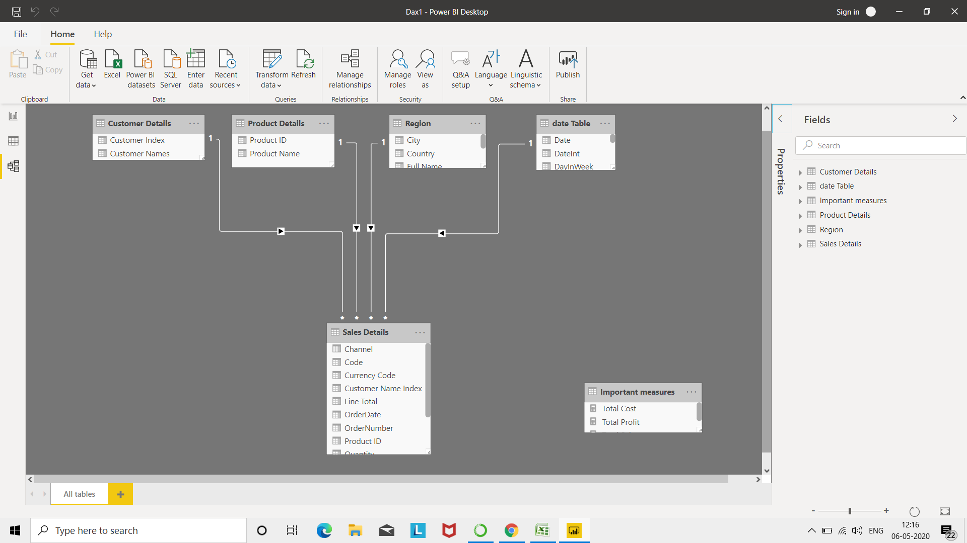

 | Power Query Editor -
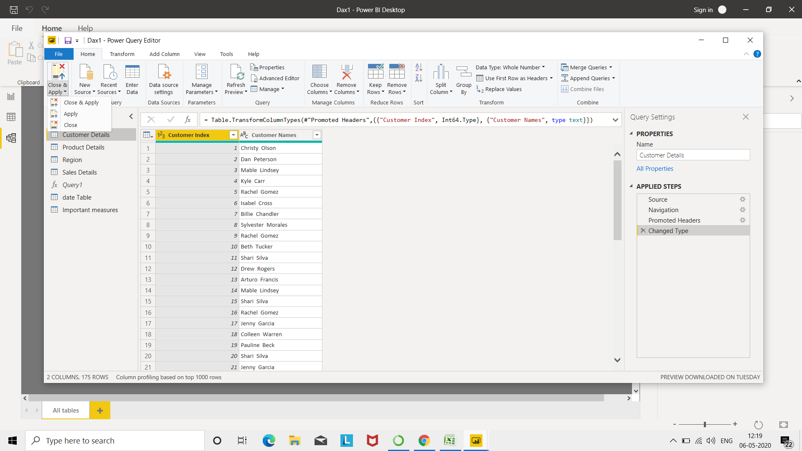

 | Advance Editor -

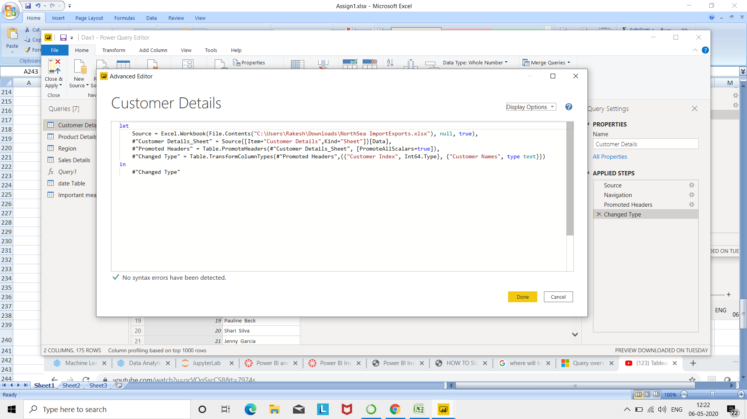

 | Prepare a document with details of the following along with their price--Power BI Desktop − Power BI Pro − Power BI Premium

Ans. | Power BI comes in three levels – Desktop, Pro, and Premium. The Desktop level is free for individual users, while the Pro plan costs $9.99 per user per month. The Premium plan starts at $4,995 a month per dedicated cloud compute and storage

