Sheet1
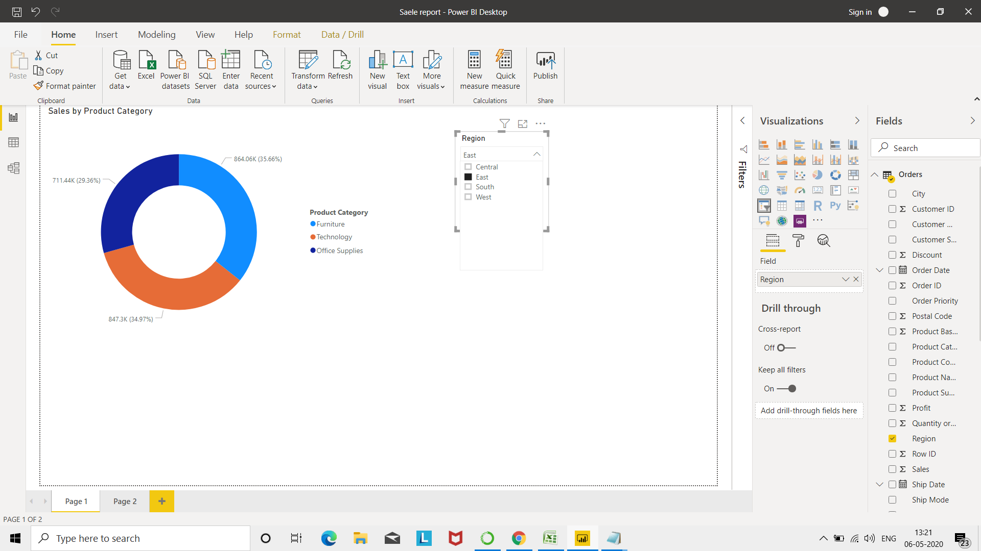
1 | Connect to the Store Sales Data and do the following: -
 | − Remove all the blank rows.
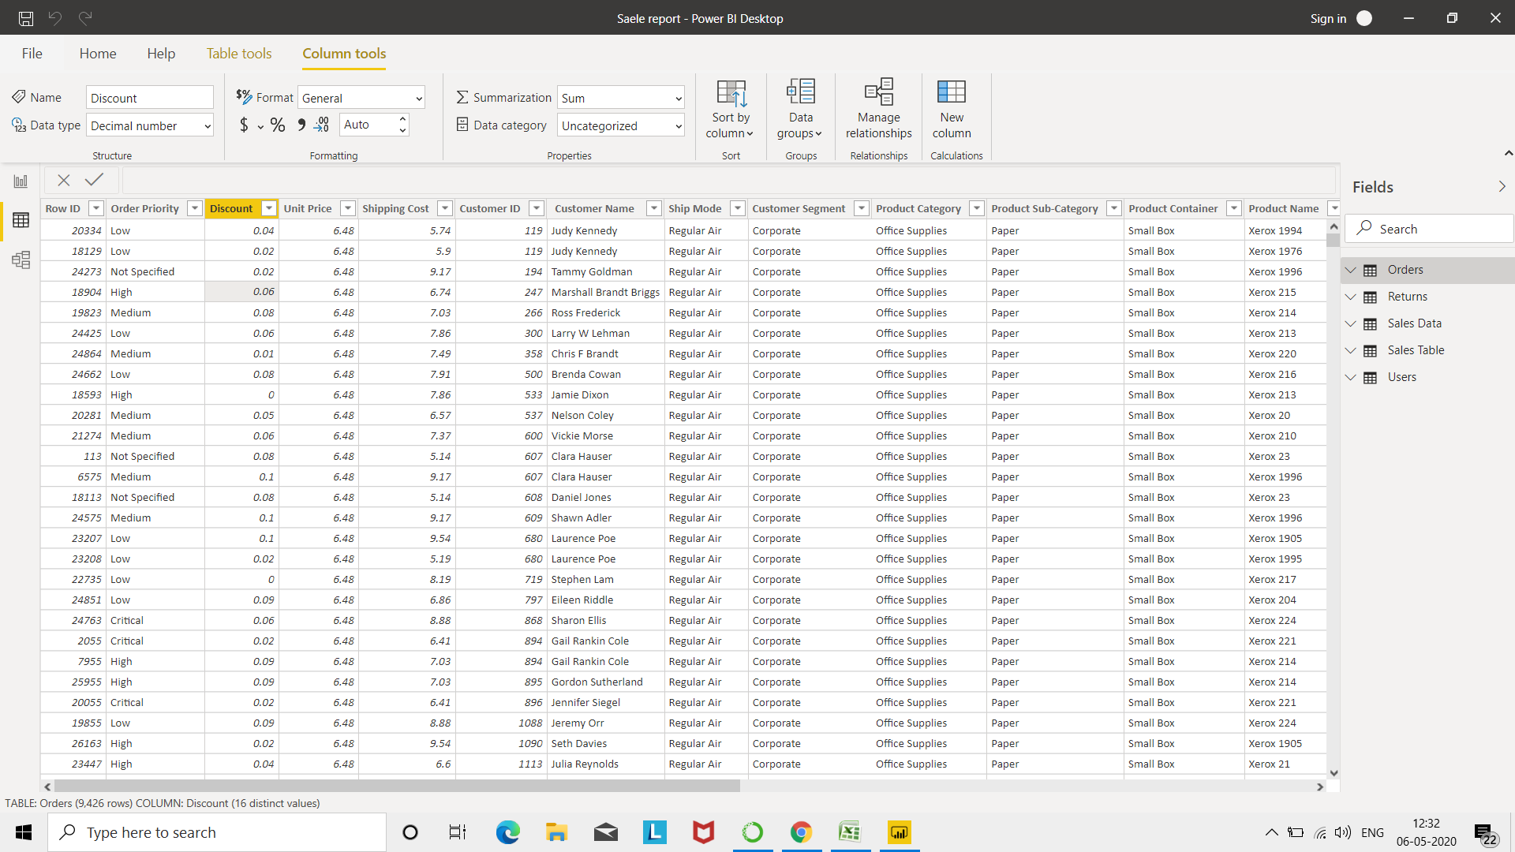

 | Update coloumn header -



 | Create a text table and show the sales in terms of of Customers o Product Category o Regions

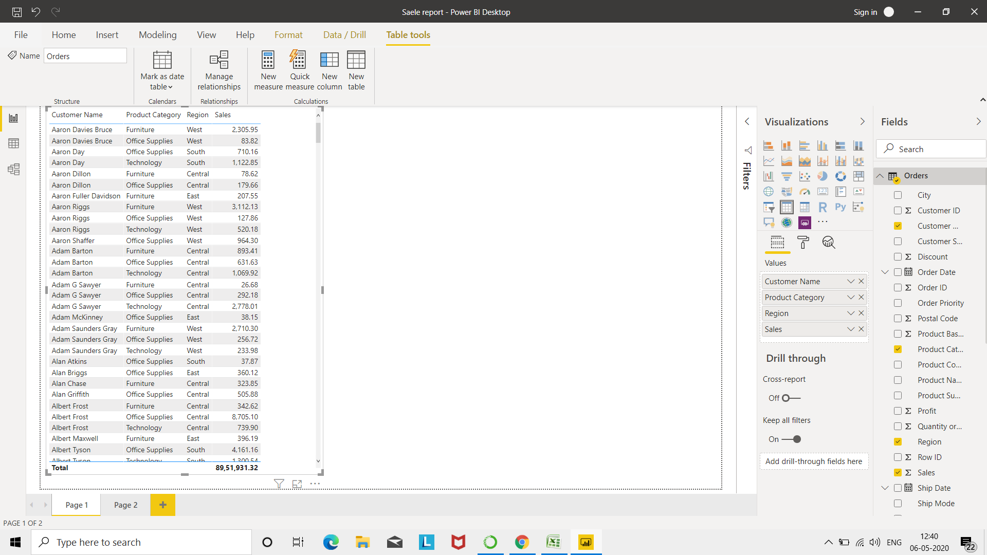

 | Create a line and Clustered Column Chart showing the Sales and Discount as per the State or Province

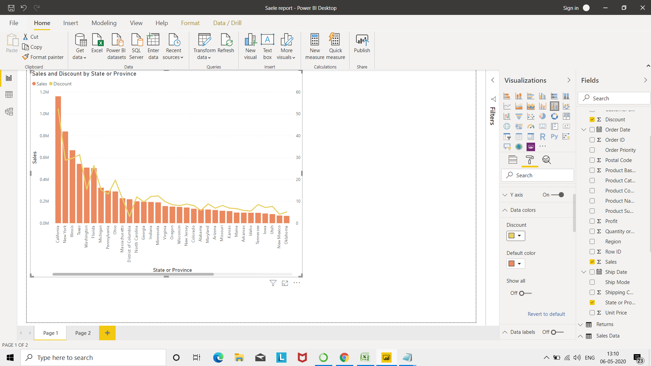

 | Technology has highest sales

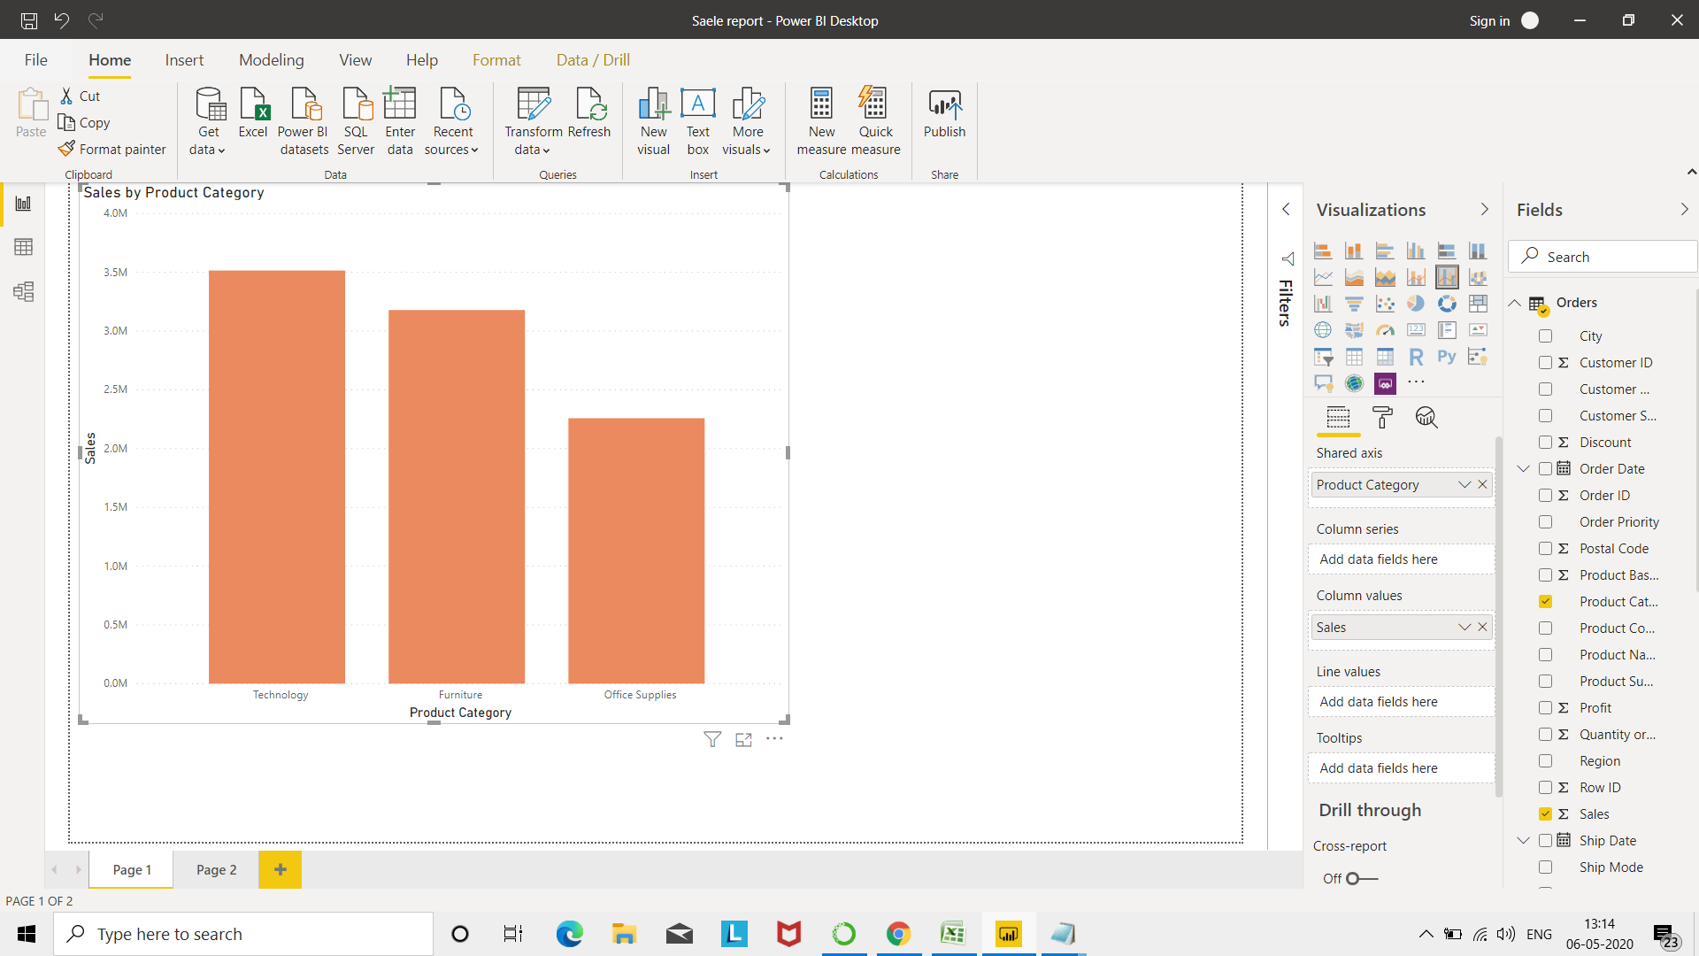

 | Create a Donut Chart showing sales in terms of Product category

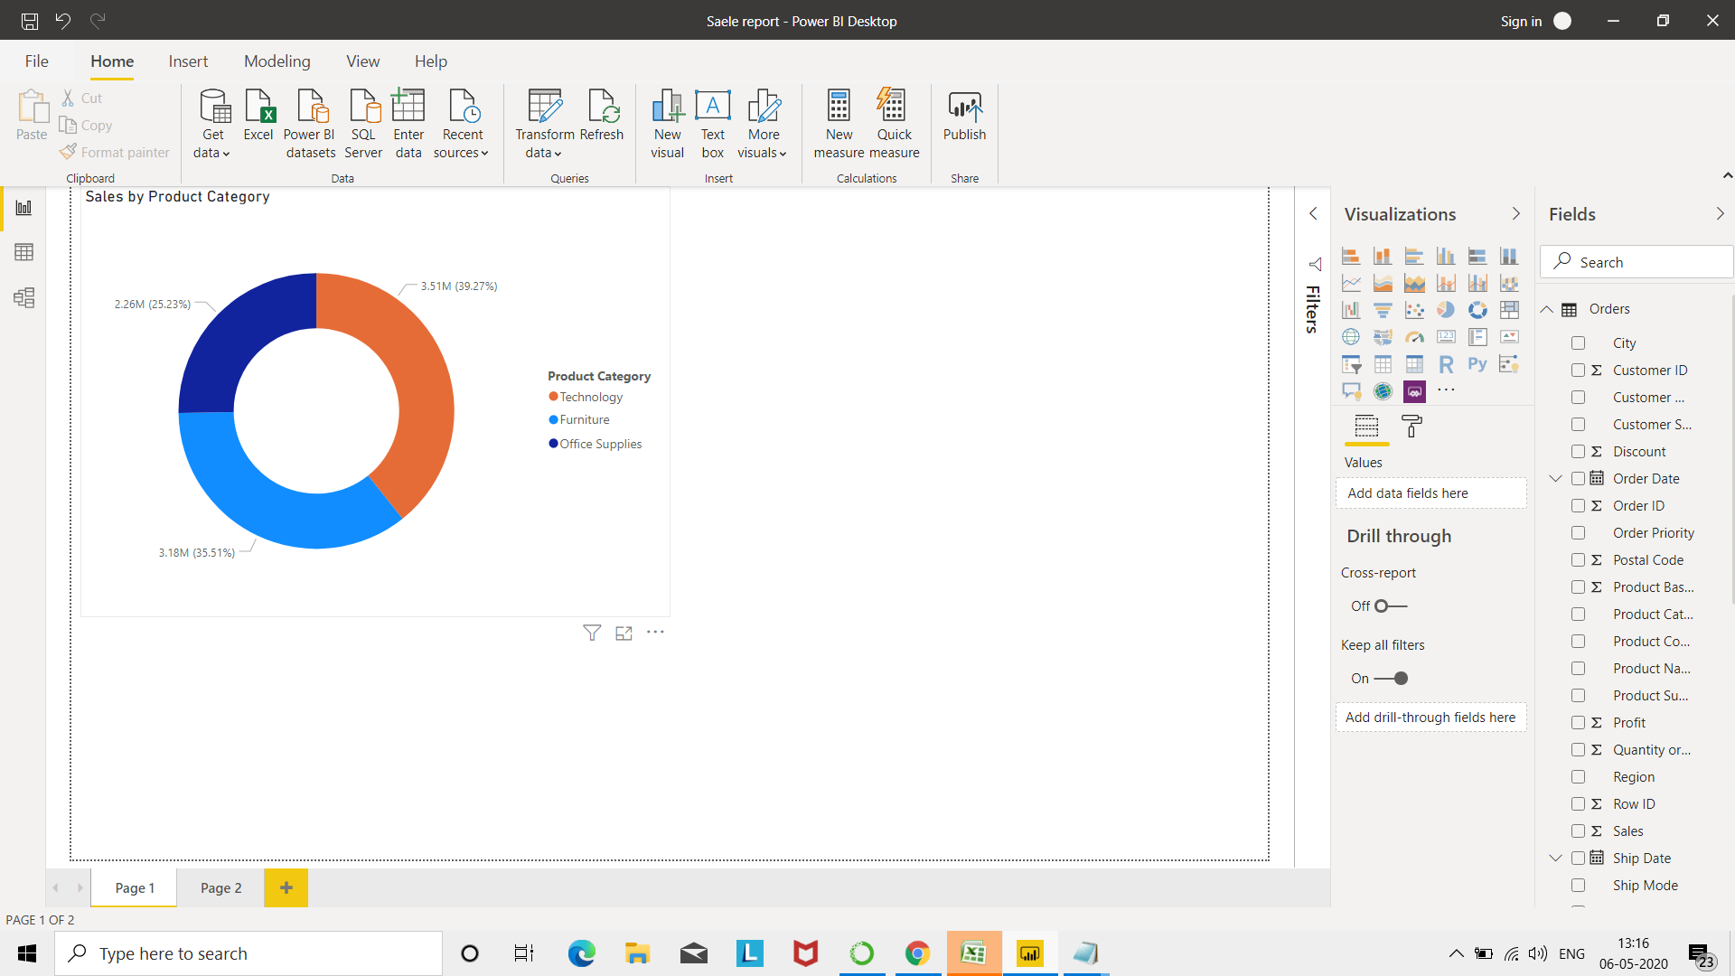

 | Create a Slicer and show the regions in dropdown. See how all the visuals mentioned above behaving when a particular region is selected.

