Sheet1
1 | Use the Employee Details dataset and perform the following activities: -

 | Split the column CITY and separate the code associate with each city like - Allahabad[AL2] should be only Allahabad and [A2] will be separate.

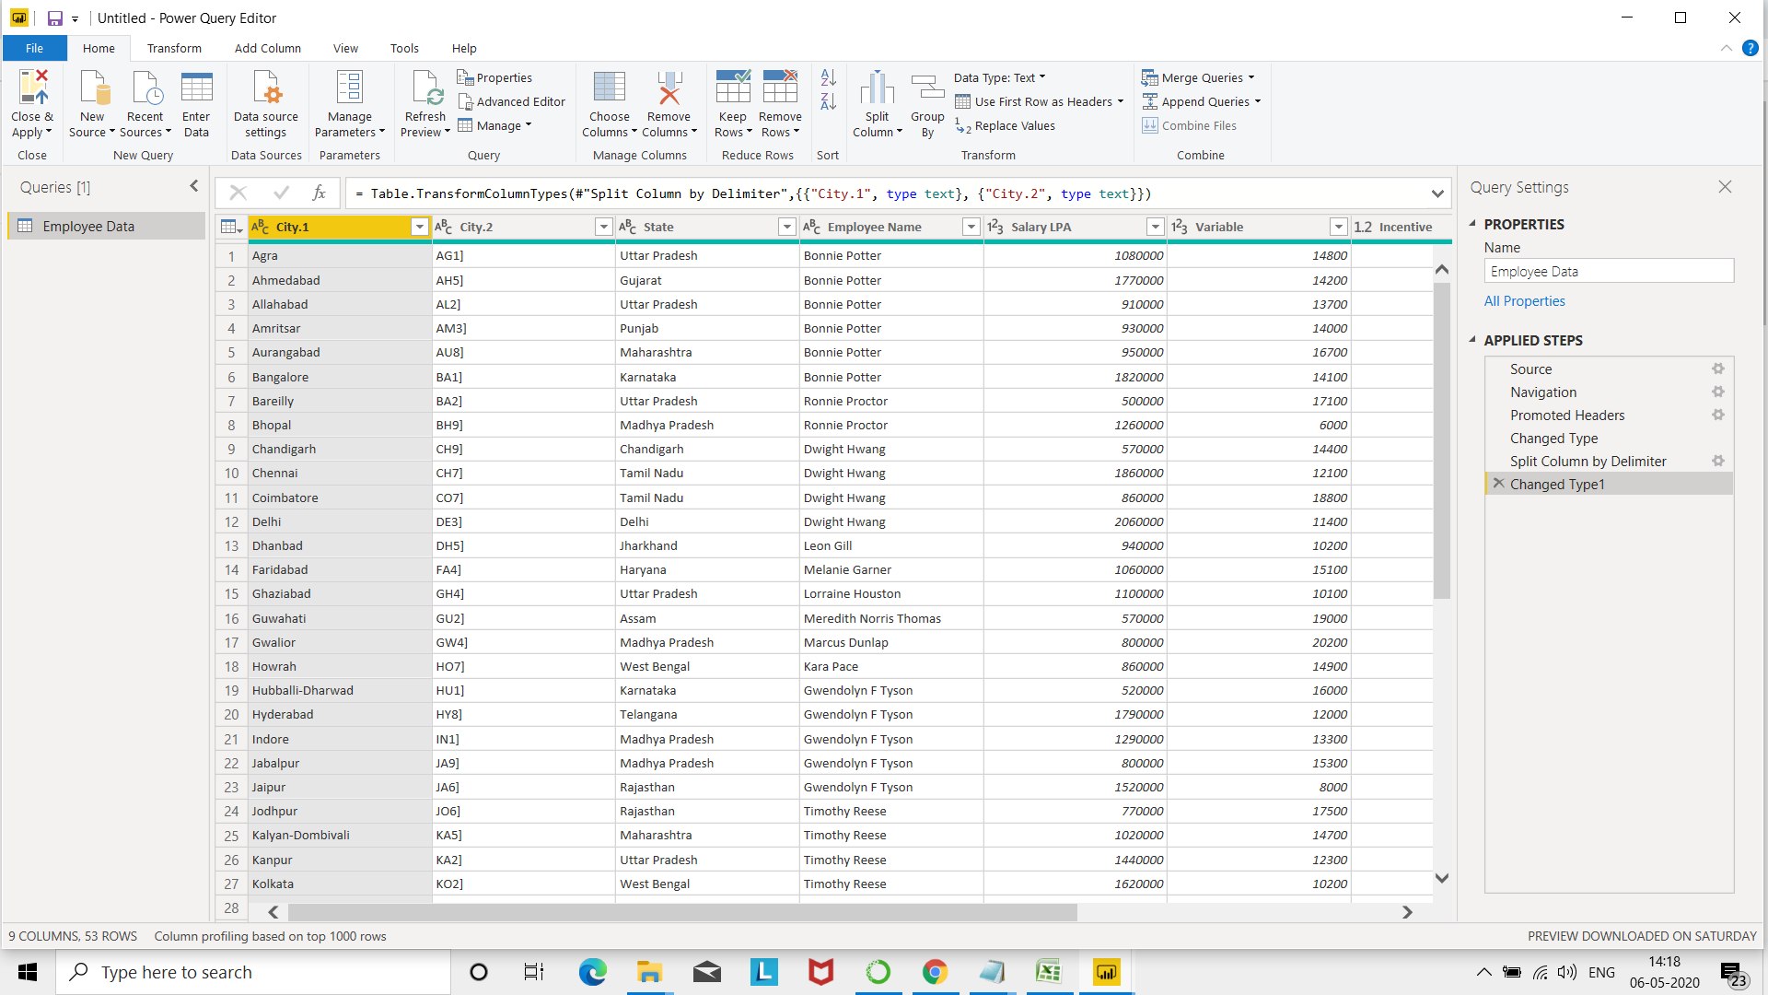
Ans

 | Extract the first name from EMPLOYEE NAME column and transform the column.
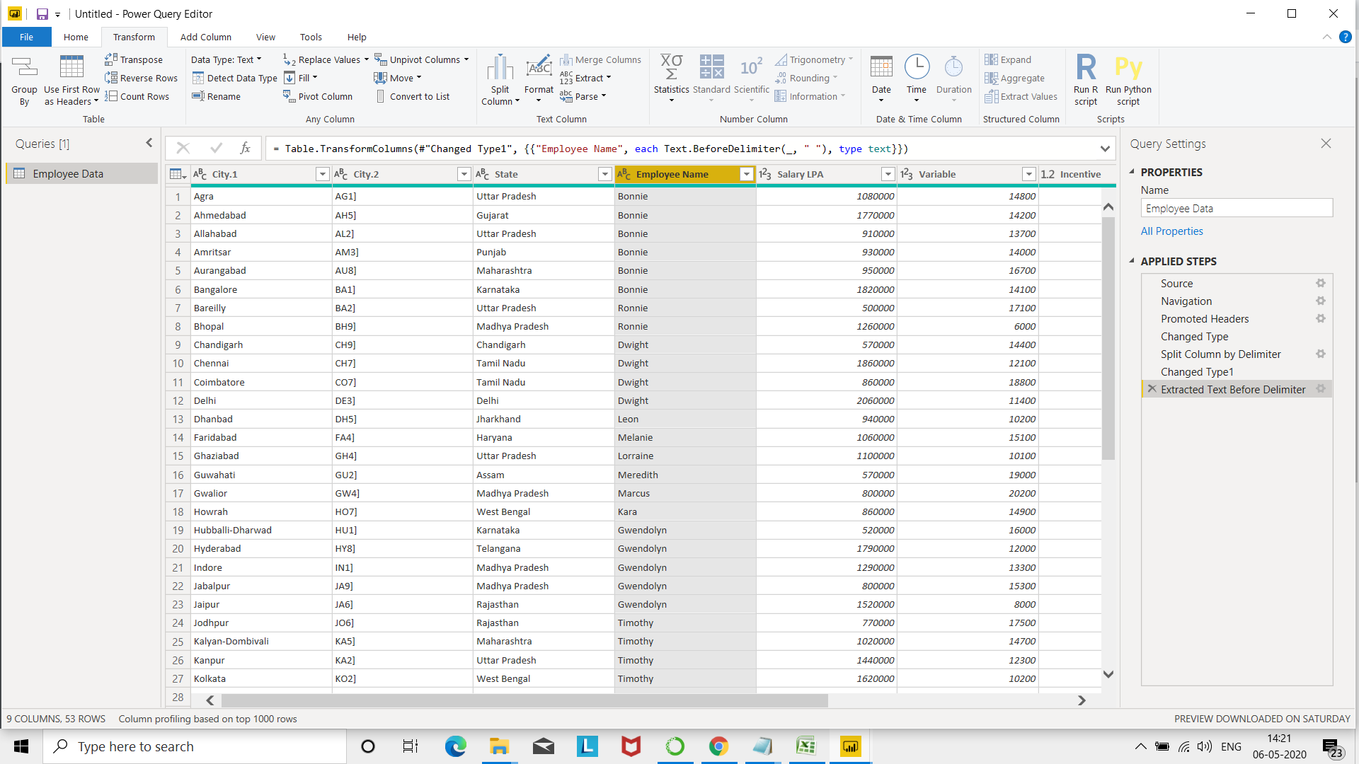
Ans

 | Using the JOINING DATE column extract the Year and no. of days for that month .

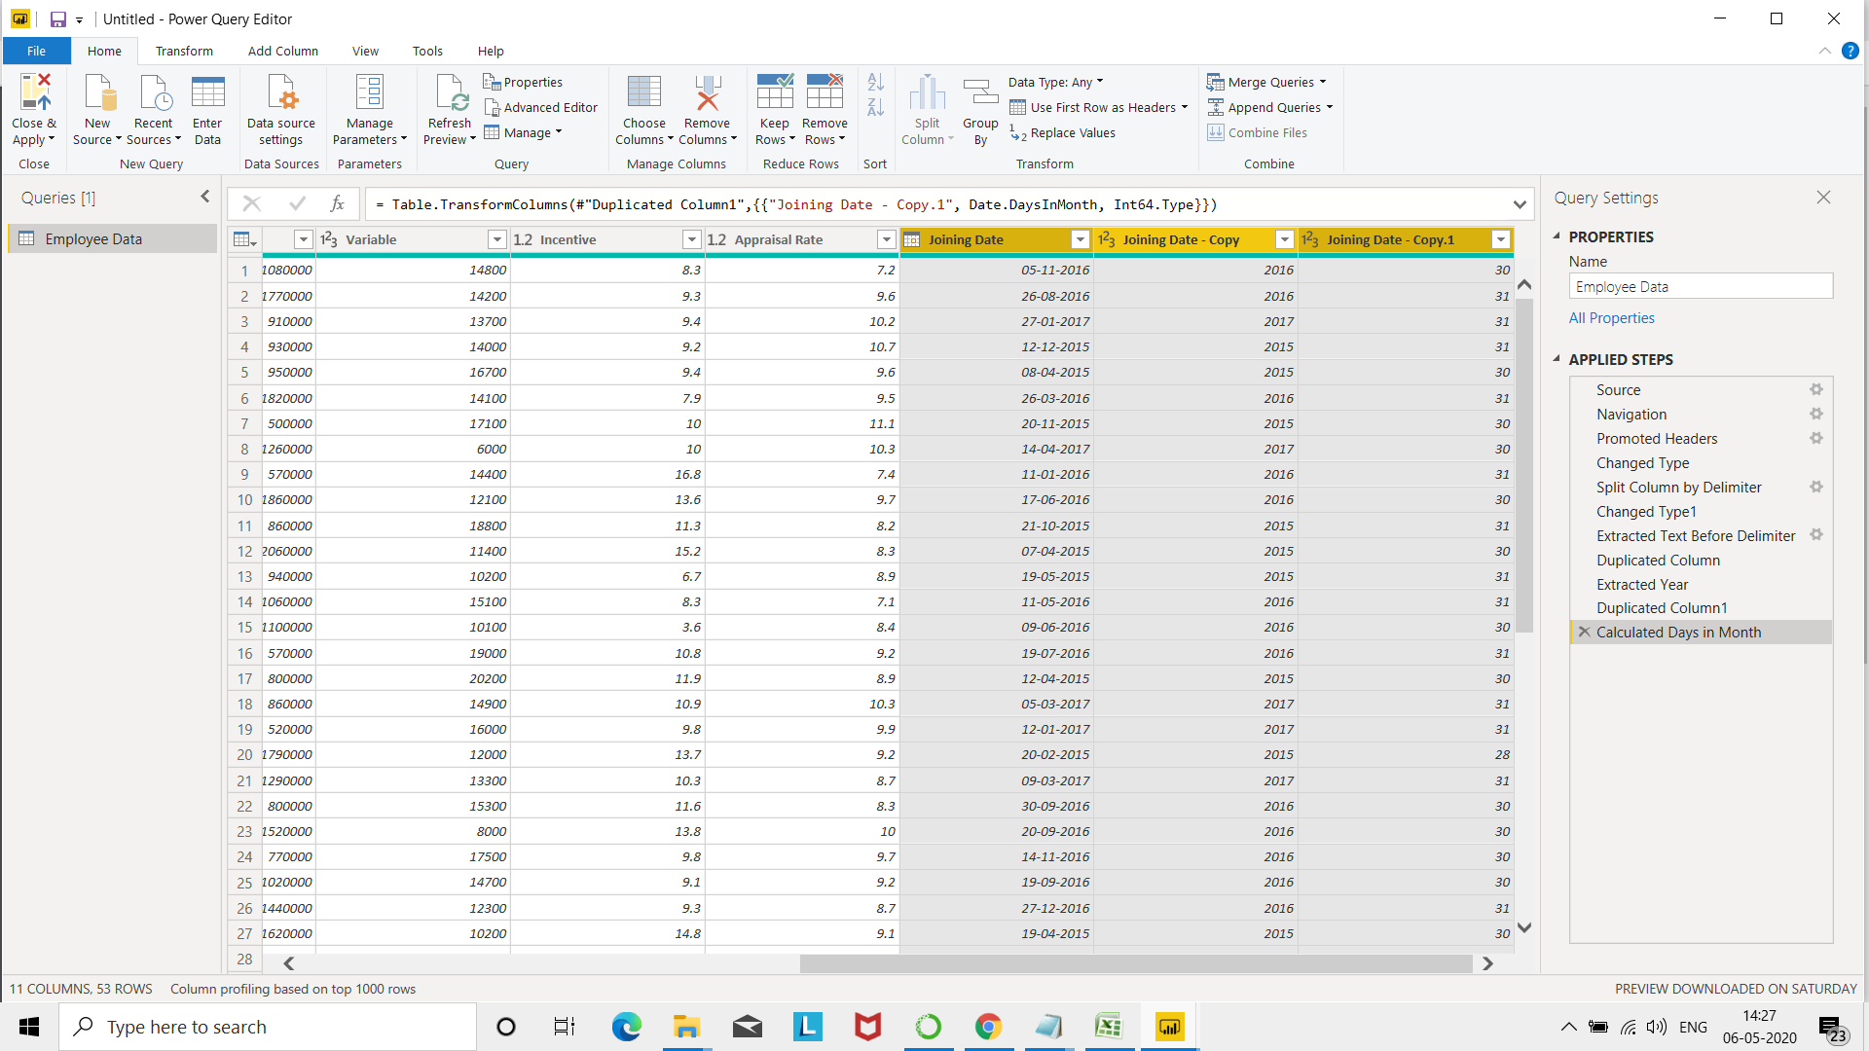
Ans

 | Create a visual of your choice and show the how much salary has been paid to each state and which state has lowest payout.

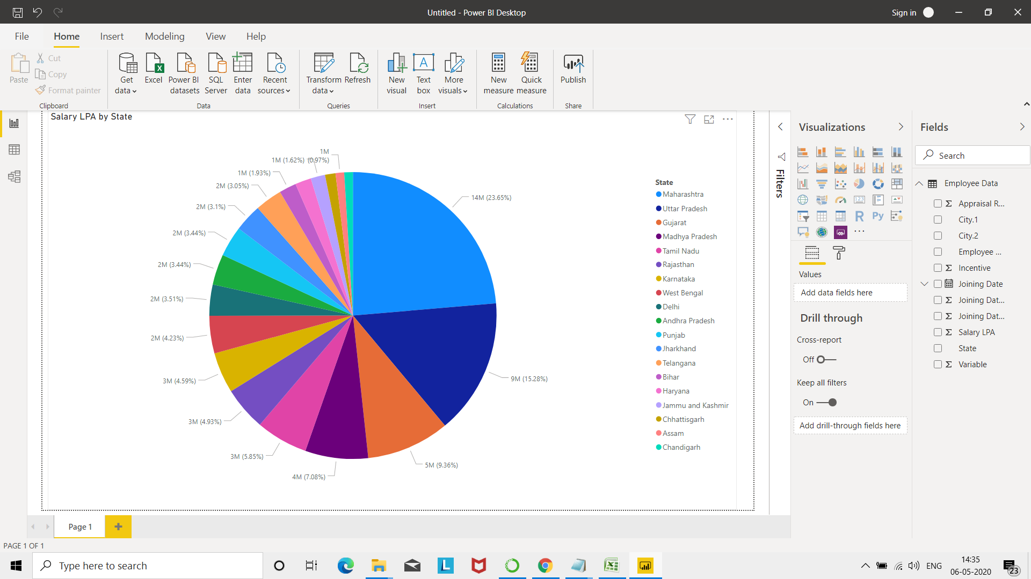
Ans

 | As per above graph , Maharastra has been given highest salary.

