Bug Reports Sheet
Project Name | SauceDemo
Module Name | Bug Reports
Created By | Rakesh
Creation Date | DD-MM-YYYY
Reviewed By | Self Review
Reviewed Date | DD-MM-YYYY

Bug ID | Related Test Case ID | Module Name | Bug Summary | Preconditions | Steps to Reproduce | Screenshots | Expected Result | Actual Result | Severity | Priority | Status | Environment | Reported By | Comments
BUG_001 | LOGIN_TC_008 | Login | Error message alignment is broken on invalid login | User should be on login page | 1. Open SauceDemo application 2. Enter invalid username and password 3. Click Login button | 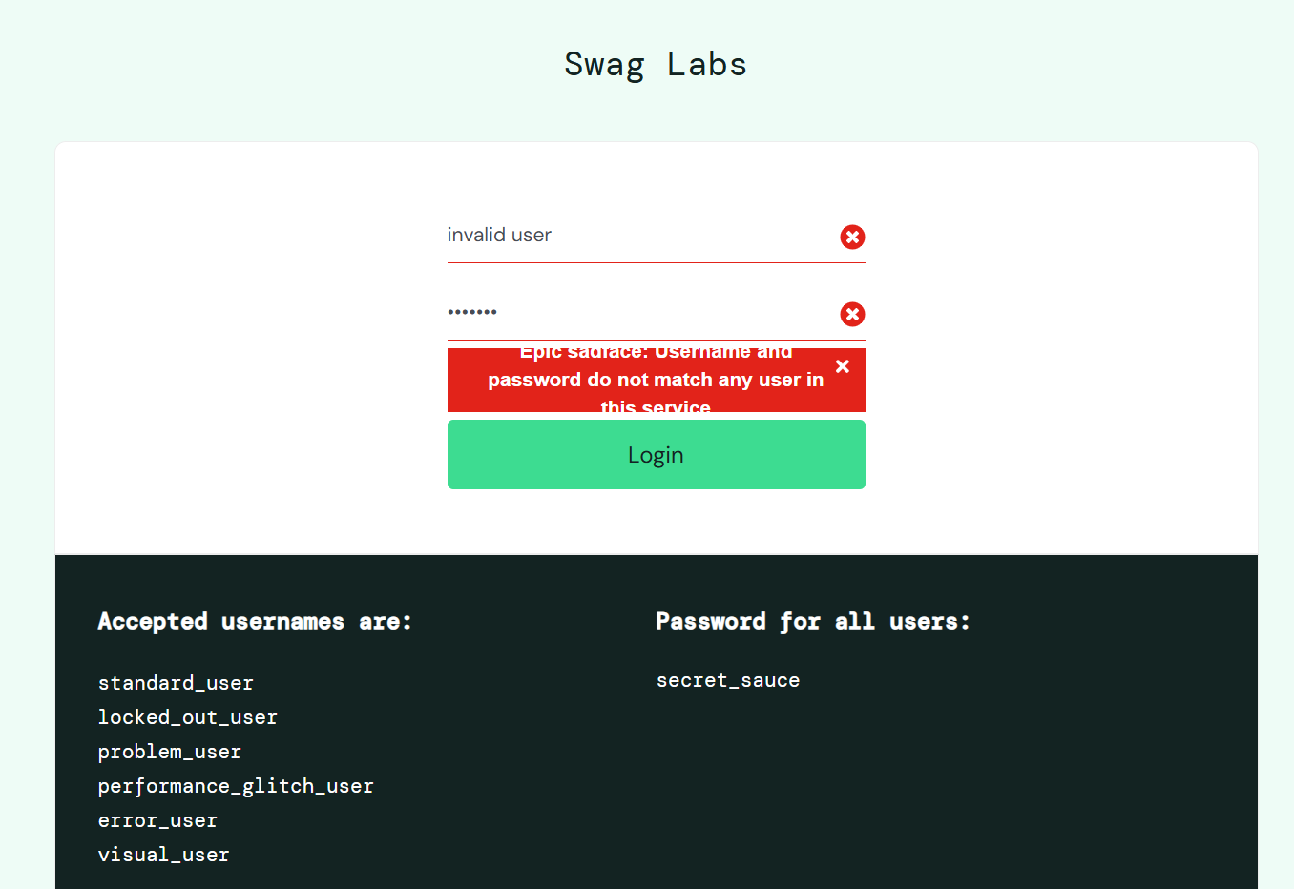 | Error message should display properly aligned below login form | Error message overlaps with login form elements | Minor | Medium | Open | Chrome Browser / Windows 11 | Rakesh
BUG_002 | NEG_TC_006 | Checkout | User is able to access checkout process without adding products to cart | User should be logged into application | 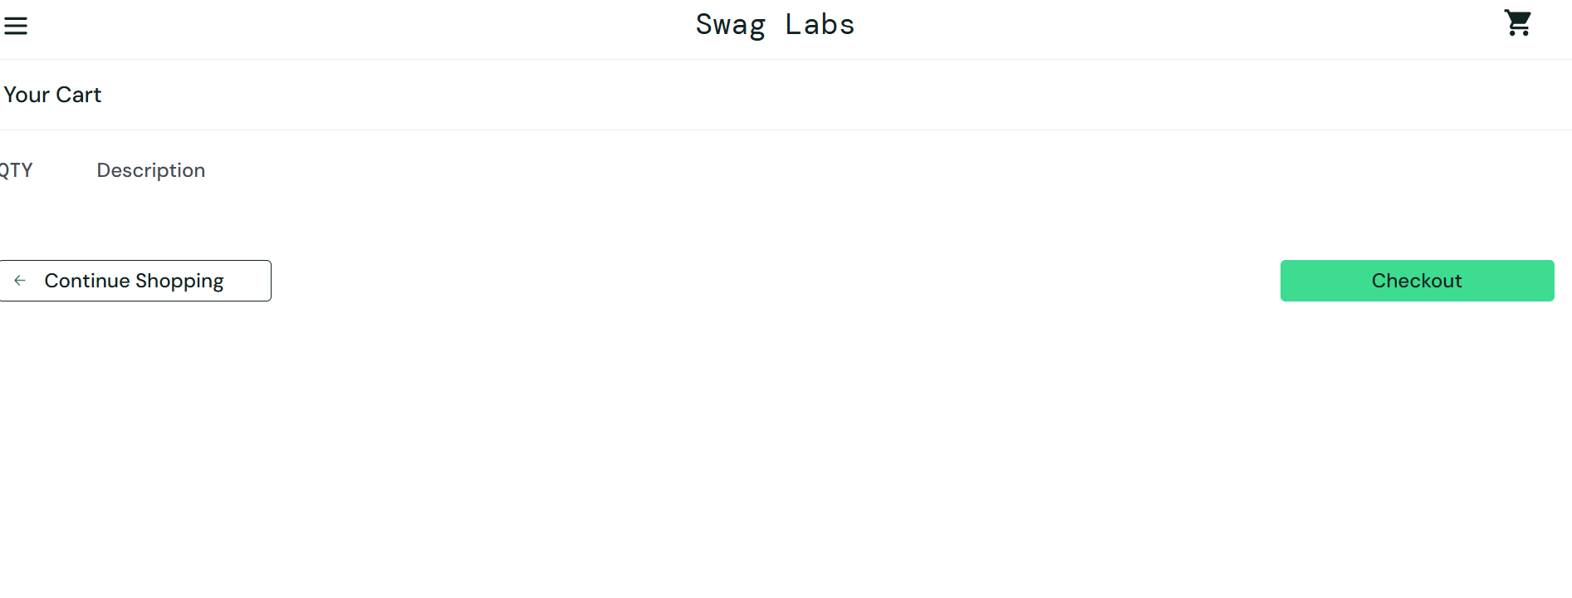 1. Login to SauceDemo application 2. Do not add any product to cart 3. Directly navigate to cart page 4. Click Checkout button 5. Enter checkout information and continue |  | Application should restrict checkout process when cart is empty | User is able to continue checkout process without products | Major | High | Open | Chrome Browser / Windows 11 | Rakesh

