Sheet7
ID | NAME | FATHER NAME | AGE | GENDER | PHONE | PHOTO
20011 | DEEPIKA PADUKONE | prakash padukone | 37 | female | 5647389210 |  | 20015
2012 | PRIYANKA CHOPRA | ASHOK CHORA | 41 | female | 5647389211 | 
20013 | SHRADDHA KAPOOR | shakti kapoor | 36 | female | 5647389212 | 
20014 | KRITI SANON | RAHUL SANON | 27 | female | 5647389213 | 
20015 | ANUSHKA SHARMA | AJAY KUMAR SHARMA | 35 | female | 5647389214 | 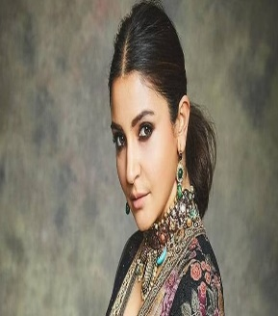
20016 | SARA ALI KHAN | SAIF ALI KHAN | 28 | female | 5647389215 | 
20017 | DISHA PATANI | JAGDISH SINGH PATANI | 31 | female | 5647389216 | 

Sheet11
year | sales | Forecast(sales) | Lower Confidence Bound(sales) | Upper Confidence Bound(sales)
2011 | 5845
2012 | 5698
2013 | 4581
2014 | 5246
2015 | 6584 | 6584 | 6584.00 | 6584.00
 | sales | Forecast(sales) | Lower Confidence Bound(sales) | Upper Confidence Bound(sales)
 | 5845
 | 5698
 | 4581
 | 5246
 | 6584 | 6584 | 6584 | 6584
 |  | 6228.2811806 | 4636.9798666 | 7819.5824947
 |  | 6393.310888 | 4752.6483645 | 8033.9734116
2016 |  | 6228.2811806 | 4636.98 | 7819.58
2017 |  | 6393.310888 | 4752.65 | 8033.97

