Sheet1
文章链接 | 贴图 | 日期
http://ent.ifeng.com/tv/news/zongyi/detail_2014_02/04/33545298_0.shtml | 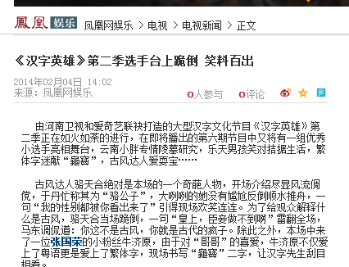 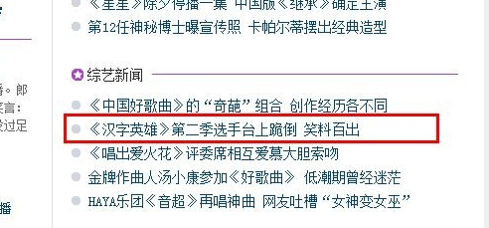 | 2014-02-06
http://ent.sina.com.cn/v/m/2014-02-06/07484092232.shtml?qq-pf-to=pcqq.discussion | 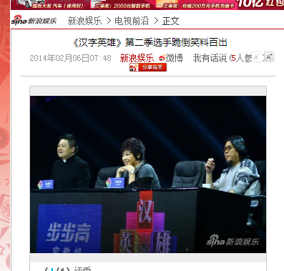 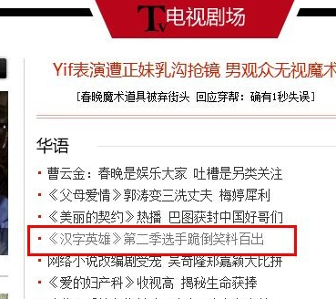 | 2014-02-06
http://ent.sina.com.cn/v/m/2014-02-06/07484092232.shtml?qq-pf-to=pcqq.discussion | 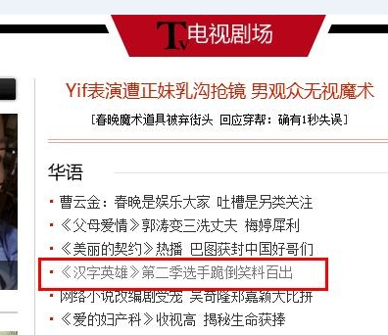 | 2014-02-07
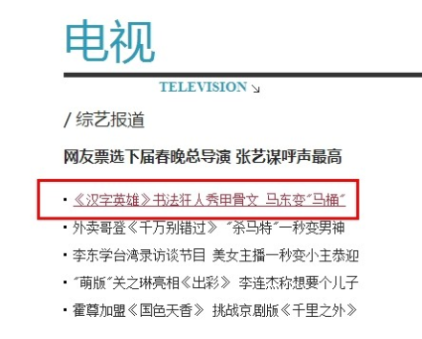 http://ent.163.com/14/0207/11/9KFP29PF00031GVS.html | 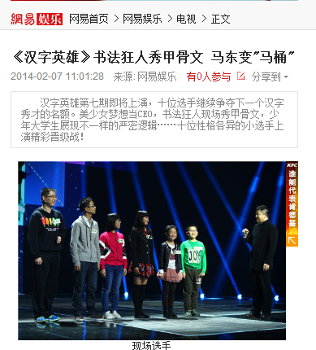 | 2014-02-07
http://ent.ifeng.com/tv/news/toutiao/detail_2014_02/07/33581817_0.shtml | 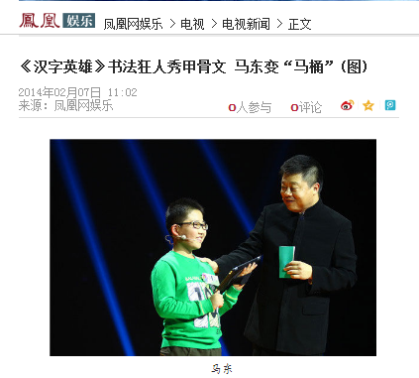 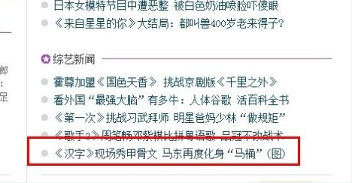 | 2014-02-07
http://ent.ifeng.com/tv/news/toutiao/detail_2014_02/07/33581817_0.shtml | 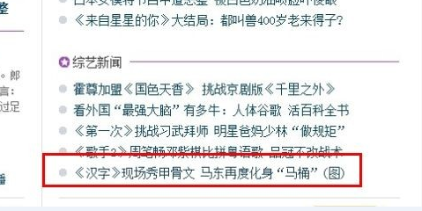 | 2014-02-08
http://ent.sina.com.cn/v/m/2014-02-07/16424092790.shtml?qq-pf-to=pcqq.discussion | 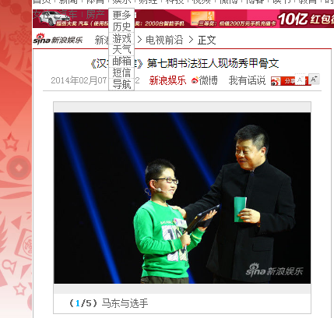 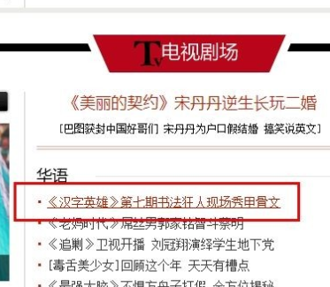 | 2014-02-07
http://ent.sina.com.cn/v/m/2014-02-07/16424092790.shtml?qq-pf-to=pcqq.discussion | 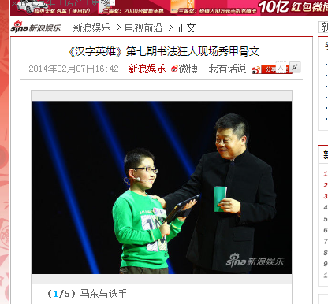 | 2014-02-08
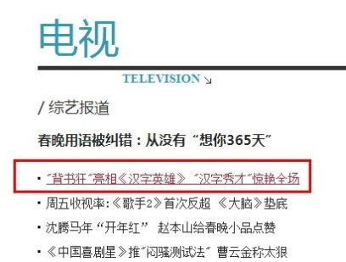 http://ent.163.com/14/0210/15/9KNUIOUC00031GVS.html | 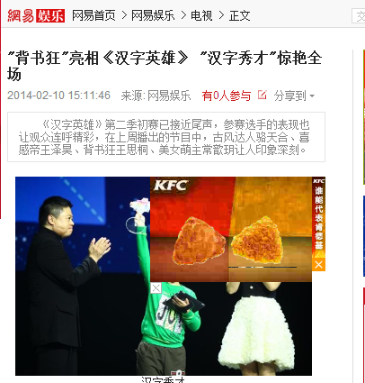 | 2014-02-10
http://ent.ifeng.com/tv/news/zongyi/detail_2014_02/10/33667683_0.shtml | 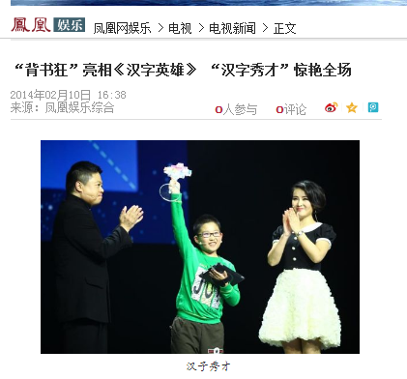 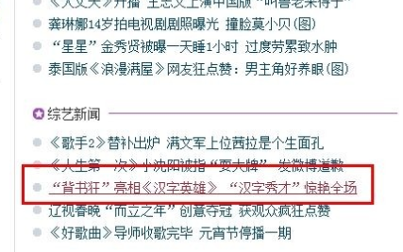 | 2014-02-10
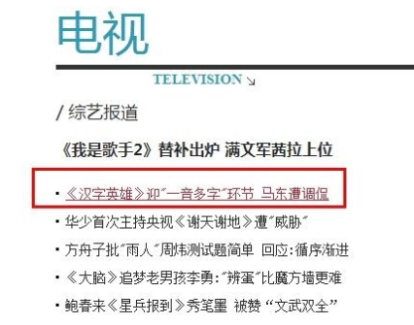 http://ent.163.com/14/0211/14/9KQFN6H300031GVS.html | 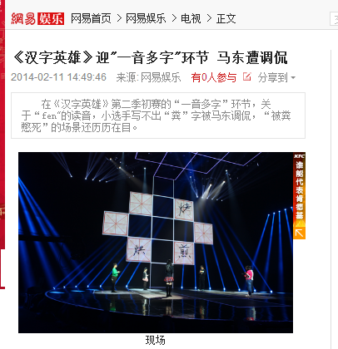 | 2014-02-11
http://ent.ifeng.com/tv/news/toutiao/detail_2014_02/11/33701263_0.shtml | 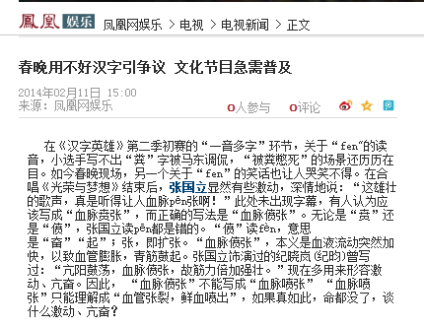 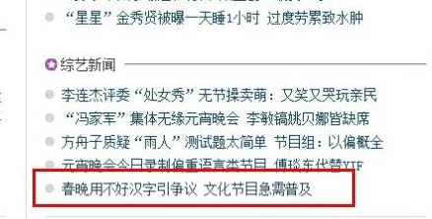 | 2014-02-12
选手台上跪倒 笑料百出0206 | 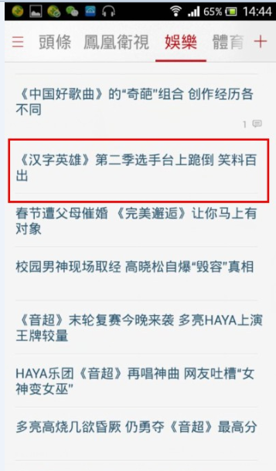 | 2014-02-06
汉字秀才惊艳全场0210 | 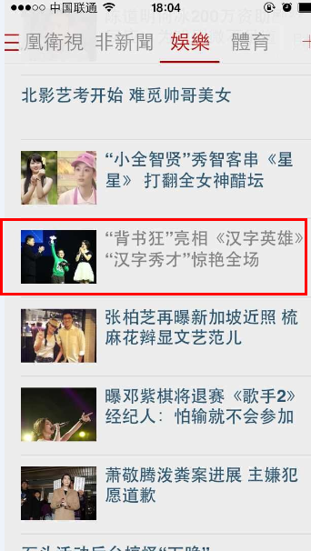 | 2014-02-10
春晚用不好汉字引争议0212 | 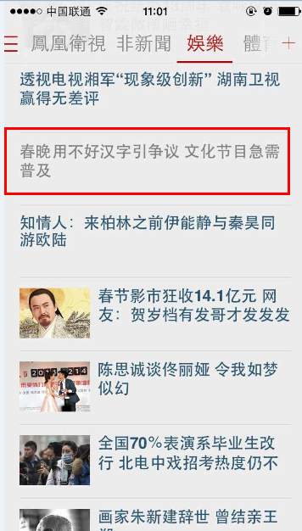 | 2014-02-12
校园男神现场取经0206 | 