Sheet2
文章链接 | 贴图 | 日期
http://ent.sina.com.cn/v/m/2013-07-29/00013974386.shtml | 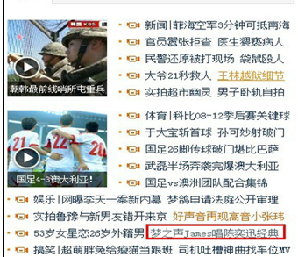
http://news.0791look.com/html/45445_1.html | 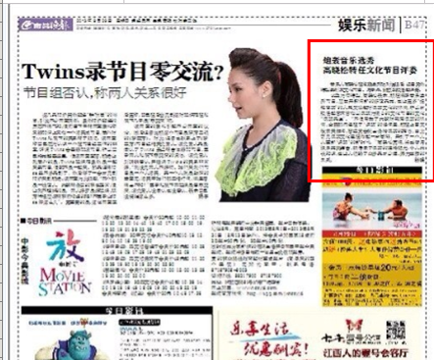
http://v.qq.com/cover/2/20cexbgrcjn2ye0/d00138wsemz.html | 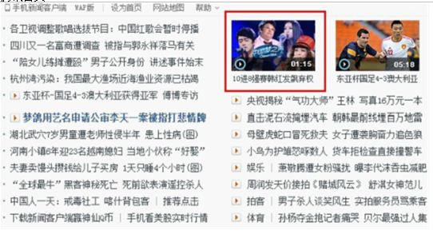
http://v.qq.com/cover/i/i9ii73aoz1uviot.html?vid=p00126bbhc2 | 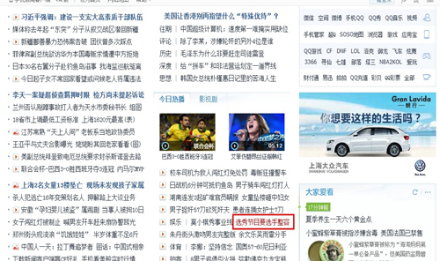
http://e.weibo.com/1602738004/Aicoyjkzj | 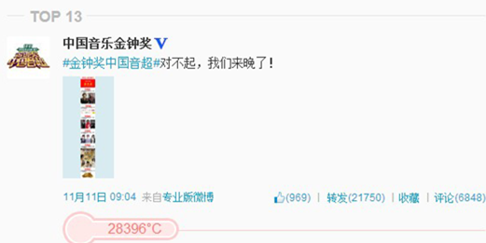
http://weibo.com/1732472555/AhtBPoOnU | 
http://t.qq.com/p/t/264183133444671 | 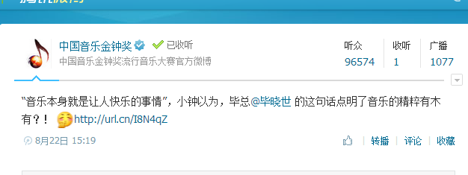
http://weibo.com/1229609672/AiezXxhN1?mod=weibotime | 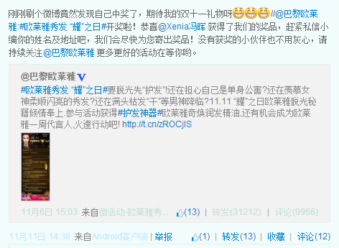
http://weibo.com/1645773865/Aid70FnSb | 
http://blog.sina.com.cn/s/blog_5452015c0102e601.html | 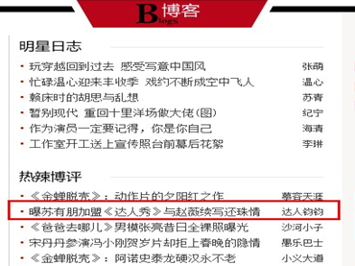
http://blog.sina.com.cn/s/blog_5452015c0102e601.html | 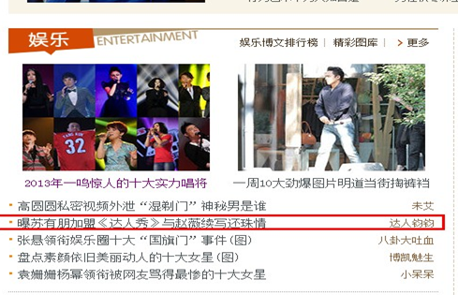
http://blog.renren.com/blog/601593402/916793951?bfrom=01020110200 | 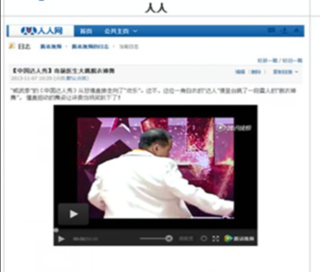
http://bbs.tianya.cn/post-funinfo-4584201-1.shtml | 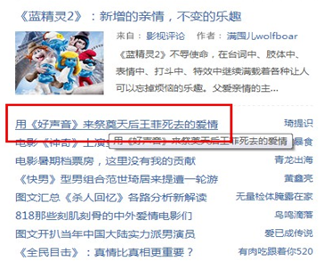
网易新闻客户端娱乐 | 