Notes
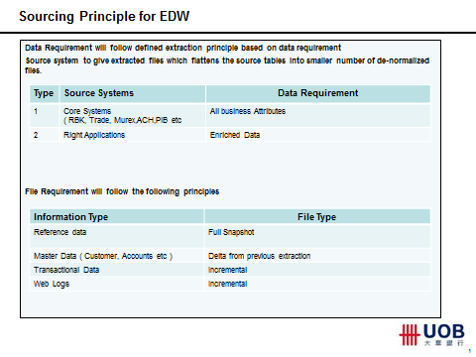
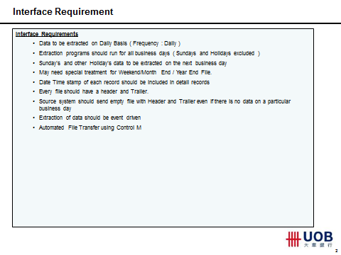
Re: Extracts from "Next Steps on Sourcing - L3 Presentatiton 0.3.pptx"

