Notes
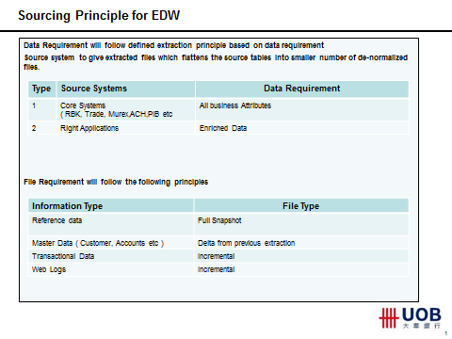
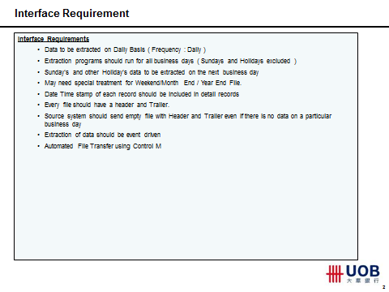
Re: Extracts from "Next Steps on Sourcing - L3 Presentatiton 0.3.pptx"

System Specifcation
1. Overview about the application
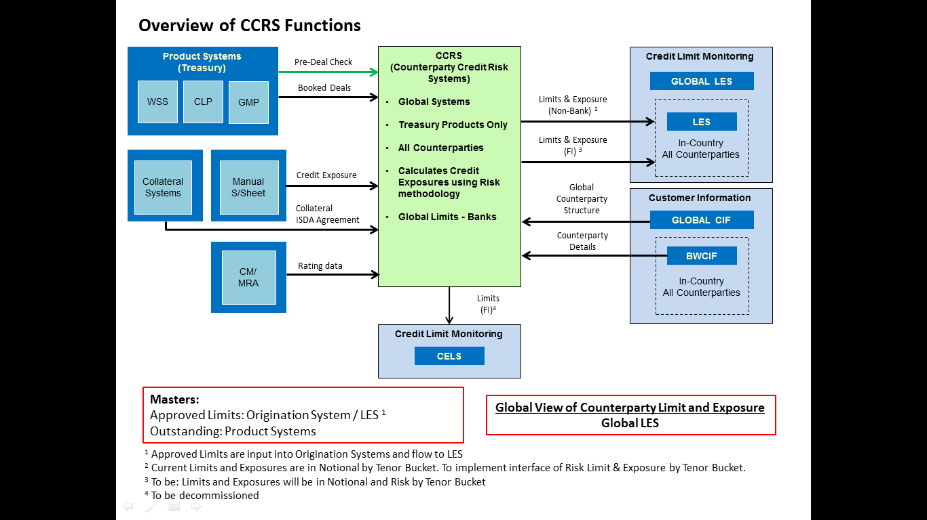

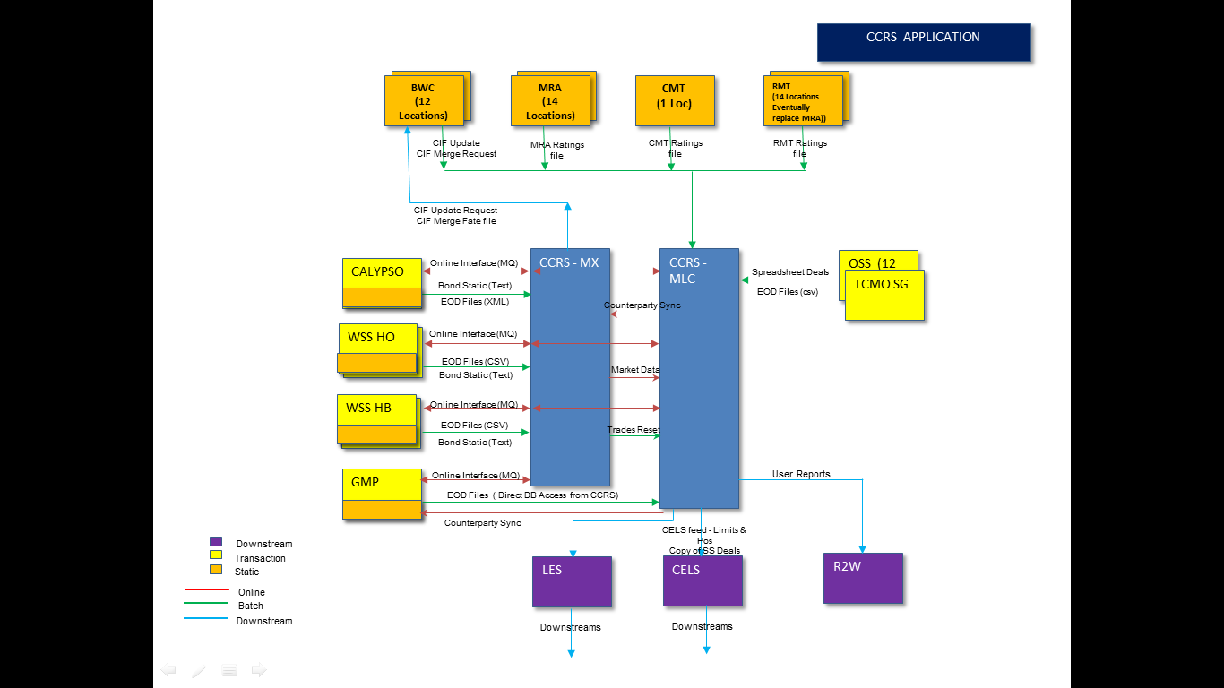

2. Details about the applications

Info | Values | Remarks
Vendor Product Name | Murex
Countries Implemented | HO & Ovs Branches(SG AU BN CA GB HK IN JP KR MM M2 PH TW U1 U2 VN) | Malaysia will be implemented Q3 2017
No of instances | 1
Operating systems | Linux
Database | Oracle
No of years or Months data online | 1 year | Live since April 2015

3. List of applications with Interface/Connectivity

Interface from |  | Comment if any
Appl name | Appl code
BWC | BWC
Rating Master | RMS | old rating system
CMT | CMT | new rating system
GMP | GMP
WSS | WSS
Calypso | CLP
CCS | CCS | Implementation Q4 2016

Interface to |  | Comment if any
Appl name | Appl code
CELS | CEL
LES | LES
GDW | GDW | via ETL

