Sheet1
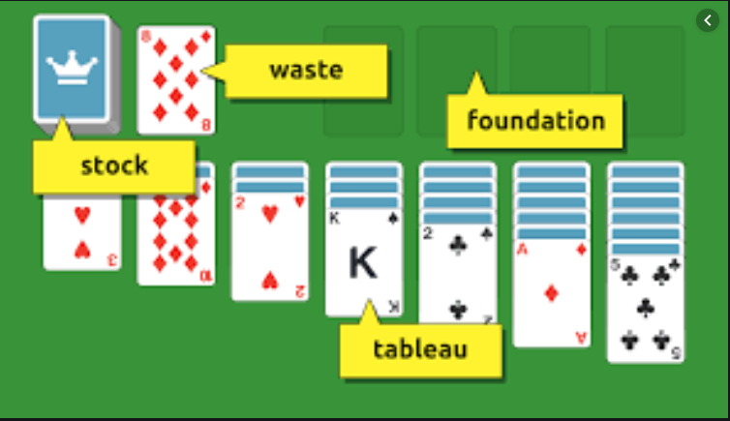
Class
Property | Type

Card
Suit | Suit
Rank | Rank

Deck
Cards | List<Card>
Count | int

Stock/Waste
StockCards | List<Card>
ClosedCards | List<Card>
OpenCards | List<Card>
IsEmpty | bool

Tableau
TableauPile1 | List<Card>
TableauPile2 | List<Card>
TableauPile3 | List<Card>
TableauPile4 | List<Card>
TableauPile5 | List<Card>
TableauPile6 | List<Card>
TableauPile7 | List<Card>
IsOpen | bool
IsClosed | bool
CardCanBeMoved | bool
Foundation
FoundationPileClubs | List<Card>
FoundationPileDiamonds | List<Card>
FoundationPileSpades | List<Card>
FoundationPileHearts | List<Card>
IsEmpty | bool

Board |  | Move card from tableau to tableau | Move card to foundation from tableau or from waste
Tableau | Tableau | Move card from waste to tableau | DrawFromStock | Check the win condition
Stock/Waste | Stock
Foundation | Foundation | Move King from tableau to empty pile

 |  | If card was moved out of tableau pile a new one should be opened on the origin pile

