Sheet1
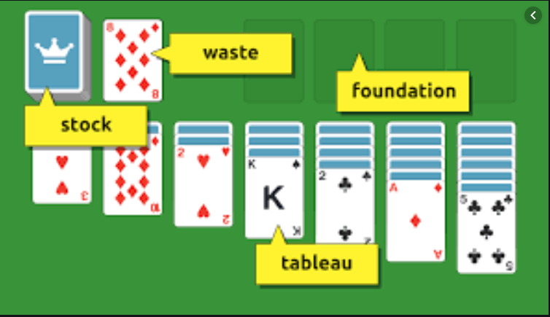
Class
Property | Type

Card
Suit | Suit
Rank | Rank

Deck
Cards | List<Card>
Count | int

Stock/Waste
StockCards | List<Card>
ClosedCards | List<Card>
OpenCards | List<Card>
IsEmpty | bool

Tableau
TableauPile1 | List<Card>
TableauPile2
TableauPile3
TableauPile4
TableauPile5
TableauPile6
TableauPile7

Foundation
FoundationPileClubs | List<Card>
FoundationPileDiamonds | List<Card>
FoundationPileSpades | List<Card>
FoundationPileHearts | List<Card>
IsEmpty | bool

Board
Tableau | Tableau
Stock | Stock
Waste | Waste
Foundation | Foundation

