Sheet1
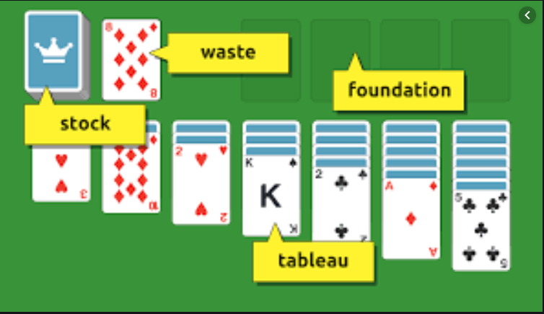
Class
Property | Type

Card
Suit | Suit
Rank | Rank

Deck
Cards | List<Card>

Waste
WasteCards | List<Card>

Stock
StockCards | List<Card>

Tableau
TableauCards | List<Card>

Foundation
FoundationCards | List<Card>

Board
Tableau | Tableau
Stock | Stock
Waste | Waste
Foundation | Foundation

