Sheet1
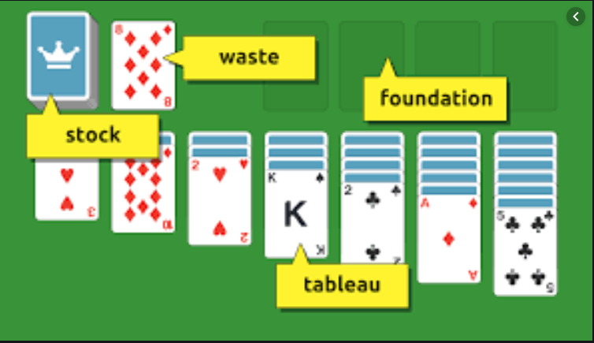
Class
Property | Type

Card
Suit | Suit
Rank | Rank

Deck
Cards | List<Card>
Count | int

Stock/Waste
StockCards | List<Card>
ClosedCards | List<Card>
OpenCards | List<Card>
IsEmpty | bool

Tableau
TableauCards | List<Card>

Foundation
FoundationCards | List<Card>
IsEmpty | bool
FoundationPile (4x) | List<Card>
OpenCards | List<Card>
ClosedCards | List<Card>

Board
Tableau | Tableau
Stock | Stock
Waste | Waste
Foundation | Foundation

