Sheet1
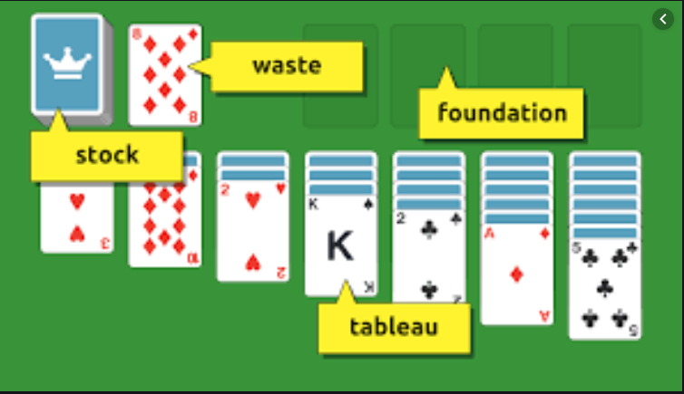
Class
Property | Type

Card
Suit | Suit
Rank | Rank

Deck
Cards | List<Card>
Count | int

Stock/Waste
StockCards | List<Card>
ClosedCards | List<Card>
OpenCards | List<Card>
IsEmpty | bool

Tableau | List<Card>
TableauCards

Foundation | List<Card>
FoundationCards

Board | Tableau
Tableau | Stock
Stock | Waste
Waste | Foundation
Foundation

