Power consumption
Power model cell free massive MIMO |  |  |  | 2023-05-14
Thesis research |  |  |  | Lyssa Ramaut

$$τ_{c}$$
$$ς_{dl}$$
field lenght | 1000 | Time coherence block [s] | 0.01 | CPU information:
field widht | 1000 |  | 200 | Idle power consumption [W] | 90
number of users | 20 |  | 0.6 | Runtime performance [flop/s] | 2.00E+12
$$ς_{ul}$$
number of antennas per AP | 10 |  | 0.4 | Performance [flops/W] | 1.10E+10
$$τ_{tr}$$
 |  |  | 5
Calculate power
 |  | B [Hz] | 2.00E+07 | AP information:
 |  | load-independent power [W] | 0.2 | PA efficiency of the AP | 0.39
$$p_{lk}$$
$$κ$$
Done! You can find more information on the other sheets. |  | transmit power [W] | 2.00E-01 |  | 0.3
 |  | P_traffic [W/Gbit/s] | 0.25
TOTAL POWER CONSUMPTION [W] | 262.86753349 | P_coding [W/Gbit/s] | 0.1
Transmit power [W] | 28.153846154 | P_decoding [W/Gbit/s] | 0.8
Load independent fronthaul power [W] | 14.2 |  |  |  | .
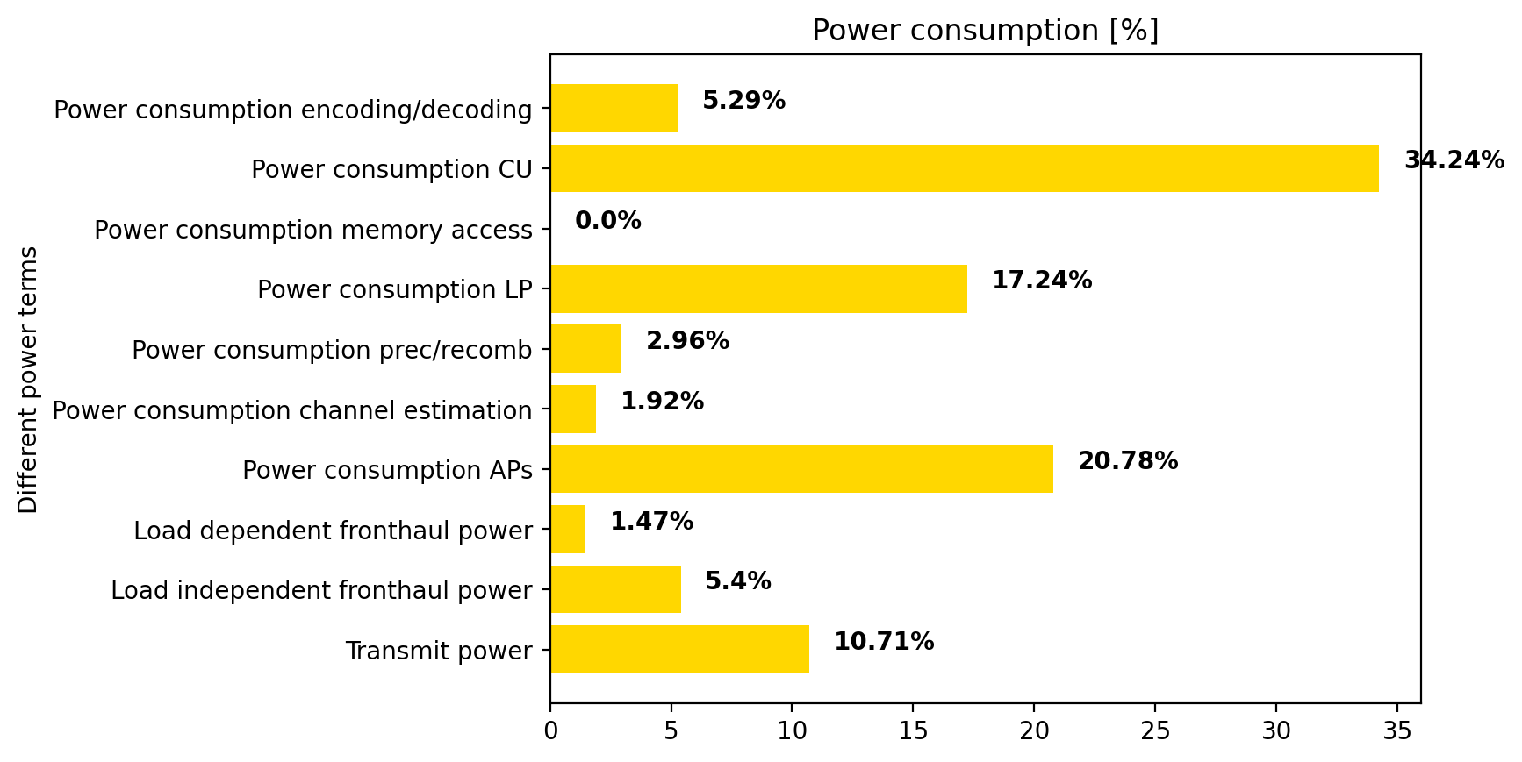
Load dependent fronthaul power [W] | 3.8650914855
Power consumption APs [W] | 54.618513548
Power consumption channel estimation [W] | 5.0345454545
Power consumption prec/comb [W] | 7.7696969697
Power consumption linear processing [W] | 45.310909091
Power consumption memory accesses [W] | 0.00060144
Power consumptin circuit elements control unit [W] | 90
Power consumption enc/dec [w] | 13.914329348

Number of APs | 71
Number of selected Aps | 61

Needed flops operations per coherence block | 143615666.67
Number of '4 nodes' | 1

Visulisation
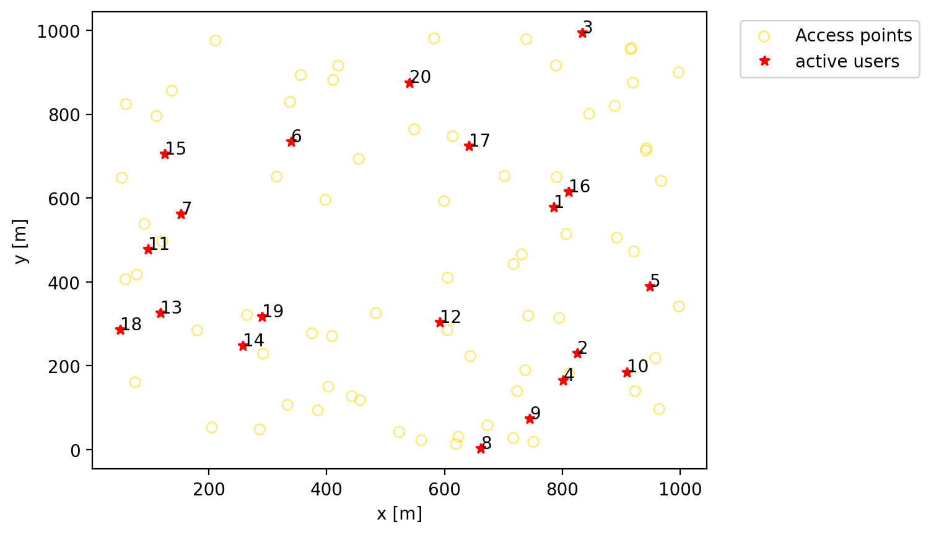
LV

