Power consumption
Katholieke universiteit Leuven (Belgium)
Seoul National University (South-Korea)
Power model cell free massive MIMO
Thesis research |  |  |  |  |  | Lyssa Ramaut

$$T_{coh}$$
$$τ_{c}$$
$$P_{idle}$$
$$ς_{dl}$$
$$ς_{ul}$$
$$N_{FLOPS}$$
Field lenght [m] | 1000 | Time coherence block [s] | 0.01 | CPU information: | GTX Titan
Field widht [m] | 1000 | Lenght coherence block [symbols] | 200 | Idle power consumption [W] | 72.9
Number of users | 20 | DL data transmission [%] | 0.6 | Runtime performance [flop/s] | 4.00E+12 |  | 1
$$τ_{tr}$$
$$L_{CU}$$
Number of antennas per AP | 10 | UL data transmission [%] | 0.4 | Computational efficiency [flops/W] | 1.60E+10
$$ε_{L1}$$
$$ε_{L2}$$
 |  | Lenght training phase [symbols] | 20 | Energy to acces L1 cache [J/B] | 2.44E-11
Calculate power
B
$$ε_{MEM}$$
 |  | Transmission bandwidht [Hz] | 2.00E+07 | Energy to acces L2 cache [J/B] | 1.95E-10
$$ρ_{tr}$$
$$P_{FIX,LI}$$
$$X_{L1}$$
 |  | Load-independent power [W] | 0.2 | Energy to acces memory [J/B] | 2.67E-10
$$ρ_{ul}$$
Done! You can find more information on the other sheets. |  | Uplink training transmit power [W] | 0.1 | Amount of L1 cache [Byte] | 1.60E+04 |  |  | 0
$$ρ_{dl}$$
$$X_{L2}$$
$$X_{MEM}$$
 |  | Uplink data transmit power [W] | 0.1 | Amount of L2 cache [Byte] | 1.54E+09 |  |  | 2
TOTAL POWER CONSUMPTION [W] | 137.102 | Downlink data transmit power [W] | 0.2 | Amount of memory [Byte] | 6.00E+09
$$P_{traffic}$$
Transmit power [W] | 5.262 | FH traffic power [W/Gbit/s] | 0.25
$$P_{cod}$$
Load dependent fronthaul power [W] | 1.249 | Encoding power [W/Gbit/s] | 0.1 | AP information:
$$P_{dec}$$
$$η_{AP}$$
Load independent fronthaul power [W] | 3.800 | Decoding power [W/Gbit/s] | 0.8 | PA efficiency of the AP | 0.39
$$δ$$
$$b$$
Power consumption enc/dec [w] | 1.852 | Delta from LSF-selection scheme | 0.7 | Quantization bit(s) ADC/DAC | 5
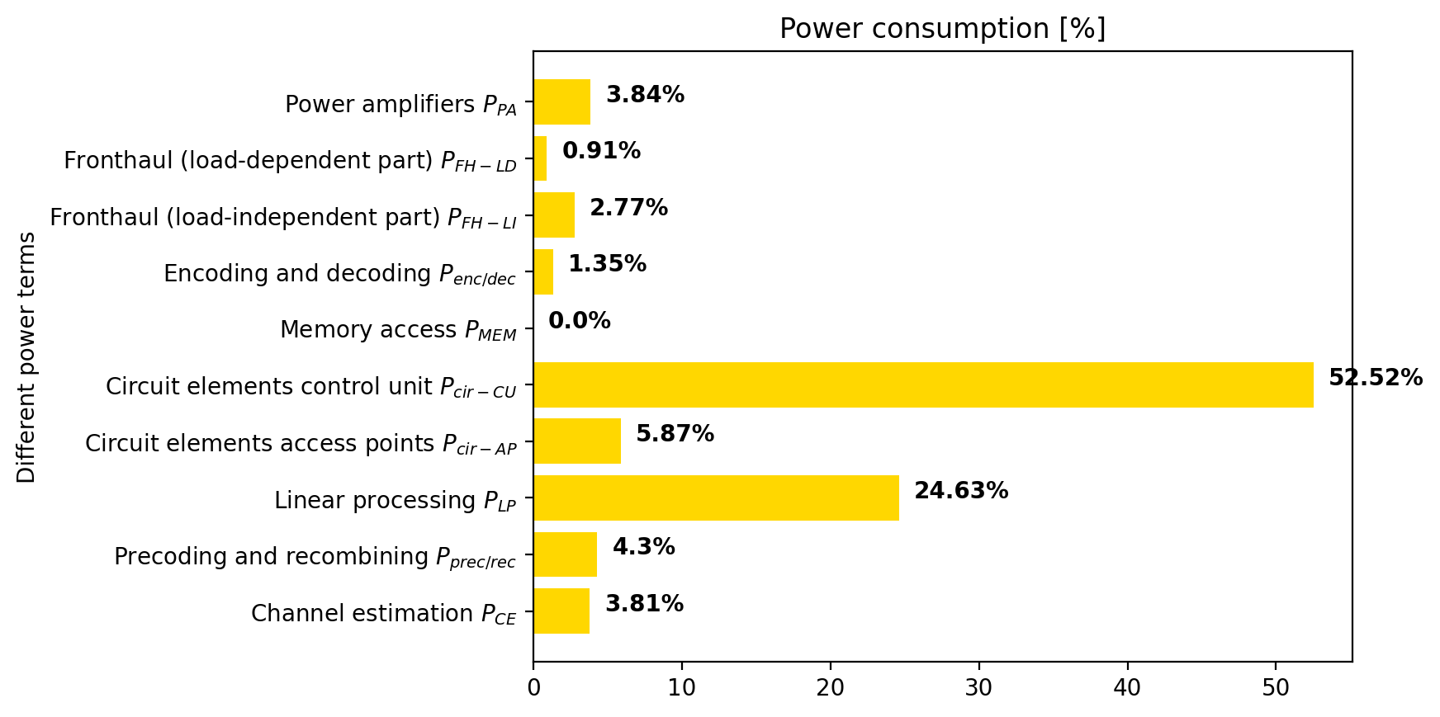
Power consumption memory accesses [W] | 0.000
$[{AP/km}^{2}$]
$$λ_{AP}$$
Power consumptin circuit elements control unit [W] | 72.000 |  |  |  |  | Area type: urban | AP density | 25
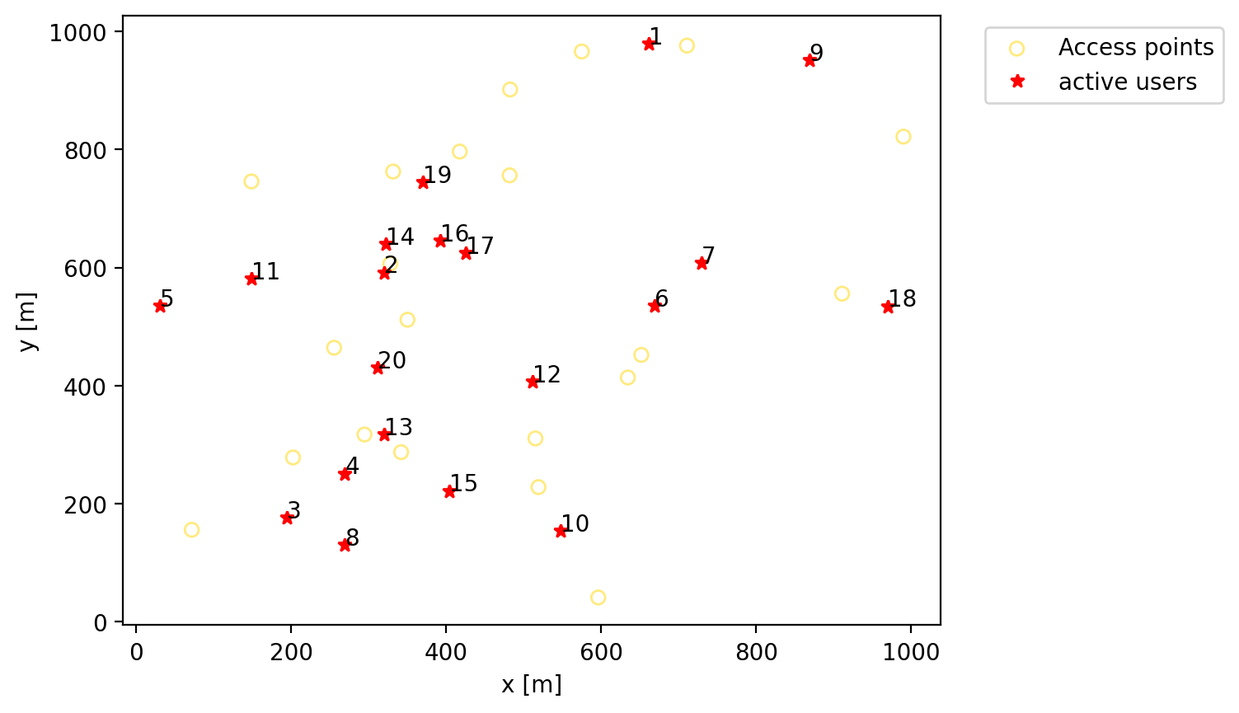
Power consumption APs [W] | 8.050
Power consumption linear processing [W] | 33.773
Power consumption prec/comb [W] | 5.897
Power consumption channel estimation [W] | 5.220

Number of APs | 21
Number of selected Aps | 19

Needed flops operations per coherence block | 180,884,000
Number of platforms/CPUs in the CU | 1

Spectral efficiency
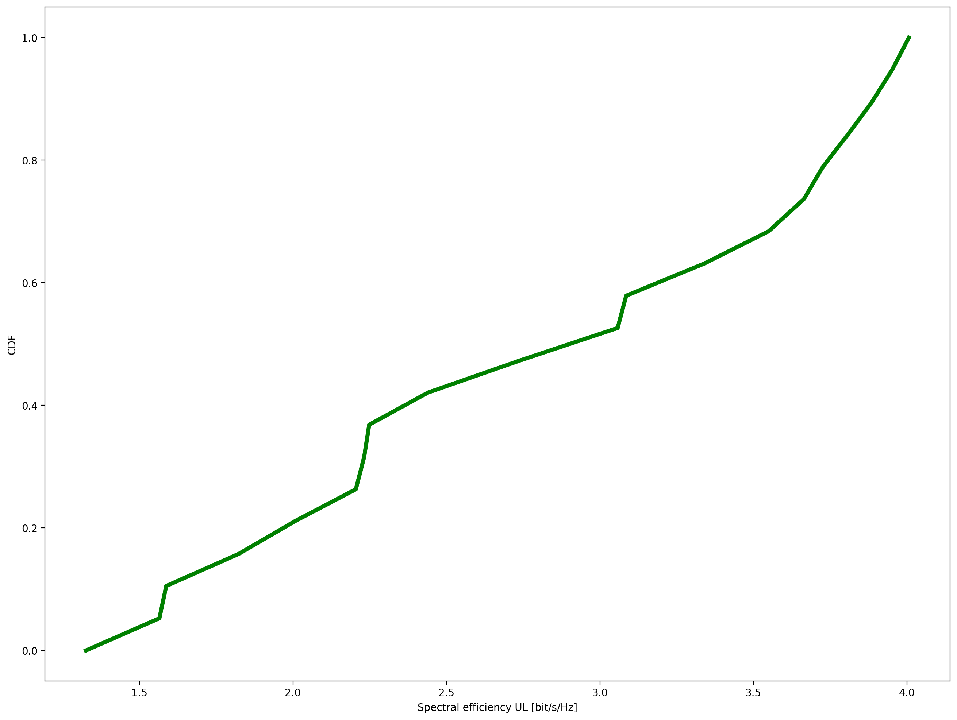
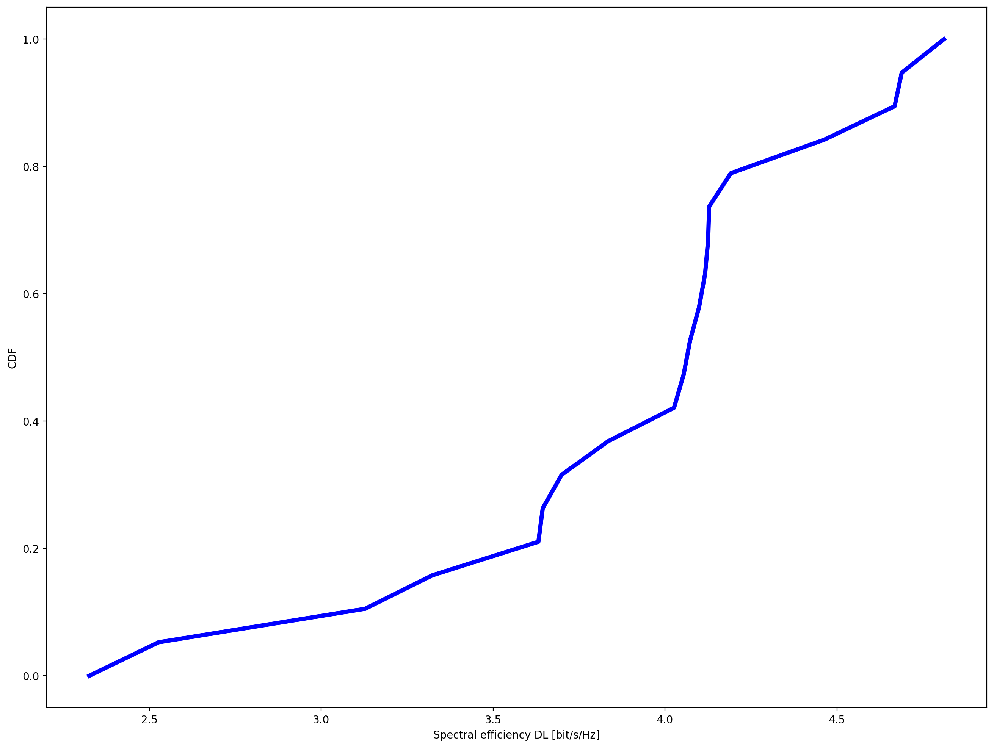
S

