Sheet1
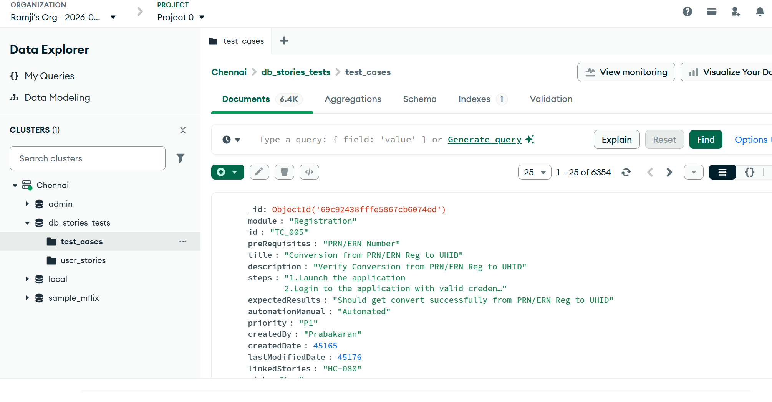
Assignment | Ingest testcases and user stories from rag-mongo-v8.

 | User story Ingestion
 | Json conversion
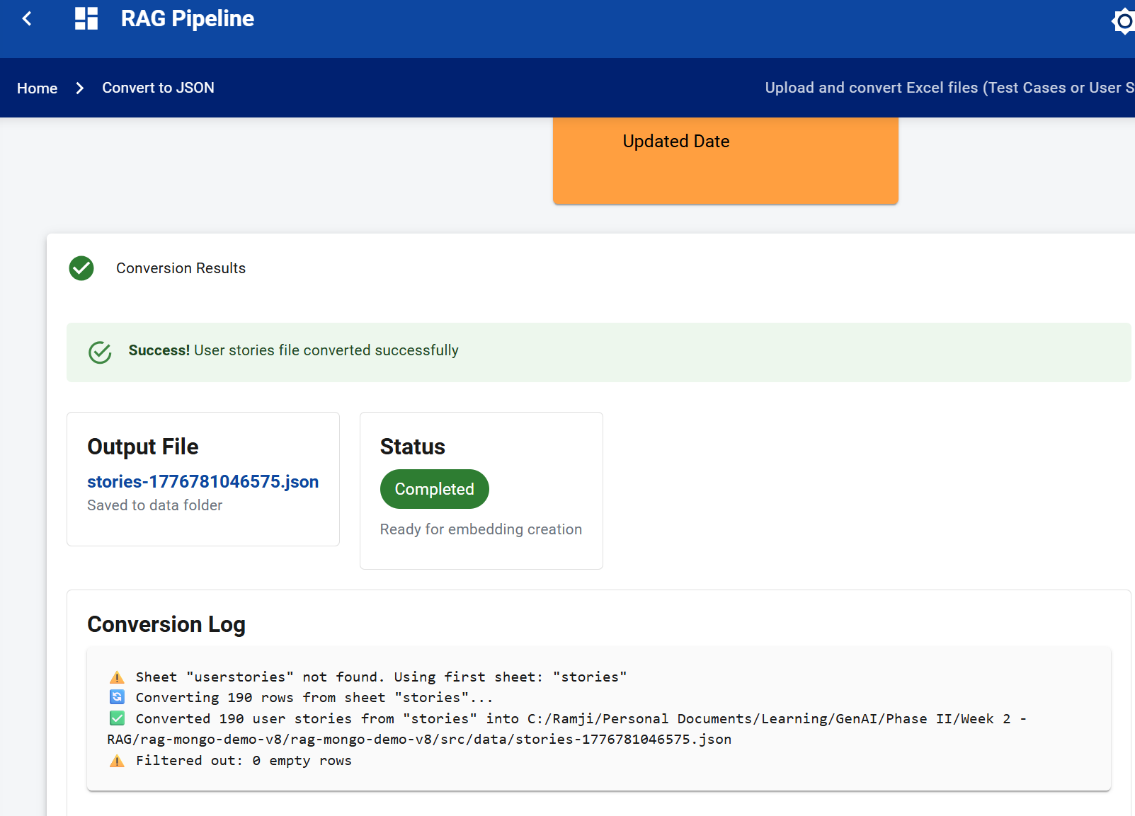

 | Embedding process
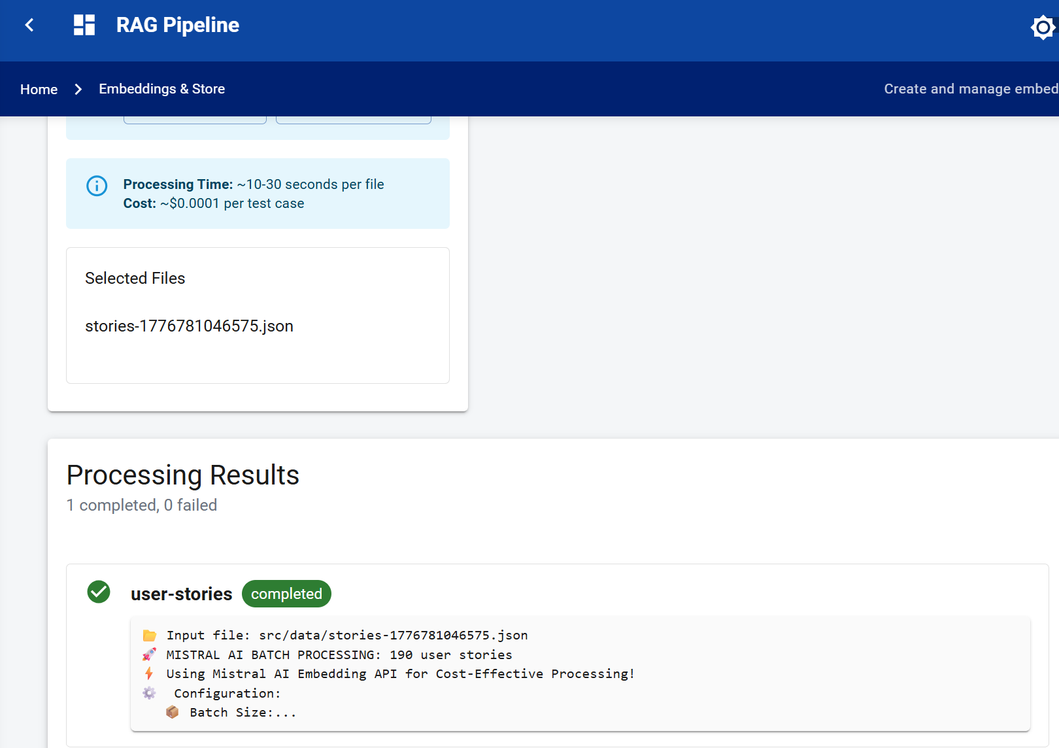

 | Mongo DB cluster | User story vector search index
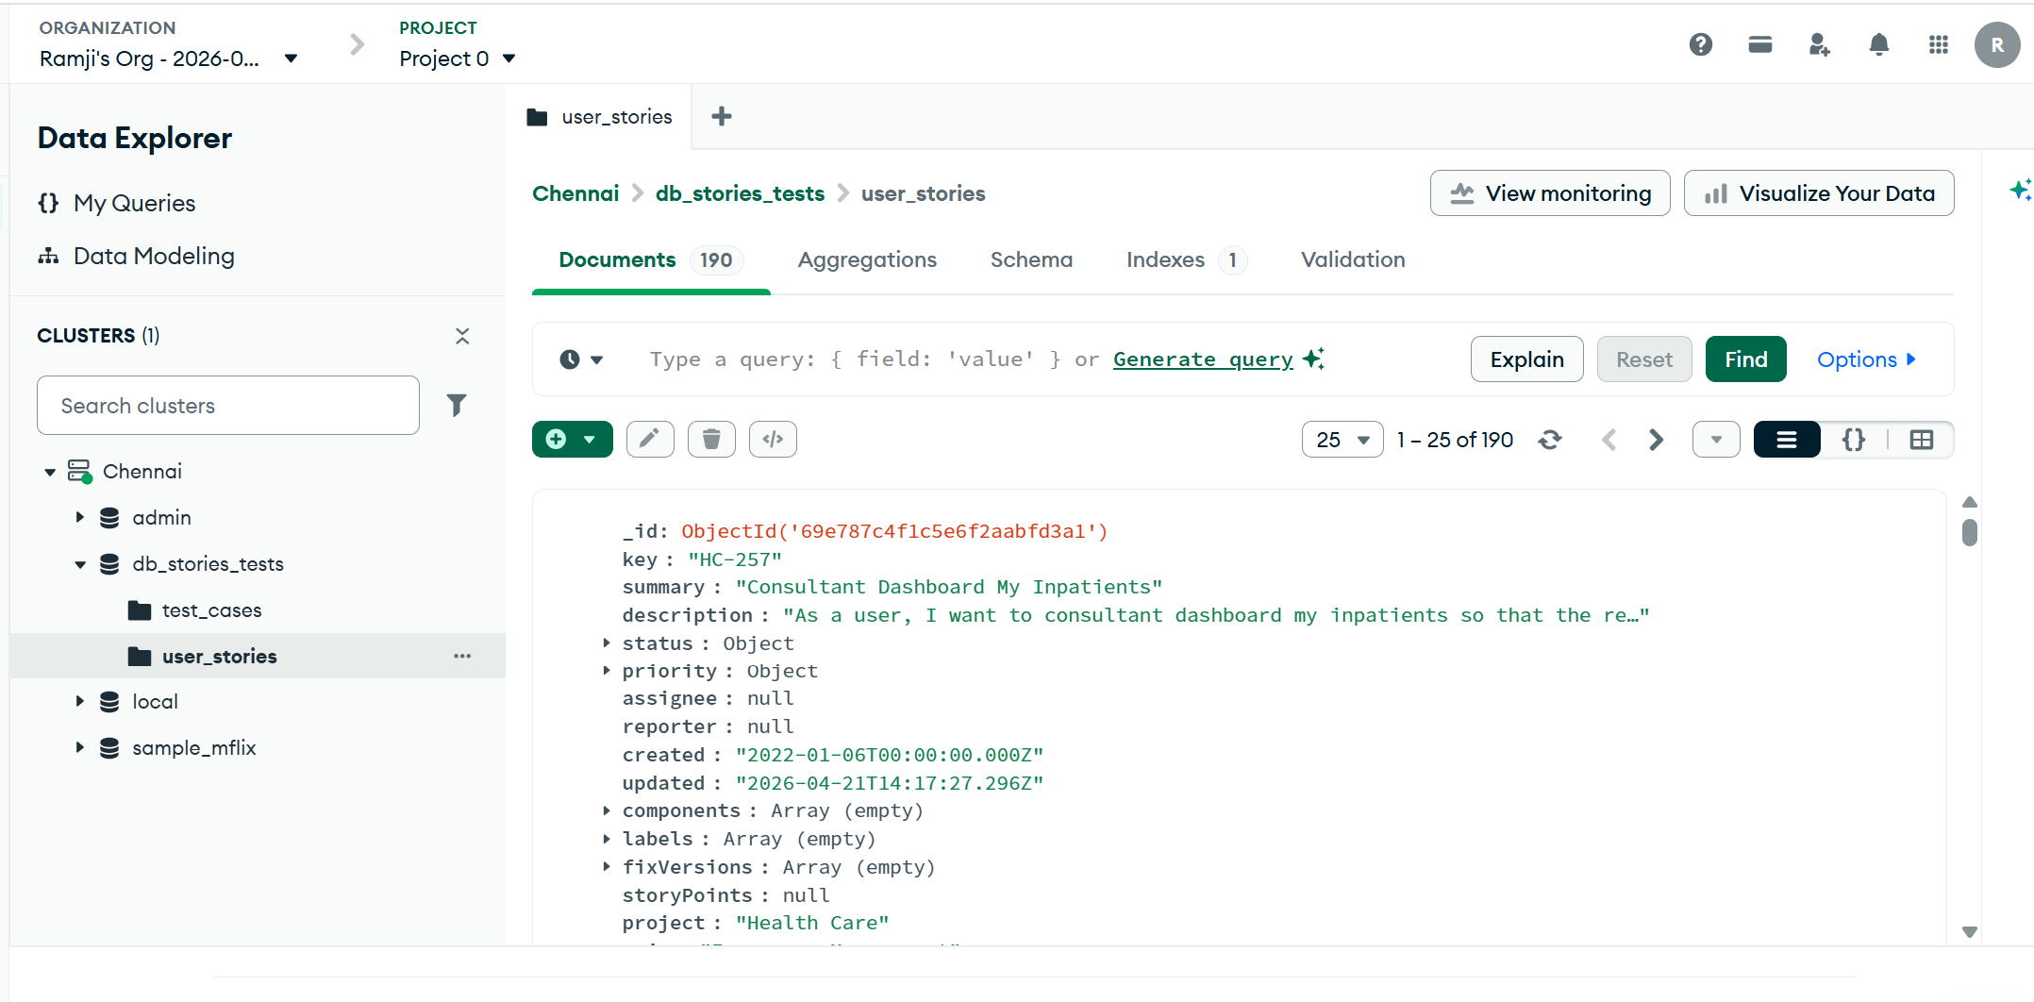
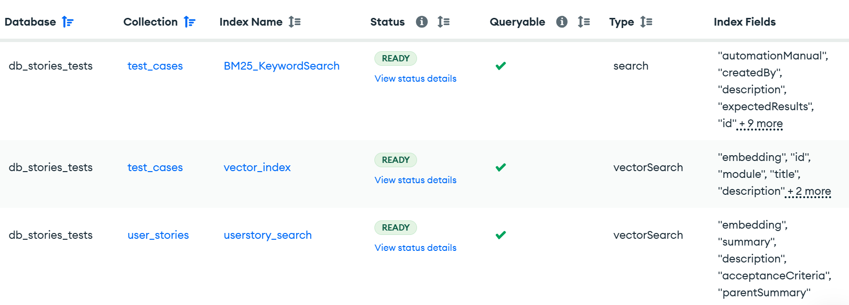

 |  | Vector search index for user story
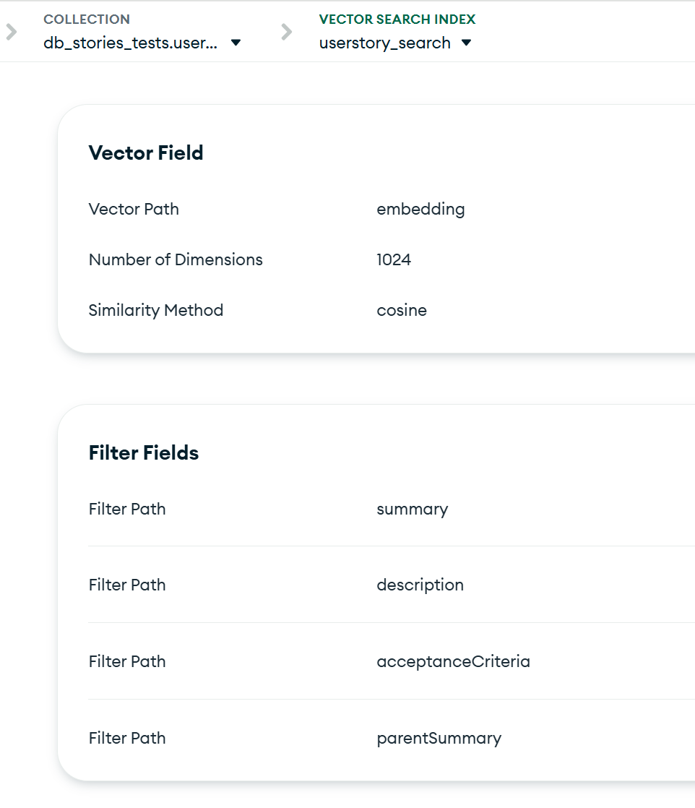

 | Testcase ingestion was completed as part of classroom activity

