Week1.Day2
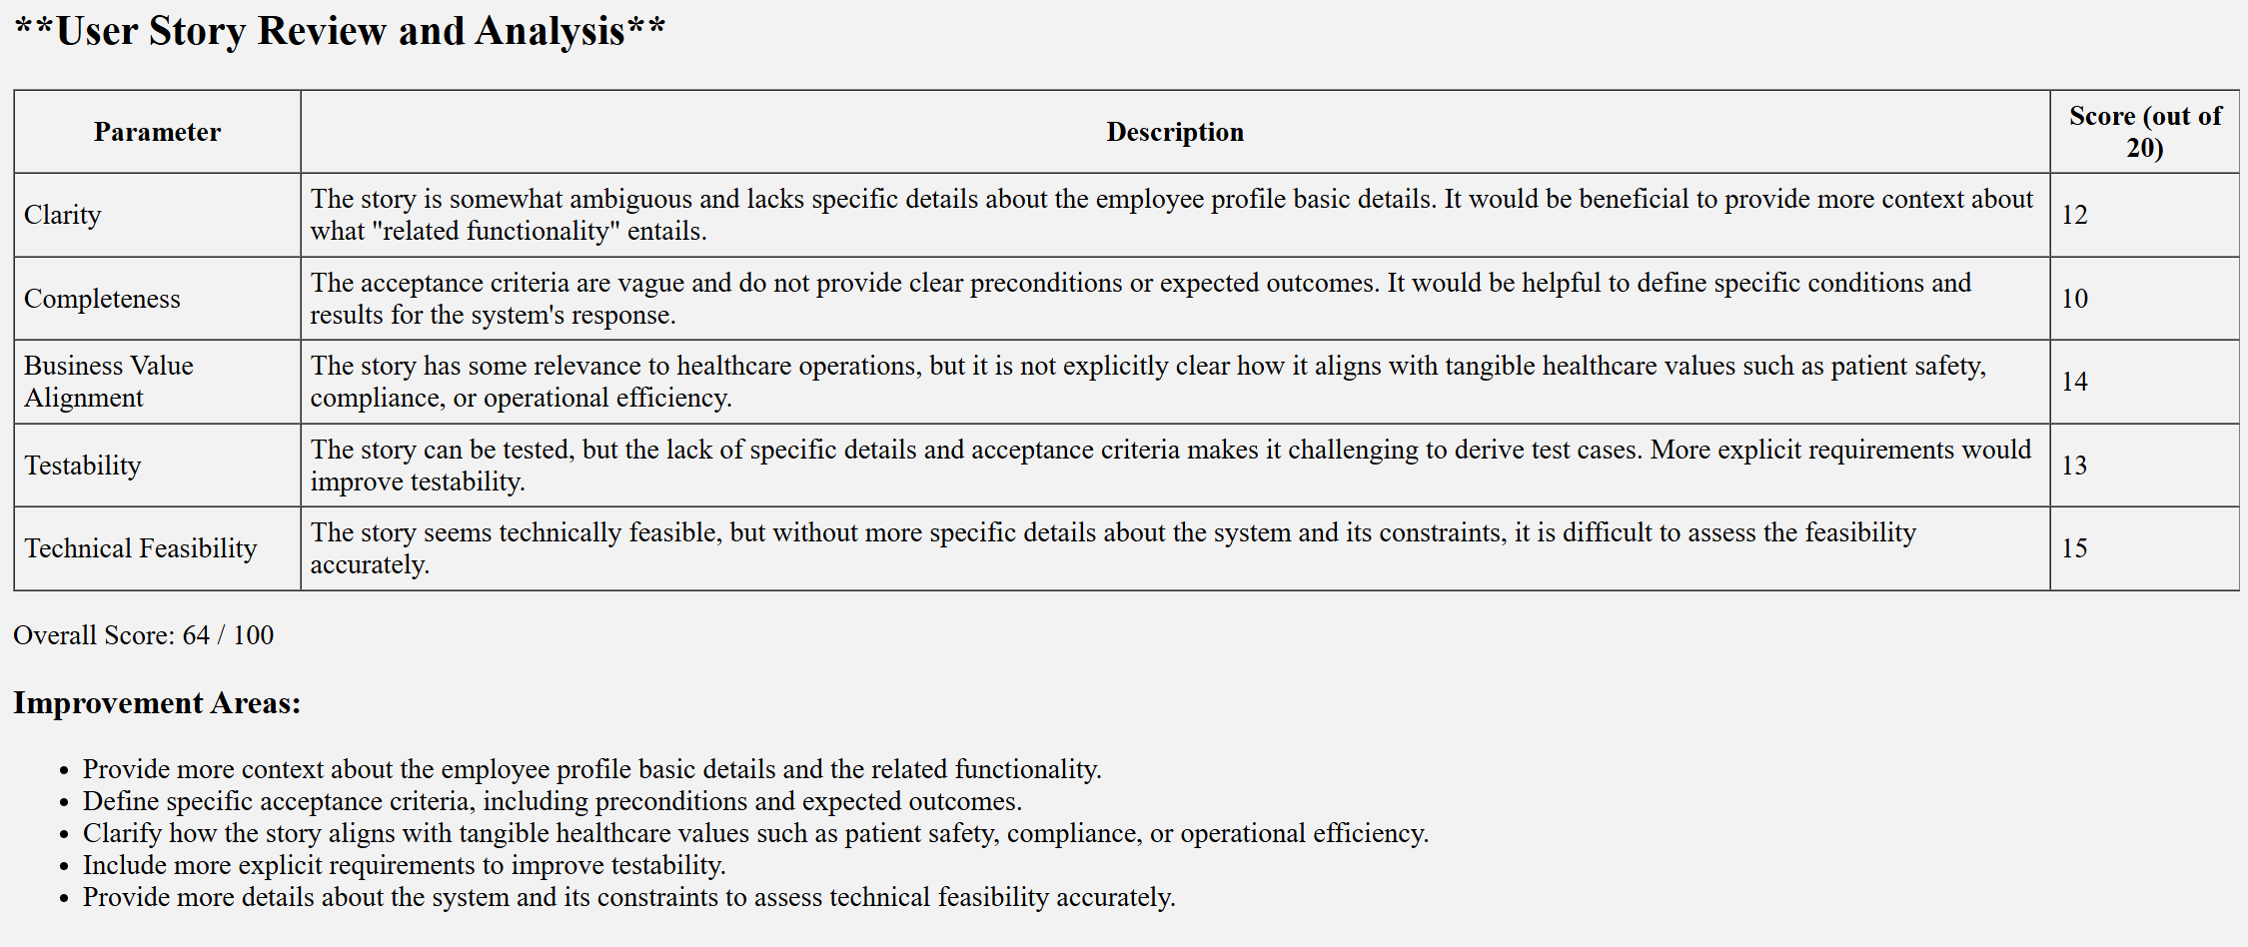
Home Assignment
1) user story reviewer Agent with the Custom components

Langflow - customized component

Output

