Week1.Day1
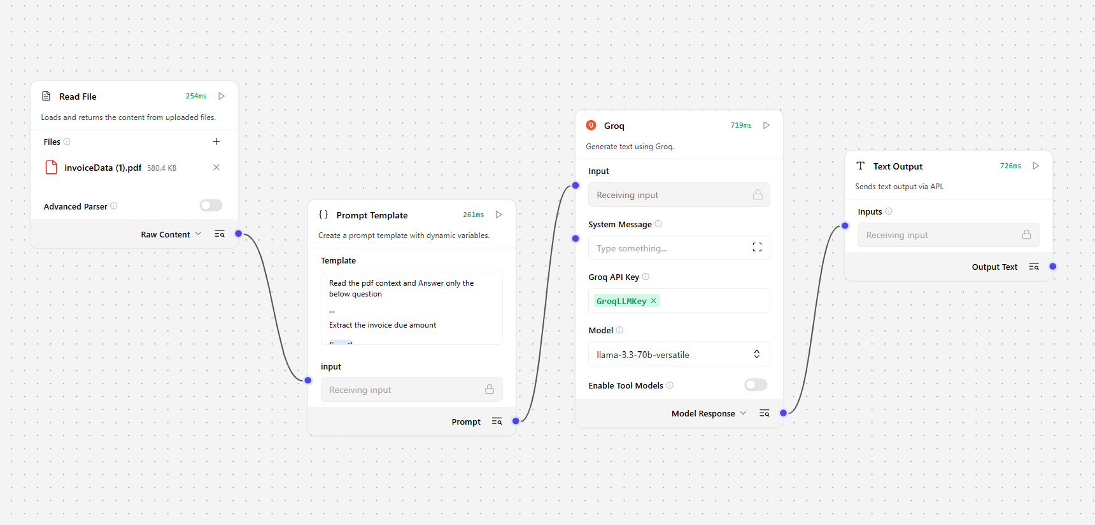
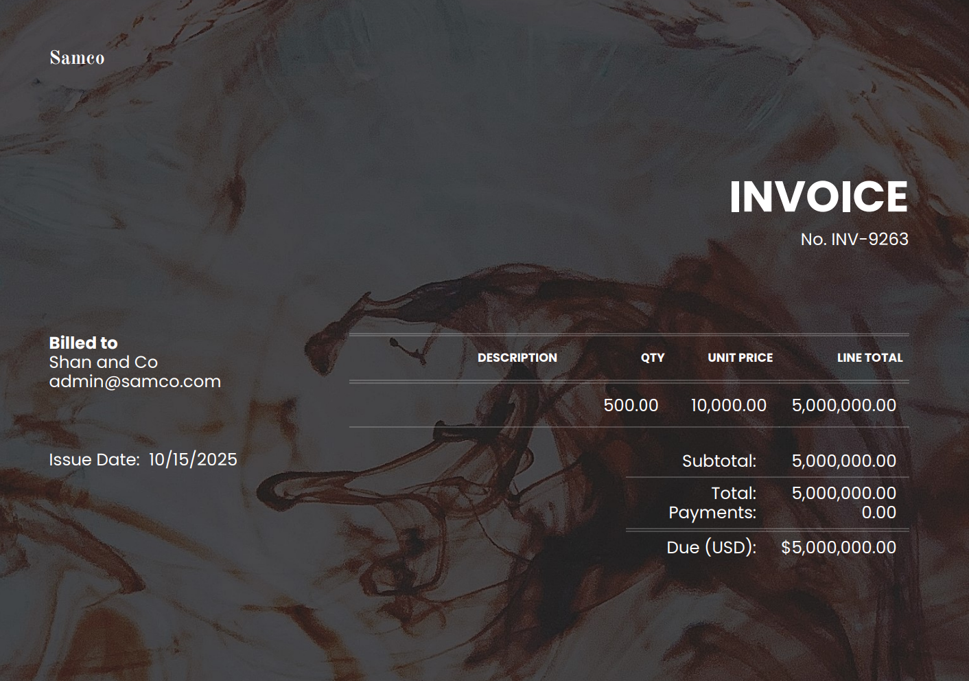
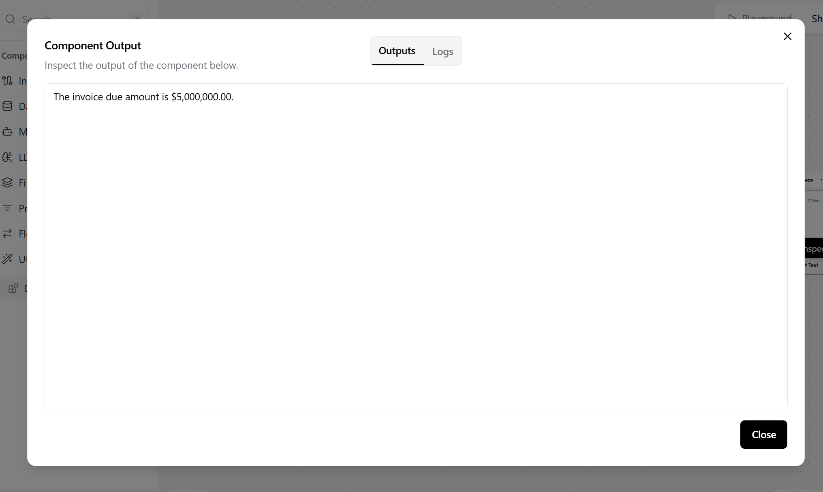
Home Assignment
Develop a Workflow to read the document and extract the required data

 | Flow | Input | Output

