Sheet1
t | y(CMS) | dy/dt | y(WMV-2) |  | dt | dy(CMS) | Δy/Δt | Re | dy/dt |  |  |  |  | y(WMV-2) | dy/dt | logdy/td | lndy/dt | logdy/td | lndy/dt
0 | 0.01 | 0.006 | -- |  | 7 | 0.04 | 0.01 | 0.57 | 0.0032653 |  |  |  |  | #VALUE! | #VALUE! | -2.24 | -5.16 | #VALUE! | #VALUE!
7 | 0.05 | 0.024 | -- | 0.0057142857143 | 5 | 0.12 | 0.02 | 0.48 | 0.0115200 |  |  |  |  | #VALUE! | #VALUE! | -1.62 | -3.73 | #VALUE! | #VALUE!
12 | 0.17 | 0.027 | 0.01 | 0.0057142857143 | 7 | 0.19 | 0.03 | 0.16 | 0.0043337 |  |  |  |  | 0.02 | 0.003 | -1.57 | -3.61 | -2.54 | -5.8579331545
19 | 0.36 | 0.050 | 0.03 | 0.0057142857143 | 7 | 0.35 | 0.05 | 0.14 | 0.0069444 |  |  |  |  | 0.06 | 0.009 | -1.30 | -3.00 | -2.07 | -4.7593208658
26 | 0.71 | 0.021 | 0.09 | 0.0057142857143 | 7 | 0.15 | 0.02 | 0.03 | 0.0006467 |  |  |  |  | 0.19 | 0.027 | -1.67 | -3.84 | -1.57 | -3.6066413559
33 | 0.86 | 0.010 | 0.28 | 0.0057142857143 | 7 | 0.07 | 0.01 | 0.01 | 0.0001163 |  |  |  |  | 0.05 | 0.007 | -2.00 | -4.61 | -2.15 | -4.9416424226
40 | 0.93 | 0.003 | 0.33 | 0.0057142857143 | 6 | 0.02 | 0.00 | 0.00 | 0.0000119 |  |  |  |  | 0.26 | 0.043 | -2.48 | -5.70 | -1.36 | -3.1388331172
46 | 0.95 | 0.021 | 0.59 | 0.0057142857143 |  |  |  |  |  |  |  |  |  | -0.59 | #DIV/0!

 | y(CMS) | y(WMV-2)
 |  |  | re=(ln(y at t2)-ln(y at t1))/(t2-t1) | rm=1/t | Rl=1/t
 |  |  | exp | mono | logistic | Gompertz
 | y(CMS) | dy/dt | re.y | rm(1-y) | Rl *y(1-y) | Rg*y(ln(1)-ln(y))
 | 0.01
 | 0.05 |  |  |  | 1.00E-10 | -10
 | 0.17
 | 0.36
 | 0.71
 | 0.86
 | 0.93
 | 0.95

 |  | logistic |  |  |  |  |  |  |  | exp | mono | logi | gompert
 |  | ln(y/(1-y) | ln(-ln(y) | ln(y) | ln(1/(1-y) | re | rm | rl | rg | dy/dt=re.y | dy/dt=rm(1-y) | dy/dt=Rl.y(1-y) | Rg*y(ln(1)-ln(y)) | rechard model
T | y (CMS) | y* | gomp | expo | mono | re | rm | rl | rg | Exp_dy/dt | mono_dy/dt | Logi_dy/dt | Gomp_dy/dt
0 | 0.01 | -4.5951198501 | -1.5271796258 | -4.605170186 | 0.010050335854 | 0.22991970178 | 0.0058918512191 | 0.235811553 | 0.061427275063 | 0.0022991970178 | 5.832932707E-05 | 0.0023345343747 | 0.0028288305573
7 | 0.05 | -2.9444389792 | -1.0971887004 | -2.9957322736 | 0.051293294388 | 0.24475508632 | 0.027007256761 | 0.27176234309 | 0.10502084081 | 0.012237754316 | 0.0012828446961 | 0.012908711297 | 0.01573071611
12 | 0.17 | -1.5856272637 | -0.57208449632 | -1.7719568419 | 0.18632957819 | 0.10718651349 | 0.037136789205 | 0.14432330269 | 0.078666329693 | 0.018221707293 | 0.0052400009569 | 0.02036401801 | 0.023696867992
19 | 0.36 | -0.5753641449 | -0.021420188468 | -1.0216512475 | 0.44628710263 | 0.097022991226 | 0.11308389334 | 0.21010688457 | 0.15613315788 | 0.034928276842 | 0.026054529025 | 0.048408626204 | 0.057424908792
26 | 0.71 | 0.89538404705 | 1.0715119167 | -0.34249030895 | 1.237874356 | 0.027381059887 | 0.10403407148 | 0.13141513137 | 0.11716244707 | 0.01944055252 | 0.021420615318 | 0.027058375549 | 0.028490171913
33 | 0.86 | 1.8152899666 | 1.8916490462 | -0.15082288973 | 1.9661128564 | 0.011178885271 | 0.099021025794 | 0.11019991107 | 0.10450643891 | 0.0096138413334 | 0.011922131506 | 0.013268069292 | 0.013555288277
40 | 0.93 | 2.5866893441 | 2.6231941186 | -0.072570692835 | 2.6592600369 | 0.0035462330745 | 0.056078706104 | 0.059624939178 | 0.057833521738 | 0.0032979967593 | 0.0036507237673 | 0.0038815835405 | 0.0039032274297
46 | 0.95 | 2.9444389792 | 2.970195249 | -0.051293294388 | 2.9957322736 | 0.018804292119 | 0.054019709778 | 0.072824001897 | 0.062668992984 | 0.017864077513 | 0.0025659362145 | 0.0034591400901 | 0.0030537741508
 | 0.4 | -0.40546510811 | 0.087421571791 | -0.91629073187 | 0.51082562377
 | 0.8 | 1.3862943611 | 1.4999399868 | -0.22314355131 | 1.6094379124
 |  | ln(y/(1-y) | gomp | ln(y) | ln(1/(1-y)
 | y(WMV-2) | y* | gomp | expo | mono
 | -- | #VALUE! | #VALUE! | #VALUE! | #VALUE!
 | -- | #VALUE! | #VALUE! | #VALUE! | #VALUE! |  |  |  |  | 0.4 | -0.40546510811
 | 0.01 | -4.5951198501 | -1.5271796258 | -4.605170186 | 0.010050335854 |  |  |  |  | 0.8 | 1.3862943611
 | 0.03 | -3.4760986898 | -1.2546349003 | -3.5065578973 | 0.030459207485
 | 0.09 | -2.3136349292 | -0.87877393942 | -2.4079456087 | 0.094310679471
 | 0.28 | -0.94446160884 | -0.24134935599 | -1.2729656758 | 0.32850406697
 | 0.33 | -0.70818505792 | -0.10315444614 | -1.1086626245 | 0.4004775666
 | 0.59 | 0.3639653772 | 0.63935480153 | -0.52763274208 | 0.89159811928

 | T | y(WMV-2) | y* | gomp | expo | mono | re | rm | rl | rg | Exp_dy/dt | mono_dy/dt | Logi_dy/dt | Gomp_dy/dt
 | 0 | -- | #VALUE! | #VALUE! | #VALUE! | #VALUE! | #VALUE! | #VALUE! | #VALUE! | #VALUE! | #VALUE! | #VALUE! | #VALUE! | #VALUE!
 | 7 | -- | #VALUE! | #VALUE! | #VALUE! | #VALUE! | #VALUE! | #VALUE! | #VALUE! | #VALUE! | #VALUE! | #VALUE! | #VALUE! | #VALUE!
 | 12 | 0.01 | -4.5951198501 | -1.5271796258 | -4.605170186 | 0.010050335854 | 0.15694461267 | 0.0029155530902 | 0.15986016576 | 0.038934960789 | 0.0015694461267 | 2.8863975593E-05 | 0.001582615641 | 0.0017930212062
 | 19 | 0.03 | -3.4760986898 | -1.2546349003 | -3.5065578973 | 0.030459207485 | 0.15694461267 | 0.0091216388552 | 0.16606625152 | 0.053694422981 | 0.00470833838 | 0.00026543969069 | 0.0048325279193 | 0.0056484780883
 | 26 | 0.09 | -2.3136349292 | -0.87877393942 | -2.4079456087 | 0.094310679471 | 0.16213999041 | 0.033456198214 | 0.19559618862 | 0.091060654777 | 0.014592599137 | 0.0027400626338 | 0.016019327848 | 0.019734219341
 | 33 | 0.28 | -0.94446160884 | -0.24134935599 | -1.2729656758 | 0.32850406697 | 0.02347186447 | 0.010281928518 | 0.033753792988 | 0.019742129977 | 0.0065721220517 | 0.0020728367892 | 0.0068047646664 | 0.007036695072
 | 40 | 0.33 | -0.70818505792 | -0.10315444614 | -1.1086626245 | 0.4004775666 | 0.09683831374 | 0.081853425448 | 0.17869173919 | 0.12375154128 | 0.031956643534 | 0.018097792367 | 0.039508743534 | 0.045275573819
 | 46 | 0.59 | 0.3639653772 | 0.63935480153 | -0.52763274208 | 0.89159811928 | -0.011470277002 | 0.019382567811 | 0.0079122908087 | 0.013899017425 | -0.0067674634311 | 0.0046886431534 | 0.0019139831466 | 0.0043268102388

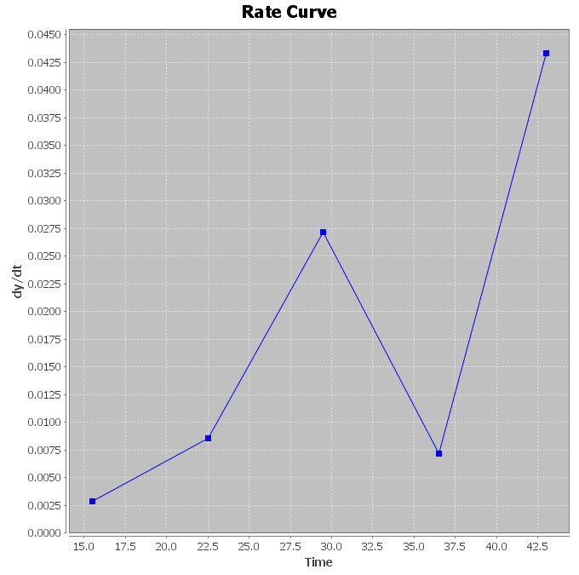
 | -11.3561 |  | 0.0000000
 | -4.92746 |  | 0.36787944117 | 1.1349983465E-60 |  |  |  |  |  |  |  |  | y* = -2.37923 + 0.0619865 T
 | -1.527179626 |  | 0.0100000
 | -1.2546349 |  | 0.0300000
 | -0.878773939 |  | 0.0900000
 | -0.241349356 |  | 0.2800000 |  |  |  |  |  |  |  |  |  | -4.9274588041
 | -0.103154446 |  | 0.3300000 |  |  |  |  |  |  |  |  |  | -11.356064406
 | 0.639354802 |  | 0.5900000

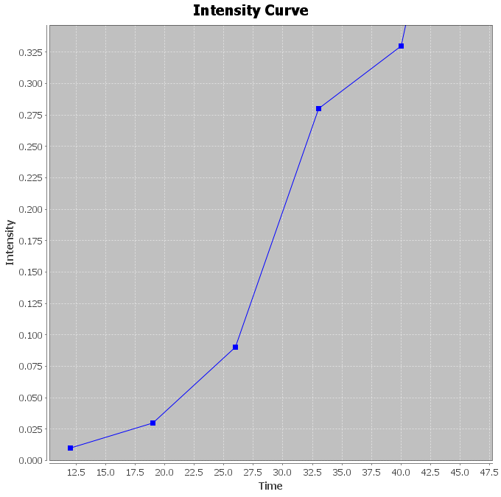

 |  |  |  |  |  |  |  |  |  |  |  |  |  |  |  |  |  |  |  | Model | Intercept | Slope | R-square | SEEy
 |  |  |  |  |  |  |  |  |  |  |  |  |  |  |  |  |  |  |  | Linear | -0.26 | 0.01 | 0.9 | 0.079
 |  |  |  |  |  |  |  |  |  |  |  |  |  |  |  |  |  |  |  | Monomolecular | -0.4 | 0.12 | 0.83 | 0.15
 |  |  |  |  |  |  |  |  |  |  |  |  |  |  |  |  |  |  |  | Exponential | -5.7 | 0.11 | 0.96 | 0.36
 |  |  |  |  |  |  |  |  |  |  |  |  |  |  |  |  |  |  |  | Logistic | -6.16 | 0.14 | 0.98 | 0.29
 |  |  |  |  |  |  |  |  |  |  |  |  |  |  |  |  |  |  |  | Gompertz | -2.37 | 0.061 | 0.97 | 0.16

