Trees
Trees |  | Binary Tree | Tree in which each node can have atmost 2 children
 | We can walkin in tree in only one direction. |  | Node cannot have more than 2 children
 | Tree is recursive data structure
 | If tree has N nodes, it will have N-1 edges(links) | Full/Strict/Proper Binary tree | Each node must have 2 children, except the leaf node
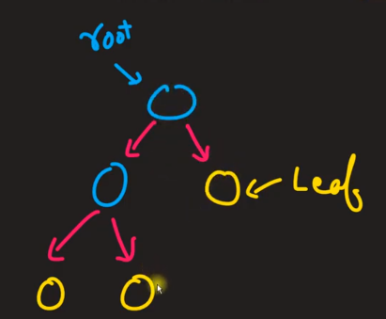
Root | Top most single node
Children | nodes below any node
Parend | nodes has children node
Sibling | nodes shares same parent
leaf | nodes without any children, usually last node of tree
depth of x | depth of x is length from root node. Depth of root is 0
height of x | no of edge from x in longest path to any leaf node.
height of root | height of root node | Complete binary tree | All levels except possibily the last are completely filled and all nodes are as left as possible
 |  |  | Max no of nodes at level I = 2^i
Applications |  |  | There should not be vacent position in left side of the leaf
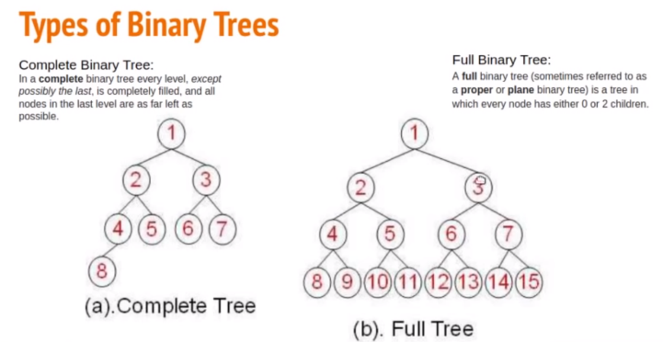
 | Storing naturally hierarchical data - > Eg. File system
 | Organizing data for quick search, insertion, deletion - > Eg. Binary search tree
 | Trie is used to store dictionary for dynamic spell checking
 | Network routing algorithm

Binary tree traversal | Process of visiting each node in a tree DS, exactly once
 | Types of Traversal
 | * Depth-first search(Pre-order, In-order and Post-order)(pre(lrn),In(lnr) and post(lrn))
 | * Breadth-first search | Perfect binary tree | If all levels are completely filled
 |  |  | Max no of nodes in a tree with height h = 2 ^ (height+1) - 1
 |  |  | 2^4-1 = 16-1 = 15

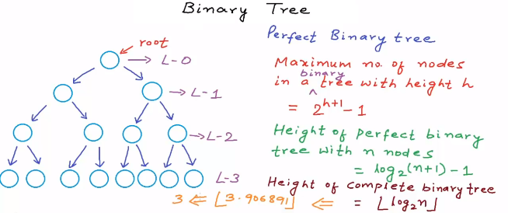
Binary Search Tree
 | Left leaf is least and right is highest of the node value
Insert | Binary Search Tree Property
Search | Every node on the right subtree has to be larger than the current node and every node on the left subtree has to be smaller than the current node.
Remove

 |  | Balanced binary tree | Difference between height of left and right subtree for every node is not more than k(mostly 1)

AVL Tree |  | Binary search tree | A binary tree in which for each node, value of all the nodes in left subtree is lesser or equal and value of all the nodes in right subtree is greater.
 | AVL tree is a self-balancing Binary Search Tree (BST) where the difference between heights of left and right subtrees cannot be more than one for all nodes |  | 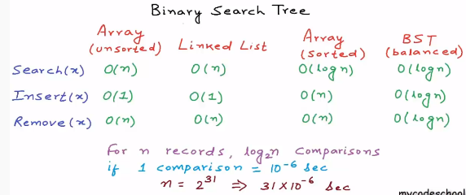

Left rotation
Right rotation
Left-Right rotation
Right-Left rotation
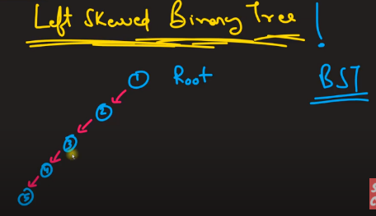
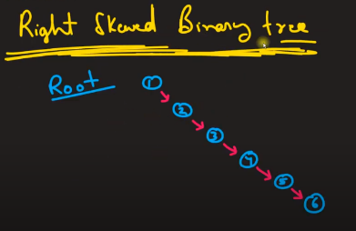

Notes:-
BFS or Level Order | Use queue to implement BFS
DFS | Use recursion to implement DFS

Graphs
Useful links | https://www.programiz.com/dsa/graph
 | https://medium.com/analytics-vidhya/graphs-in-python-adjacency-matrix-d0726620e8d7

Graphs |  | Spanning Tree
 | A graph is a pair (V, E), where V is a set of nodes, called vertices, and £ is a collection of pairs of vertices, called edges. |  | A spanning tree is a sub-graph of an undirected and a connected graph, which includes all the vertices of the graph having a minimum possible number of edges. If a vertex is missed, then it is not a spanning tree.
 | A graph with no cycles is called a tree. A tree is an acyclic connected graph.

Types | Directed graphs
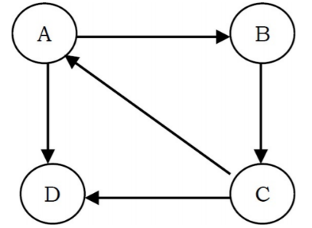

 | Un-directed graphs, Graphs with all edges present are called complete graphs.
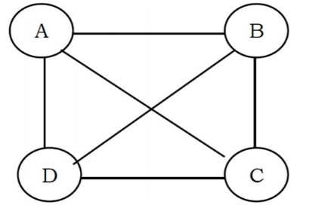

 | A self loop is an edge that connects a vertex to itself.

 | In weighted graphs integers (weights) are assigned to each edge to represent (distances or costs).
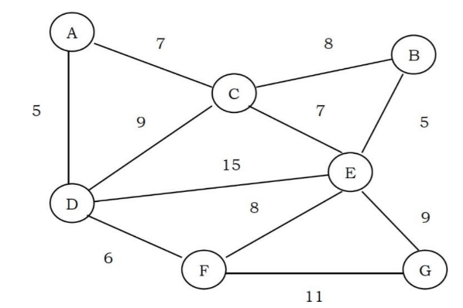

Graph Representation | Adjacency Matrix
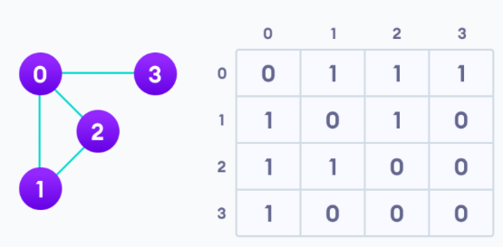
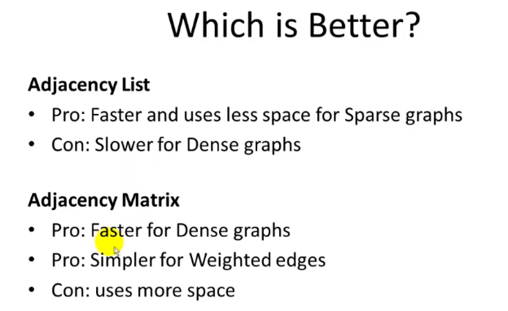

 | Adjacency List

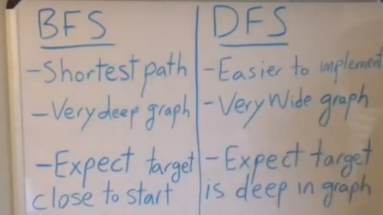
Graph Traversals | Breadth First Search [BFS]
 | Depth First Search [DFS]

Implementation
Create Undirected | Adjacency List
Create Directed
BFS | Use Queue
DFS | Use Stack as Recursion

