Sheet3
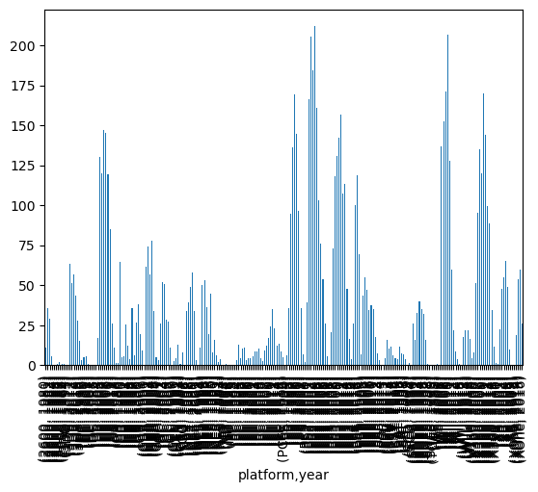
 | Consola | Fabricante | Generacion | platform | year
 | NES | Nintento | 2G | NES | 1994 | 0.11
 | SNES | Nintento | 2G | PS | 2003 | 2.07
 | 2600 | Otros | 2G | SAT | 1996 | 7.69
 | PC | Otros | 3G | GB | 1991 | 5.57
 | GB | Nintento | 4G | X360 | 2005 | 8.25
 | TG16 | Otros | 4G | PC | 2009 | 16.91
 | NG | Otros | 4G | GB | 1994 | 12.18
 | SCD | Sega | 4G | NG | 1994 | 0.8
 | GEN | Sega | 4G | 2600 | 1986 | 0.67
 | GG | Sega | 4G | PC | 2006 | 2.85
 | N64 | Nintento | 5G | N64 | 2000 | 33.97
 | PCFX | Otros | 5G | PC | 2013 | 12.38
 | 3DO | Otros | 5G | XB | 2002 | 48.01
 | SAT | Sega | 5G | DC | 1999 | 5.16
 | PS | Sony | 5G | PSP | 2013 | 3.14
 | XB | Microsoft | 6G | X360 | 2011 | 143.84
 | GBA | Nintento | 6G | PC | 2010 | 24.28
 | GC | Nintento | 6G | PS3 | 2013 | 113.25
 | WS | Otros | 6G | PC | 2014 | 13.28
 | DC | Sega | 6G | GB | 2000 | 19.76
 | PS2 | Sony | 6G
 | X360 | Microsoft | 7G
 | DS | Nintento | 7G
 | Wii | Nintento | 7G
 | PS3 | Sony | 7G
 | PSP | Sony | 7G
 | XOne | Microsoft | 8G
 | 3DS | Nintento | 8G
 | WiiU | Nintento | 8G
 | PSV | Sony | 8G
 | PS4 | Sony | 8G

 | platform | jp_sales | market_share
0 | DS | 175.02 | 31.105819
1 | 3DS | 100.62 | 17.882913
2 | PS3 | 79.41 | 14.113319
3 | PSP | 75.88 | 13.485942
4 | Wii | 68.28 | 12.135215
5 | PSV | 21.84 | 3.881563
6 | PS4 | 15.96 | 2.836526
7 | WiiU | 13.01 | 2.312231
8 | X360 | 12.3 | 2.186045
9 | XOne | 0.34 | 0.060427

