Enthalpy_data_log
ID | smiles_polymer | smiles_monomer | monomer_image | delta_H_exp_KJ/mol | delta_H_1/l-3_KJ/mol | delta_H_1/l-4_KJ/mol | delta_H_1/l-5_KJ/mol | delta_H_1/l-6_KJ/mol | Reference
1 | [*]OCCOC(C)C([*])=O | CC1OCCOC1=O | 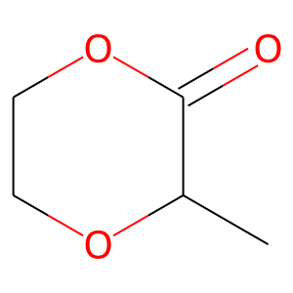 | -9.85 | -13.71595181 | -10.75279868 | -15.02317308 |  | 10.1002/pi.2871
4 | [*]OC(CCC(C)CC([*])=O)C(C)C | CC1CCC(C(C)C)OC(=O)C1 | 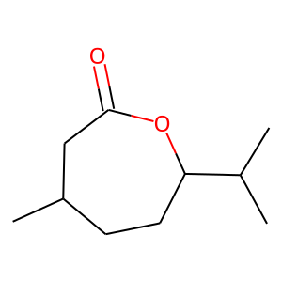 | -16.8 | 13.87573289 | 8.046920075 | 5.92479787 | 4.540847171 | 10.1021/bm050076t
6 | [*]OCCC(C)CC([*])=O | CC1CCOC(=O)C1 | 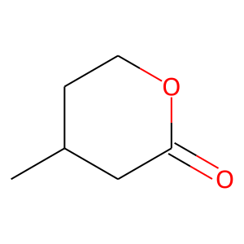 | -13.8 | 16.01082059 | 3.439502406 | -0.339636737 | -1.982656629 | 10.1073/pnas.1404596111
7 | [*]OCCCC([*])=O | O=C1CCCO1 | 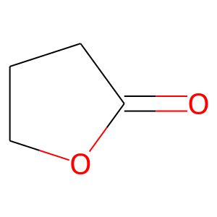 | -5.4 | 1.833305271 | -0.486138668 | 0.739760867 |  | 10.1038/nchem.2391
9 | [*]OC(C)CCCC([*])=O | CC1CCCC(=O)O1 | 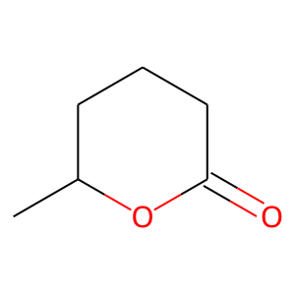 | -13.8 | -14.03490709 | -13.04904261 | -16.31028882 | -14.40586034 | 10.1002/1521-3935(20020401)203:5/6<889::AID-MACP889>3.0.CO;2-O Phys. 2002, 203, 889
12 | [*]OC(CCCCC)CCCC([*])=O | CCCCCC1CCCC(=O)O1 | 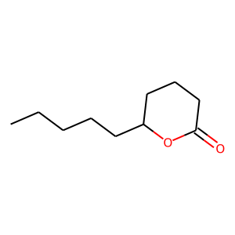 | -17.1 | -1.267360558 | -6.283731864 |  | -6.288428231 | 10.1021/mz200006s
13 | [*]OC(C)OCCC([*])=O | CC1OCCC(=O)O1 | 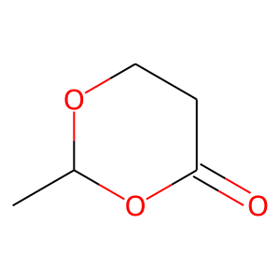 | -11.6 |  |  |  |  | 10.1021/mz5005794
15 | [*]OCCOCC([*])=O | O=C1COCCO1 | 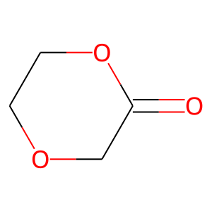 | -14.1 | 11.14237359 | 4.007923926 | 0.281553899 |  | 10.1021/ma000457t
17 | [*]OCCCCC([*])=O | O=C1CCCCO1 | 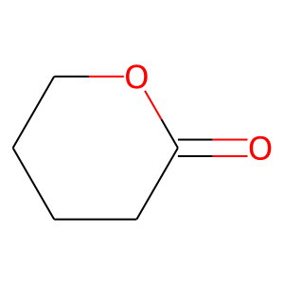 | -8.4 | -23.31413785 | -23.81459703 | -15.81772788 | -12.84841687 | 10.1002/1521-3935(20020401)203:5/6<889::AID-MACP889>3.0.CO;2-O
19 | [*]OCCCCCC([*])=O | O=C1CCCCCO1 | 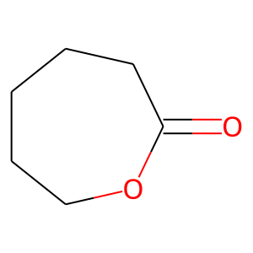 | -14 | -21.88053303 |  |  |  | 10.1002/1521-3935(20020401)203:5/6<889::AID-MACP889>3.0.CO;2-O
21 | [*]OC1CCCCC1CC([*])=O | 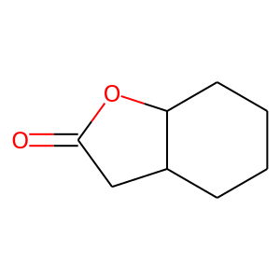 O=C2CC1CCCCC1O2 |  | -18 |  |  |  |  | 10.1038/pj.2013.70, 10.1126/science.aar5498
23 | [*]SC1CC(C([*])=O)N(C(=O)OC(C)(C)C)C1 | CC(C)(C)OC(=O)N1CC2CC1C(=O)S2 | 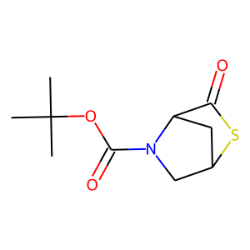 | -15.6 |  |  |  |  | 10.1021/jacs.9b00031
24 | [*]SC(C)(C)C(NC(=O)OCCOCCOCCOCC=C)C([*])=O | C=CCOCCOCCOCCOC(=O)NC1C(=O)SC1(C)C | 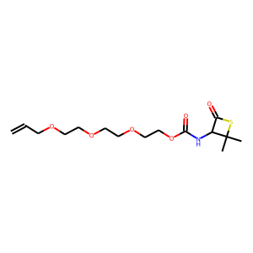 | -9.4 |  |  |  |  | 10.1016/j.chempr.2020.06.003
25 | [*]OCC1CCCCC1C([*])=O | O=C1OCC2CCCCC12 | 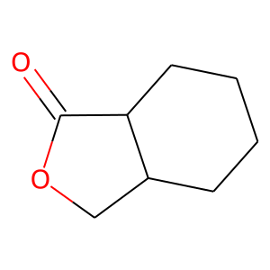 | -20 |  |  |  |  | 10.1126/science.aar5498
32 | [*]CC(CC)(COCC=C)COC(=O)O[*] | C=CCOCC1(CC)COC(=O)OC1 | 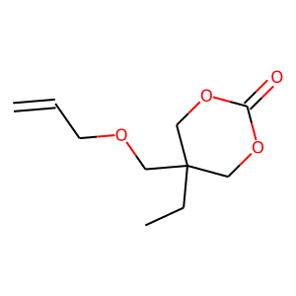 | -22 | -17.37939975 |  |  |  | 10.1021/acs.biomac.6b01375
39 | [*]NCC(C)(CCCC)C([*])=O | CCCCC1(C)CNC1=O | 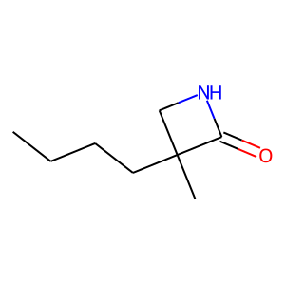 | -79.84 |  |  |  |  | ring opening polymerization of cyclic amides by russo and casazza, 10.1002/pol.1976.170141003
42 | [*]NCCCCCC([*])=O | O=C1CCCCCN1 | 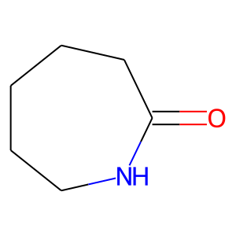 |  | -14.72268517 | -16.73565293 | -17.24872697 | -19.18464135
43 | [*]NCCCCCCC([*])=O | O=C1CCCCCCN1 | 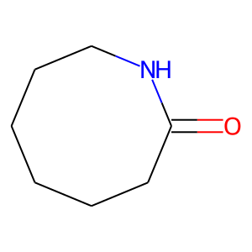 |  | -3.021831515 | -7.467875002 | -8.608686401 | -12.85395421
44 | [*]NCCCCCCCC([*])=O | O=C1CCCCCCCN1 | 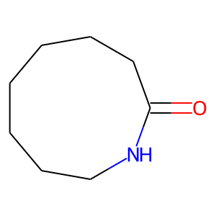 |  | -19.99289416 | -25.26924393 | -25.71595631 | -26.13836047
48 | [*]NCCCCCCCCCCCC([*])=O | O=C1CCCCCCCCCCCN1 | 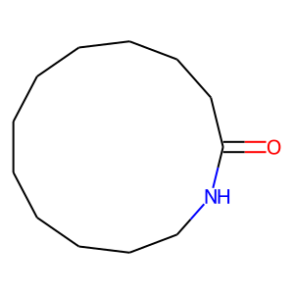 |  | -8.63718757 | -7.482074848 | -12.95315483 | -7.351936979
49 | [*]CCC[*] | C1CC1 |  | -113 | -77.80608666 | -80.70405051 | -87.27074861 | -88.76884186 | Thermodynamics and kinetics of ring-opening polymerization by Andrzej Duda and Adam Kowalski, https://pubs.rsc.org/en/content/articlepdf/1958/qr/qr9581200061, 10.1039/QR9581200061
50 | [*]CCO[*] | C1CO1 | 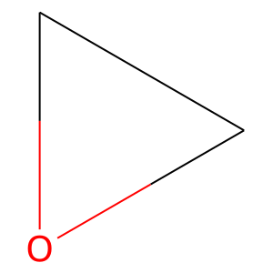 | -94 | -77.59291621 | -87.90154793 | -87.84665484 | -87.92363497 | ['Ethylene Oxide Product Stewardship Guidance Manual', '10.1246/bcsj.20170073']
51 | [*]CCCC[*] | C1CCC1 | 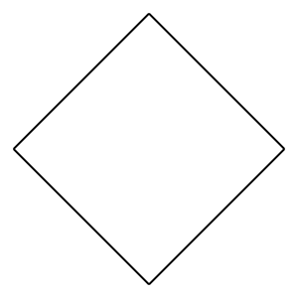 | -105.01 | -74.24708984 | -83.77629971 | -83.95694087 | -85.23316677 | Thermodynamics and kinetics of ring-opening polymerization by Andrzej Duda and Adam Kowalski, https://pubs.rsc.org/en/content/articlepdf/1958/qr/qr9581200061, 10.1039/QR9581200061
52 | [*]OCCC([*])=O | O=C1CCO1 | 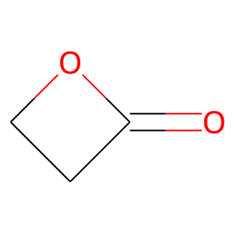 | -81 | -61.38751255 | -67.41640473 | -70.03088211 | -70.97096181 | [Thermodynamics and kinetics of ring-opening polymerization by Andrzej Duda and Adam Kowalski, Acta. Chem. Scand. vol. 30, no. 3, p. 14 (1966)]
53 | [*]CCCCC[*] | C1CCCC1 | 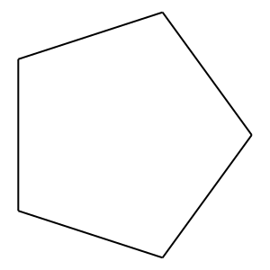 | -21.2 | -1.506184755 | -7.007313591 | -7.780150848 | -9.683952182 | Thermodynamics and kinetics of ring-opening polymerization by Andrzej Duda and Adam Kowalski, 10.1039/QR9581200061
82 | O=C([*])CCC(C=CC=C1)=C1S[*] | O=C1SC2=C(C=CC=C2)CC1 | 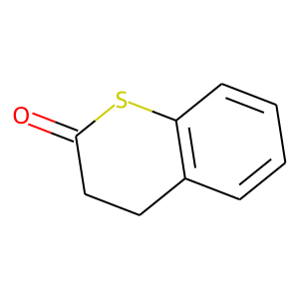 |  | 15.79791922
85 | O=C([*])C(C=CC=C1)=C1CCS[*] | O=C1SCCC2=C1C=CC=C2 | 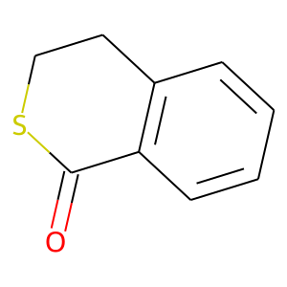 |  | 20.97241851
87 | O=C([*])C(C=CC=C1)=C1C(C=CC=C2)=C2S[*] | O=C1SC2=C(C=CC=C2)C3=C1C=CC=C3 | 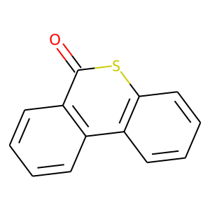 |  | 64.91100705
119 | O=C(CS[*])N(C)CC([*])=O | O=C(CS1)N(C)CC1=O | 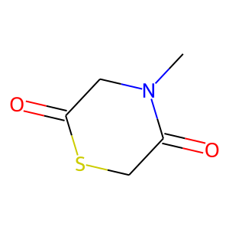 |  | 3.428888993
120 | O=C(CS[*])N(CC)CC([*])=O | O=C(CS1)N(CC)CC1=O | 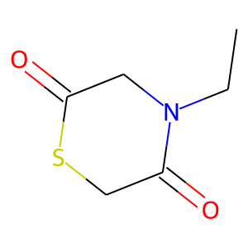 |  | 15.57861908
126 | O=C([*])[C@H](CC1=CC=CC=C1)NC(CS[*])=O | O=C1SCC(N[C@H]1CC2=CC=CC=C2)=O | 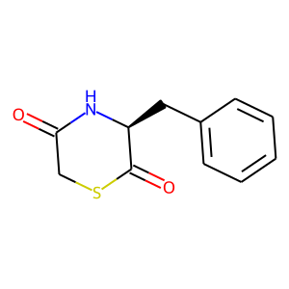 |  | 11.23041824
128 | O=C([*])[C@H](CC1=CC=CC=C1)NC([C@@H](CC2=CC=CC=C2)S[*])=O | O=C1S[C@H](CC2=CC=CC=C2)C(N[C@H]1CC3=CC=CC=C3)=O | 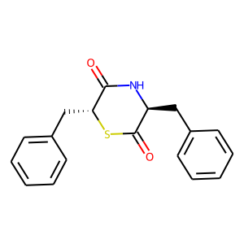 |  | 33.73019594
130 | O=C([*])[C@H](NC(OC(C)(C)C)=O)CS[*] | O=C1[C@H](NC(OC(C)(C)C)=O)CS1 | 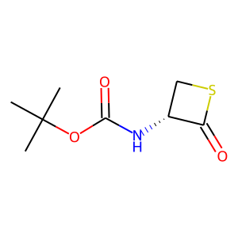 |  | -12.58206325
137 | S=C([*])CCS[*] | S=C1CCS1 | 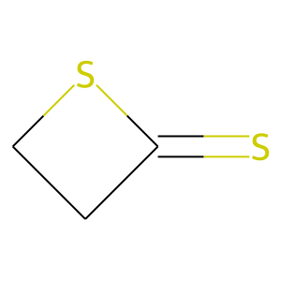 |  | -39.9990322
139 | S=C([*])CCCCS[*] | S=C1SCCCC1 | 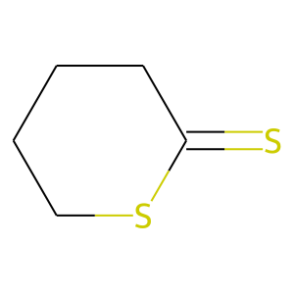 |  | 5.977821166 | -0.906514702 | -4.767364529 | -2.924421561
143 | O=C([*])CCO[*] | O=C1CCO1 |  |  | -59.94517864
146 | O=C([*])CCCCCO[*] | O=C1OCCCCC1 | 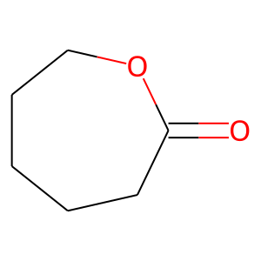 |  | -2.033869235
147 | O=C([*])CCCCCCO[*] | O=C1OCCCCCC1 | 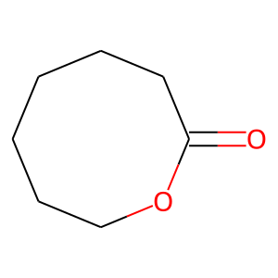 |  | -8.925926532
148 | S=C([*])CCO[*] | S=C1CCO1 | 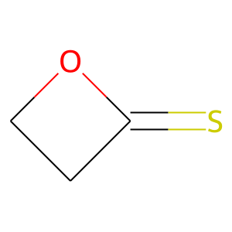 |  | -50.309591
150 | S=C([*])CCCCO[*] | S=C1OCCCC1 | 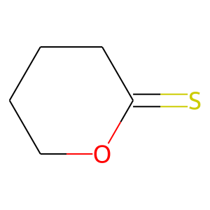 |  | -22.59146884 | -15.49741271 | -0.116126573 | -15.43978118
153 | O=C([*])CCS[*] | O=C1CCS1 | 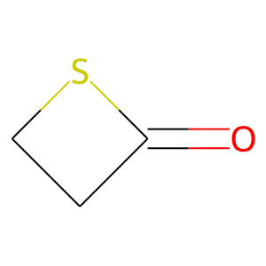 |  | -34.79451005
155 | O=C([*])CCCCS[*] | O=C1SCCCC1 | 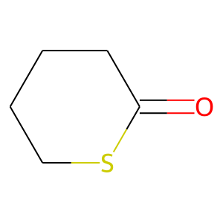 |  | 2.949607905
156 | O=C([*])CCCCCS[*] | O=C1SCCCCC1 | 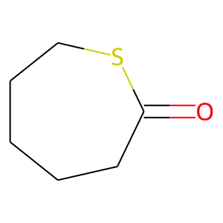 |  | -4.10823528
157 | O=C([*])CCCCCCS[*] | O=C1SCCCCCC1 | 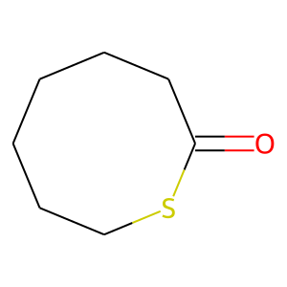 |  | -17.82558528
158 | O=C([*])CCN([*])[H] | O=C1CCN1[H] | 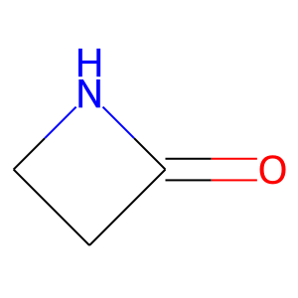 |  | -64.16603024
159 | O=C([*])CCCN([*])[H] | O=C1N([H])CCC1 | 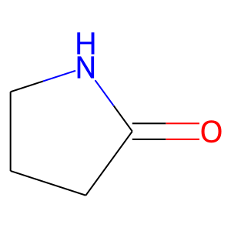 |  | 13.82213724
160 | O=C([*])CCCCN[*] | O=C1N([H])CCCC1 | 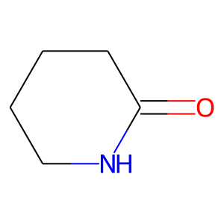 |  | 16.31117635 | 2.666517759 | 10.39476152
161 | O=C([*])CCCCCN([*])[H] | O=C1N([H])CCCCC1 | 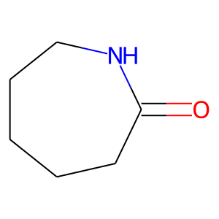 |  | -6.182988807
162 | O=C([*])CCCCCCN([*])[H] | O=C1N([H])CCCCCC1 | 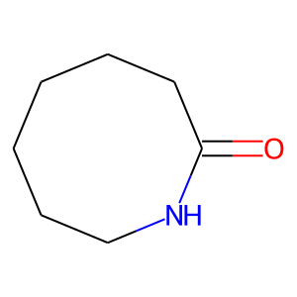 |  | -1.417682404
179 | O=C([*])OCO[*] | O=C1OCO1 | 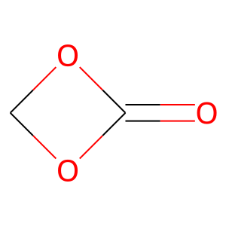 |  | -47.506745
180 | O=C([*])OCCO[*] | O=C1OCCO1 | 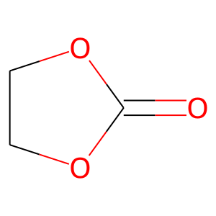 |  | -0.167827107
181 | O=C([*])OCCCO[*] | O=C1OCCCO1 | 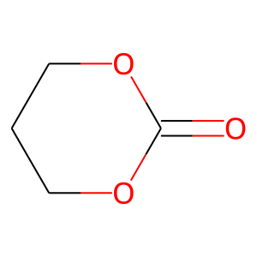 |  | -20.28836816 | -22.27262695 | -21.18165286 | -22.76343995
182 | O=C([*])OCCCCO[*] | O=C1OCCCCO1 |  |  | -33.04032899
183 | O=C([*])OCCCCCO[*] | O=C1OCCCCCO1 |  |  | -25.47696483
184 | O=C([*])OCN[*] | O=C1OCN1 |  |  | -59.36039119
185 | O=C([*])OCCN[*] | O=C1NCCO1 |  |  | -13.22767771
186 | O=C([*])OCCCN[*] | O=C1NCCCO1 |  |  | -19.83842388 | -18.83714474 | -16.58803255 | -16.95073881
187 | O=C([*])OCCCCN[*] | O=C1NCCCCO1 |  |  | -24.68605351
193 | O=C([*])CSCCO[*] | O=C1OCCSC1 |  |  | 16.29459527 | -6.10158765 | 1.4560203 | -7.931385457
210 | O=C([*])CCOCS[*] | O=C1SCOCC1 |  |  | 4.074156758
213 | O=C([*])COCCS[*] | O=C1SCCOC1 |  |  | 6.546714981
232 | S=C([*])CSCCS[*] | S=C1SCCSC1 |  |  | 12.48290654 | -1.539818465 | 9.037088134 | 3.894224371
270 | [*]SSSSSSSS[*] | S1SSSSSSS1 |  |  | -25.45288463
306 | O=C([*])C(C)CCCS[*] | O=C1SCCCC1C |  |  | 6.153657116
314 | O=C([*])CC(C)(C)CCS[*] | O=C1SCCC(C)(C)C1 |  |  | 13.67610125
315 | O=C([*])C(C)(C)CCCS[*] | O=C1SCCCC1(C)C |  |  | -1.833 | 5.126 | -5.636 | -2.77
336 | S=C([*])CC(C)CCS[*] | S=C1SCCC(C)C1 |  |  | 20.61679172
337 | S=C([*])C(C)CCCS[*] | S=C1SCCCC1C |  |  | 3.064154829
364 | O=C([*])CCCS[*] | O=C1SCCC1 |  |  | 10.79236276
365 | O=C([*])CSCCS[*] | O=C1SCCSC1 |  |  | -1.642225447 | -14.87378653 | 0.701729401 | -1.308581357
366 | O=C([*])COCCS[*] | O=C1SCCOC1 |  |  | 19.44905583
367 | O=C([*])CCCCS[*] | O=C1SCCCC1 |  |  | 1.614914237
371 | O=C([*])C1=CC=CC=C1OCCS[*] | O=C1SCCOC2=CC=CC=C21 |  |  | -0.745072248
377 | O=C([*])SCCCS[*] | O=C1SCCCS1 |  |  | -13.45705673
378 | O=C([*])OCCCS[*] | O=C1SCCCO1 |  |  | -4.397160544
380 | S=C([*])SCCCS[*] | S=C1SCCCS1 |  |  | 1.848104544
381 | S=C([*])OCCS[*] | S=C1SCCO1 |  |  | 16.02032358
388 | [*]C1=CC=CC=C1C(C=CC=C2)=C2CCS[*] | C12=CC=CC=C1SCCC3=C2C=CC=C3 |  |  | 9.853403215
391 | [*]C=CCCC[*] | C1=CCCC1 |  |  | 8.427346869
413 | [*]CCO[*] | C1CO1 |  |  | -87.08590838
415 | [*]CC(C)O[*] | CC1CO1 |  |  | -62.55819428
453 | [*]CCCO[*] | C1COC1 |  |  | -79.46690225
476 | [*]CCC(C)O[*] | CC1CCO1 |  |  | -60.36210474
477 | [*]CC(C)CO[*] | CC1COC1 |  |  | -62.10323929
492 | [*]CC(O)CO[*] | OC1COC1 |  |  | -76.90097026
507 | [*]CCSS[*] | C1CSS1 |  |  | -84.84755151
510 | [*]CC(C)S[*] | CC1CS1 |  |  | -34.08020645
512 | [*]CC(CC)S[*] | CCC1CS1 |  |  | -25.56675576
518 | [*]CCCSS[*] | C1CSSC1 |  |  | -12.62530577
521 | [*]CC(C)(C)S[*] | CC1(C)CS1 |  |  | -30.01654924
522 | [*]CCC(C)S[*] | CC1CCS1 |  |  | -47.44378139
525 | [*]CCCCS[*] | C1CCSC1 |  |  | 9.39832671
556 | [*]CCC(=O)O[*] | O=C1CCO1 |  |  | -51.83818412
578 | [*]CCC(=O)N[*] | O=C1CCN1 |  |  | -77.50217151
616 | [*]CCN[*] | C1CN1 |  |  | -85.32588121
753 | [*]C=CC([*])(C)C | CC1(C)C=C1 |  |  | -164.0711816
787 | [*]CCCCC(=O)S[*] | O=C1CCCCS1 |  | -4.9 | 3.879360964 | 3.353366043 | -6.071564212 | 5.38139467 | 10.1021/acsmacrolett.2c00319
937 | [*]CCCS([*])=O | O=S1CCC1 |  |  | -33.75944496
949 | [*]SCCSCC([*])=O | O=C1CSCCS1 |  | -9.5 | 7.962146695 | 0.092884259 | 3.271864735 | -2.972104713 | 10.1021/acsmacrolett.2c00319
969 | [*]OCCOP([*])(=O)OC | COP1(=O)OCCO1 |  | -14 |  |  |  |  | 10.1002/marc.1984.030050501
979 | [*]OCCCCCCCCCCCCC([*])=O | O=C1CCCCCCCCCCCCO1 |  | -8 |  |  |  |  | 10.1002/pol.1966.150041208, Dubios, Coulembier, Raquez, Handbook of Ring-Opening Polymerizations
981 | [*]OC1CCCCC1OC([*])=O | O=C2OC1CCCCC1O2 |  | -23 | 25.71785231 |  |  |  | 10.1038/pj.2013.50
983 | [*]OCCCOC([*])=O | O=C1OCCCO1 |  | -26 | -22.7605 |  | -25.2132 |  | 10.1021/ma971227q
986 | [*]CCCCO[*] | C1CCOC1 |  | -24 | 4.119127338 |  | 5.309380425 |  | 10.1016/0032-3861(89)90162-6
988 | [*]OCCCNC([*])=O | O=C1NCCCO1 |  | -18 | -17.79449175 | -19.34593302 | -15.6907 | -13.64087459 | 10.1002/macp.1997.021980104
990 | [*]CCC[*] | C1CC1 |  | -112.968 | -72.64692221 |  | -84.27413751 |  | 10.1039/TF9555101710
991 | [*]CCCC[*] | C1CCC1 |  | -105.0184 | -78.53856639 | -78.97271516 | -80.25626972 |  | 10.1039/TF9555101710
992 | [*]CCCCC[*] | C1CCCC1 |  | -21.7568 | 0.403761577 |  | -4.389502829 | -6.054926012 | 10.1039/TF9555101710
993 | [*]CCCCCC[*] | C1CCCCC1 |  | 2.9288 | 13.0056018 | 9.303631449 | 10.08117315 | 10.66282005 | 10.1039/TF9555101710, 10.1039/QR9581200061
994 | [*]CCCCCCC[*] | C1CCCCCC1 |  | -21.7568 | -4.755560263 | -10.22796667 | -15.46561841 | -11.62848801 | 10.1039/TF9555101710
995 | [*]CCCCCCCC[*] | C1CCCCCCC1 |  | -34.7272 | -18.51636315 | -19.39271088 | -19.29645588 | -22.18322819 | 10.1039/TF9555101710
996 | [*]CCNC(=O)O[*] | O=C1NCCO1 |  | -1.7 | -16.39013489 | -14.91023392 | -20.32213256 | -19.64936187 | 10.1002/1521-3935(20020501)203:8<1114::aid-macp1114>3.0.co;2-p
997 | [*]CCCNC(=O)O[*] | O=C1NCCCO1 |  | -18 |  |  |  |  | 10.1002/1521-3935(20020501)203:8<1114::aid-macp1114>3.0.co;2-p
998 | [*]CC(C)CNC(=O)O[*] | CC1CNC(=O)OC1 |  | -1.7 | -6.261814756 |  | -3.235096868 |  | 10.1002/1521-3935(20020501)203:8<1114::aid-macp1114>3.0.co;2-p
999 | [*]CC(C)(C)CNC(=O)O[*] | CC1(C)CNC(=O)OC1 |  | 29 | -13.34343936 | -11.1838801 | -11.22595021 | -11.32176653 | 10.1002/1521-3935(20020501)203:8<1114::aid-macp1114>3.0.co;2-p
1001 | [*]CCCCNC(=O)O[*] | O=C1NCCCCO1 |  | -40 | -25.75420323 | -27.10674402 | -29.56420021 |  | 10.1002/1521-3935(20020501)203:8<1114::aid-macp1114>3.0.co;2-p
1002 | [*]CCCCC=[*] | C1=CCCC1 |  | -23.43 | -4.043415373 | -8.267577357 | -7.348657438 |  | 10.1039/c3py00584d
1003 | [*]CCCS(=O)(=O)O[*] | O=S1(=O)CCCO1 |  | -23.012 | -13.92313408 | -15.66670898 | -15.09010852 |  | 10.1295/polymj.6.238
1007 | [*]OCCN(CC([*])=O)C(=O)OC(C)(C)C | CC(C)(C)OC(=O)N1CCOC(=O)C1 |  | -19.63 | -1.046487956 |  |  |  | 10.1021/ja503830c
1009 | [*]OCCOCC([*])=O | O=C1COCCO1 |  | -19 |  |  |  |  | 10.1016/j.molcatb.2013.06.004
1026 | [*]SCCC(CCCCC(OCC)=O)S[*] | O=C(OCC)CCCCC1CCSS1 |  | -15.7 | 4.410939685 |  |  |  | 10.1002/pol.20200765
1027 | [*]C(C1=CC=C(C(OCC(C)CO[*])=O)C=C1)=O | O=C(OCC(C)COC(C1=CC=C(C(OCC(C)COC2=O)=O)C=C1)=O)C3=CC=C2C=C3 |  | -1.07 |  |  |  |  | 10.1007/s10118-018-2161-4
1028 | [*]C(C1=CC=C(C(OCC(C)(C)CO[*])=O)C=C1)=O | O=C(OCC(C)(C)COC(C1=CC=C(C(OCC(C)(C)COC2=O)=O)C=C1)=O)C3=CC=C2C=C3 |  | -2.67 |  |  |  |  | 10.1007/s10118-018-2161-4
1029 | [*]OCC(C)CC[*] | CC1CCOC1 |  | -22.59 | 7.9565 |  | 3.8842 | 4.6463 | 10.1021/ma50005a048
1030 | [*]=CCC(C1=CC=CC=C1)CC=[*] | C1C=CCC1C2=CC=CC=C2 |  | -21.34 |  |  |  |  | 10.1002/marc.201600121
1031 | O=C([C@@H]1CC[C@@H](OC1)N[*])[*] | O=C1N[C@H]2CCC[C@@H]1O2 |  | -23.8 |  |  |  |  | 10.1002/pol.1989.140270905
1034 | [*]CC(C)C[*] | CC1CC1 |  | -100.83 | -61.92704099 | -76.18009596 | -74.97073132 | -75.04097115 | 10.1039/TF9555101710
1035 | [*]CCC(C)C[*] | CC1CCC1 |  | -95.81 | -66.83285016 | -71.3266188 | -74.44854241 |  | 10.1039/TF9555101710
1036 | [*]CCCC(C)C[*] | CC1CCCC1 |  | -12.97 | 4.470796813 | 2.772601701 | 0.58801081 | 0.148490862 | 10.1039/TF9555101710
1037 | [*]CC(C)CCCC[*] | CC1CCCCC1 |  | 13.39 | 19.528556 | 15.08862801 | 21.0243825 | 16.43571287 | 10.1039/TF9555101710
1038 | [*]CC(C)(C)C[*] | CC1(C)CC1 |  | -57.32 | -62.4445 |  | -63.5806 | -64.8374 | 10.1039/TF9555101710
1039 | [*]CC(C)(C)CC[*] | CC1(C)CCC1 |  | -85.35 |  |  |  |  | 10.1039/TF9555101710
1040 | [*]CC(C)(C)CCC[*] | CC1(C)CCCC1 |  | 0.84 | 18.18336602 | 12.72820579 |  | 7.912484867 | 10.1039/TF9555101710
1041 | [*]CC(C)(CCCC[*])C | CC1(C)CCCCC1 |  | 21.76 | 37.13267441 | 29.97799281 | 30.32821801 | 28.56173798 | 10.1039/TF9555101710
1043 | [*]CCCCCC(=S)O[*] | S=C1CCCCCO1 |   | -24.23 | -2.129801604 | -5.461991638 | -15.8349 | -5.972706599 | 10.1039/D0PY01393E
1044 | O=C(CCCCCCO[*])[*] | O=C1OCCCCCC1 |  | -19.25 | -11.64195771 |  | -12.13888838 |  | 10.1039/D0PY01393E
1045 | [*]SC1CCC(C([*])=O)C1 | O=C1S[C@@H]2CC[C@H]1C2 |  | -14.1 | 11.92158339 |  |  |  | 10.1126/sciadv.abc0495
1046 | [*]SC1CCC(C([*])=O)C1 | O=C1S[C@@H]2CC[C@H]1C2 |  | -14.1 |  |  |  |  | 10.1126/sciadv.abc0495
1048 | [*]CCSC(C)(C)C(=O)S[*] | CC1(C)SCCSC1=O |  | -19.3 | -14.43999878 | -9.907043821 | -9.370968395
1049 | [*]CCSC(C)C(=O)S[*] | CC1SCCSC1=O |  | -10.2 | -7.52442262 | -3.655677487 | 0.032691729
1050 | [*]OCCCC(C)C([*])=O | CC1CCCOC1=O |  | -13 | -19.83627825 | -24.19549237 | -18.32158566 | -18.44398124 | 10.1021/acs.macromol.6b00211
1051 | [*]OCC(C)CCC([*])=O | CC1CCC(=O)OC1 |  | -15.8 | 11.01435646 |  | 4.474823968 |  | 10.1021/acs.macromol.6b00211
1052 | [*]OC(CC)CCCC([*])=O | CCC1CCCC(=O)O1 |  | -16.4 | -1.531521223 | -4.104394462 | -4.63749208 | -5.354062626 | 10.1021/acs.macromol.6b00211
1053 | [*]OC(CCC)CCCC([*])=O | CCCC1CCCC(=O)O1 |  | -18.5 | 9.227649839 | -0.878754717 | -8.390863706 | -1.615599348 | 10.1021/acs.macromol.6b00211
1054 | [*]OC(CCCC)CCCC([*])=O | CCCCC1CCCC(=O)O1 |  | -17 | -13.06924352 |  | -7.670817671 | -10.69866635 | 10.1021/acs.macromol.6b00211
1055 | [*]OC(CCCCC)CCCC([*])=O | CCCCCC1CCCC(=O)O1 |  | -18 | -6.05318709 | -4.330514587 |  | -10.65648829 | 10.1021/acs.macromol.6b00211
1056 | [*]OC(CCCCCC)CCCC([*])=O | CCCCCCC1CCCC(=O)O1 |  | -18.4 | -4.30694125 | -4.762329308 | -5.588192456 |  | 10.1021/acs.macromol.6b00211
1057 | [*]OC(CCCCCCC)CCCC([*])=O | CCCCCCCC1CCCC(=O)O1 |  | -18.7 | -0.0976 | -0.0676 | -0.0676 | -0.09238 | 10.1021/acs.macromol.6b00211
1058 | [*]OC(CCCCCCCCC)CCCC([*])=O | CCCCCCCCCC1CCCC(=O)O1 |  | -16.8 | -16.26371583 | -9.853581061 | -22.28829159 | -16.09295995 | 10.1021/acs.macromol.6b00211
1059 | [*]OC(C)CC(CC([*])=O)C(C)C | CC(C)C1CC(=O)OC(C)C1 |  | -16.8 | 6.247521176 |  |  |  | 10.1021/bm050076t
1060 | [*]OCCC(=C)C([*])=O | C=C1CCOC1=O |  | -5.9 | -3.887183916 | -6.753660511 | -7.431898595 | -6.468975756 | 10.1021/jacs.6b07974
1061 | [*]OCCC(=C)C([*])=O | C=C1CCOC1=O |  | -5.9 |  |  |  |  | 10.1021/jacs.6b07974
1062 | [*]O[Si](C)(C)N(C)[Si](C)(C)O[Si]([*])(C)C | CN1[Si](C)(C)O[Si](C)(C)O[Si]1(C)C |  | -4.5 |  |  |  |  | 10.1021/ma061708m
1063 | [*]OC(C)C(=O)OC(C)C([*])=O | CC1OC(=O)C(C)OC1=O |  | -23.9 | -30.23019139 |  |  |  | 10.1021/ma0007177
1066 | [*]CC=CCC[*] | C1=CCCC1 |  | -16.8252222 | -26.7933569 | 1.590599001 | -2.60180517 | -6.270675652 | 10.1021/acsmacrolett.8b00422
1067 | [*]CC=CCC([*])O[Si](C)(C)C(C)(C)C | CC(C)(C)[Si](C)(C)OC1CC=CC1 |  | -17.5751901 |  |  |  |  | 10.1021/acsmacrolett.8b00422
1068 | [*]CC=CCC([*])C(=O)OCc1ccccc1 | O=C(OCc1ccccc1)C2CC=CC2 |  | -21.0207189 | -6.520283869 |  |  |  | 10.1021/acsmacrolett.8b00422
1069 | [*]CC=CCC([*])OCc1ccccc1 | C2=CCC(OCc1ccccc1)C2 |  | -15.2803881 | 10.03432329 |  |  |  | 10.1021/acsmacrolett.8b00422
1070 | [*]CC=CCC([*])COCc1ccccc1 | C2=CCC(COCc1ccccc1)C2 |  | -17.5984707 | 7.931354161 |  |  |  | 10.1021/acsmacrolett.8b00422
1071 | [*]CC=CCC([*])CO | OCC1CC=CC1 |  | -18.3999885 | 10.46547962 |  |  |  | 10.1021/acsmacrolett.8b00422
1072 | [*]CC=CCC([*])C(=O)OC | COC(=O)C1CC=CC1 |  | -14.83722525 | 2.493627846 |  |  |  | 10.1021/acsmacrolett.8b00422
1073 | [*]CC=CCC([*])C(=O)O | O=C(O)C1CC=CC1 |  | -12.7810494 | 3.756341052 |  |  |  | 10.1021/acsmacrolett.8b00422
1074 | [*]CC=CCC([*])OC(=O)C(C)(C)Br | CC(C)(Br)C(=O)OC1CC=CC1 |  | -22.6 |  |  |  |  | 10.1021/acsmacrolett.8b00576
1075 | [*]CC=CCC([*])c1ccccc1 | C2=CCC(c1ccccc1)C2 |  | -21.358666 | 2.484686522 |  |  |  | 10.1002/marc.201600121
1077 | [*]CC=CCC([*])O | OC1CC=CC1 |  | -11.5015876 | 1.460255778 |  |  |  | 10.1021/acsmacrolett.8b00422
1078 | [*]NC1CCCC(C([*])=O)O1 | O=C1N([H])C2CCCC1O2 |  | -23.8 | 8.309905668 |  |  |  | 10.1016/s0079-6700(00)00018-6
1079 | [*]C(CC(C)CCS[*])=O | O=C1SCCC(C)C1 |  |  | 10.18487555 | 5.189630304 | 16.43839939 | 7.889116163
1080 | [*]C(CC(C)(C)CCS[*])=O | O=C1SCCC(C)(C)C1 |  |  | 4.79530228 | 15.72045307 | 8.952490205 | 8.481982121
1083 | O=C(C(C)CCC[*])S[*] | O=C1SCCCC1C |  | -4.5 | 5.156719567 | 3.412125761 |  |  | 10.1021/acsmacrolett.2c00319
1084 | [*]SC(C(C)(C)SCC[*])=O | O=C1SCCSC1(C)C |  | -19.3 | 2.051477731 |  |  |  | 10.1021/acsmacrolett.2c00319
1085 | [*]SC(C(C)SCC[*])=O | O=C1SCCSC1C |  | -10.2 | -1.746383267 |  |  |  | 10.1021/acsmacrolett.2c00319
1088 | [*]C/C=C/C(O[Si](C)(C)C)C[*] | C[Si](C)(OC1C=CCC1)C |  | -12.7 |  |  |  |  | 10.1016/j.eurpolymj.2019.109251
1089 | [*]C/C=C/C(C[*])O[Si](CC)(CC)CC | CC[Si](CC)(OC1C=CCC1)CC |  | -21.3 |  |  |  |  | 10.1016/j.eurpolymj.2019.109251
1090 | [*]C/C=C/C(O[Si](C(C)(C)C)(C)C)C[*] | C[Si](C(C)(C)C)(OC1C=CCC1)C |  | -6.8 |  |  |  |  | 10.1016/j.eurpolymj.2019.109251
1097 | O=C(OC)CCCCC(CCS[*])S[*] | O=C(OC)CCCCC1SSCC1 |  | -17.9 | -2.276168213 |  |  |  | 10.1021/jacs.9b08957
1098 | [*]CC(C)(C)COC(=O)O[*] | CC1(C)COC(=O)OC1 |  | -21 | -10.07935236 | -11.944881 | -10.98929443 | -10.78096692 | 10.1021/ma971227q
1099 | [*]CC(CC)(CC)COC(=O)O[*] | CCC1(CC)COC(=O)OC1 |  | -18 | -6.778891894 | -3.6278476 | -6.5224068 | -7.94845963 | 10.1021/ma971227q
1100 | [*]CC(C)(COC(=O)O[*])c1ccccc1 | CC2(c1ccccc1)COC(=O)OC2 |  | -16 | -13.81733726 | -13.50563381 | -18.69021919 | -11.592997 | 10.1021/ma971227q
1101 | [*]CC(CC)(COC(=O)O[*])c1ccccc1 | CCC2(c1ccccc1)COC(=O)OC2 |  | -5 | -0.698954629 | -0.585912777 | -3.105008474 | 1.619230023 | 10.1021/ma971227q
1103 | [*]CCSC(C1=CC=CC=C1)C(S[*])=O | O=C1SCCSC1C2=CC=CC=C2 |  |  | 6.488528096 |  | 3.31476191
1113 | [*]OC(C)CC(CC([*])=O)OC(C)=O | CC(=O)OC1CC(=O)OC(C)C1 |  | -25 | 2.805601428 |  |  |  | 10.1039/d1py00561h
1114 | [*]C(C(C1=CC=CC=C1)SCCS[*])=S | S=C1SCCSC1C2=CC=CC=C2 |  |  | -6.261756449 | 9.656307991 | 2.903066955 | 20.73346192
1115 | [*]C(C(C)SCCS[*])=S | S=C1SCCSC1C |  |  | 2.757849699 |  | 1.6094
1116 | [*]C(C(C)(C)SCCS[*])=S | S=C1SCCSC1(C)C |  |  | 5.78574804 | 4.792565957 | 5.188852776 | 14.59259161
1117 | [*]C(C(C)(C)SC(C(C)(C)S[*])=S)=S | S=C(C(C)(C)S1)SC(C)(C)C1=S |  |  | 26.94133165 | 31.11589264 | 37.54123923 | 49.12576204
1119 | S=C([*])OCCCS[*] | S=C1SCCCO1 |  |  | -11.99370944 | -11.41380236 | -11.04212546 | -2.342048508
1120 | S=C([*])OCCCO[*] | S=C1OCCCO1 |  |  | -18.22424177 | -17.35509188 | -14.87998212 | -14.22822233
1121 | [*]SC(C)C(=O)SC(C)C([*])=O | CC1SC(=O)C(C)SC1=O |  | -4.92 | 29.53577379 |  |  |  | 10.1002/anie.202109767
1122 | C=C(CCCS[*])CC1=C([*])C=CC([N+]([O-])=O)=C1 | C=C(CCCS1)CC2=C1C=CC([N+]([O-])=O)=C2 |  |  | -13.979345783 | -22.033341782 | -17.759923145 | -15.202538445
1123 | O=C(CCCS[*])CC1=C([*])C=CC([N+]([O-])=O)=C1 | O=C(CCCS1)CC2=C1C=CC([N+]([O-])=O)=C2 |  |  | -9.2412132643 | -0.88264953006 | -13.680879173 | 6.4831855111
1124 | OC(CCCS[*])CC1=C([*])C=CC([N+]([O-])=O)=C1 | OC(CCCS1)CC2=C1C=CC([N+]([O-])=O)=C2 |  |  | -11.881346428 | -11.044306341 | -3.0534260016 | -1.7414217992
1125 | O=C(CCCCS[*])CC1=CC([N+]([O-])=O)=CC=C1[*] | O=C1CC2=CC([N+]([O-])=O)=CC=C2SCCCC1 |  |  | -14.032842456 | -17.408150848 | -10.3274801 | -17.309145317
1126 | C=C(CCCCS[*])CC1=CC([N+]([O-])=O)=CC=C1[*] | C=C1CC2=CC([N+]([O-])=O)=CC=C2SCCCC1 |  |  | -4.3383733803 | -14.34327132 | -8.1524564451 | -5.5549228126
1127 | OC(CCCCS[*])CC1=CC([N+]([O-])=O)=CC=C1[*] | OC1CC2=CC([N+]([O-])=O)=CC=C2SCCCC1 |  |  | -4.7850524716 | -8.108704054 | -5.2106173796 | 4.5399898876
1128 | [*]C1=CC=C([N+]([O-])=O)C=C1CC(OC)CCCS[*] | O=[N+](C1=CC(CC(OC)CCCS2)=C2C=C1)[O-] |  | -17.88 |  |  |  |  | doi.org/10.1021/jacs.3c03455
1129 | [*]OCCCC(=C)C([*])=O | C=C1CCCOC1=O |  | -16.5 |  |  |  |  | 10.1021/jacs.6b07974
1130 | [*]OCC(CCC([*])=O)C(=O)OC | COC(=O)C1CCC(=O)OC1 |  | -15.2 |  |  |  |  | 10.1021/acsmacrolett.7b00889
1131 | [*]OCc1ccccc1OC(C)(C)C([*])=O | CC2(C)Oc1ccccc1COC2=O |  | -27.3 |  |  |  |  | 10.1021/jacs.1c10162
1132 | [*]OC1CCCC(C([*])=O)C1 | O=C1OC2CCCC1C2 |  | -21.1 |  |  |  |  | 10.1016/j.chempr.2021.02.003
1133 | [*]NC1CCCC(C([*])=O)C1 | O=C1NC2CCCC1C2 |  | -10 |  |  |  |  | 10.1021/jacs.1c12611
1134 | [*]COCCO[*] | C1COCO1 |  | -20 |  |  |  |  | 10.1126/science.abh0626
1135 | [*]=CCC[C@@H]1CC[C@H]1CCC=[*] | C/2=C/CC[C@@H]1CC[C@H]1CC2 |  | -8.8 |  |  |  |  | 10.1021/jacs.1c11197
1136 | [*]=CCC[C@H]1[C@H](CCC=[*])C(C(=O)OC)C1C(=O)OC | COC(=O)C2[C@H]1CC/C=C\CC[C@@H]1C2C(=O)OC |  | -7.1 |  |  |  |  | 10.1038/s41557-021-00748-5
1137 | [*]=CCC[C@H]2[C@H](CCC=[*])[C@@H]3C(=O)N(c1ccccc1)C(=O)[C@H]23 | O=C3[C@@H]2[C@H]1CC/C=C\CC[C@@H]1[C@@H]2C(=O)N3c4ccccc4 |  | -11.7 |  |  |  |  | 10.1038/s41557-021-00748-5
1138 | [*]=CCC[C@@H]1CCC[C@H]1CCC=[*] | C/2=C/CC[C@@H]1CCC[C@H]1CC2 |  | -12.1 |  |  |  |  | 10.1021/jacs.1c11197
1139 | [*]=CCC[C@@H]1OCO[C@H]1CCC=[*] | C/2=C/CC[C@@H]1OCO[C@H]1CC2 |  | -11.3 |  |  |  |  | 10.1021/jacs.1c11197
1140 | [*]=CCC[C@@H]1OC(C)O[C@H]1CCC=[*] | CC2O[C@H]1CC/C=C\CC[C@@H]1O2 |  | -10.9 |  |  |  |  | 10.1021/jacs.1c11197
1141 | [*]=CCC[C@@H]1OC(C)(C)O[C@H]1CCC=[*] | CC2(C)O[C@H]1CC/C=C\CC[C@@H]1O2 |  | -13.4 |  |  |  |  | 10.1021/jacs.1c11197
1142 | [*]=CCC[C@@H]1OC(CCCC)(CCCCC)O[C@H]1CCC=[*] | CCCCCC2(CCCC)O[C@H]1CC/C=C\CC[C@@H]1O2 |  | -13.8 |  |  |  |  | 10.1021/jacs.1c11197
1143 | [*]=CCC[C@@H]2OC1(CCCCC1)O[C@H]2CCC=[*] | C/3=C/CC[C@@H]2OC1(CCCCC1)O[C@H]2CC3 |  | -11.7 |  |  |  |  | 10.1021/jacs.1c11197
1144 | [*]OC1C=CCC(C([*])=O)C1 | O=C1OC2C=CCC1C2 |  | -34.7 |  |  |  |  | 10.1021/jacs.1c12278
1145 | [*]=CCC1CC(C=[*])OC1=O | O=C1OC2C=CCC1C2 |  | -19.8 |  |  |  |  | 10.1021/jacs.1c12278
1146 | [*]=CCCOC=[*] | C1=COCC1 |  | -20.9 |  |  |  |  | 10.1021/jacs.9b11834
1147 | [*]SCCCC(C)SC([*])=S | CC1CCCSC(=S)S1 |  | -18.11 |  |  |  |  | 10.1021/acs.macromol.2c01628

