WebServices
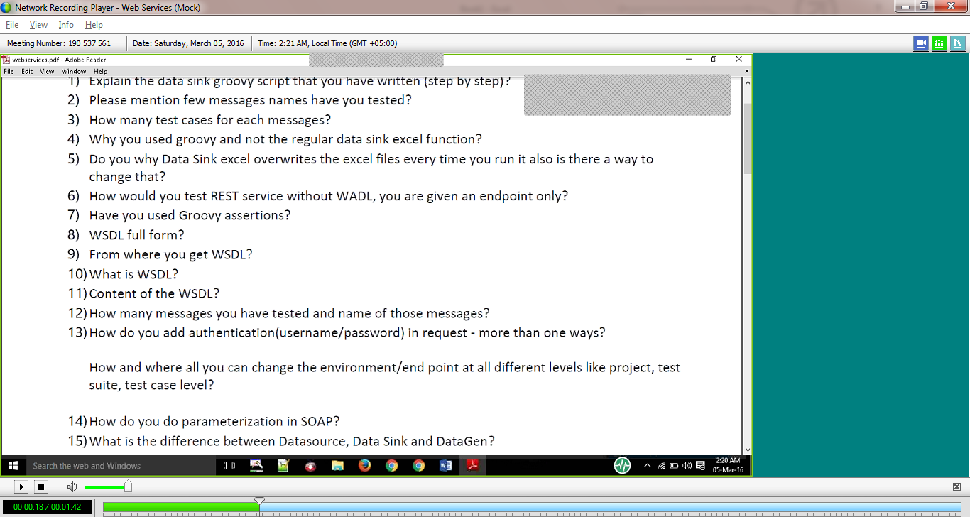

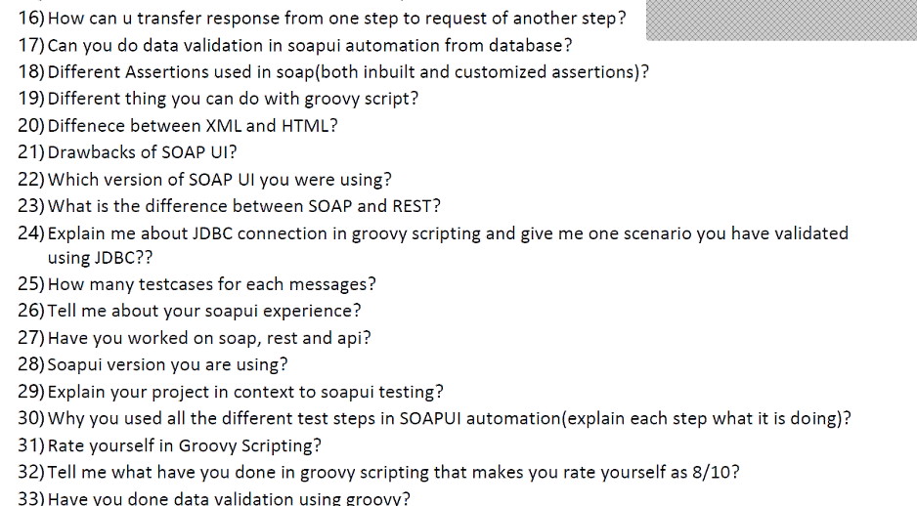

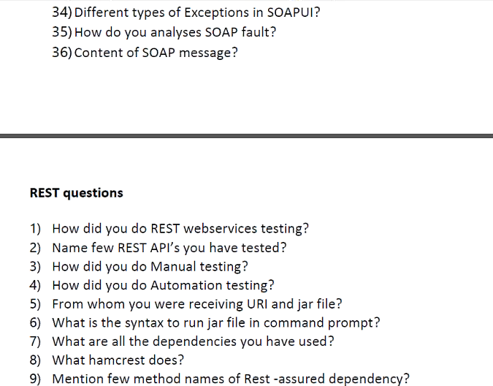

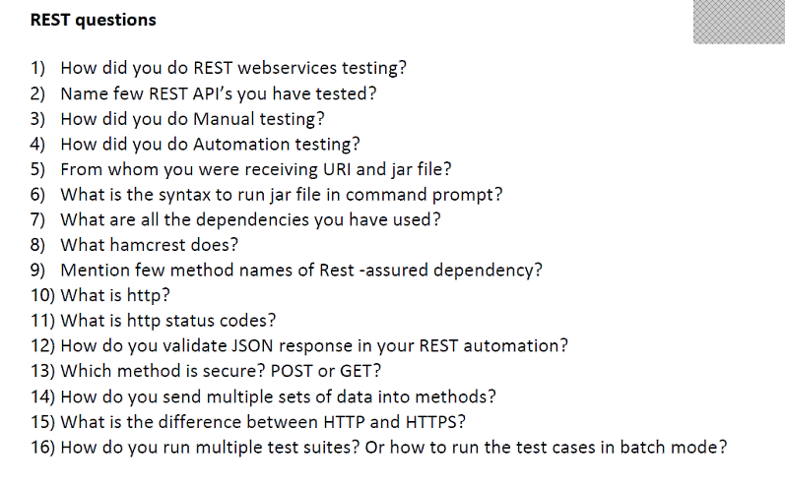

Java
No. | QUESTIONS | ANSWERS
1 | JVM and memory allocation | It is a Java Virtual Machine which enables us to run java programs and it also provides runtime environment. Memory is classifed into 5 types, 1.Class area - It contains class per class structures such as runtime data pool,fields and code for methods. 2. Heap - It is a runtime in which objects are collected. 3. Stack - It stores frames, local variables and partial results and also it plays a vital role in method invocation. 4. Program Counter: It contains address of JVM instruction which are currently being used. 5. Native method stack: It contains all the native methods used in the application
2 | Polymorphism and Encapsulation | Polymorphism: Polymorphism is the ability of an object to take on many forms. The most common use of polymorphism in OOP occurs when a parent class reference is used to refer to a child class object. It is acheived by Method overloading/overriding. Runtime polymorphism is a process in which a call to an overridden method is resolved at runtime rather than compile-time. Compile time polymorphism is a process of overloading a static method. Example: class Bike{ void run(){System.out.println("running");} } class Splender extends Bike{ void run(){System.out.println("running safely with 60km");} public static void main(String args[]){ Bike b = new Splender();//upcasting b.run(); } } Encapsulation: A mechanism of wrapping the data (variables) and code acting on the data (methods) together as as single unit where the variables of a class will be hidden from other classes, and can be accessed only through the methods of their current class, therefore it is also known as data hiding. Adv: A class can have total control over what is stored in its fields. Ex: private String name; public String getName(){ return name; }
3 | Method overloading and overriding | Method overloading: Same method with different parameters or arguments. Example: static int add(int a,int b){return a+b;} & static int add(int a,int b,int c){return a+b+c;} Method overriding: Same method with different method body or data types. Example: class Animal{ void eat(){System.out.println("eating...");} } class Dog extends Animal{ void eat(){System.out.println("eating bread...");} }
4 | Why string is immutable? | The string is Immutable in Java because String objects are cached in String pool. Since cached String literals are shared between multiple clients there is always a risk, where one client's action would affect all another client. For example, if one client changes the value of String "Test" to "TEST", all other clients will also see that value as explained in the first example. Since caching of String objects was important from performance reason this risk was avoided by making String class Immutable. Example: When we create a string in java like String s1="hello"; then an object will be created in string pool(hello) and s1 will be pointing to hello.Now if again we do String s2="hello"; then another object will not be created but s2 will point to hello because JVM will first check if the same object is present in string pool or not.If not present then only a new one is created else not.
5 | Diff. bt String and String buffer? | String: 1. It is Immutable means the value stored in the String object can’t be changed. 2. String is slow and consumes more memory when you concat too many strings because every time it creates new instance. String Buffer: 1. It is mutable means the value stored in the String object can be changed. 2. StringBuffer is fast and consumes less memory when you cancat strings.
6 | Diff. bt array and array list? | Array: 1. Array stores the values in indexed format. It is primitive data structure. 2. Array is fixed size and can’t grow dynamically. 3. Array can have multi dimensional. Array List: 1. ArrayList is re – sizable array. It is a collection and stores values as an object. 2. ArrayList is variable size and can grow or shrink dynamically. 3. ArrayList is single dimensional.
7 | Diff. bt hash map and hash table? | Hashmap: 1. HashMap permits null values as key and value. 2. HashMap is efficient than HashTable because HashMap is Unsynchronized(thread can be modified). Hashtable: 1. HashTable do not permit null values as key and value. 2. HashTable is less efficient because it is synchronized.
8 | Vector? | Vector implements a dynamic array. It is similar to ArrayList, but with two differences: 1. Vector is synchronized. 2. Vector contains many legacy methods that are not part of the collections framework. Vector proves to be very useful if you don't know the size of the array in advance or you just need one that can change sizes over the lifetime of a program.
9 | Set? | A Set is a Collection that cannot contain duplicate elements. The Set interface contains only methods inherited from Collection and adds the restriction that duplicate elements are prohibited.
10 | Abstract class? | A class which contains the abstract keyword in its declaration is known as abstract class. 1. Abstract classes may or may not contain abstract methods ie., methods with out body ( public void get(); ) 2. But, if a class have at least one abstract method, then the class must be declared abstract. 3. If a class is declared abstract it cannot be instantiated. 4.To use an abstract class you have to inherit it from another class, provide implementations to the abstract methods in it. 5. If you inherit an abstract class you have to provide implementations to all the abstract methods in it.
11 | interface | An interface is a reference type in Java, it is similar to class, it is a collection of abstract methods. A class implements an interface, thereby inheriting the abstract methods of the interface. NOTE: 1. IMPLEMENTS keyword is used in class to call interface. 2. Supports multiple interface.
12 | why java is platform independent? | Platform independent means that the code remains the same irrespective of the platform involved.
13 | Access modifiers & Example? | Public: Available to all class,Method,variables. Private: Availabe only within clas Protected: Available within class and subclass in same or different package. Default: Available to classes in same package and no keyword for this
14 | Java exceptions and Example? | The exception is said to be thrown whenever an exceptional event occurs in java which signals that something is not correct with the code written and may give unexpected result. Two types: 1)Checked Exception: The classes that extend Throwable class except RuntimeException and Error are known as checked exceptions e.g.IOException,SQLException etc. Checked exceptions are checked at compile-time. 2)Unchecked Exception: The classes that extend RuntimeException are known as unchecked exceptions e.g. ArithmeticException,NullPointerException etc. Unchecked exceptions are not checked at compile-time.
15 | Diff. bt throws and throwable? | Throws: A Keyword used in the method signature to indicate that the method may throw specified exception. Throwable: A super class the parent type of all errors and exceptions in java.Only objects that are instances of this class (or one of its subclasses) are thrown by the Java Virtual Machine
16 | Diff. bt error and exception? | Error: A irrecoverable event like out of memory and vm issue is error. Exeception: A recoverable event by using try and catch block is exception.
17 | Diff. bt Error,throwable and exception?
18 | Collection API and example? | A collection is an object that can hold references to other objects. The collection interfaces declare the operations that can be performed on each type of collection. Example: List aryLst = new ArrayList(); aryLst.add("x"); aryLst.add("y"); aryLst.add("z"); aryLst.add("w"); displayAll(aryLst);
19 | Diff. bt final and finally? | Final: It is a keyword used to apply restrictions on Method,Class and Variable. Note: Final class cannot be inherited & Final method cannot be overridden,Final value cannot be changed. Finally: It is a block used to place important code in try or try catch block which will be executed irrespective of exception.
20 | Will java supports multiple inheritance?Explain | Yes,If a class implements multiple interfaces it is known as multiple inheritance.
21 | Diff. types of interface?--List,Set,Queue | List can contain duplicate elements whereas Set contains only unique elements.
22 | What are wrapper class? Example. | A mechanism used to convert primitive data type to object & object to primitive data type is wrapper class. Example: 1: Primitive to object int a = 10; Integer I = Integer.ValueOf(a); 2. Object to primitive Integer b = new Integer(3); int c = b.intvalue(); int d = c;
23 | What is boxing and unboxing?Example. | Autoboxing: Conversion of primitive data type to object. Unboxing: Conversion of object to primitive data type.
24 | Explain for each loop? | This loop can be used very well with iteration over arrays and other such collections. Though you can use a “for” loop with the iteration operator, the code becomes much more readable with for-each loop when dealing with huge numbers.
25 | Iterators and example | Java iterator is an interface belongs to collection framework allow us to traverse the collection and access the data element of collection without bothering the user about specific implementation of that collection it. Iterator traverses the elements in forward direction only. Example: ArrayList al = new ArrayList(); // add elements to the array list al.add("C"); al.add("A"); al.add("E"); al.add("B"); al.add("D"); al.add("F"); // Use iterator to display contents of al System.out.print("Original contents of al: "); Iterator itr = al.iterator(); while(itr.hasNext()) { Object element = itr.next(); System.out.print(element + " "); } System.out.println();
26 | how to access private variables in diff. class? | Yes, by Using Field.setAccessible(true) in different class by interitance.
27 | What is static and dynamic polymorphism? | Runtime polymorphism or Dynamic Method Dispatch is a process in which a call to an overridden method is resolved at runtime rather than compile-time. Static Polymorphism: overload static method in java
28 | What is multithreading? | Multithreading in java is a process of executing multiple threads simultaneously. Thread is a smallest unit of processing. Multiprocessing and multithreading, both are used to achieve multitasking.They don't allocate separate memory area so saves memory, and context-switching between the threads takes less time than process. Advantages: 1) It doesn't block the user because threads are independent and you can perform multiple operations at same time. 2) You can perform many operations together so it saves time. 3) Threads are independent so it doesn't affect other threads if exception occur in a single thread.
29 | Deadlock?
30 | Upcasting? | When reference variable of Parent class refers to the object of Child class, it is known as upcasting.
31
32
33
34
35
36
37
38
39
40
41
42
43
44
45
46
47
48
49
50
51
52
53
54
55
56
57
58
59
60
61
62
63
64
65
66
67
68
69
70
71
72
73
74
75
76
77
78
79
80
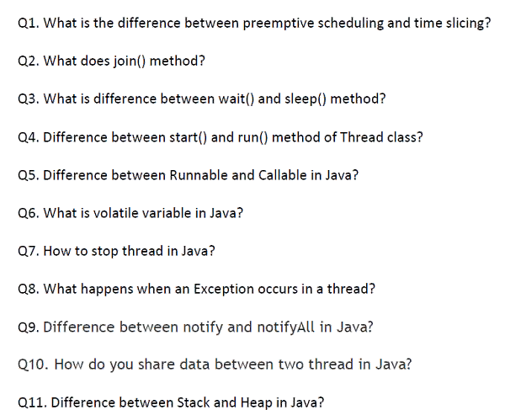
81
82
83
84
85
86
87
88
89
90
91
92
93
94
95
96
97
98
99
100
101
102
103
104
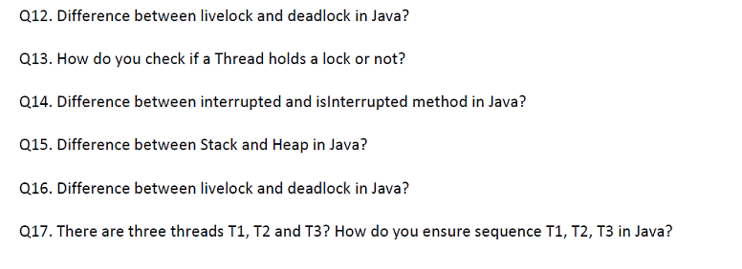
105
106
107
108
109
110
111
112
113
114
115
116
117
118
119

