SYSTEM
MODEL DEVELOPMENT (training/testing model)

INPUT | OUTPUT
DEPENDENT | INDEPENDENT | 1. Dependent, ito ung magiging input rin once na deploy na si software. Pero as for training and testing ito rin ung sa Input 2. Si Independent Yung mapapakitang result na ayon sa naging dependent variable input Pero since training and testing ng model, ito ung guide as anong variable sya. Also to add for the result ng software, Once na nakapag input si individual as to predict his/her data ay may lalabas nga na rating and saying na Pass or Fail, then under ay may recommendation logic kung tawagin, i mean base sa naging result nya either PASS or FAIL ay may lalabas na recommendation, which is mag rerely kung saang factor sya mababa, (ung factor na yun ay yung sa Board Exam Preparation, Cognitive Factors, Non-Cognitive Factors, and Institutional Factors). Si Educational Background kasi since its already in the past and di na saya a-under sya recommendation. so duon nlang mag fofocus sa mga pwede pa paghandaan to prepare the individual kung ano pa kailangan yang idevelop. And since for example na release na si software and napapagana na, Yung may entry din sana na for professors and student. Like may designate na track lang silang pipindutin o gagalawan sa software, like for the professors sila yung makikita nila kung sino na nakapag input and anong naging record nila, and also balak sana namin is since under ng factors (Institutional factor sa questionnaire) ay may Lima syang Sub part like (A, B, C, D, E) and may tig lilimang question sya, so maganda sana ay naka percentage side bar graph para mas madali nila icheck in TOTAL sa nag input na individual.
- Integrative Course Subject Grade (Math, EE, ESAS) | /PRC RESULT
- GWA | - Total Rating
Survey (Factors) | - Passed/failed
- Educational Background
- Board Exam preparation
- Cognitive Factors
- Non-Cognitive Factors
- Institutional Factors

OVERVIEW
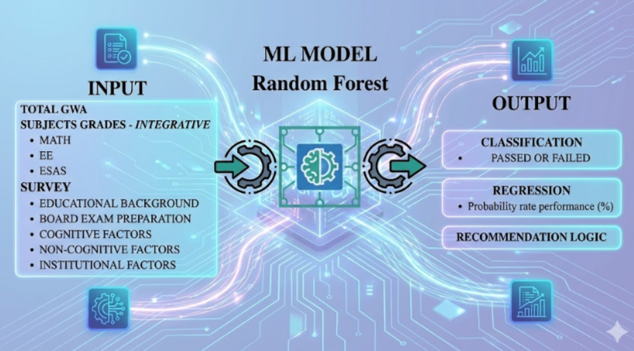

 |  | As for the data naman, from year 2022 to 2024 lang ang gagamitin to train and test the model or the input na magagamit sa random forest. Once na okay na lahat, may website na or software na then pwede na mag input ang isang individual. Si year 2025 ang gagamitin to test its software or the prediction itself kung accurate ba tlaga din.

 |  | For the model nman since meron na CLASSIFICATION and REGRESSION. May magkaiba silang evaluation method or formula na ginagamit to test their model.

