SYSTEM OBJECTIVES
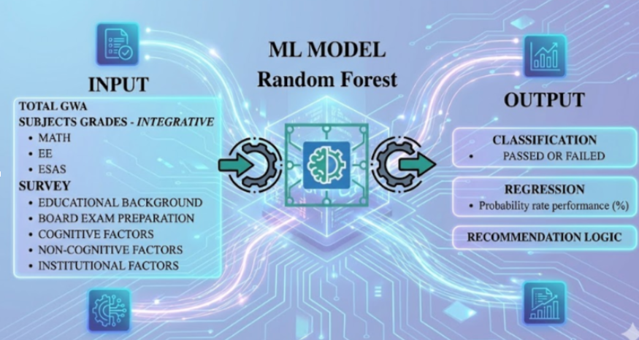
 |  |  |  |  |  |  |  |  |  |  |  | System Process Flow of the Prediction Software 1. Landing Page and System Introduction The system begins with a Landing Page Interface that introduces users to the software and explains its purpose. The landing page should provide a short description of the system, explaining that the software is designed to predict the likelihood of passing the Electrical Engineering Licensure Examination and provide insights that may help users improve their preparation. It should also present usage guidelines for different types of users, including: Students or individuals who will use the prediction system Faculty members or administrators who will monitor the system The landing page should provide basic instructions explaining how users can enter their information and generate prediction results. In addition, the page should include administrator guidelines, explaining how authorized personnel can access monitoring tools and analytics dashboards. A disclaimer note must also be displayed stating that prediction results depend on the accuracy and honesty of the information provided by the user. The note should also inform users that random or guessed responses may produce unreliable prediction results, which may not reflect their actual readiness for the licensure examination. 2. User Data Entry and Identification After accessing the system, users proceed to the User Prediction Interface where they input the necessary data required for the prediction model. The system should allow users to input academic and examination-related records, including: General Weighted Average (GWA) Individual subject ratings Board examination preparation factors Cognitive factors Non-cognitive factors Each user entry must be associated with a unique identifier, such as a student ID or system-generated ID, to allow proper tracking and monitoring within the system. Users should also be allowed to repeat the prediction process multiple times if they wish to update or reassess their in
 |  |  | MAIN OBJECTIVES OF THE STUDY
 |  |  | 1. To identify and model relevant features from the collected data that are hypothesized to significantly influence a student’s performance in the Registered Electrical Engineer (REE) licensure examination. 2. To develop and train a Random Forest classification and regression model using processed historical data to predict the probability of an Electrical Engineering student passing the REE licensure examination. 3. To evaluate and validate the performance of the developed Random Forest model using appropriate metrics and cross-validation techniques. 4. To extract and analyze actionable insights and patterns from the model’s prediction to pinpoint areas of strength and weakness in the current Electrical Engineering curriculum and student support system for interventions

SYSTEM LANDING PAGE |  | Administrator Monitoring Dashboard (Faculty Module) |  |  |  | User Prediction Interface (Student Module) |  |  |  | Machine Learning Model Development
TRUE | Provide a landing page explaining the system’s purpose, functionality, and prediction capability. | TRUE | Develop a dashboard for administrators to monitor all prediction records. |  |  | TRUE | Develop a user interface for entering personal, academic, and examination-related data (e.g., name, age, sex, year/month taking the exam). |  |  | TRUE | Use data 2022 to 2024 as for the model
TRUE | Clearly state that the system predicts the probability of passing the Electrical Engineering Licensure Examination | TRUE | Track system usage and user activity. |  |  | TRUE | Allow users to answer cognitive, non-cognitive, and board exam preparation factors. |  |  | TRUE | Develop prediction models using the Random Forest algorithm.
TRUE | Provide separate and concise usage guidelines for students and administrators. | TRUE | Display summarized prediction statistics (passers vs non-passers). |  |  | TRUE | Generate AI-based predictions showing pass/fail probability and expected rating. |  |  | TRUE | Implement both classification (pass/fail) and regression (rating prediction) models.
TRUE | Include step-by-step instructions on how to input data and generate predictions. | TRUE | Provide filtering options (monthly and yearly data). |  |  | TRUE | Allow users to update inputs and repeat the prediction process multiple times. |  |  | TRUE | Perform feature importance and correlation analysis among variables.
TRUE | Provide administrator instructions for accessing monitoring and analytics features. | Data Visualization & Analytics |  |  |  | TRUE | Assign a unique system-generated ID for each user entry. |  |  | TRUE | Identify key factors influencing licensure exam performance.
TRUE | Display a disclaimer emphasizing that prediction accuracy depends on truthful and accurate user input. | TRUE | Generate graphical visualizations (charts, graphs, trend analysis) of prediction data. |  |  | TRUE | Record and store all prediction attempts in the database. |  |  | TRUE | Data 2025 will be use to evaluate the prediction itself
 |  | TRUE | Display yearly and monthly prediction statistics. |  |  | Prediction Output & Recommendation System
 |  | TRUE | Provide comparative analysis across different years. |  |  | TRUE | Display prediction results including pass/fail classification and estimated board rating.
 |  | TRUE | Show trends in passing rates and predicted performance over time. |  |  | TRUE | Generate personalized recommendations based on user inputs and prediction results.
 |  | TRUE | Include a note indicating data is limited to first-time examinees. |  |  | TRUE | Focus recommendations on board preparation, cognitive, and non-cognitive improvement areas.
 |  | Model Evaluation & Performance Metrics |  |  |  | TRUE | Highlight specific actionable areas for improvement.
 |  | TRUE | Compute and display evaluation metrics for model performance. |  |  | TRUE | Ensure recommendations are visible only to the individual user.
 |  | TRUE | Present classification metrics (Accuracy, Precision, Recall, F1-Score, Confusion Matrix). |  |  | Questionnaire & Data Reliability Validation
 |  | TRUE | Present regression metrics (MAE, MSE, RMSE, R² Score). |  |  | TRUE | Detect inconsistent or random responses using validation rules.
 |  | TRUE | Generate performance reports for system evaluation. |  |  | TRUE | Analyze logical consistency across related questions.
 |  | Subject Performance & Trend Analysis |  |  |  | TRUE | Compute a reliability score to evaluate response accuracy.
 |  | TRUE | Generate subject performance graphs across multiple years. |  |  | TRUE | Categorize user responses based on predefined behavior patterns.
 |  | TRUE | Compare performance in key subjects (e.g., Math, EE, ESAS). |  |  | TRUE | Ensure the questionnaire is clear, readable, and logically organized.
 |  | TRUE | Identify subjects with increasing or decreasing trends.
 |  | AI-Based Insights & Reporting
 |  | TRUE | Generate automated insights based on prediction and historical data.
 |  | TRUE | Identify patterns in passing rates and performance trends.
 |  | TRUE | Provide comparative insights to support academic and faculty decision-making.

PREDICTOR FORM (Failed Safe for examinees taking survey seriously) |  |  |  | Student Page |  |  |  |  | Proffesor Page
TRUE | Put a Invisible Timer in each invidual survey questions only in the system the time will be save and can be view later in the professsor page , each survey part (Knowledge Self-Assessment) etc... |  |  | TRUE | Make A seperate history for a Attended formal review, this way the examinees can compare he/she result from having a going through a review center and not going through review center |  |  |  | TRUE | Make a seperate of attended formal review ( if the examinees already go through review center , or not ) this will be base on the examinees answer of Attended formal Review ? yes or no
TRUE | Define A Humanical Time answering for each question for example (Knowledge Self-Assessment : 1. I have a strong foundation in mathematics required for Electrical Engineering. 5-10 sec 2. 15-20 sec etc....) this way the analysis/professor will find out if this student/examinees take the survey question seriously |  |  | TRUE | Fixed text font make it larger |  |  |  | TRUE | Fixed text font make it larger
TRUE | Make the Predictor form each part of the (Knowledge Self-Assessment etc...) one by one question to assert the time of each questions also to make the examinees take the survey questions seriously |  |  | TRUE | Make the font color lighter avoid the darker color ones like grey black , make it more visible |  |  |  | TRUE | Make the font color lighter avoid the darker color ones like grey black , make it more visible
TRUE | In the second part in the instead of the user filliing up the field of full name it automatically , base on the student logged account for example (admin logs in then that person name should display instead of input field ) |  |  | TRUE | Fixed the logo in the top left , copy the 3 logo in the Landing page |  |  |  | TRUE | Fixed the logo in the top left , copy the 3 logo in the Landing page
TRUE | In the second part in the instead of the user filliing up the field of full name it automatically , base on the student logged account for example (admin logs in then that person name should display instead of input field ) |  |  | TRUE |  |  |  |  | TRUE | Include Graphs / Visualization in the proffesor page include all necessary
TRUE | In the second part in the question of Attended Formal Review? yes or no , it should have a 2 seperate analysis , the system should automatically detect once the examinees pick yes means he already atended a formal review which is he/she goes through the review center, if the examinees choose no then it means he doesnt go through the review center yet , that way i can seperate the surveyquestion / gwa of the examinees |  |  | TRUE |  |  |  |  | TRUE | Add this in another page solely for this Classification Metrics System Metrics Model Developmment METRIC Accuracy Precision Recall F1-Score FOCUS Overall correctness Avoid false positives Catch all positives Precision-recall balance WHEN TO USE Balanced classes Spam/fraud Medical/safety Imbalaced data
TRUE | Make the board review duration , none clickable if the eexaminees did not Attend Formal Review yet , if so then make it clickable |  |  |  |  |  |  |  | TRUE | Add this in another page solely for this Regression Metrics System Metrics Model Developmment METRIC MAE RMSE R^2 SCORE UNITS Same as target Same as target None (Percentage) SENSITIVITY TO OUTLIERS Low High Moderate GOALS Minimize average error Avoid large misses Maximize explain variance

A. STUDENT SIDE MODULE |  | c |  |  |  |  |  | Predictive Form
Account Management |  | Model Overview Dashboard
FALSE | Allow students to create an account (one account per student only) | FALSE | Display summary of model development and structure |  |  |  |  | FALSE | Curiculum and Faculty Remove Ai Recommendations
FALSE | Restrict multiple account usage (prevent sharing for prediction purposes) | FALSE | Show datasets used in the system: ☐ PRC Results (Total Passers and Failures) ☐ Survey Responses (count and summarized results)
FALSE | Ensure each account is uniquely tied to a student identity | FALSE | Include key variables (e.g., GWA, subjects, etc.)
FALSE | Record all prediction attempts under the student’s account | FALSE | Allow integration of external dataset (e.g., Google Sheets link)
Prediction Attempt Monitoring |  | Data Visualization and Trends
FALSE | Log every prediction attempt (including retries) | FALSE | Provide graphical representation of: ☐ Monthly trends ☐ Yearly trends ☐ Subject performance trends
FALSE | Store student name and attempt history | FALSE | Enable faculty to identify increases/decreases in performance Provide justification for model reliability
FALSE | Make all attempts visible on the faculty dashboard | Student Performance Summary
Survey and Feedback Display |  | FALSE | Display aggregated student data: ☐ Senior High School strand ☐ Review duration (e.g., 3 months, 6 months) ☐ Other relevant variables (as defined in survey)
FALSE | Display only necessary survey questions after prediction
FALSE | Highlight areas needing improvement based on results | Curriculum Gap Analysis
FALSE | Ensure survey layout is clear and user-friendly | FALSE | Present survey-based curriculum evaluation results
Timer and Answer Behavior Tracking |  | FALSE | Identify lowest-rated areas in curriculum
FALSE | Implement an invisible timer during survey answering | FALSE | Provide AI-generated recommendations/suggestions
FALSE | Record response time per question (e.g., seconds per item) | FALSE | Highlight key improvement areas clearly
FALSE | Restrict visibility of timing data to faculty side only | Correlation Analysis Module
Timer and Answer Behavior Tracking |  | FALSE | Show relationships between variables: ☐ GWA ☐ Subject Areas: Math EE ESAS ☐ Survey Factors: Board Exam Preparation Cognitive Factors Non-Cognitive Factors Institutional Factors
FALSE | Generate average answering time per question | FALSE | For each correlation: ☐ Display graph/chart (right side layout) ☐ Provide short discussion/interpretation (left side layout) ☐ Ensure one correlation per section (scroll-based navigation) ☐ Maintain consistent layout for all correlations
FALSE | Use AI-based estimation to identify abnormal answering patterns

FACULTY PORTAL SIDE |  |  | MODEL INPUT SURVEY |  |  |  |  | STEP 1 — Train model (DATA_MODEL) • Use 2022–2024 (121) STEP 2 — Test model (DATA_EVALUATION_ • Use 2025 (36) • Evaluate accuracy, precision, etc. STEP 3 — Report results • Present performance (VERY IMPORTANT) STEP 4 — Final model (DATA_ALL) • Retrain using ALL data (2022–2025 = 157)
LOG IN |  |  | FALSE | Input the newest data, in the "DATA_MODEL" tab
TRUE | Only one acc will be as first needed. if the prof@gmail.com/prof123 will be use then i need to have a strong password for faculty.
Performance
TRUE | In survey Section Scores - Radar./ Comparison (In google docs the discussion analysis) Having an explanation below like "In Survey Section Scores Result Explanation" for each content like Knowledge, Problem solving, Motivation, Mental Health, Support, Curriculum, Faculty, Department Review, Facilities, Inst. Culture. | https://docs.google.com/document/d/1DAdEONquGtJNE-sLkryz2H2Zy1cwK3t7vkCfc_ESVMg/edit?tab=t.uf4p938hc75d

Feature Importance
TRUE | In feature importance - Bar Chart, putting all variables and having just a scrolable
TRUE | Show this result: “The model indicates that ESAS, MATH, and GWA are the strongest predictors of passing. Students with higher scores in these areas and consistent study habits are more likely to succeed in the licensure exam.”
TRUE | Add some table for Pass vs Fail Comparison

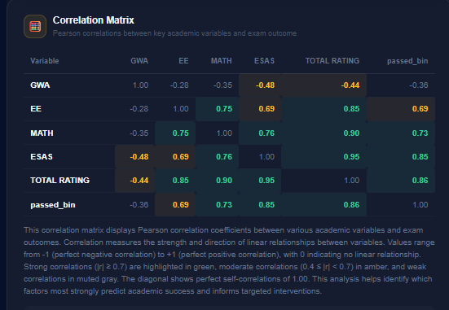
Correlation Matrix
FALSE | Add another matrix for passers only, another for failures, and for Overall generally with passers and failures included in the matrix.
FALSE | The variables will be EE MATH ESAS GWA Factor_Educational Background Factor_Board Exam Preparation Factor_Cognitive Factor_Non-Cognitive Factor_Institutional /These Factors will indicate the general result on their part of the survey
FALSE | Each correlation matrix has the summarize result. And sub discussion for each row per column. | Dito pinapakita naka general, target ko sana naka specific for passers and failures May correlation matrix for PASSERS and meron din si FAILURES Then May overall, like ito na mismo din, onting bago lang and dadagdagan lang for addition part of the matrix
FALSE | Indication too for color coding, like what color shows for.
FALSE | Add metrics and have a small discussion for each result. Point-Biserial Correlation Chi-Squared Test

