Figure 1
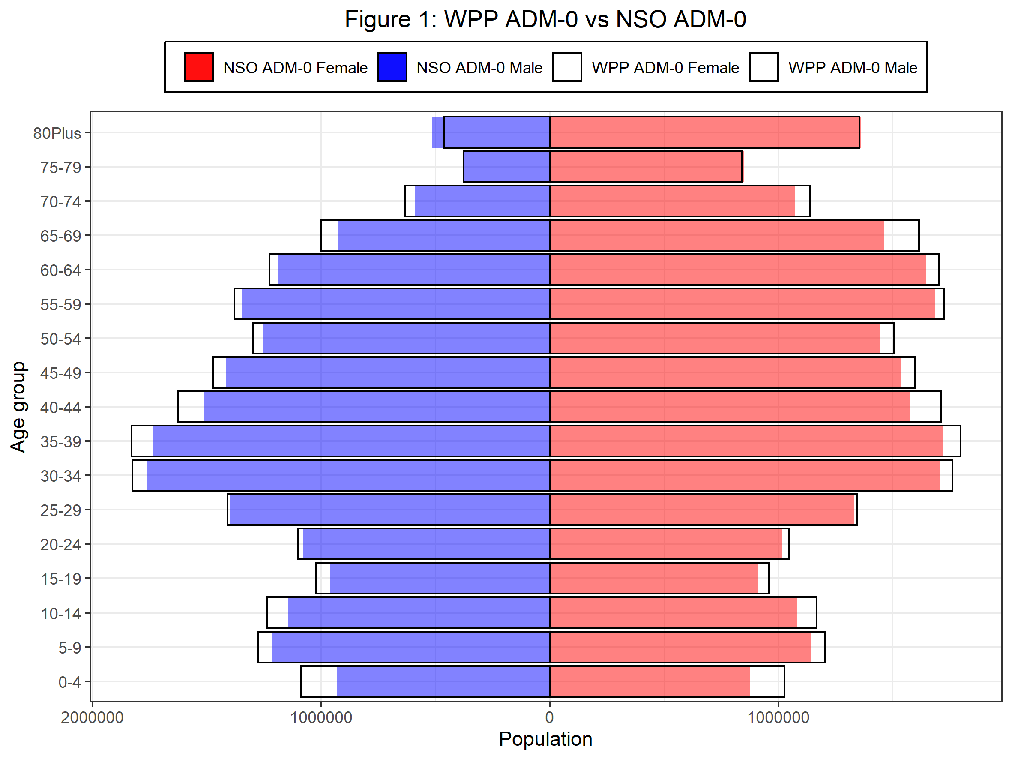
Age | WPP_ADM0_F | WPP_ADM0_M | NSO_ADM0_F | NSO_ADM0_M | F_NSO_minus_WPP | M_NSO_minus_WPP | F_NSO_minus_WPP_pct (%) | M_NSO_minus_WPP_pct (%)
0-4 | 1026310 | -1087540 | 873731 | -931905 | -152579 | -155635 | -14.87 | -14.31
2022-05-09 | 1201003 | -1274658 | 1141805 | -1212997 | -59198 | -61661 | -4.93 | -4.84
2022-10-14 | 1166308 | -1237435 | 1080592 | -1145726 | -85716 | -91709 | -7.35 | -7.41
15-19 | 958718 | -1021056 | 907347 | -962396 | -51371 | -58660 | -5.36 | -5.75
20-24 | 1045248 | -1100799 | 1016740 | -1078173 | -28508 | -22626 | -2.73 | -2.06
25-29 | 1343703 | -1408741 | 1329374 | -1399256 | -14329 | -9485 | -1.07 | -0.67
30-34 | 1759947 | -1824887 | 1704237 | -1759051 | -55710 | -65836 | -3.17 | -3.61
35-39 | 1795255 | -1828869 | 1720174 | -1734865 | -75081 | -94004 | -4.18 | -5.14
40-44 | 1710174 | -1627017 | 1571692 | -1511364 | -138482 | -115653 | -8.1 | -7.11
45-49 | 1595651 | -1473562 | 1535369 | -1414863 | -60282 | -58699 | -3.78 | -3.98
50-54 | 1503996 | -1298962 | 1441925 | -1253590 | -62071 | -45372 | -4.13 | -3.49
55-59 | 1723704 | -1380075 | 1682509 | -1344904 | -41195 | -35171 | -2.39 | -2.55
60-64 | 1701998 | -1225646 | 1644569 | -1187126 | -57429 | -38520 | -3.37 | -3.14
65-69 | 1612778 | -999434 | 1459202 | -926765 | -153576 | -72669 | -9.52 | -7.27
70-74 | 1135678 | -633399 | 1072110 | -589588 | -63568 | -43811 | -5.6 | -6.92
75-79 | 837583 | -376770 | 849699 | -375317 | 12116 | -1453 | 1.45 | -0.39
80Plus | 1352557 | -464298 | 1358264 | -515554 | 5707 | 51256 | 0.42 | 11.04

Figure 2
