C 2
 |  |  |  |  |  |  |  |  |  |  | 2,066.43 + 1,797.46 + 3,389.24 + 1,818.23 + 4,546.43 + 43.43 + 3,194.89 + 2,938.14 = 19,794.25
Goal 1: Create monthly sales rep report |  |  |  |  |  | Chart Title: | Company Monthly Sales ($) Trends
Goal 2: Visualize trends in month sales

Company Monthly Sales ($) Trends
Date | SalesRep | Sales ($) | SalesRep | Months | Sum of Sales ($) | Months | Sum of Sales ($)
01/05/2023 | Jim | 1645.01 | Chantel | Jan | 18,036.68 | Jan | 9,467
01/06/2023 | Jim | 4828.54 |  | Feb | 19,794.25 | Feb | 21,874
01/08/2023 | Chantel | 3634.56 |  | Mar | 10,317.84 | Mar | 16,247
01/11/2023 | Chantel | 2713.46 |  | Apr | 39,529.88 | Apr | 25,026
01/13/2023 | Jim | 679.07 |  | May | 20,023.19 | May | 38,758
01/13/2023 | Tyrone | 1526.73 |  | Jun | 42,592.27 | Jun | 33,445
01/14/2023 | Tyrone | 3151.76 | Chantel Total |  | 150,294.11 | Grand Total | 144,817
01/14/2023 | Jo | 3554.02 | Jim | Jan | 16,071.94
01/14/2023 | Tyrone | 3409.51 |  | Feb | 13,144.82
01/15/2023 | Chantel | 3361.29 |  | Mar | 13,509.22
01/15/2023 | Jo | 458.09 |  | Apr | 22,758.20
01/15/2023 | Chantel | 2140.04 |  | May | 24,567.18
01/17/2023 | Jim | 3882.28 |  | Jun | 51,211.06
01/21/2023 | Chantel | 1608.7 | Jim Total |  | 141,262.42
01/21/2023 | Tyrone | 3223.12 | Jo | Jan | 9,467.30
01/22/2023 | Tyrone | 98.57 |  | Feb | 21,873.70
01/22/2023 | Jo | 1616.32 |  | Mar | 16,247.12
01/23/2023 | Chantel | 2907.42 |  | Apr | 25,026.29
01/25/2023 | Tyrone | 2384.97 |  | May | 38,757.67
01/25/2023 | Jim | 4326.08 |  | Jun | 33,445.38
01/25/2023 | Jim | 554.62 | Jo Total |  | 144,817.46
01/26/2023 | Tyrone | 1904.62 | Tyrone | Jan | 19,053.68
01/26/2023 | Jim | 156.34 |  | Feb | 13,255.92
01/27/2023 | Chantel | 883.34 |  | Mar | 18,772.78
01/29/2023 | Jo | 3838.87 |  | Apr | 24,733.46
01/30/2023 | Chantel | 787.87 |  | May | 28,607.29
01/30/2023 | Tyrone | 3354.4 |  | Jun | 59,469.44
02/01/2023 | Jo | 4467.02 | Tyrone Total |  | 163,892.57
02/01/2023 | Jim | 4434.06 | Grand Total |  | 600,266.56
02/02/2023 | Jim | 1970.14
02/02/2023 | Chantel | 2066.43
02/03/2023 | Chantel | 1797.46
02/03/2023 | Jim | 1635.13
02/03/2023 | Chantel | 3389.24
02/05/2023 | Jo | 1775.61
02/07/2023 | Jim | 67.38
02/07/2023 | Jo | 1363.2
02/07/2023 | Tyrone | 1854.64
02/08/2023 | Jo | 1450.63
02/08/2023 | Chantel | 1818.23
02/08/2023 | Chantel | 4546.43
02/09/2023 | Tyrone | 4710.52
02/12/2023 | Tyrone | 1482.88
02/12/2023 | Jo | 2322.23
02/13/2023 | Jo | 1561.53
02/14/2023 | Tyrone | 4510.13
02/14/2023 | Jo | 1576.29
02/15/2023 | Jim | 4297.68
02/16/2023 | Chantel | 43.43
02/16/2023 | Jim | 740.43
02/22/2023 | Jo | 554.48
02/22/2023 | Chantel | 3194.89
02/23/2023 | Jo | 4063.91
02/24/2023 | Tyrone | 697.75
02/25/2023 | Chantel | 2938.14
02/25/2023 | Jo | 2738.8
03/01/2023 | Tyrone | 4690.49
03/02/2023 | Jim | 1777.52
03/05/2023 | Tyrone | 4294.17
03/08/2023 | Jim | 3709.57
03/09/2023 | Jo | 2200.53
03/12/2023 | Chantel | 4410.61
03/12/2023 | Jo | 4752.48
03/13/2023 | Tyrone | 3170.86
03/14/2023 | Chantel | 2539.84
03/15/2023 | Jim | 2026.19
03/16/2023 | Chantel | 3367.39
03/16/2023 | Tyrone | 494.38
03/19/2023 | Jo | 4499.43
03/24/2023 | Jim | 1723.54
03/26/2023 | Tyrone | 3263.26
03/27/2023 | Tyrone | 2859.62
03/28/2023 | Jo | 2220.35
03/29/2023 | Jim | 4272.4
03/29/2023 | Jo | 2574.33
04/01/2023 | Jo | 5,229 |  |  |  |  |  | 2023-04-01 | Jo | 5,229
04/01/2023 | Chantel | 4,151 |  |  |  |  |  | 2023-04-01 | Chantel | 4,151
04/02/2023 | Chantel | 4,214 |  |  |  |  |  | 2023-04-02 | Chantel | 4,214
04/03/2023 | Jo | 1,617 |  |  |  |  |  | 2023-04-03 | Jo | 1,617
04/04/2023 | Jim | 2,321 |  |  |  |  |  | 2023-04-04 | Jim | 2,321
04/06/2023 | Tyrone | 4,672 |  |  |  |  |  | 2023-04-06 | Tyrone | 4,672
04/06/2023 | Chantel | 3,164 |  |  |  |  |  | 2023-04-06 | Chantel | 3,164
04/07/2023 | Tyrone | 3,545 |  |  |  |  |  | 2023-04-07 | Tyrone | 3,545
04/08/2023 | Chantel | 4,532 |  |  |  |  |  | 2023-04-08 | Chantel | 4,532
04/09/2023 | Jim | 2,322 |  |  |  |  |  | 2023-04-09 | Jim | 2,322
04/11/2023 | Jim | 3,939 |  |  |  |  |  | 2023-04-11 | Jim | 3,939
04/15/2023 | Chantel | 2,981 |  |  |  |  |  | 2023-04-15 | Chantel | 2,981
04/16/2023 | Jo | 3,062 |  |  |  |  |  | 2023-04-16 | Jo | 3,062
04/17/2023 | Jo | 6,239 |  |  |  |  |  | 2023-04-17 | Jo | 6,239
04/18/2023 | Chantel | 2,907 |  |  |  |  |  | 2023-04-18 | Chantel | 2,907
04/19/2023 | Jo | 5,813 |  |  |  |  |  | 2023-04-19 | Jo | 5,813
04/20/2023 | Jim | 6,139 |  |  |  |  |  | 2023-04-20 | Jim | 6,139
04/20/2023 | Chantel | 2,249 |  |  |  |  |  | 2023-04-20 | Chantel | 2,249
04/20/2023 | Chantel | 4,344 |  |  |  |  |  | 2023-04-20 | Chantel | 4,344
04/22/2023 | Tyrone | 4,982 |  |  |  |  |  | 2023-04-22 | Tyrone | 4,982
04/25/2023 | Jo | 3,066 |  |  |  |  |  | 2023-04-25 | Jo | 3,066
04/25/2023 | Chantel | 2,926 |  |  |  |  |  | 2023-04-25 | Chantel | 2,926
04/28/2023 | Jim | 3,361 |  |  |  |  |  | 2023-04-28 | Jim | 3,361
04/29/2023 | Tyrone | 6,476 |  |  |  |  |  | 2023-04-29 | Tyrone | 6,476
04/29/2023 | Tyrone | 3,677 |  |  |  |  |  | 2023-04-29 | Tyrone | 3,677
04/29/2023 | Tyrone | 1,382 |  |  |  |  |  | 2023-04-29 | Tyrone | 1,382
04/29/2023 | Chantel | 6,206 |  |  |  |  |  | 2023-04-29 | Chantel | 6,206
04/30/2023 | Jim | 4,677 |  |  |  |  |  | 2023-04-30 | Jim | 4,677
04/30/2023 | Chantel | 1,856 |  |  |  |  |  | 2023-04-30 | Chantel | 1,856
05/03/2023 | Tyrone | 3,621 |  |  |  |  |  | 2023-05-03 | Tyrone | 3,621
05/03/2023 | Chantel | 6,745 |  |  |  |  |  | 2023-05-03 | Chantel | 6,745
05/03/2023 | Jo | 2,483 |  |  |  |  |  | 2023-05-03 | Jo | 2,483
05/04/2023 | Chantel | 6,701 |  |  |  |  |  | 2023-05-04 | Chantel | 6,701
05/09/2023 | Jim | 5,295 |  |  |  |  |  | 2023-05-09 | Jim | 5,295
05/09/2023 | Jo | 3,161 |  |  |  |  |  | 2023-05-09 | Jo | 3,161
05/10/2023 | Chantel | 1,605 |  |  |  |  |  | 2023-05-10 | Chantel | 1,605
05/10/2023 | Tyrone | 6,774 |  |  |  |  |  | 2023-05-10 | Tyrone | 6,774
05/10/2023 | Jo | 3,642 |  |  |  |  |  | 2023-05-10 | Jo | 3,642
05/11/2023 | Tyrone | 2,728 |  |  |  |  |  | 2023-05-11 | Tyrone | 2,728
05/12/2023 | Tyrone | 5,204 |  |  |  |  |  | 2023-05-12 | Tyrone | 5,204
05/13/2023 | Jim | 4,230 |  |  |  |  |  | 2023-05-13 | Jim | 4,230
05/17/2023 | Chantel | 4,971 |  |  |  |  |  | 2023-05-17 | Chantel | 4,971
05/18/2023 | Tyrone | 4,894 |  |  |  |  |  | 2023-05-18 | Tyrone | 4,894
05/22/2023 | Tyrone | 4,069 |  |  |  |  |  | 2023-05-22 | Tyrone | 4,069
05/23/2023 | Jo | 6,305 |  |  |  |  |  | 2023-05-23 | Jo | 6,305
05/23/2023 | Jim | 1,535 |  |  |  |  |  | 2023-05-23 | Jim | 1,535
05/24/2023 | Jim | 6,196 |  |  |  |  |  | 2023-05-24 | Jim | 6,196
05/25/2023 | Jo | 3,860 |  |  |  |  |  | 2023-05-25 | Jo | 3,860
05/26/2023 | Jo | 2,175 |  |  |  |  |  | 2023-05-26 | Jo | 2,175
05/26/2023 | Jo | 6,436 |  |  |  |  |  | 2023-05-26 | Jo | 6,436
05/27/2023 | Jim | 3,184 |  |  |  |  |  | 2023-05-27 | Jim | 3,184
05/28/2023 | Jo | 1,336 |  |  |  |  |  | 2023-05-28 | Jo | 1,336
05/28/2023 | Jim | 4,128 |  |  |  |  |  | 2023-05-28 | Jim | 4,128
05/29/2023 | Jo | 6,973 |  |  |  |  |  | 2023-05-29 | Jo | 6,973
05/30/2023 | Jo | 2,386 |  |  |  |  |  | 2023-05-30 | Jo | 2,386
05/31/2023 | Tyrone | 1,318 |  |  |  |  |  | 2023-05-31 | Tyrone | 1,318
06/01/2023 | Tyrone | 7,224 |  |  |  |  |  | 2023-06-01 | Tyrone | 7,224
06/02/2023 | Jim | 7,674 |  |  |  |  |  | 2023-06-02 | Jim | 7,674
06/02/2023 | Jo | 4,695 |  |  |  |  |  | 2023-06-02 | Jo | 4,695
06/03/2023 | Tyrone | 5,522 |  |  |  |  |  | 2023-06-03 | Tyrone | 5,522
06/04/2023 | Jim | 4,431 |  |  |  |  |  | 2023-06-04 | Jim | 4,431
06/05/2023 | Tyrone | 6,269 |  |  |  |  |  | 2023-06-05 | Tyrone | 6,269
06/05/2023 | Jo | 6,099 |  |  |  |  |  | 2023-06-05 | Jo | 6,099
06/05/2023 | Tyrone | 6,523 |  |  |  |  |  | 2023-06-05 | Tyrone | 6,523
06/07/2023 | Jim | 5,528 |  |  |  |  |  | 2023-06-07 | Jim | 5,528
06/07/2023 | Jim | 4,519 |  |  |  |  |  | 2023-06-07 | Jim | 4,519
06/08/2023 | Chantel | 7,012 |  |  |  |  |  | 2023-06-08 | Chantel | 7,012
06/08/2023 | Jim | 6,647 |  |  |  |  |  | 2023-06-08 | Jim | 6,647
06/08/2023 | Chantel | 5,210 |  |  |  |  |  | 2023-06-08 | Chantel | 5,210
06/09/2023 | Tyrone | 3,831 |  |  |  |  |  | 2023-06-09 | Tyrone | 3,831
06/09/2023 | Chantel | 4,556 |  |  |  |  |  | 2023-06-09 | Chantel | 4,556
06/09/2023 | Chantel | 4,665 |  |  |  |  |  | 2023-06-09 | Chantel | 4,665
06/10/2023 | Tyrone | 5,006 |  |  |  |  |  | 2023-06-10 | Tyrone | 5,006
06/12/2023 | Tyrone | 6,344 |  |  |  |  |  | 2023-06-12 | Tyrone | 6,344
06/12/2023 | Jim | 6,083 |  |  |  |  |  | 2023-06-12 | Jim | 6,083
06/14/2023 | Chantel | 4,217 |  |  |  |  |  | 2023-06-14 | Chantel | 4,217
06/16/2023 | Jo | 7,645 |  |  |  |  |  | 2023-06-16 | Jo | 7,645
06/16/2023 | Chantel | 7,362 |  |  |  |  |  | 2023-06-16 | Chantel | 7,362
06/16/2023 | Jim | 4,198 |  |  |  |  |  | 2023-06-16 | Jim | 4,198
06/17/2023 | Tyrone | 7,737 |  |  |  |  |  | 2023-06-17 | Tyrone | 7,737
06/18/2023 | Tyrone | 6,948 |  |  |  |  |  | 2023-06-18 | Tyrone | 6,948
06/20/2023 | Chantel | 5,736 |  |  |  |  |  | 2023-06-20 | Chantel | 5,736
06/20/2023 | Jo | 5,308 |  |  |  |  |  | 2023-06-20 | Jo | 5,308
06/20/2023 | Jo | 5,535 |  |  |  |  |  | 2023-06-20 | Jo | 5,535
06/23/2023 | Jim | 6,855 |  |  |  |  |  | 2023-06-23 | Jim | 6,855
06/23/2023 | Jim | 5,276 |  |  |  |  |  | 2023-06-23 | Jim | 5,276
06/25/2023 | Tyrone | 4,064 |  |  |  |  |  | 2023-06-25 | Tyrone | 4,064
06/25/2023 | Chantel | 3,835 |  |  |  |  |  | 2023-06-25 | Chantel | 3,835
06/26/2023 | Jo | 4,164 |  |  |  |  |  | 2023-06-26 | Jo | 4,164

Monthly Sales ($) Trends
 | Series1
Jan | 62629.6
Feb | 68068.69
Mar | 58846.96
Apr | 112047.83
May | 111955.33
Jun | 186718.56

Topics


 | Topics:
1 | Define data analysis
2 | What is data?
3 | What is information?
4 | Excel Table feature to dynamically store data
5 | PivotTable to create reports
6 | NEW: PivotTable Number Format
7 | Slicers to filter reports
8 | Charts to visualize data
9 | Conditional formatting to highlight
10 | NEXT TOPICS: PIVOTBY & GROUPBY Functions

Data Analysis
Data Analysis = Convert raw data into useful information to gain insight and make decisions.
Synonyms: Data Analytics, Analytics, Business Intelligence, Data Analysis
Goal: help make data-driven decisions, which tend to be more accurate & help to achieve goals more consistently
Examples:
1) Sales data in a table converted into a Monthly SalesRep Sales Report. What are top 3 sales amounts?
Q: If a bonus is given for the 3 biggest monthly sales amounts, who gets bonus? A: Chantel, Jo, Tyrone.
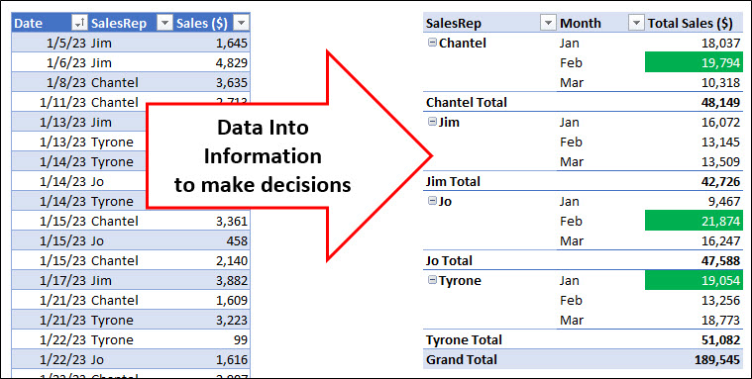

2) Sales data in a Table converted into a Monthly Sales Trends Chart. What is the trend?
Q: What were sales trends over last six months? A: Mostly up.
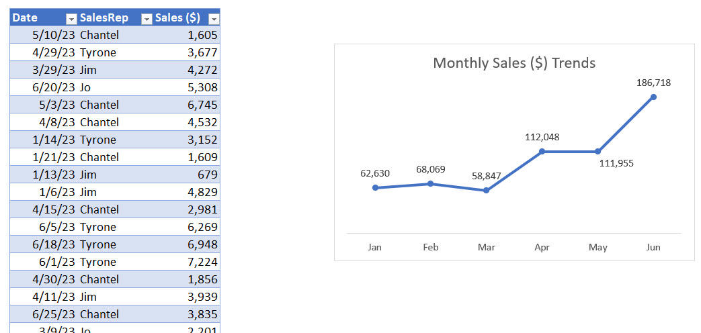
Data Into Information to gain insight

Raw Data = data stored in its smallest form in a cell

Not Raw Data:
Date, Person, Sales
01/05/2023, Jim, $1,645.01

Raw Data:
Date | Person | Sales
2023-01-05 | Jim | $1,645.01

Proper Data Set = Data Set = Table
Table is made up of:
Field = column in table
Field Name= name at top of field that describes what data goes into field
Record = one row in table

Table requirements in Excel:
1) Field names in first row
2) Records of related data in subsequent rows
3) Empty cells or Excel Row/Column Headers, all the way around table

Date | Person | Sales |  | Fields | Survey Data |  | Fields
2023-01-05 | Jim | 1,645 |  | Records | Yes |  | Records
2023-01-06 | Jim | 4,829 |  |  | Yes
2023-01-08 | Chantel | 3,635 |  |  | No
2023-01-11 | Chantel | 2,713 | . |  | Yes | .
2023-01-13 | Jim | 679 | . |  | No | .
2023-01-13 | Tyrone | 1,527 | . |  | No | .
2023-01-14 | Tyrone | 3,152 |  |  | No
2023-01-14 | Jo | 3,554 |  |  | Somewhat
2023-01-14 | Tyrone | 3,410 |  |  | Yes
2023-01-15 | Jo | 458 |  |  | Yes
2023-01-15 | Chantel | 2,140 |  |  | Yes
2023-01-15 | Chantel | 3,361 |  |  | Yes
2023-01-17 | Jim | 3,882 |  |  | Somewhat
2023-01-21 | Tyrone | 3,223 |  |  | No
2023-01-21 | Chantel | 1,609 |  |  | No
2023-01-22 | Tyrone | 99 |  |  | Yes
2023-01-22 | Jo | 1,616 |  |  | No
2023-01-23 | Chantel | 2,907 |  |  | No
2023-01-25 | Jim | 555 |  |  | No
2023-01-25 | Jim | 4,326 |  |  | No
2023-01-25 | Tyrone | 2,385 |  |  | No
2023-01-26 | Jim | 156 |  |  | No
2023-01-26 | Tyrone | 1,905 |  |  | No
2023-01-27 | Chantel | 883 |  |  | Yes
2023-01-29 | Jo | 3,839 |  |  | Yes
2023-01-30 | Tyrone | 3,354 |  |  | Yes
2023-01-30 | Chantel | 788 |  |  | Somewhat
2023-02-01 | Jo | 4,467 |  |  | Somewhat
2023-02-01 | Jim | 4,434 |  |  | Somewhat
2023-02-02 | Chantel | 2,066 |  |  | No
2023-02-02 | Jim | 1,970 |  |  | No
2023-02-03 | Chantel | 3,389 |  |  | No
2023-02-03 | Chantel | 1,797 |  |  | Yes
2023-02-03 | Jim | 1,635 |  |  | No
2023-02-05 | Jo | 1,776 |  |  | No
2023-02-07 | Jim | 67 |  |  | No
2023-02-07 | Tyrone | 1,855 |  |  | Yes
2023-02-07 | Jo | 1,363 |  |  | No
2023-02-08 | Chantel | 4,546 |  |  | No
2023-02-08 | Chantel | 1,818 |  |  | No
2023-02-08 | Jo | 1,451 |  |  | Yes
2023-02-09 | Tyrone | 4,711 |  |  | Somewhat
2023-02-12 | Tyrone | 1,483 |  |  | No
2023-02-12 | Jo | 2,322 |  |  | Somewhat
2023-02-13 | Jo | 1,562 |  |  | No
2023-02-14 | Jo | 1,576 |  |  | Yes
2023-02-14 | Tyrone | 4,510 |  |  | No
2023-02-15 | Jim | 4,298 |  |  | No
2023-02-16 | Jim | 740 |  |  | Somewhat
2023-02-16 | Chantel | 43 |  |  | No
2023-02-22 | Chantel | 3,195 |  |  | Somewhat
2023-02-22 | Jo | 554 |  |  | Somewhat
2023-02-23 | Jo | 4,064 |  |  | No
2023-02-24 | Tyrone | 698 |  |  | No
2023-02-25 | Jo | 2,739 |  |  | No
2023-02-25 | Chantel | 2,938 |  |  | No
2023-03-01 | Tyrone | 4,690 |  |  | No
2023-03-02 | Jim | 1,778 |  |  | Somewhat
2023-03-05 | Tyrone | 4,294 |  |  | Yes
2023-03-08 | Jim | 3,710 |  |  | Somewhat
2023-03-09 | Jo | 2,201 |  |  | Somewhat
2023-03-12 | Jo | 4,752 |  |  | No
2023-03-12 | Chantel | 4,411 |  |  | Somewhat
2023-03-13 | Tyrone | 3,171 |  |  | No
2023-03-14 | Chantel | 2,540 |  |  | Somewhat
2023-03-15 | Jim | 2,026 |  |  | No
2023-03-16 | Tyrone | 494 |  |  | No
2023-03-16 | Chantel | 3,367 |  |  | No
2023-03-19 | Jo | 4,499 |  |  | No
2023-03-24 | Jim | 1,724 |  |  | No
2023-03-26 | Tyrone | 3,263 |  |  | Yes
2023-03-27 | Tyrone | 2,860 |  |  | Somewhat
2023-03-28 | Jo | 2,220 |  |  | Yes
2023-03-29 | Jo | 2,574 |  |  | Somewhat
2023-03-29 | Jim | 4,272 |  |  | No
 |  |  |  |  | No
 |  |  |  |  | Yes
 |  |  |  |  | Yes
 |  |  |  |  | No
 |  |  |  |  | No
 |  |  |  |  | Yes
 |  |  |  |  | Yes
 |  |  |  |  | No
 |  |  |  |  | Yes
 |  |  |  |  | No
 |  |  |  |  | Yes
 |  |  |  |  | No
 |  |  |  |  | Yes
 |  |  |  |  | No
 |  |  |  |  | No
 |  |  |  |  | Yes
 |  |  |  |  | Somewhat
 |  |  |  |  | No
 |  |  |  |  | Yes
 |  |  |  |  | Yes
 |  |  |  |  | Yes
 |  |  |  |  | Somewhat
 |  |  |  |  | Somewhat
 |  |  |  |  | No
 |  |  |  |  | No
 |  |  |  |  | No
 |  |  |  |  | No
 |  |  |  |  | Yes
 |  |  |  |  | Yes
 |  |  |  |  | Somewhat
 |  |  |  |  | No
 |  |  |  |  | No
 |  |  |  |  | Somewhat
 |  |  |  |  | Yes
 |  |  |  |  | No
 |  |  |  |  | No
 |  |  |  |  | Somewhat
 |  |  |  |  | Yes
 |  |  |  |  | Yes
 |  |  |  |  | No
 |  |  |  |  | No
 |  |  |  |  | No
 |  |  |  |  | No
 |  |  |  |  | No
 |  |  |  |  | Somewhat
 |  |  |  |  | Yes
 |  |  |  |  | Yes
 |  |  |  |  | No
 |  |  |  |  | No
 |  |  |  |  | No
 |  |  |  |  | Somewhat
 |  |  |  |  | Yes
 |  |  |  |  | Somewhat
 |  |  |  |  | No
 |  |  |  |  | Yes
 |  |  |  |  | No
 |  |  |  |  | Somewhat
 |  |  |  |  | Yes
 |  |  |  |  | Yes
 |  |  |  |  | Yes
 |  |  |  |  | No
 |  |  |  |  | Yes
 |  |  |  |  | Somewhat
 |  |  |  |  | No
 |  |  |  |  | Somewhat
 |  |  |  |  | Yes
 |  |  |  |  | Somewhat
 |  |  |  |  | No
 |  |  |  |  | Somewhat
 |  |  |  |  | Yes
 |  |  |  |  | No
 |  |  |  |  | No
 |  |  |  |  | No
 |  |  |  |  | Somewhat
 |  |  |  |  | Yes
 |  |  |  |  | No
 |  |  |  |  | No
 |  |  |  |  | Somewhat
 |  |  |  |  | Yes
 |  |  |  |  | Somewhat
 |  |  |  |  | Yes
 |  |  |  |  | No
 |  |  |  |  | No
 |  |  |  |  | Somewhat

DATools
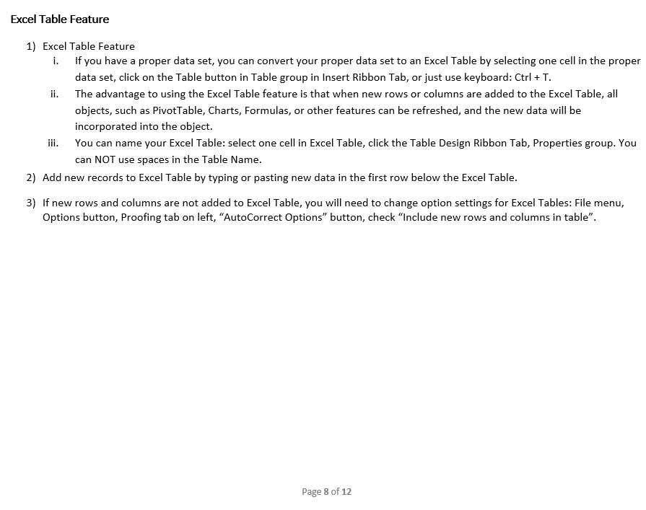
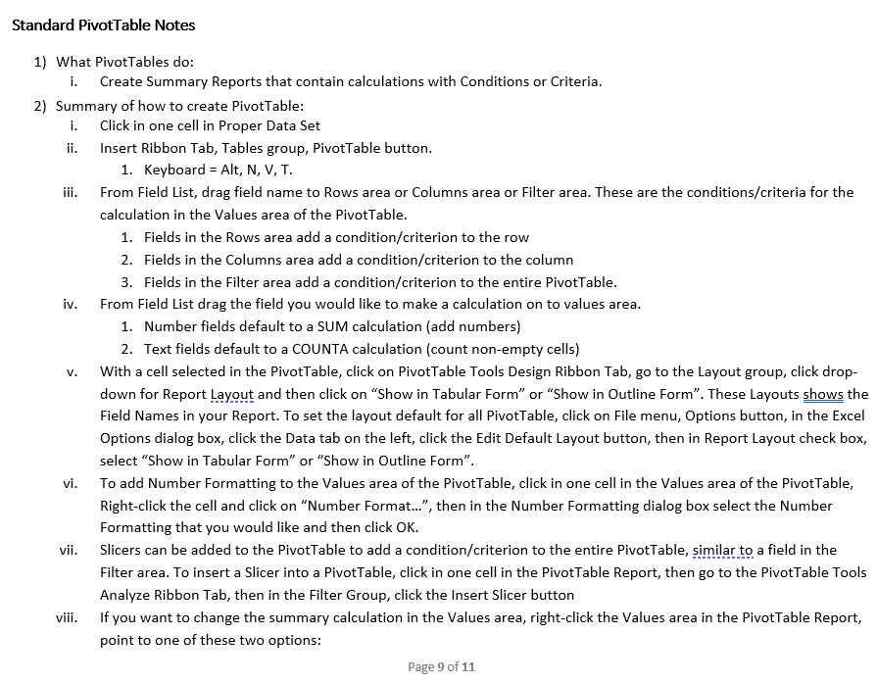
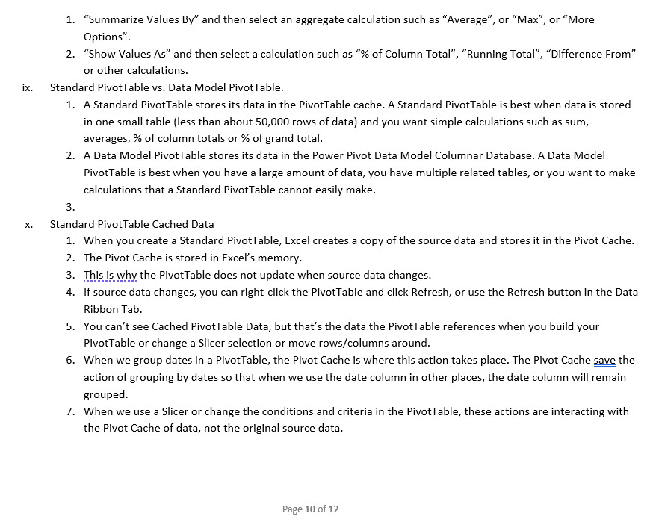
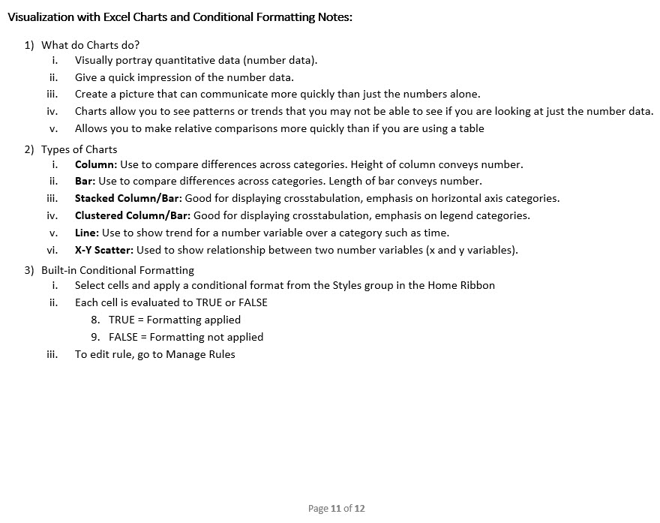
Some of the Data Analysis Tools in Excel:
Excel Table feature = Convert proper data sets to a Table Object that can expand and contract and auto fill formulas.
Sort = Sort data A-Z (Ascending) or Z-A (Descending).
Filter = Show or extract records based on conditions, criteria and logical tests.
PivotTable = Drag and drop summary report tool that makes calculations based on conditions, criteria and logical tests.
Excel Charts = Visualize data with charts and graphs.
Conditional Formatting = Visualize data based on conditions, criteria and logical tests
Worksheet formulas = To create helper fields (like with XLOOKUP function) or make conditional calculations (like with SUMIFS or COUNTIFS functions) or create full reports (like with LET, SUMIFS, HSTACK or VSTACK functions).
Flash Fill = One-time data cleaning tool
Power Query = Import data into worksheet, PivotTable or Data Model. Clean & transform data, tables and other related data objects.
Relationships = Creates relationships between tables (Substitute for XLOOKUP). Method of creating related tables to make PivotTable reporting more efficient.
Power Pivot Data Model and Data Model PivotTable = Used when you need Excel worksheet reports and visualizations and you have large data (about 50,000 rows or more), calculations that are hard to do with a PivotTable, or you have related tables of data.
Power BI Desktop and Data Model Visualizations = Used when you need Power BI reports and visualizations (more varied than in Excel) or you want to publish and share data analysis results online.
Power BI Online = share data analysis results online.

Notes about Tools in This Video:

DAExample
 |  |  |  |  |  |  |  |  |  |  | 2,066.43 + 1,797.46 + 3,389.24 + 1,818.23 + 4,546.43 + 43.43 + 3,194.89 + 2,938.14 = 19,794.25
Goal 1: Create monthly sales rep report |  |  |  |  |  | Chart Title: | Company Monthly Sales ($) Trends
Goal 2: Visualize trends in month sales

Date | SalesRep | Sales ($) | SalesRep | Months | Sum of Sales ($) | Months | Sum of Sales ($)
01/05/2023 | Jim | 1645.01 | Chantel | Jan | 18,036.68 | Jan | 62,629.60
01/06/2023 | Jim | 4828.54 |  | Feb | 19,794.25 | Feb | 68,068.69
01/08/2023 | Chantel | 3634.56 |  | Mar | 10,317.84 | Mar | 58,846.96
01/11/2023 | Chantel | 2713.46 |  | Apr | 39,529.88 | Apr | 112,047.83
01/13/2023 | Jim | 679.07 |  | May | 20,023.19 | May | 111,955.33
01/13/2023 | Tyrone | 1526.73 |  | Jun | 42,592.27 | Jun | 186,718.15
01/14/2023 | Tyrone | 3151.76 | Chantel Total |  | 150,294.11 | Grand Total | 600,266.56
01/14/2023 | Jo | 3554.02 | Jim | Jan | 16,071.94
01/14/2023 | Tyrone | 3409.51 |  | Feb | 13,144.82
Company Monthly Sales ($) Trends
01/15/2023 | Chantel | 3361.29 |  | Mar | 13,509.22
01/15/2023 | Jo | 458.09 |  | Apr | 22,758.20
01/15/2023 | Chantel | 2140.04 |  | May | 24,567.18
01/17/2023 | Jim | 3882.28 |  | Jun | 51,211.06
01/21/2023 | Chantel | 1608.7 | Jim Total |  | 141,262.42
01/21/2023 | Tyrone | 3223.12 | Jo | Jan | 9,467.30
01/22/2023 | Tyrone | 98.57 |  | Feb | 21,873.70
01/22/2023 | Jo | 1616.32 |  | Mar | 16,247.12
01/23/2023 | Chantel | 2907.42 |  | Apr | 25,026.29
01/25/2023 | Tyrone | 2384.97 |  | May | 38,757.67
01/25/2023 | Jim | 4326.08 |  | Jun | 33,445.38
01/25/2023 | Jim | 554.62 | Jo Total |  | 144,817.46
01/26/2023 | Tyrone | 1904.62 | Tyrone | Jan | 19,053.68
01/26/2023 | Jim | 156.34 |  | Feb | 13,255.92
01/27/2023 | Chantel | 883.34 |  | Mar | 18,772.78
01/29/2023 | Jo | 3838.87 |  | Apr | 24,733.46
01/30/2023 | Chantel | 787.87 |  | May | 28,607.29
01/30/2023 | Tyrone | 3354.4 |  | Jun | 59,469.44
02/01/2023 | Jo | 4467.02 | Tyrone Total |  | 163,892.57
02/01/2023 | Jim | 4434.06 | Grand Total |  | 600,266.56
02/02/2023 | Jim | 1970.14
02/02/2023 | Chantel | 2066.43
02/03/2023 | Chantel | 1797.46
02/03/2023 | Jim | 1635.13
02/03/2023 | Chantel | 3389.24
02/05/2023 | Jo | 1775.61
02/07/2023 | Jim | 67.38
02/07/2023 | Jo | 1363.2
02/07/2023 | Tyrone | 1854.64
02/08/2023 | Jo | 1450.63
02/08/2023 | Chantel | 1818.23
02/08/2023 | Chantel | 4546.43
02/09/2023 | Tyrone | 4710.52
02/12/2023 | Tyrone | 1482.88
02/12/2023 | Jo | 2322.23
02/13/2023 | Jo | 1561.53
02/14/2023 | Tyrone | 4510.13
02/14/2023 | Jo | 1576.29
02/15/2023 | Jim | 4297.68
02/16/2023 | Chantel | 43.43
02/16/2023 | Jim | 740.43
02/22/2023 | Jo | 554.48
02/22/2023 | Chantel | 3194.89
02/23/2023 | Jo | 4063.91
02/24/2023 | Tyrone | 697.75
02/25/2023 | Chantel | 2938.14
02/25/2023 | Jo | 2738.8
03/01/2023 | Tyrone | 4690.49
03/02/2023 | Jim | 1777.52
03/05/2023 | Tyrone | 4294.17
03/08/2023 | Jim | 3709.57
03/09/2023 | Jo | 2200.53
03/12/2023 | Chantel | 4410.61
03/12/2023 | Jo | 4752.48
03/13/2023 | Tyrone | 3170.86
03/14/2023 | Chantel | 2539.84
03/15/2023 | Jim | 2026.19
03/16/2023 | Chantel | 3367.39
03/16/2023 | Tyrone | 494.38
03/19/2023 | Jo | 4499.43
03/24/2023 | Jim | 1723.54
03/26/2023 | Tyrone | 3263.26
03/27/2023 | Tyrone | 2859.62
03/28/2023 | Jo | 2220.35
03/29/2023 | Jim | 4272.4
03/29/2023 | Jo | 2574.33
04/01/2023 | Jo | 5229.01 |  |  |  |  |  | 2023-04-01 | Jo | 5,229
04/01/2023 | Chantel | 4151.47 |  |  |  |  |  | 2023-04-01 | Chantel | 4,151
04/02/2023 | Chantel | 4213.65 |  |  |  |  |  | 2023-04-02 | Chantel | 4,214
04/03/2023 | Jo | 1616.68 |  |  |  |  |  | 2023-04-03 | Jo | 1,617
04/04/2023 | Jim | 2320.8 |  |  |  |  |  | 2023-04-04 | Jim | 2,321
04/06/2023 | Tyrone | 4672.2 |  |  |  |  |  | 2023-04-06 | Tyrone | 4,672
04/06/2023 | Chantel | 3164.17 |  |  |  |  |  | 2023-04-06 | Chantel | 3,164
04/07/2023 | Tyrone | 3544.53 |  |  |  |  |  | 2023-04-07 | Tyrone | 3,545
04/08/2023 | Chantel | 4532.23 |  |  |  |  |  | 2023-04-08 | Chantel | 4,532
04/09/2023 | Jim | 2321.62 |  |  |  |  |  | 2023-04-09 | Jim | 2,322
04/11/2023 | Jim | 3939.16 |  |  |  |  |  | 2023-04-11 | Jim | 3,939
04/15/2023 | Chantel | 2980.75 |  |  |  |  |  | 2023-04-15 | Chantel | 2,981
04/16/2023 | Jo | 3062.21 |  |  |  |  |  | 2023-04-16 | Jo | 3,062
04/17/2023 | Jo | 6239.21 |  |  |  |  |  | 2023-04-17 | Jo | 6,239
04/18/2023 | Chantel | 2906.82 |  |  |  |  |  | 2023-04-18 | Chantel | 2,907
04/19/2023 | Jo | 5812.71 |  |  |  |  |  | 2023-04-19 | Jo | 5,813
04/20/2023 | Jim | 6139.01 |  |  |  |  |  | 2023-04-20 | Jim | 6,139
04/20/2023 | Chantel | 2248.78 |  |  |  |  |  | 2023-04-20 | Chantel | 2,249
04/20/2023 | Chantel | 4344.44 |  |  |  |  |  | 2023-04-20 | Chantel | 4,344
04/22/2023 | Tyrone | 4981.83 |  |  |  |  |  | 2023-04-22 | Tyrone | 4,982
04/25/2023 | Jo | 3066.47 |  |  |  |  |  | 2023-04-25 | Jo | 3,066
04/25/2023 | Chantel | 2925.87 |  |  |  |  |  | 2023-04-25 | Chantel | 2,926
04/28/2023 | Jim | 3360.52 |  |  |  |  |  | 2023-04-28 | Jim | 3,361
04/29/2023 | Tyrone | 6476.19 |  |  |  |  |  | 2023-04-29 | Tyrone | 6,476
04/29/2023 | Tyrone | 3676.99 |  |  |  |  |  | 2023-04-29 | Tyrone | 3,677
04/29/2023 | Tyrone | 1381.72 |  |  |  |  |  | 2023-04-29 | Tyrone | 1,382
04/29/2023 | Chantel | 6205.55 |  |  |  |  |  | 2023-04-29 | Chantel | 6,206
04/30/2023 | Jim | 4677.09 |  |  |  |  |  | 2023-04-30 | Jim | 4,677
04/30/2023 | Chantel | 1856.15 |  |  |  |  |  | 2023-04-30 | Chantel | 1,856
05/03/2023 | Tyrone | 3620.88 |  |  |  |  |  | 2023-05-03 | Tyrone | 3,621
05/03/2023 | Chantel | 6745.45 |  |  |  |  |  | 2023-05-03 | Chantel | 6,745
05/03/2023 | Jo | 2483.24 |  |  |  |  |  | 2023-05-03 | Jo | 2,483
05/04/2023 | Chantel | 6701.15 |  |  |  |  |  | 2023-05-04 | Chantel | 6,701
05/09/2023 | Jim | 5294.68 |  |  |  |  |  | 2023-05-09 | Jim | 5,295
05/09/2023 | Jo | 3161.1 |  |  |  |  |  | 2023-05-09 | Jo | 3,161
05/10/2023 | Chantel | 1605.18 |  |  |  |  |  | 2023-05-10 | Chantel | 1,605
05/10/2023 | Tyrone | 6773.57 |  |  |  |  |  | 2023-05-10 | Tyrone | 6,774
05/10/2023 | Jo | 3641.61 |  |  |  |  |  | 2023-05-10 | Jo | 3,642
05/11/2023 | Tyrone | 2727.85 |  |  |  |  |  | 2023-05-11 | Tyrone | 2,728
05/12/2023 | Tyrone | 5203.76 |  |  |  |  |  | 2023-05-12 | Tyrone | 5,204
05/13/2023 | Jim | 4230.25 |  |  |  |  |  | 2023-05-13 | Jim | 4,230
05/17/2023 | Chantel | 4971.41 |  |  |  |  |  | 2023-05-17 | Chantel | 4,971
05/18/2023 | Tyrone | 4893.76 |  |  |  |  |  | 2023-05-18 | Tyrone | 4,894
05/22/2023 | Tyrone | 4069.41 |  |  |  |  |  | 2023-05-22 | Tyrone | 4,069
05/23/2023 | Jo | 6304.83 |  |  |  |  |  | 2023-05-23 | Jo | 6,305
05/23/2023 | Jim | 1534.98 |  |  |  |  |  | 2023-05-23 | Jim | 1,535
05/24/2023 | Jim | 6195.64 |  |  |  |  |  | 2023-05-24 | Jim | 6,196
05/25/2023 | Jo | 3860.31 |  |  |  |  |  | 2023-05-25 | Jo | 3,860
05/26/2023 | Jo | 2174.94 |  |  |  |  |  | 2023-05-26 | Jo | 2,175
05/26/2023 | Jo | 6436.11 |  |  |  |  |  | 2023-05-26 | Jo | 6,436
05/27/2023 | Jim | 3183.81 |  |  |  |  |  | 2023-05-27 | Jim | 3,184
05/28/2023 | Jo | 1335.64 |  |  |  |  |  | 2023-05-28 | Jo | 1,336
05/28/2023 | Jim | 4127.82 |  |  |  |  |  | 2023-05-28 | Jim | 4,128
05/29/2023 | Jo | 6973.41 |  |  |  |  |  | 2023-05-29 | Jo | 6,973
05/30/2023 | Jo | 2386.48 |  |  |  |  |  | 2023-05-30 | Jo | 2,386
05/31/2023 | Tyrone | 1318.06 |  |  |  |  |  | 2023-05-31 | Tyrone | 1,318
06/01/2023 | Tyrone | 7224.19 |  |  |  |  |  | 2023-06-01 | Tyrone | 7,224
06/02/2023 | Jim | 7674.41 |  |  |  |  |  | 2023-06-02 | Jim | 7,674
06/02/2023 | Jo | 4695.04 |  |  |  |  |  | 2023-06-02 | Jo | 4,695
06/03/2023 | Tyrone | 5521.63 |  |  |  |  |  | 2023-06-03 | Tyrone | 5,522
06/04/2023 | Jim | 4431.01 |  |  |  |  |  | 2023-06-04 | Jim | 4,431
06/05/2023 | Tyrone | 6269.22 |  |  |  |  |  | 2023-06-05 | Tyrone | 6,269
06/05/2023 | Jo | 6099.11 |  |  |  |  |  | 2023-06-05 | Jo | 6,099
06/05/2023 | Tyrone | 6523.01 |  |  |  |  |  | 2023-06-05 | Tyrone | 6,523
06/07/2023 | Jim | 5528.17 |  |  |  |  |  | 2023-06-07 | Jim | 5,528
06/07/2023 | Jim | 4519.07 |  |  |  |  |  | 2023-06-07 | Jim | 4,519
06/08/2023 | Chantel | 7011.71 |  |  |  |  |  | 2023-06-08 | Chantel | 7,012
06/08/2023 | Jim | 6647.08 |  |  |  |  |  | 2023-06-08 | Jim | 6,647
06/08/2023 | Chantel | 5209.62 |  |  |  |  |  | 2023-06-08 | Chantel | 5,210
06/09/2023 | Tyrone | 3831.24 |  |  |  |  |  | 2023-06-09 | Tyrone | 3,831
06/09/2023 | Chantel | 4555.79 |  |  |  |  |  | 2023-06-09 | Chantel | 4,556
06/09/2023 | Chantel | 4665.33 |  |  |  |  |  | 2023-06-09 | Chantel | 4,665
06/10/2023 | Tyrone | 5006.48 |  |  |  |  |  | 2023-06-10 | Tyrone | 5,006
06/12/2023 | Tyrone | 6344.04 |  |  |  |  |  | 2023-06-12 | Tyrone | 6,344
06/12/2023 | Jim | 6082.79 |  |  |  |  |  | 2023-06-12 | Jim | 6,083
06/14/2023 | Chantel | 4217.26 |  |  |  |  |  | 2023-06-14 | Chantel | 4,217
06/16/2023 | Jo | 7645.36 |  |  |  |  |  | 2023-06-16 | Jo | 7,645
06/16/2023 | Chantel | 7361.51 |  |  |  |  |  | 2023-06-16 | Chantel | 7,362
06/16/2023 | Jim | 4197.76 |  |  |  |  |  | 2023-06-16 | Jim | 4,198
06/17/2023 | Tyrone | 7737.13 |  |  |  |  |  | 2023-06-17 | Tyrone | 7,737
06/18/2023 | Tyrone | 6948.28 |  |  |  |  |  | 2023-06-18 | Tyrone | 6,948
06/20/2023 | Chantel | 5735.86 |  |  |  |  |  | 2023-06-20 | Chantel | 5,736
06/20/2023 | Jo | 5307.59 |  |  |  |  |  | 2023-06-20 | Jo | 5,308
06/20/2023 | Jo | 5534.7 |  |  |  |  |  | 2023-06-20 | Jo | 5,535
06/23/2023 | Jim | 6854.52 |  |  |  |  |  | 2023-06-23 | Jim | 6,855
06/23/2023 | Jim | 5276.25 |  |  |  |  |  | 2023-06-23 | Jim | 5,276
06/25/2023 | Tyrone | 4064.22 |  |  |  |  |  | 2023-06-25 | Tyrone | 4,064
06/25/2023 | Chantel | 3835.19 |  |  |  |  |  | 2023-06-25 | Chantel | 3,835
06/26/2023 | Jo | 4163.58 |  |  |  |  |  | 2023-06-26 | Jo | 4,164

Monthly Sales ($) Trends
 | Series1
Jan | 62629.6
Feb | 68068.69
Mar | 58846.96
Apr | 112047.83
May | 111955.33
Jun | 186718.56

Data
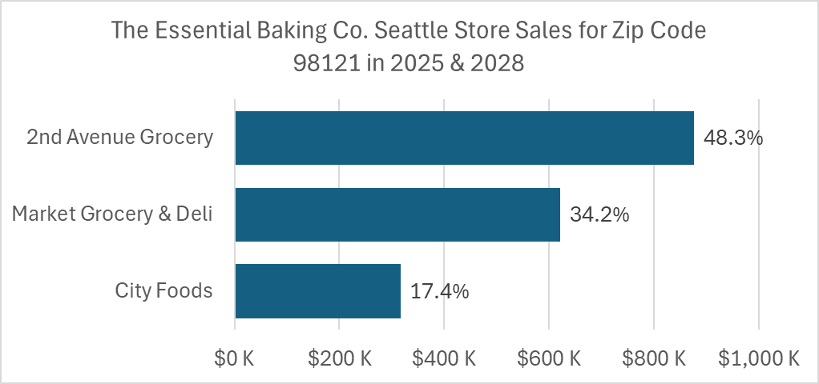
2] Define data
 | Data = Raw Data = data stored in its smallest form in a cell

 | Not Raw Data:
 | Sales Record
 | 01/05/2023, Chantel, $1,645.01

 | Raw Data:
 | Date | Person | Sales
 | 2023-01-05 | Chantel | $1,645.01

 | Because each bit of data is stored separately, we can easily perform actions like sorting or summing a column of data.

3] Data Default Alignment
 | Default alignment indicates data type and can help track down errors

 | <= Text is aligned left |  | Numbers aligned right => |  | Booleans are capitalized and centered
 | Chantel |  | $1,645.01 |  | TRUE
 | Jim |  | 2023-01-05 |  | FALSE
 | Excel |  | 8:29:00 |  | TRUE
 | $45..50 |  | 2/31/2025 |  | TURE | <= Default alignment indicates error

4] Number Formatting
 | Number Formatting displays a number in a certain way without changing the underlying number

 |  |  |  | Sales | Date | Time
 | Number Format displays in certain way => |  |  | $51 | 2025-02-28 | 8:00:00
 |  |  |  | 50.57 | 45716 | 0.33333333333 | <= What is really in the cell

 | Dates are the number of days since Dec. 31, 1899. Examples: 1/1/1900 = 1, 1/2/1900 = 2, 2/28/2025 = 45,716
 | Time is proportion of 24 hour day. Examples: 8 AM => 8/24 = 1/3 = 0.33333, 12 PM => 12/24 = 0.5

5] Define information
 | Information is NOT data.
 | Information is created from data.
 | Information helps people make decisions and gain insight.

 | Data |  | into | Information

HW(1)
 |  |  |  |  |  |  |  | 2,066.43 + 1,797.46 + 3,389.24 + 1,818.23 + 4,546.43 + 43.43 + 3,194.89 + 2,938.14 = 19,794.25
Goal 1: Create monthly report that counts the number of transactional sales each sales rep made (each record is a transactional sale).
Goal 2: Visualize trends in transactional counts by month.
To show a range of 10 - 35 in vertical count axis, select axis, use Ctrl + 1, then in the Task Pane set minimum value to 10. |  |  |  |  |  | Chart Title: | Company Transactional Sales
Visualize the top five amounts for monthly sales rep sales transaction counts.
Accommodate the fact that new transactions might be added to the data set later.

Date | SalesRep | Sales ($) | SalesRep | Months | Count of Sales ($) | Months | Count of Sales ($)
01/05/2023 | Jim | $1,645.01 | Chantel | Jan | 8 | Jan | 27
01/06/2023 | Jim | $4,828.54 |  | Feb | 8 | Feb | 29
01/08/2023 | Chantel | $3,634.56 |  | Mar | 3 | Mar | 19
01/11/2023 | Chantel | $2,713.46 |  | Apr | 11 | Apr | 29
01/13/2023 | Jim | $679.07 |  | May | 4 | May | 27
01/13/2023 | Tyrone | $1,526.73 |  | Jun | 8 | Jun | 33
01/14/2023 | Tyrone | $3,151.76 | Chantel Total |  | 42 | Grand Total | 164
01/14/2023 | Jo | $3,554.02 | Jim | Jan | 7
Company Transactional Sales
01/14/2023 | Tyrone | $3,409.51 |  | Feb | 6
01/15/2023 | Chantel | $3,361.29 |  | Mar | 5
01/15/2023 | Jo | $458.09 |  | Apr | 6
01/15/2023 | Chantel | $2,140.04 |  | May | 6
01/17/2023 | Jim | $3,882.28 |  | Jun | 9
01/21/2023 | Chantel | $1,608.70 | Jim Total |  | 39
01/21/2023 | Tyrone | $3,223.12 | Jo | Jan | 4
01/22/2023 | Tyrone | $98.57 |  | Feb | 10
01/22/2023 | Jo | $1,616.32 |  | Mar | 5
01/23/2023 | Chantel | $2,907.42 |  | Apr | 6
01/25/2023 | Tyrone | $2,384.97 |  | May | 10
01/25/2023 | Jim | $4,326.08 |  | Jun | 6
01/25/2023 | Jim | $554.62 | Jo Total |  | 41
01/26/2023 | Tyrone | $1,904.62 | Tyrone | Jan | 8
01/26/2023 | Jim | $156.34 |  | Feb | 5
01/27/2023 | Chantel | $883.34 |  | Mar | 6
01/29/2023 | Jo | $3,838.87 |  | Apr | 6
01/30/2023 | Chantel | $787.87 |  | May | 7
01/30/2023 | Tyrone | $3,354.40 |  | Jun | 10
02/01/2023 | Jo | $4,467.02 | Tyrone Total |  | 42
02/01/2023 | Jim | $4,434.06 | Grand Total |  | 164
02/02/2023 | Jim | $1,970.14
02/02/2023 | Chantel | $2,066.43
02/03/2023 | Chantel | $1,797.46
02/03/2023 | Jim | $1,635.13
02/03/2023 | Chantel | $3,389.24
02/05/2023 | Jo | $1,775.61
02/07/2023 | Jim | $67.38
02/07/2023 | Jo | $1,363.20
02/07/2023 | Tyrone | $1,854.64
02/08/2023 | Jo | $1,450.63
02/08/2023 | Chantel | $1,818.23
02/08/2023 | Chantel | $4,546.43
02/09/2023 | Tyrone | $4,710.52
02/12/2023 | Tyrone | $1,482.88
02/12/2023 | Jo | $2,322.23
02/13/2023 | Jo | $1,561.53
02/14/2023 | Tyrone | $4,510.13
02/14/2023 | Jo | $1,576.29
02/15/2023 | Jim | $4,297.68
02/16/2023 | Chantel | $43.43
02/16/2023 | Jim | $740.43
02/22/2023 | Jo | $554.48
02/22/2023 | Chantel | $3,194.89
02/23/2023 | Jo | $4,063.91
02/24/2023 | Tyrone | $697.75
02/25/2023 | Chantel | $2,938.14
02/25/2023 | Jo | $2,738.80
03/01/2023 | Tyrone | $4,690.49
03/02/2023 | Jim | $1,777.52
03/05/2023 | Tyrone | $4,294.17
03/08/2023 | Jim | $3,709.57
03/09/2023 | Jo | $2,200.53
03/12/2023 | Chantel | $4,410.61
03/12/2023 | Jo | $4,752.48
03/13/2023 | Tyrone | $3,170.86
03/14/2023 | Chantel | $2,539.84
03/15/2023 | Jim | $2,026.19
03/16/2023 | Chantel | $3,367.39
03/16/2023 | Tyrone | $494.38
03/19/2023 | Jo | $4,499.43
03/24/2023 | Jim | $1,723.54
03/26/2023 | Tyrone | $3,263.26
03/27/2023 | Tyrone | $2,859.62
03/28/2023 | Jo | $2,220.35
03/29/2023 | Jim | $4,272.40
03/29/2023 | Jo | $2,574.33
04/01/2023 | Jo | $5,229.01
04/01/2023 | Chantel | $4,151.47
04/02/2023 | Chantel | $4,213.65
04/03/2023 | Jo | $1,616.68
04/04/2023 | Jim | $2,320.80
04/06/2023 | Tyrone | $4,672.20
04/06/2023 | Chantel | $3,164.17
04/07/2023 | Tyrone | $3,544.53
04/08/2023 | Chantel | $4,532.23
04/09/2023 | Jim | $2,321.62
04/11/2023 | Jim | $3,939.16
04/15/2023 | Chantel | $2,980.75
04/16/2023 | Jo | $3,062.21
04/17/2023 | Jo | $6,239.21
04/18/2023 | Chantel | $2,906.82
04/19/2023 | Jo | $5,812.71
04/20/2023 | Jim | $6,139.01
04/20/2023 | Chantel | $2,248.78
04/20/2023 | Chantel | $4,344.44
04/22/2023 | Tyrone | $4,981.83
04/25/2023 | Jo | $3,066.47
04/25/2023 | Chantel | $2,925.87
04/28/2023 | Jim | $3,360.52
04/29/2023 | Tyrone | $6,476.19
04/29/2023 | Tyrone | $3,676.99
04/29/2023 | Tyrone | $1,381.72
04/29/2023 | Chantel | $6,205.55
04/30/2023 | Jim | $4,677.09
04/30/2023 | Chantel | $1,856.15
05/03/2023 | Tyrone | $3,620.88
05/03/2023 | Chantel | $6,745.45
05/03/2023 | Jo | $2,483.24
05/04/2023 | Chantel | $6,701.15
05/09/2023 | Jim | $5,294.68
05/09/2023 | Jo | $3,161.10
05/10/2023 | Chantel | $1,605.18
05/10/2023 | Tyrone | $6,773.57
05/10/2023 | Jo | $3,641.61
05/11/2023 | Tyrone | $2,727.85
05/12/2023 | Tyrone | $5,203.76
05/13/2023 | Jim | $4,230.25
05/17/2023 | Chantel | $4,971.41
05/18/2023 | Tyrone | $4,893.76
05/22/2023 | Tyrone | $4,069.41
05/23/2023 | Jo | $6,304.83
05/23/2023 | Jim | $1,534.98
05/24/2023 | Jim | $6,195.64
05/25/2023 | Jo | $3,860.31
05/26/2023 | Jo | $2,174.94
05/26/2023 | Jo | $6,436.11
05/27/2023 | Jim | $3,183.81
05/28/2023 | Jo | $1,335.64
05/28/2023 | Jim | $4,127.82
05/29/2023 | Jo | $6,973.41
05/30/2023 | Jo | $2,386.48
05/31/2023 | Tyrone | $1,318.06
06/01/2023 | Tyrone | $7,224.19
06/02/2023 | Jim | $7,674.41
06/02/2023 | Jo | $4,695.04
06/03/2023 | Tyrone | $5,521.63
06/04/2023 | Jim | $4,431.01
06/05/2023 | Tyrone | $6,269.22
06/05/2023 | Jo | $6,099.11
06/05/2023 | Tyrone | $6,523.01
06/07/2023 | Jim | $5,528.17
06/07/2023 | Jim | $4,519.07
06/08/2023 | Chantel | $7,011.71
06/08/2023 | Jim | $6,647.08
06/08/2023 | Chantel | $5,209.62
06/09/2023 | Tyrone | $3,831.24
06/09/2023 | Chantel | $4,555.79
06/09/2023 | Chantel | $4,665.33
06/10/2023 | Tyrone | $5,006.48
06/12/2023 | Tyrone | $6,344.04
06/12/2023 | Jim | $6,082.79
06/14/2023 | Chantel | $4,217.26
06/16/2023 | Jo | $7,645.36
06/16/2023 | Chantel | $7,361.51
06/16/2023 | Jim | $4,197.76
06/17/2023 | Tyrone | $7,737.13
06/18/2023 | Tyrone | $6,948.28
06/20/2023 | Chantel | $5,735.86
06/20/2023 | Jo | $5,307.59
06/20/2023 | Jo | $5,534.70
06/23/2023 | Jim | $6,854.52
06/23/2023 | Jim | $5,276.25
06/25/2023 | Tyrone | $4,064.22
06/25/2023 | Chantel | $3,835.19
06/26/2023 | Jo | $4,163.58

Monthly Sales ($) Trends
 | Series1
Jan | 62629.6
Feb | 68068.69
Mar | 58846.96
Apr | 112047.83
May | 111955.33
Jun | 186718.56

