Sales
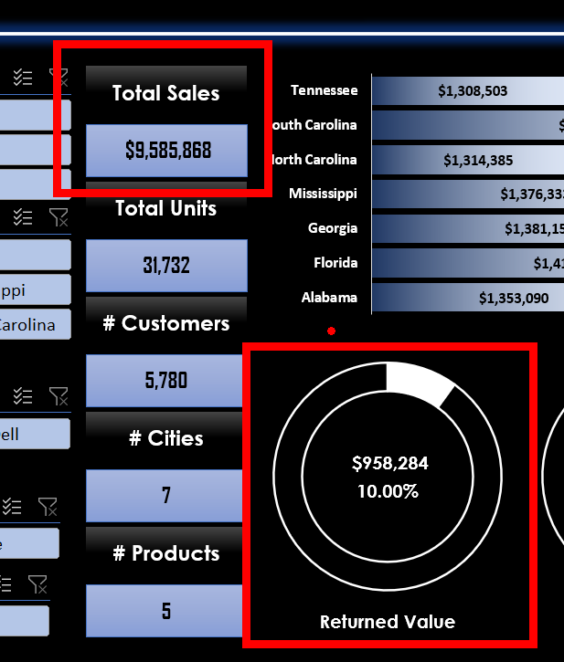
Row Labels | Sum of Revenue
No | 8627584
Yes | 958284
Grand Total | 9585868

Row Labels | Sum of Revenue
No | 90.00%
Yes | 10.00%
Grand Total | 100.00%

Unit
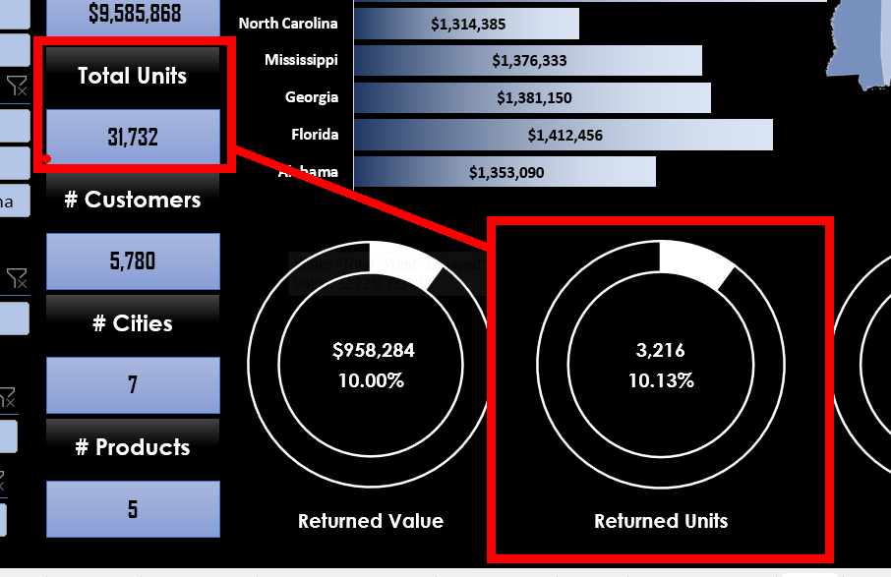
Row Labels | Sum of Units
No | 28,516 | 31,732
Yes | 3,216
Grand Total | 31,732

Row Labels | Sum of Units
No | 89.87%
Yes | 10.13%
Grand Total | 100.00%

final dashboard
 | Total
Tennessee | 1,308,503 ر.س.‏
North Carolina | 1,314,385 ر.س.‏
Alabama | 1,353,090 ر.س.‏
Mississippi | 1,376,333 ر.س.‏
Georgia | 1,381,150 ر.س.‏
Florida | 1,412,456 ر.س.‏
South Carolina | 1,439,951 ر.س.‏
Total Sales
 | Total
Loyal Customer | 1,982
Retail | 1,947
New Customer | 1,851

9,585,868 ر.س.‏

Total Unit

31,732

Customers

5,780
 | Total
Yes | 958,284 ر.س.‏
No | 8,627,584 ر.س.‏
 | Total
Yes | 3216
No | 28516
 | Total
Very High | 542
High | 1,213
Ok | 2,308
Low | 1,120
Very Low | 597
 | Total
Delayed | 1891
On Time | 3889
Cities

1,891
3,216
958,284 ر.س.‏
7
32.72%
10.13%
10.00%

Products

5
Delayed
Returned Units
Returned Value

