DASHBOARD
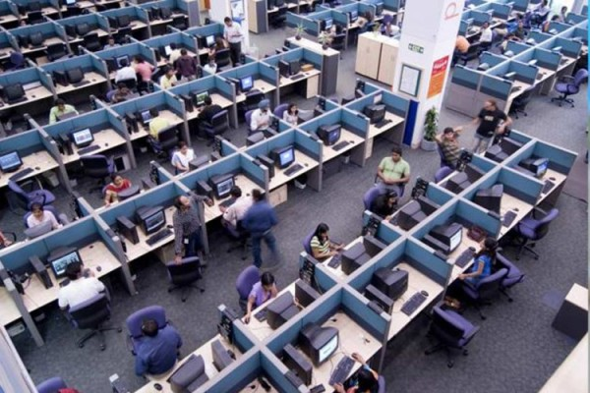
EMPLOYEE
DETAILS
DASHBOARD

WHOLE EMPLOYEES

4653

