Project_plan
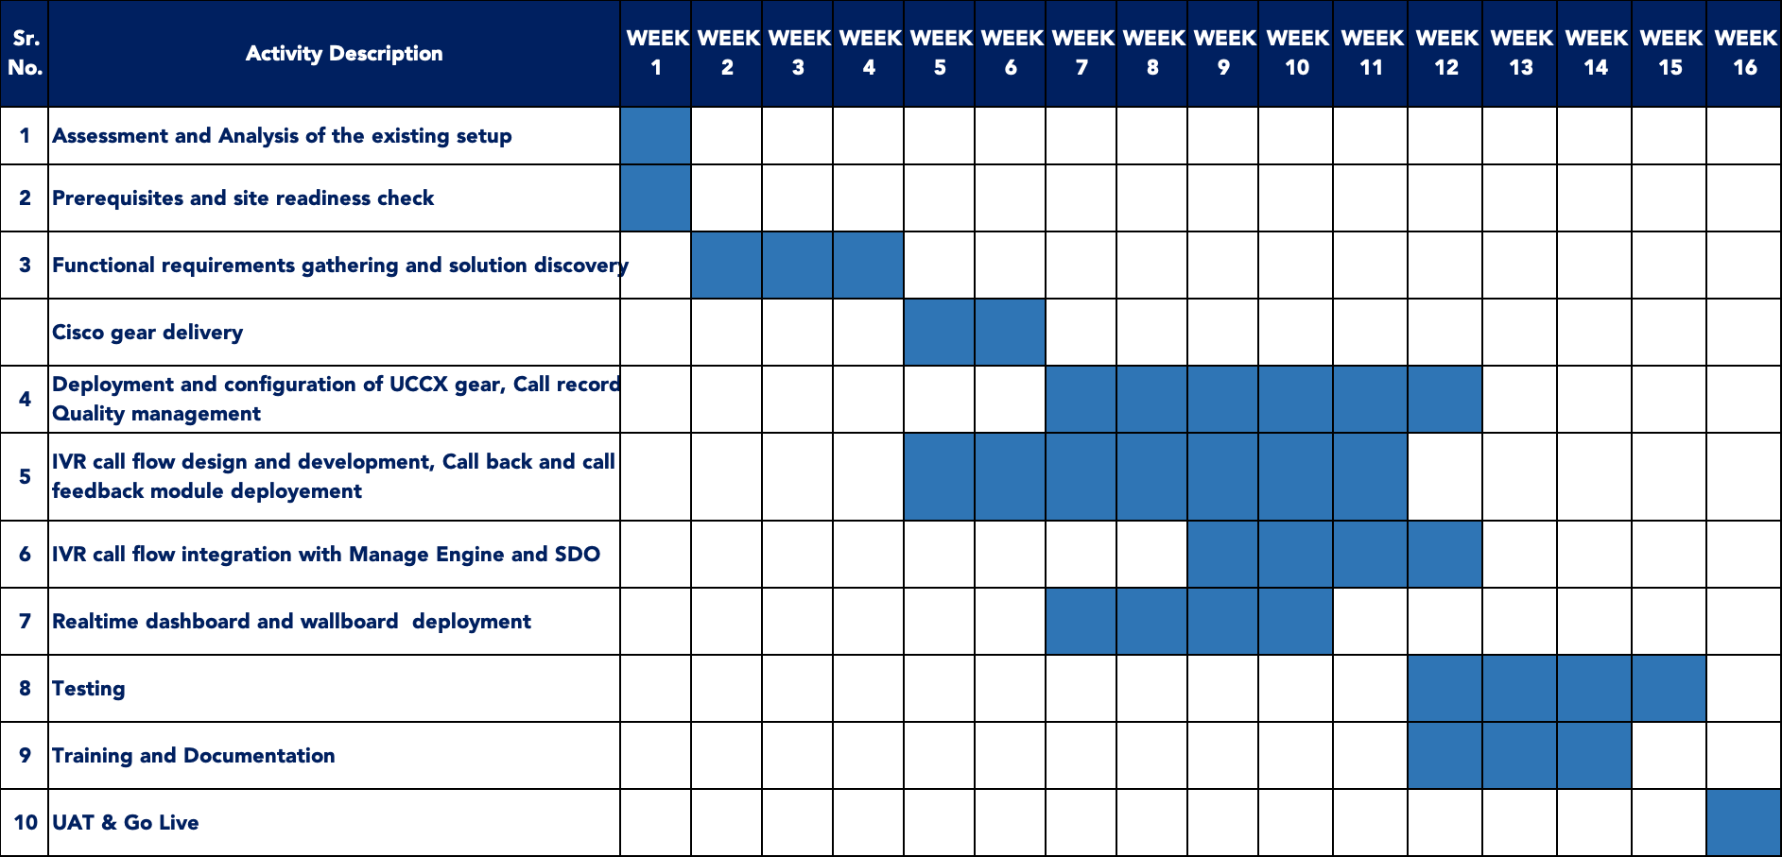
NO. | TASKS | Week1 | Week2 | Week3 | Week4 | Week5 | Week6 | Week7 | Week8 | Week9 | Week10
1 | Assessment and Analysis of Existing setup
2 | Pre-requisties and Site readiness check
3 | Functional Requirement Gathering and solution delivery
4 | Cisco Gear Delivery
5 | Deployment and configuration of UCCX gear, call recording and Quality Management
6 | IVR call flow design and development, call back and call feedback setup
7 | IVR call flow, call back and call feedback module deployment
8 | IVR callflow integration with ManageEngine and SDO
9 | Realtime Dashboard and wallboard deployment
10 | Testing
11 | Traning and Documentation
12 | UAT & Go Live

