n
 | NAME | TRAIT | IMAGE_UNIFORM_RESOURCE_LOCATOR
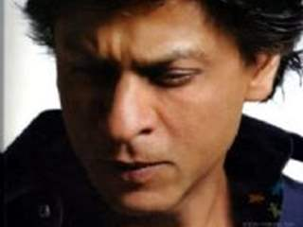 | Shah Rukh Khan | ENTP | https://img.indiaforums.com/person/320x240/0/0002-shah-rukh-khan.jpg
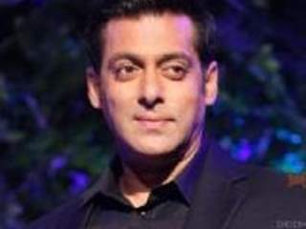 | Salman Khan | ESTP | https://img.indiaforums.com/person/320x240/0/0003-salman-khan.jpg
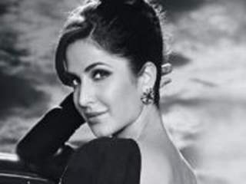 | Katrina Kaif | ISFP | https://img.indiaforums.com/person/320x240/0/0539-katrina-kaif.jpg
 | Deepika Padukone | ESTP | https://img.indiaforums.com/person/320x240/0/2576-deepika-padukone.jpg
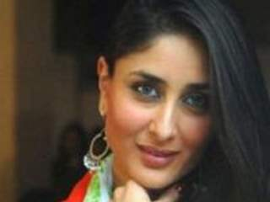 | Kareena Kapoor | ENFJ | https://img.indiaforums.com/person/320x240/0/0435-kareena-kapoor.jpg
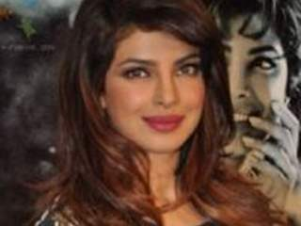 | Priyanka Chopra | ISTJ | https://img.indiaforums.com/person/320x240/0/0544-priyanka-chopra.jpg
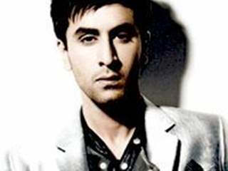 | Ranbir Kapoor | ISFP | https://img.indiaforums.com/person/320x240/0/1033-ranbir-kapoor.jpg
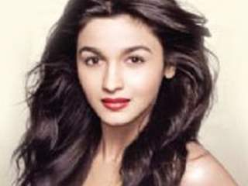 | Alia Bhatt | ESFP | https://img.indiaforums.com/person/320x240/1/0973-alia-bhatt.jpg
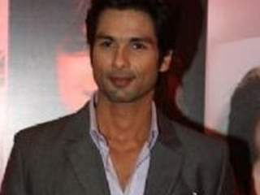 | Shahid Kapoor | ENFP | https://img.indiaforums.com/person/320x240/0/1349-shahid-kapoor.jpg
 | Madhuri Dixit | ISTJ | https://img.indiaforums.com/person/320x240/0/1337-madhuri-dixit.jpg
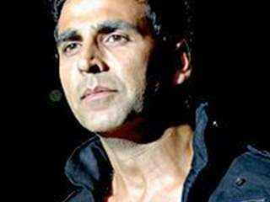 | Akshay Kumar | ISTJ | https://img.indiaforums.com/person/320x240/0/0344-akshay-kumar.jpg
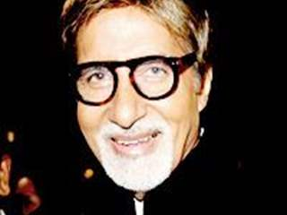 | Amitabh Bachchan | INFP | https://img.indiaforums.com/person/320x240/0/0004-amitabh-bachchan.jpg
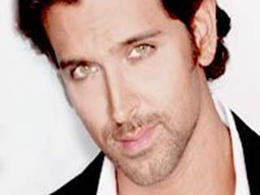 | Hrithik Roshan | ENTP | https://img.indiaforums.com/person/320x240/0/0211-hrithik-roshan.jpg
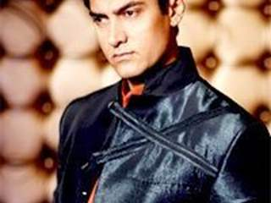 | Aamir Khan | INFJ | https://img.indiaforums.com/person/320x240/0/0024-aamir-khan.jpg
 | Kangana Ranaut | ISFJ | https://img.indiaforums.com/person/320x240/0/8582-kangana-ranaut.jpg
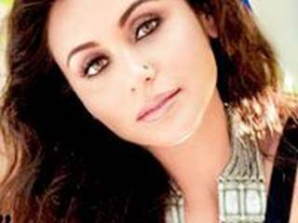 | Rani Mukherjee | ENFJ | https://img.indiaforums.com/person/320x240/0/1045-rani-mukerji.jpg
 | Sonam Kapoor | INFJ | https://img.indiaforums.com/person/320x240/0/0940-sonam-kapoor.jpg
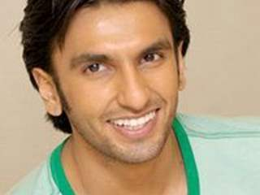 | Ranveer Singh | ESFP | https://img.indiaforums.com/person/320x240/1/0216-ranveer-singh.jpg
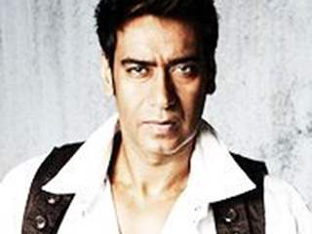 | Ajay Devgan | ISFJ | https://img.indiaforums.com/person/320x240/0/0068-ajay-devgn.jpg
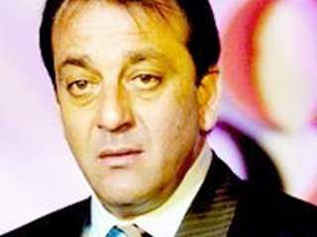 | Sanjay Dutt | ISTP | https://img.indiaforums.com/person/320x240/0/0763-sanjay-dutt.jpg
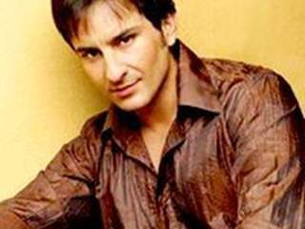 | Saif Ali Khan | ENFP | https://img.indiaforums.com/person/320x240/0/0204-saif-ali-khan.jpg
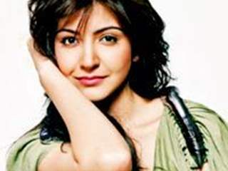 | Anushka Sharma | ESFJ | https://img.indiaforums.com/person/320x240/0/2738-anushka-sharma.jpg
 | Kajol | ISFP | https://img.indiaforums.com/person/320x240/0/0411-kajol.jpg
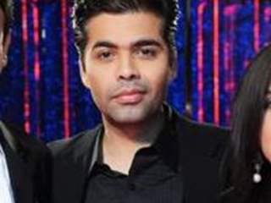 | Karan Johar | ESFP | https://img.indiaforums.com/person/320x240/0/0688-karan-johar.jpg
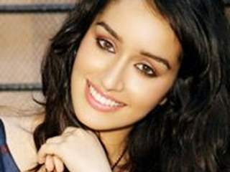 | Shraddha Kapoor | ESTP | https://img.indiaforums.com/person/320x240/1/0000-shraddha-kapoor.jpg
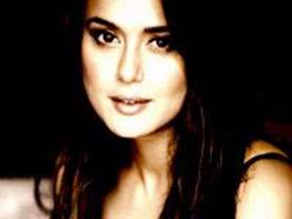 | Preity Zinta | ENFJ | https://img.indiaforums.com/person/320x240/0/0536-preity-zinta.jpg
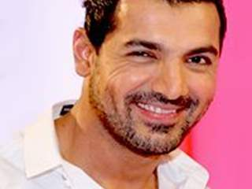 | John Abraham | ISTP | https://img.indiaforums.com/person/320x240/0/0139-john-abraham.jpg
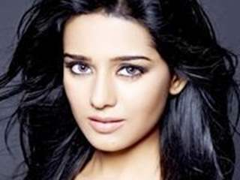 | Amrita Rao | ISTJ | https://img.indiaforums.com/person/320x240/0/1965-amrita-rao.jpg
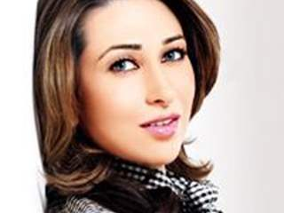 | Karishma Kapoor | ESFP | https://img.indiaforums.com/person/320x240/0/0528-karisma-kapoor.jpg
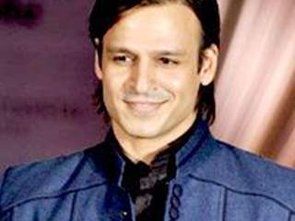 | Vivek Oberoi | ENTP | https://img.indiaforums.com/person/320x240/0/0754-vivek-oberoi.jpg
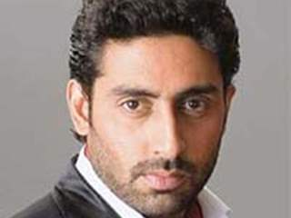 | Abishek Bachan | ISFJ | https://img.indiaforums.com/person/320x240/0/0001-abhishek-bachchan.jpg
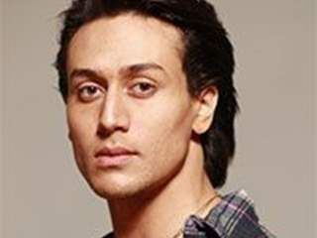 | Tiger Shroff | ISFP | https://img.indiaforums.com/person/320x240/1/1348-tiger-shroff.jpg
 | Tabu | ISFP | https://img.indiaforums.com/person/320x240/0/0646-tabu.jpg
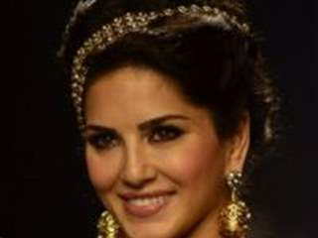 | Sunny Leone | ESFP | https://img.indiaforums.com/person/320x240/1/0736-sunny-leone.jpg
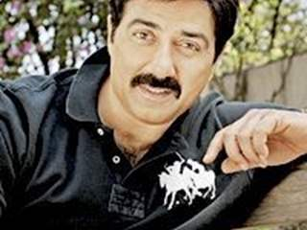 | Sunny Deol | ISFJ | https://img.indiaforums.com/person/320x240/0/1002-sunny-deol.jpg
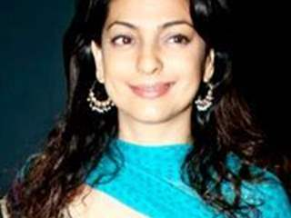 | Juhi Chawla | INFJ | https://img.indiaforums.com/person/320x240/0/0241-juhi-chawla.jpg
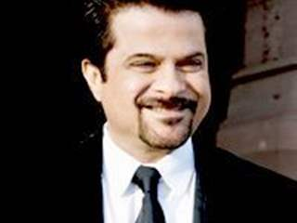 | Anil Kapoor | ISFJ | https://img.indiaforums.com/person/320x240/0/0093-anil-kapoor.jpg
 | Arjun Rampal | INTJ | https://img.indiaforums.com/person/320x240/0/0329-arjun-rampal.jpg
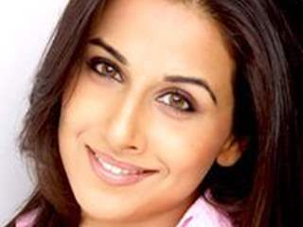 | Vidya Balan | ESFP | https://img.indiaforums.com/person/320x240/0/0883-vidya-balan.jpg
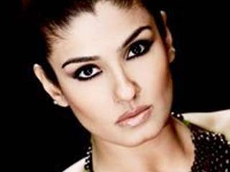 | Raveena Tandon | INFP | https://img.indiaforums.com/person/320x240/0/1053-raveena-tandon.jpg
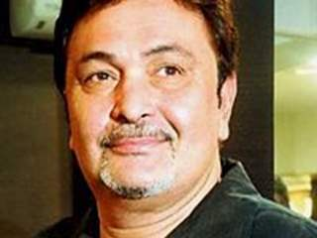 | Rishi Kapoor | INTJR | https://img.indiaforums.com/person/320x240/0/2585-rishi-kapoor.jpg
 | Bipasha Basu | ESTJ | https://img.indiaforums.com/person/320x240/0/0038-bipasha-basu.jpg
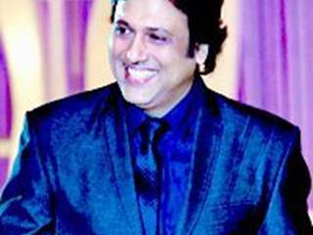 | Govinda | ISFJ | https://img.indiaforums.com/person/320x240/0/0080-govinda.jpg
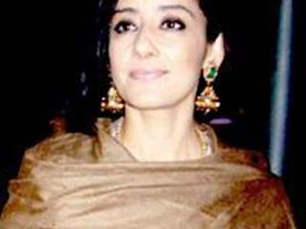 | Manisha Koirala | ESFJ | https://img.indiaforums.com/person/320x240/0/1661-manisha-koirala.jpg
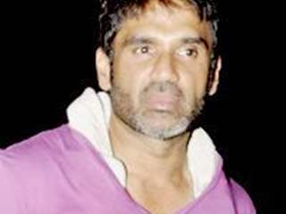 | Suniel Shetty | ENTJ | https://img.indiaforums.com/person/320x240/0/1001-suniel-shetty.jpg
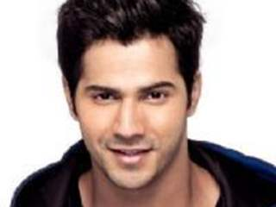 | Varun Dhavan | ESFP | https://www.indiaforums.com/person/varun-dhawan_10672
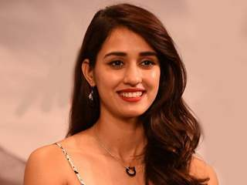 | Disha Patani | ISFP | https://www.indiaforums.com/person/disha-patani_12908
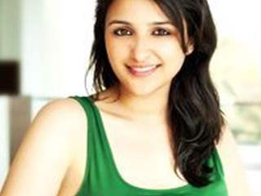 | Parineeti Chopra | ESTJ | https://www.indiaforums.com/person/parineeti-chopra_10359
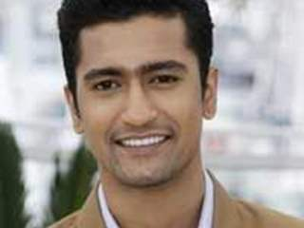 | Vicky Kaushal | ISFJ | https://www.indiaforums.com/person/vicky-kaushal_12561
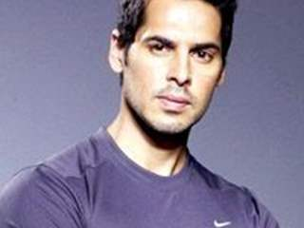 | Dino Morea | ISTJ | https://img.indiaforums.com/person/320x240/0104-dino-morea.jpg
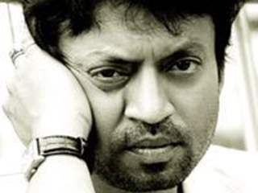 | Irfan Khan | ESFP | https://img.indiaforums.com/person/320x240/7536-irrfan-khan.jpg
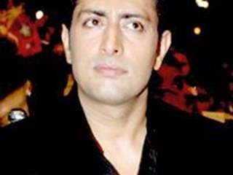 | Priyanshu Chatterjee | ENTJ | https://img.indiaforums.com/person/320x240/0713-priyanshu-chatterjee.jpg
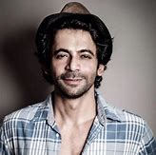 | Suniel Grover | ENFP | http://nationnext.in/wp-content/uploads/2017/03/Sunil-Grover.jpg
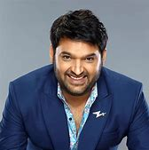 | Kapil Sharma | ENTP | https://www.masala.com/sites/default/files/images/2019/11/25/Kapil-Sharma.jpg

