Dashboards

vvvvvuvuVUVVU
McDonald's Sales Dashboard
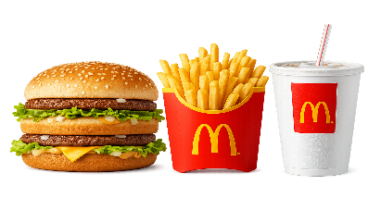

McDonald's
Sales Performance Overview

61,004
TOTAL REVENUE
₹
5343
TOTAL ORDERS
Orders
2.26
AVG ITEMS PER ORDER
Items
Big Mac
TOP ITEM
Most Ordered Item
FILTERS

 | Total
Breakfast | 1.27K
Burger | 21.46K
Chicken | 12.28K
Fries | 2.46K
Pasta | 9.15K
Salad | 1.14K
Sandwich | 8.13K
Shakes | 1.07K
Sides | 2.82K
Wraps | 1.22K
 | Total
10 | 2
11 | 286
12 | 644
13 | 590
14 | 423
15 | 354
16 | 479
17 | 618
18 | 595
19 | 497
20 | 411
21 | 289
22 | 151
23 | 4
CATEGORY-WISE REVENUE

 | Total
Afternoon | 2490
Evening | 2565
Morning | 288
 | Total
February | 19.48K
January | 20.61K
March | 20.91K

 | Total
Big Mac | 622
Side Salad | 620
Bulgogi Burger | 588
Quarter Pounder with Cheese | 583
French Fries (Large) | 571
 | Total
Weekday | ₹44,029
Weekend | ₹16,974
WEEKDAY VS WEEKEND REVENUE

Dashboard by: RANJEET ANADA

Que.
