Sheet2
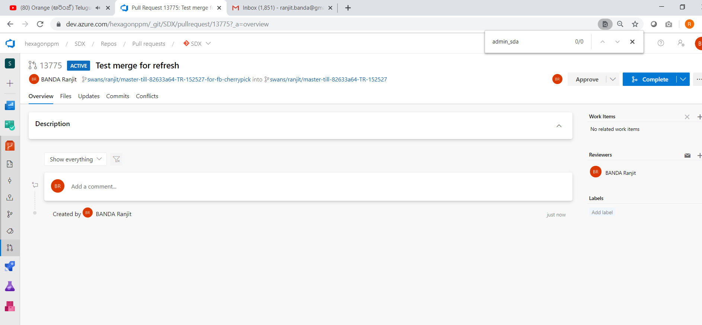
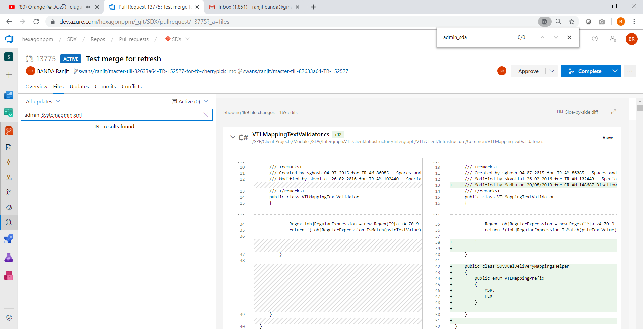
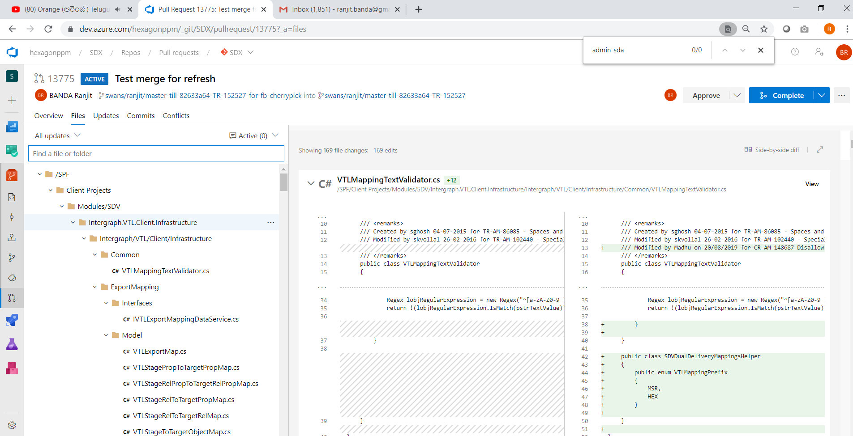
better to have a branch with the following

 | swans/ranjit/ri-am-146402-20191108-before-master-refresh-msr-copy-workflow

also the laster master refersh branch into the above feature branch as below

 | swans/ranjit/master-till-82633a64-TR-152527

THIS IS ALSO NOT WORKING
See the following pull request
 | https://dev.azure.com/hexagonppm/SDX/SDX%20Team/_git/SDX/pullrequestcreate?sourceRef=swans%252Franjit%252Fri-am-146402-20191108-before-master-refresh-msr-copy-workflow&targetRef=swans%252Franjit%252Fmaster-till-82633a64-TR-152527&sourceRepositoryId=1cdabe16-478b-4797-a22e-80f508b9cfc7&targetRepositoryId=1cdabe16-478b-4797-a22e-80f508b9cfc7

NEXT OPTION

Take the above master branch
 | swans/ranjit/master-till-82633a64-TR-152527

Create a new branch from it
 | swans/ranjit/master-till-82633a64-TR-152527-for-fb-cherrypick
If you navigate to the BRANCHES tab in the browser, you can see the comparision between the branches especially between
 | swans/ranjit/ri-am-146402-20191108-before-master-refresh-msr-copy-workflow VS swans/ranjit/master-till-82633a64-TR-152527

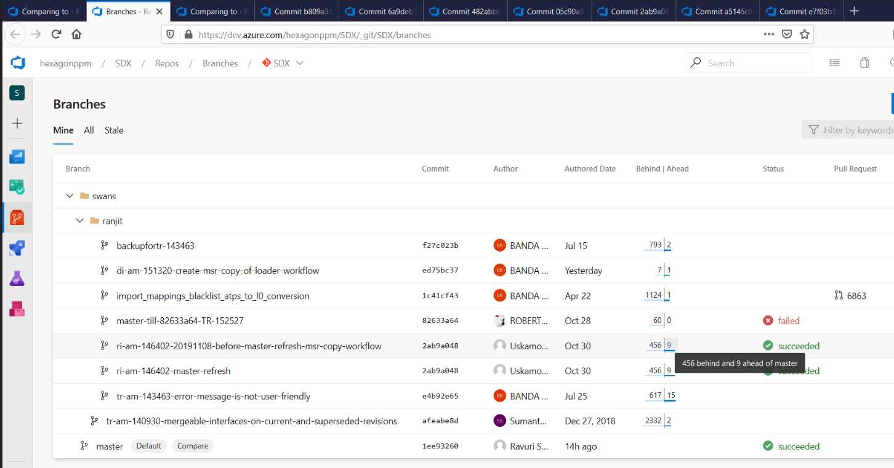

 | You can see there are 9 commits ahead of master - MEANS these commits are feature branch commits and have to go into MASTER in the future.
You can cherry pick these commits (except the MASTER REFRESH COMMITS) into "swans/ranjit/master-till-82633a64-TR-152527-for-fb-cherrypick"

Then issue pull request onto the above branch itself then you will know what are the unique files that are modified on the feature branch.
So while refreshing the MASTER, take careful about these files merging. For rest of the files, you can take the master straight away

THIS APPROACH SEEMS TO WORK

BACKUPs taken for comparision

CREATE A DUMMY PULL REQUEST
 | https://dev.azure.com/hexagonppm/_git/SDX/pullrequest/13775?_a=overview
 | So that you can use for searching the filse
 | If the files exists in this pull request then carefully merge else you can take from the source (meaning from Master)

