Sheet2
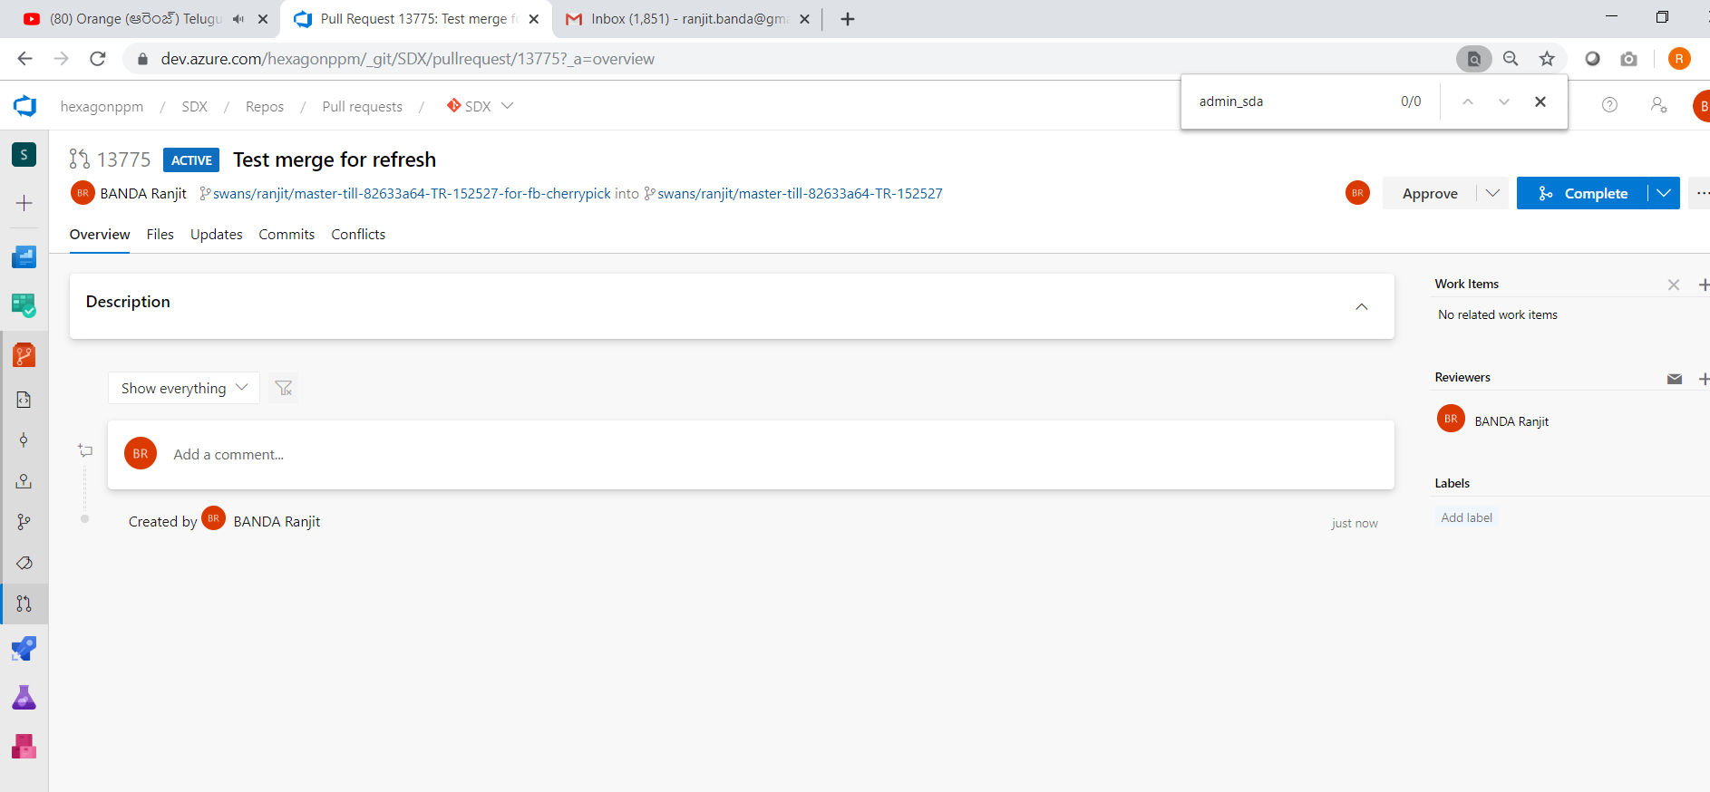
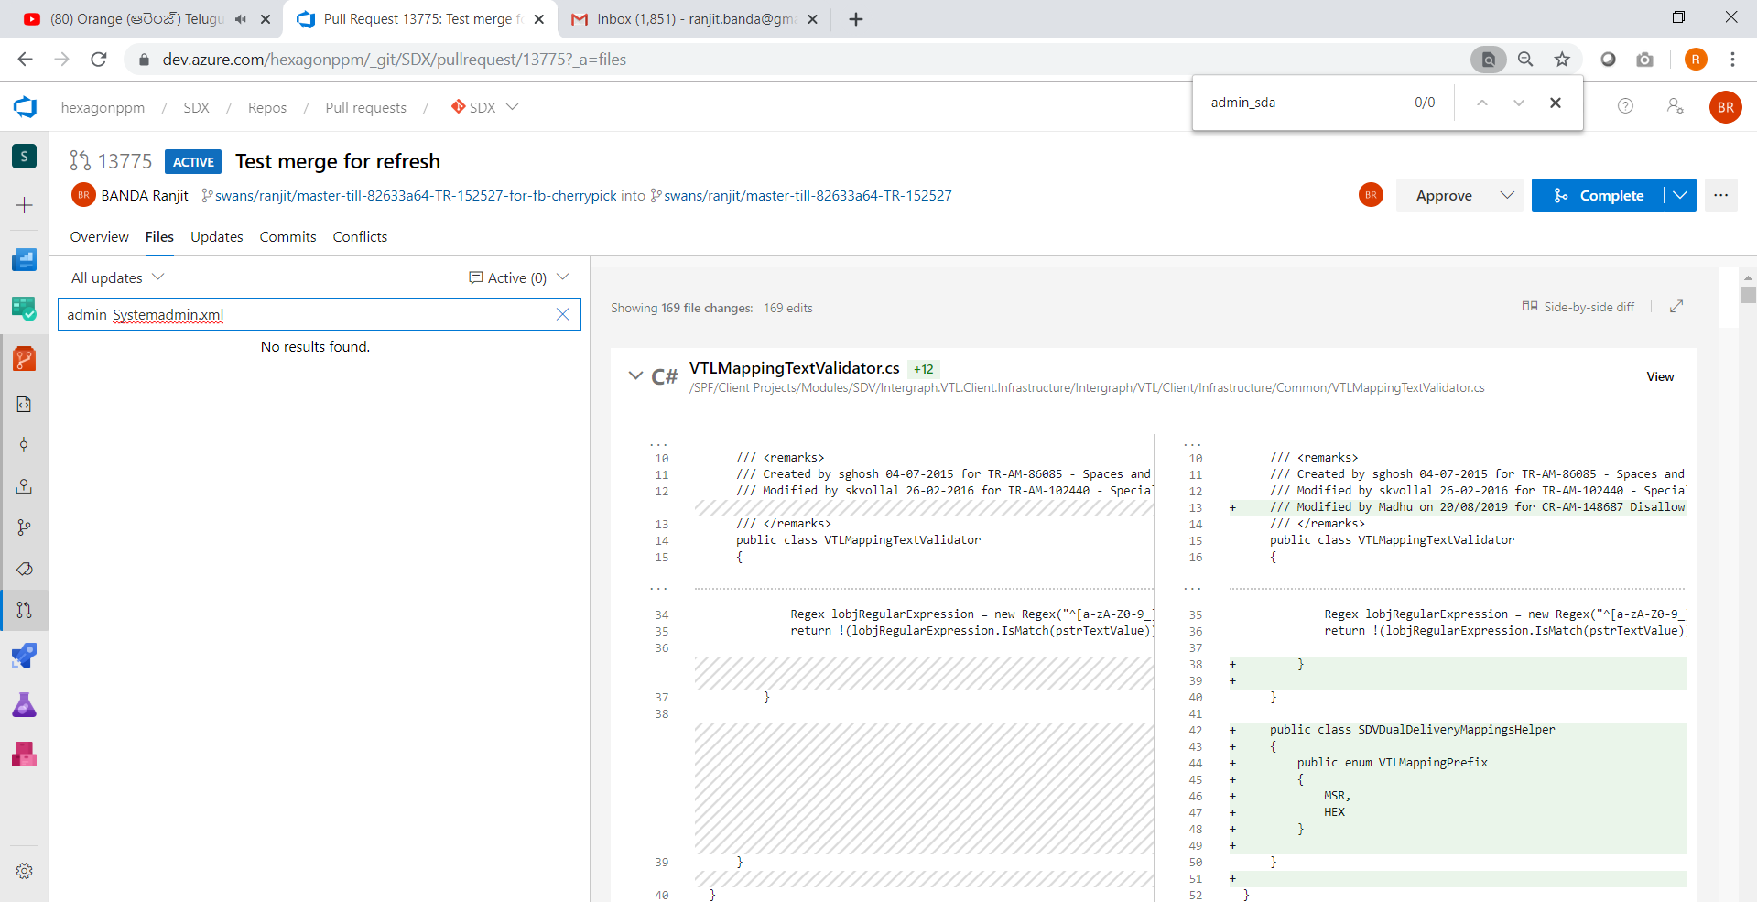
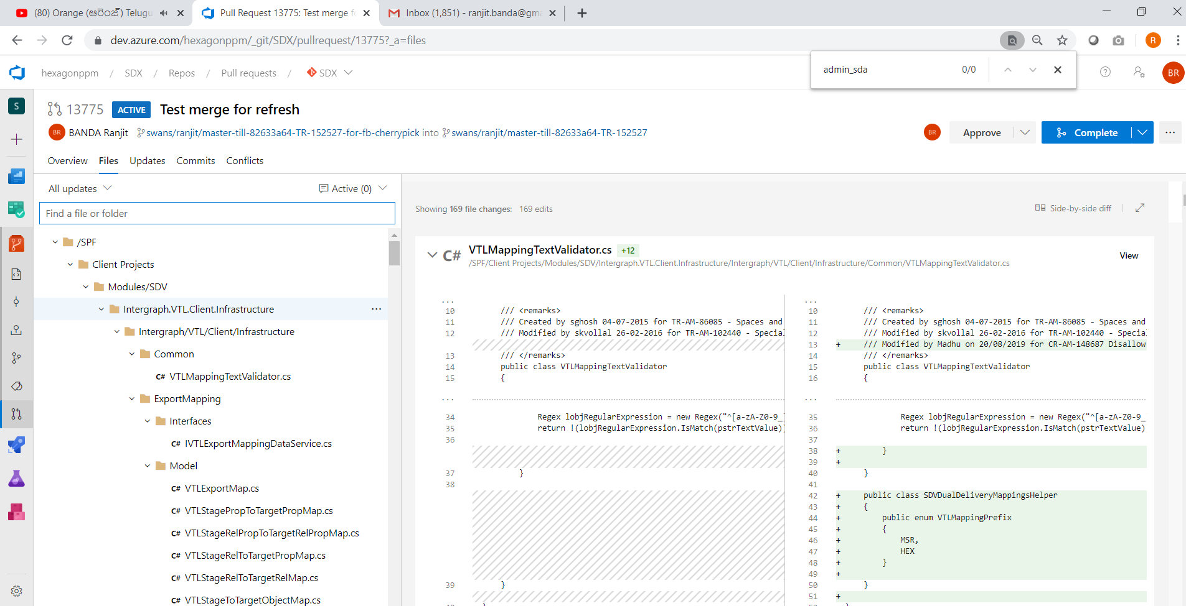
better to have a branch with the following

 | swans/ranjit/ri-am-146402-20191108-before-master-refresh-msr-copy-workflow

also the laster master refersh branch into the above feature branch as below

 | swans/ranjit/master-till-82633a64-TR-152527

THIS IS ALSO NOT WORKING
See the following pull request
 | https://dev.azure.com/hexagonppm/SDX/SDX%20Team/_git/SDX/pullrequestcreate?sourceRef=swans%252Franjit%252Fri-am-146402-20191108-before-master-refresh-msr-copy-workflow&targetRef=swans%252Franjit%252Fmaster-till-82633a64-TR-152527&sourceRepositoryId=1cdabe16-478b-4797-a22e-80f508b9cfc7&targetRepositoryId=1cdabe16-478b-4797-a22e-80f508b9cfc7

NEXT OPTION

Take the above master branch
 | swans/ranjit/master-till-82633a64-TR-152527

Create a new branch from it
 | swans/ranjit/master-till-82633a64-TR-152527-for-fb-cherrypick
If you navigate to the BRANCHES tab in the browser, you can see the comparision between the branches especially between
 | swans/ranjit/ri-am-146402-20191108-before-master-refresh-msr-copy-workflow VS swans/ranjit/master-till-82633a64-TR-152527

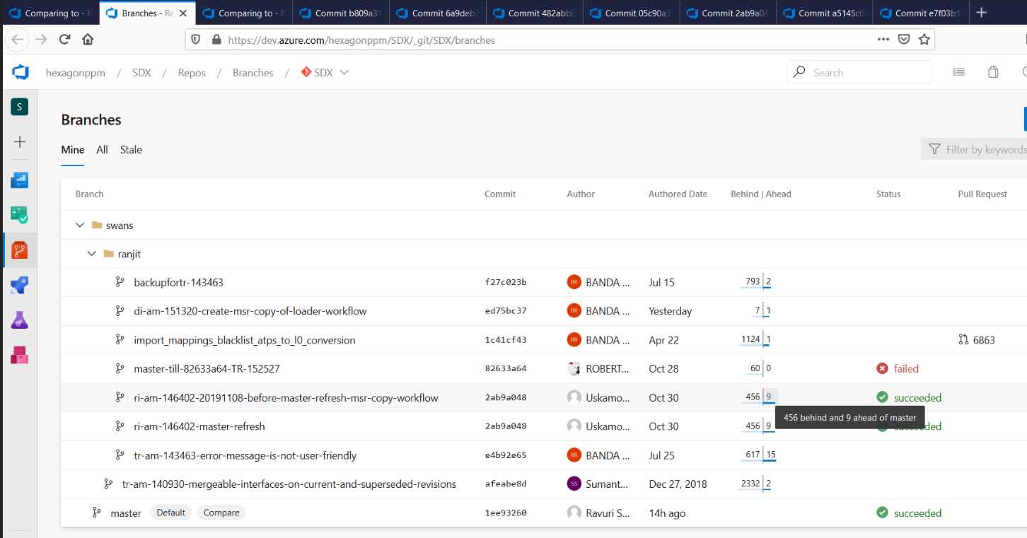

 | You can see there are 9 commits ahead of master - MEANS these commits are feature branch commits and have to go into MASTER in the future.
You can cherry pick these commits (except the MASTER REFRESH COMMITS) into "swans/ranjit/master-till-82633a64-TR-152527-for-fb-cherrypick"

Then issue pull request onto the above branch itself then you will know what are the unique files that are modified on the feature branch.
So while refreshing the MASTER, take careful about these files merging. For rest of the files, you can take the master straight away

THIS APPROACH SEEMS TO WORK

BACKUPs taken for comparision

CREATE A DUMMY PULL REQUEST
 | https://dev.azure.com/hexagonppm/_git/SDX/pullrequest/13775?_a=overview
 | So that you can use for searching the filse
 | If the files exists in this pull request then carefully merge else you can take from the source (meaning from Master)

Sheet_Try
PAVAN's Master refresh on the feature branch ( test )
1 |  | Take pavan's master refresh commit and compare against (the corresponding commit master branch + new commits done in the feature branch)

 | A | FEATURE BRANCH related information
 |  |  | Pavan's master refresh commit
 |  |  | ID | Author | Date | Message
 |  | f246ce40 | f246ce40113ecf6a8bdf18d07af090da8a0fa0f1 | Uskamoori Pavan Kumar <pavankumar.uskamoori@intergraph.com> | 30-10-2019 04:22:41 +00:00 | Merged PR 13331: Refreshing ri from master

 | B | MASTER BRANCH related information
 |  |  | master branch corresponding commit till then Pavan has merged.
 |  |  | ID | Author | Date | Message
 |  | 82633a64 | 82633a6423ebb5e4aefcff5817fe6d4765ae38ac | ROBERTS Stephen <stephen.roberts@hexagon.com> | 28-10-2019 12:10:30 +00:00 | Merged PR 13240: TR#152527 - Sharepoint tab not clickable

2 | Created a new branch based on the information from B as

 |  | swans/ranjit/master-82633a64-test-ri-146402-f246ce40

 | Now see the forward commits and take(CHERRY PICK) only the feature development commits as there will be few commits related to master refresh
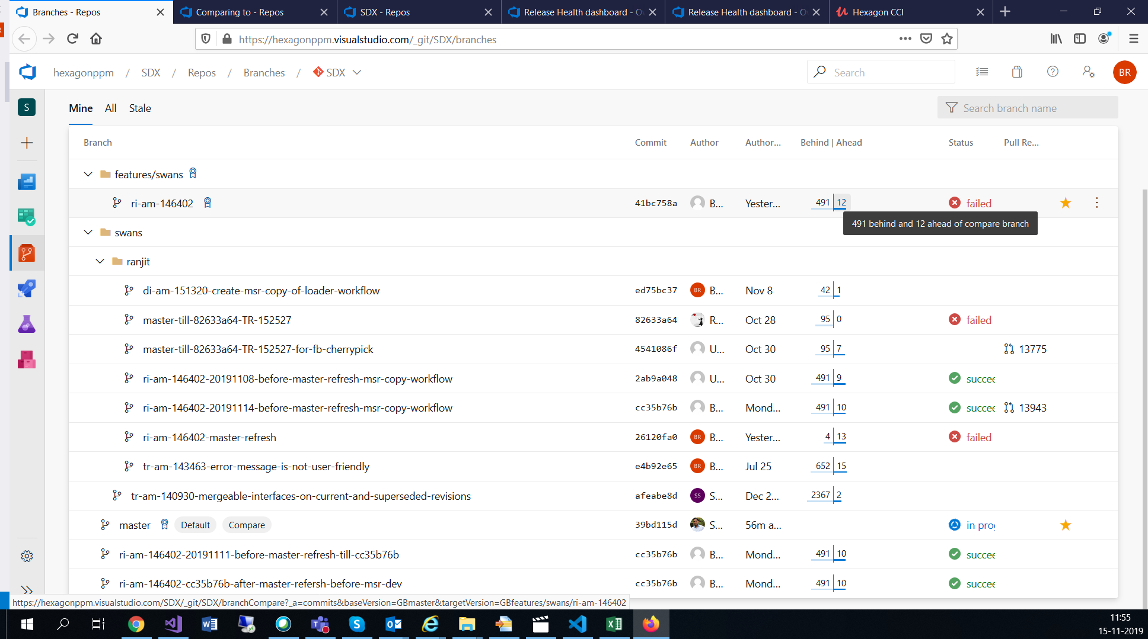

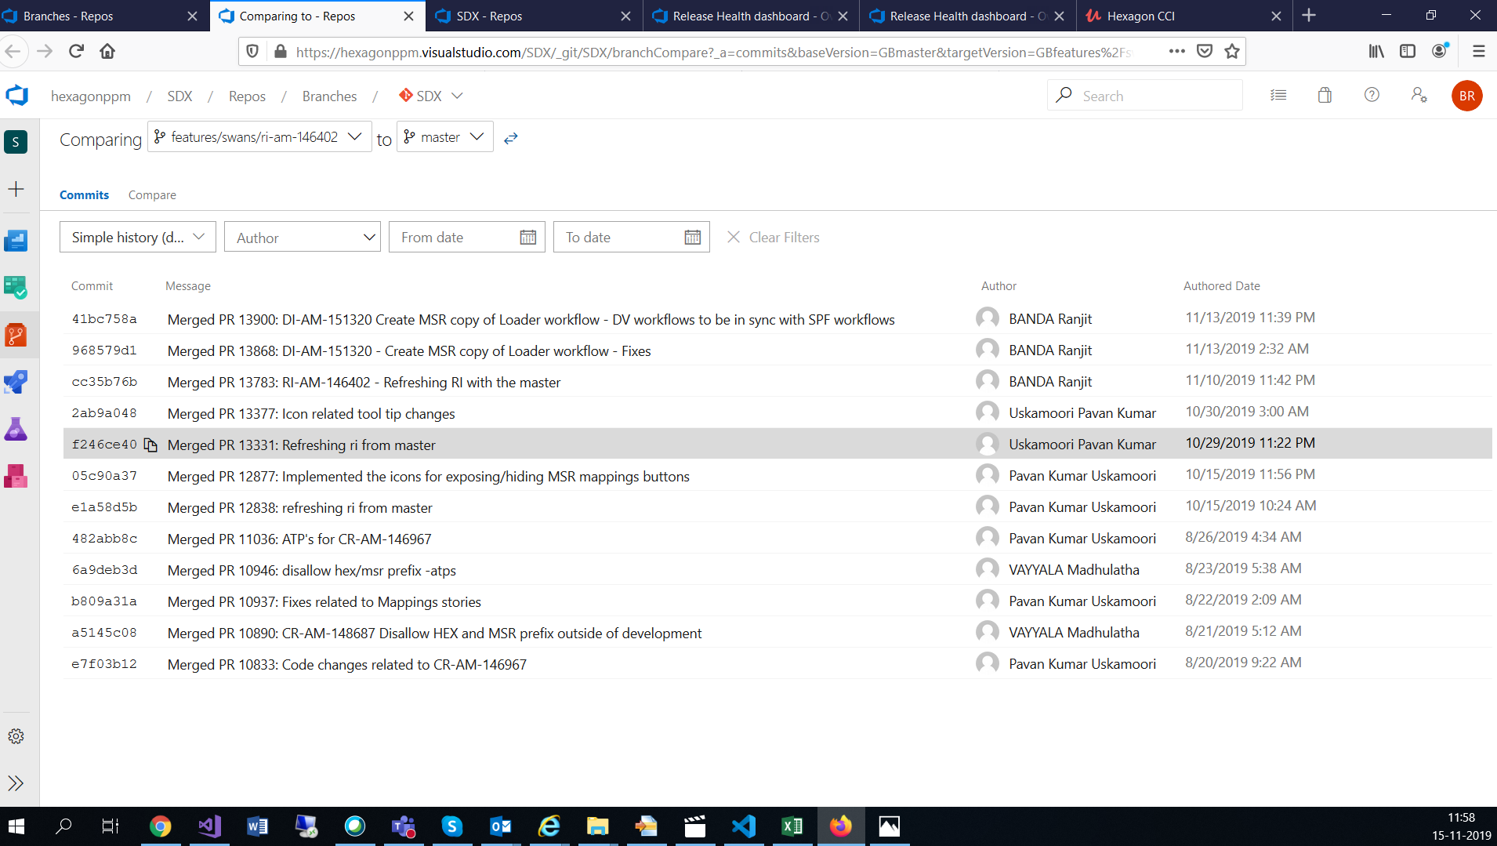

 | During cherry picking there will be conflicts then you may have to merge them
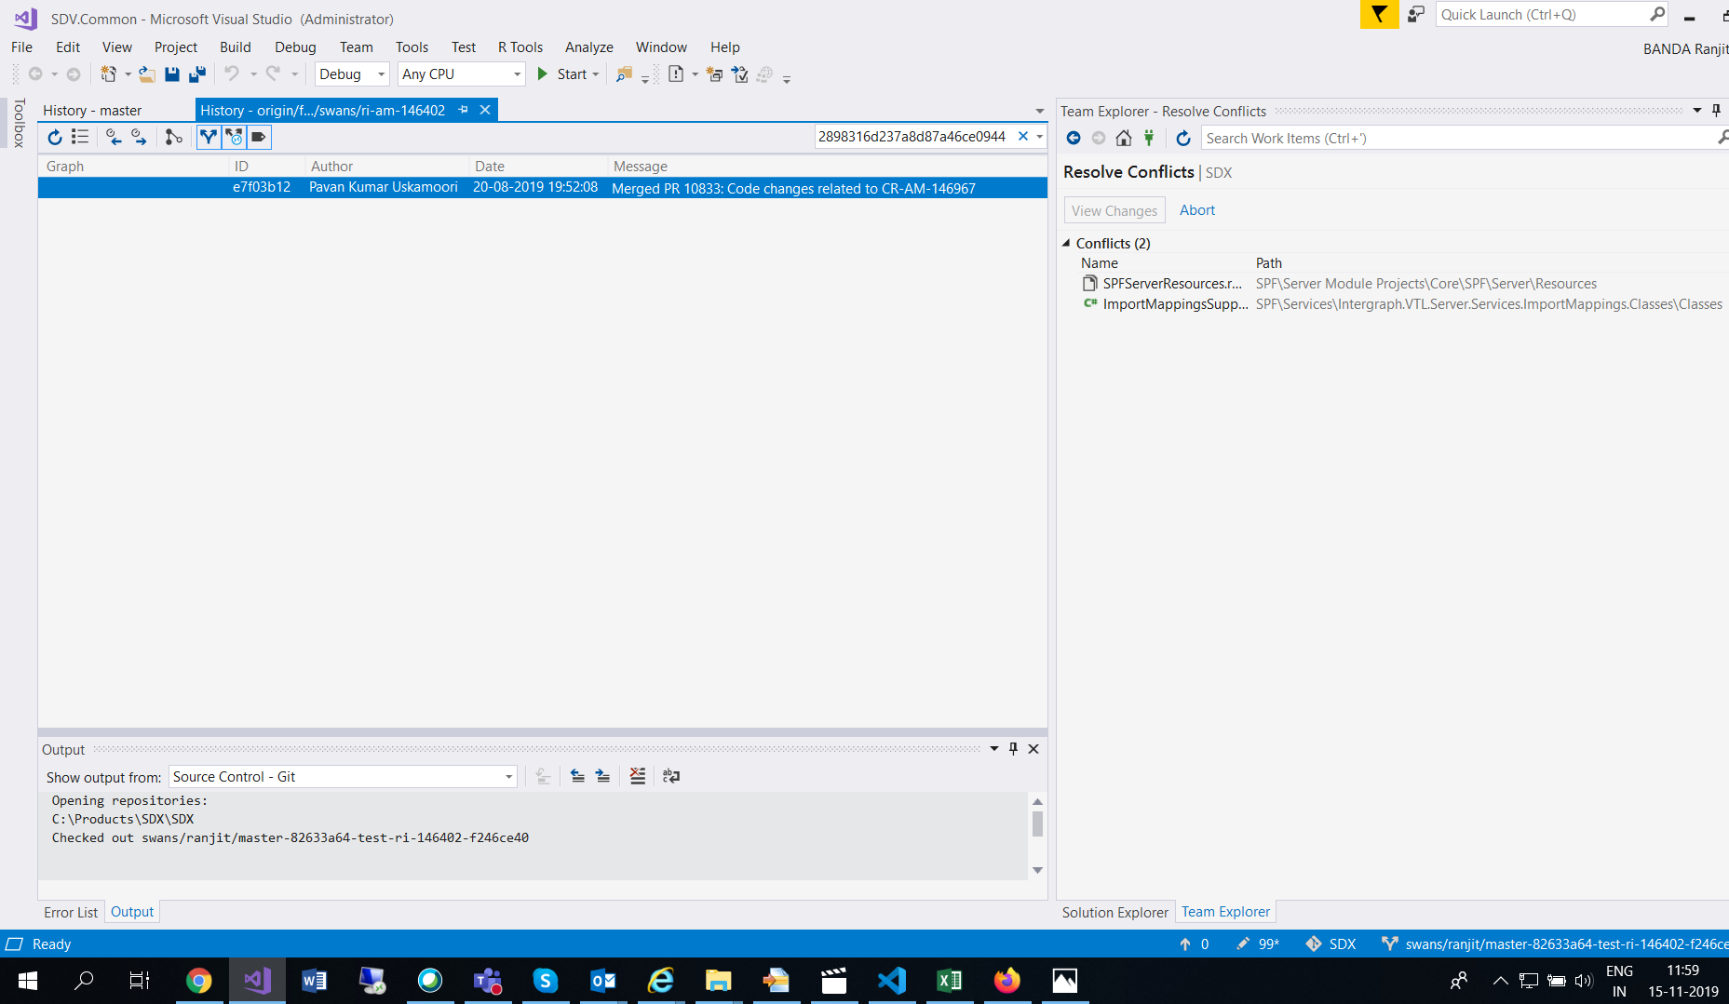

 | Manually resolve the conflicts and continue cherry pick
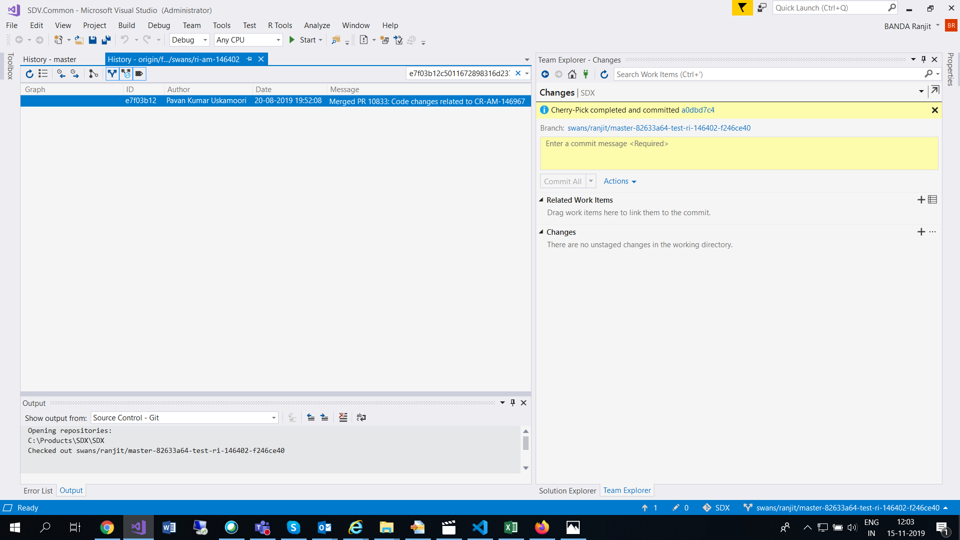

 | Similarly continue the above process for all other desired commits except master refresh commits

 | Now you view the history of "swans/ranjit/master-82633a64-test-ri-146402-f246ce40" and see all the related commits exists

 | NOTE: Merge should be taken care carefully
 | Check the following commit for more details - https://dev.azure.com/hexagonppm/SDX/_git/SDX/commit/040705610aaa42a2712c16e066980341f9f8b116/
3 | Now you compare this new cherry picked branch and the branch which is under test and should result in no changes between them when you create a pull request

 |  | I am comparing as below
 |  | Created a branch for SUT - till Pavan's master refresh commit and pushing this branch to remote
 |  |  | swans/ranjit/ri-am-146402-f246ce40-SUT

 |  | Pushing the above cherry picked branch to remote
 |  |  | swans/ranjit/master-82633a64-test-ri-146402-f246ce40

 |  | Creating PULL REQUEST between them

 | pull request
 |  | https://dev.azure.com/hexagonppm/_git/SDX/pullrequest/13989?_a=overview

 | Take the above master branch
 |  | swans/ranjit/master-till-82633a64-TR-152527

 | Create a new branch from it
 |  | swans/ranjit/master-till-82633a64-TR-152527-for-fb-cherrypick
 | If you navigate to the BRANCHES tab in the browser, you can see the comparision between the branches especially between
 |  | swans/ranjit/ri-am-146402-20191108-before-master-refresh-msr-copy-workflow VS swans/ranjit/master-till-82633a64-TR-152527

 |  | You can see there are 9 commits ahead of master - MEANS these commits are feature branch commits and have to go into MASTER in the future.
 | You can cherry pick these commits (except the MASTER REFRESH COMMITS) into "swans/ranjit/master-till-82633a64-TR-152527-for-fb-cherrypick"

 | Then issue pull request onto the above branch itself then you will know what are the unique files that are modified on the feature branch.
 | So while refreshing the MASTER, take careful about these files merging. For rest of the files, you can take the master straight away

 | THIS APPROACH SEEMS TO WORK

 | BACKUPs taken for comparision

 | CREATE A DUMMY PULL REQUEST
 |  | https://dev.azure.com/hexagonppm/_git/SDX/pullrequest/13775?_a=overview
 |  | So that you can use for searching the filse
 |  | If the files exists in this pull request then carefully merge else you can take from the source (meaning from Master)

