RF Band Power
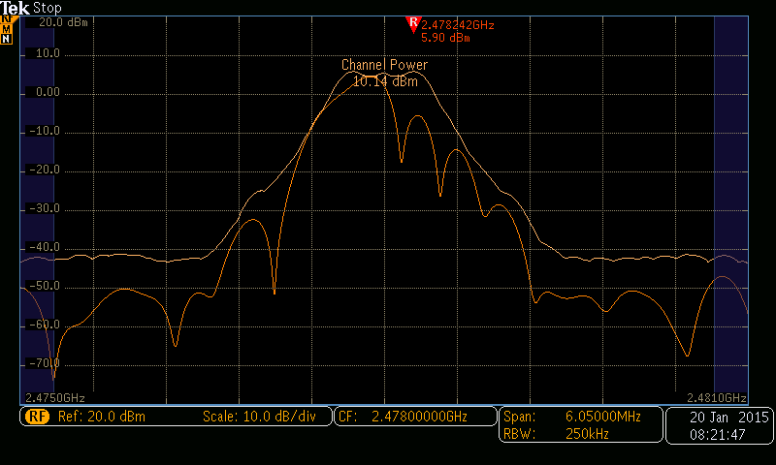
Date: - | 19th Jan 2015
Place: | VVDN Lab
Project | SKHU_HCAM
card No | MB32

 | RF BAND POWER OUTPUT @0.7 Mbps BR (GFSK) |  |  |  |  |  |  |  | RF PEAK POWER OUTPUT @2.1 Mbps 2-EDR(π/4-DQPSK) |  |  |  |  |  |  | RF PEAK POWER OUTPUT @2.1 Mbps 3-EDR (8DPSK) |  |  |  |  |  |  | RF PEAK POWER OUTPUT @ BLE

 | Sweep Time: Auto Colple ; Max Hold ; Detector : Peak |  |  |  |  |  |  |  | Sweep Time: Auto Colple ; Max Hold ; Detector : Peak |  |  |  |  |  |  | Sweep Time: Auto Colple ; Max Hold ; Detector : Peak |  |  |  |  |  |  | Sweep Time: Auto Colple ; Max Hold ; Detector : Peak
 | Center Frequencies | RBW | VBW | SPAN | Measured | Limit | Status |  | Center Frequencies | RBW | VBW | SPAN | Measured | Limit | Status | Center Frequencies | RBW | VBW | SPAN | Measured | Limit | Status | Center Frequencies | RBW | VBW | SPAN | Measured | Limit | Status
 | 2402 MHz | 250KHz | Auto | 5.5MHz | 12.43 dBm | 30dBm | Passed |  | 2402 MHz | 250KHz | Auto | 5.5MHz | 10.51 dBm | 30dBm | Passed | 2402 MHz | 250KHz | Auto | 5.5MHz | 10.54 dBm | 30dBm | Passed | 2402 MHz | 250KHz | Auto | 5.5MHz | 12.1 dBm | 30dBm | Passed
 | 2432 MHz | 250KHz | Auto | 5.5MHz | 12.09 dBm | 30dBm | Passed |  | 2432 MHz | 250KHz | Auto | 5.5MHz | 10 dBm | 30dBm | Passed | 2432 MHz | 250KHz | Auto | 5.5MHz | 10.39 dBm | 30dBm | Passed | 2432 MHz | 250KHz | Auto | 5.5MHz | 11.39 dBm | 30dBm | Passed
 | 2452 MHz | 250KHz | Auto | 5.5MHz | 12.64 dBm | 30dBm | Passed |  | 2452 MHz | 250KHz | Auto | 5.5MHz | 9.13 dBm | 30dBm | Passed | 2452 MHz | 250KHz | Auto | 5.5MHz | 9.42 dBm | 30dBm | Passed | 2452 MHz | 250KHz | Auto | 5.5MHz | 10.76 dBm | 30dBm | Passed
 | 2478 MHz | 250KHz | Auto | 5.5MHz | 12.51 dBm | 30dBm | Passed |  | 2478 MHz | 250KHz | Auto | 5.5MHz | 8.23 dBm | 30dBm | Passed | 2478 MHz | 250KHz | Auto | 5.5MHz | 8.43 dBm | 30dBm | Passed | 2478 MHz | 250KHz | Auto | 5.5MHz | 10.14 dBm | 30dBm | Passed

 | Setup Block Diagram

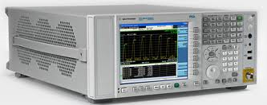
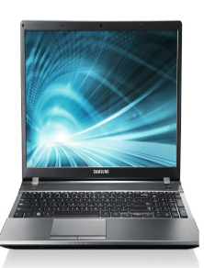

 |  |  |  |  | N Type to UFL
 |  |  |  |  |  | Skully Board
 |  |  |  |  |  |  |  | USB Cable

 |  |  |  |  |  | DUT

 | Instrument Used
 | Manufacturer | Description |  | Model
 | Tektronix | Spectum Analyzer |  | MDO3054
 | Lenova | Laptop |  | Thinkpad

 | RF Band Power
 | Below are the plots of Band Power at UFL Connector

 | BR_2402MHz
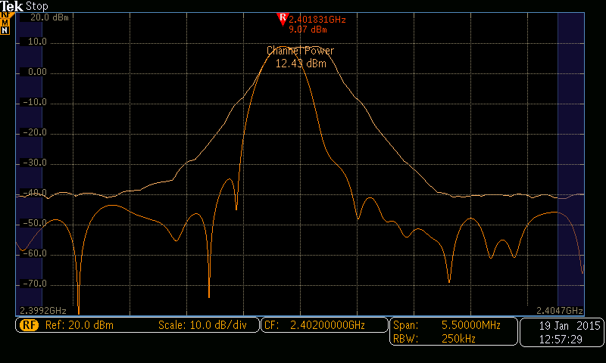

 | BR_2432MHz
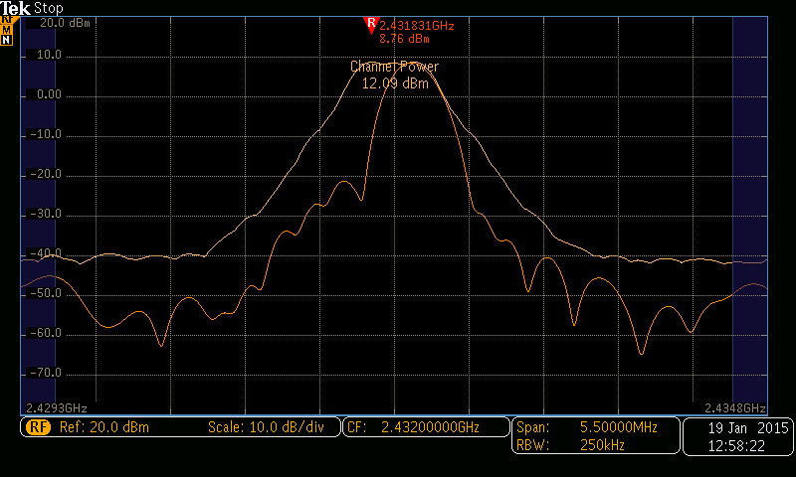

 | BR_2452MHz
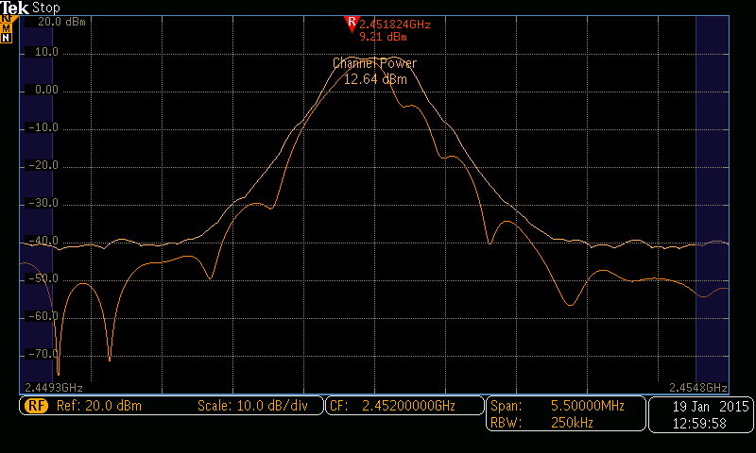

 | BR_2478MHz
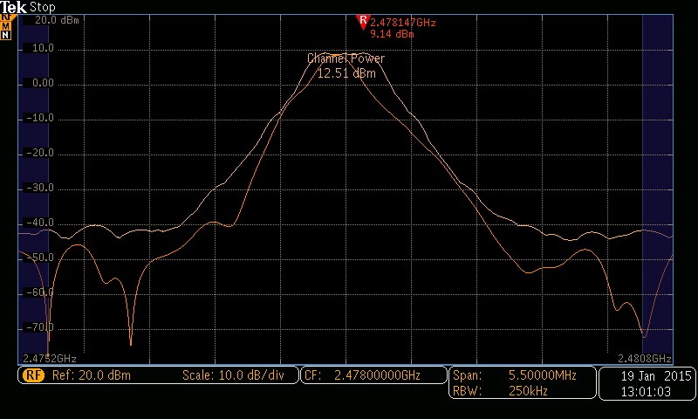

 | 2-EDR_2402MHz
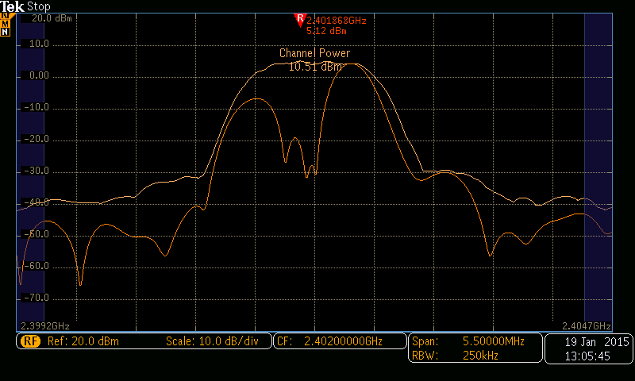

 | 2-EDR_2432MHz
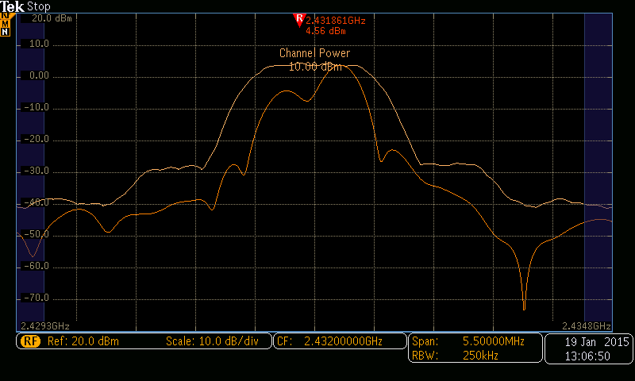

 | 2-EDR_2452MHz
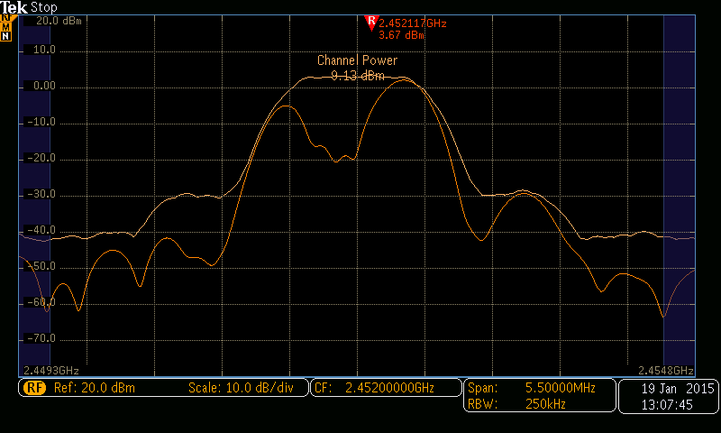

 | 2-EDR_2478MHz
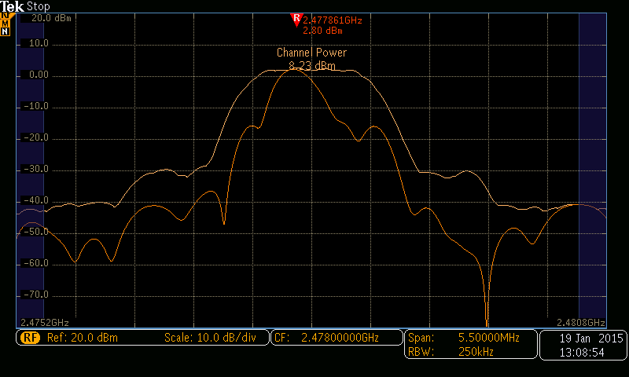

 | 3-EDR_2402MHz

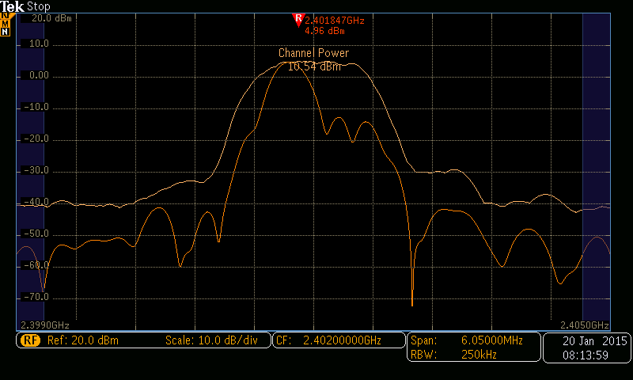

 | 3-EDR_2432MHz

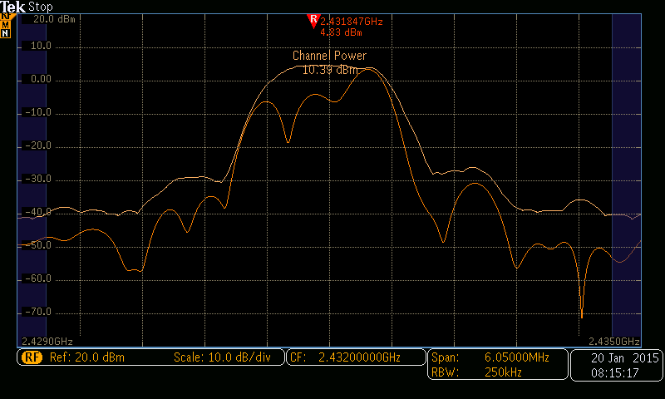

 | 3-EDR_2452MHz

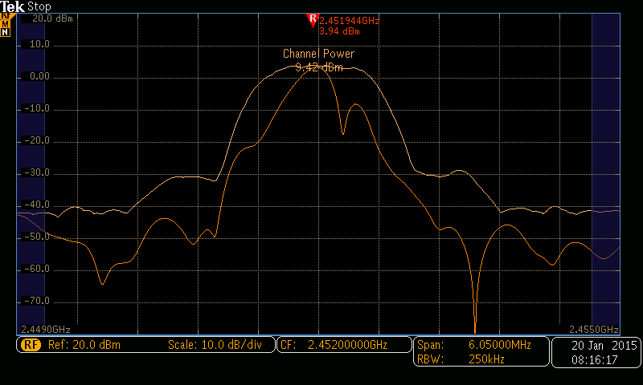

 | 3-EDR_2478MHz

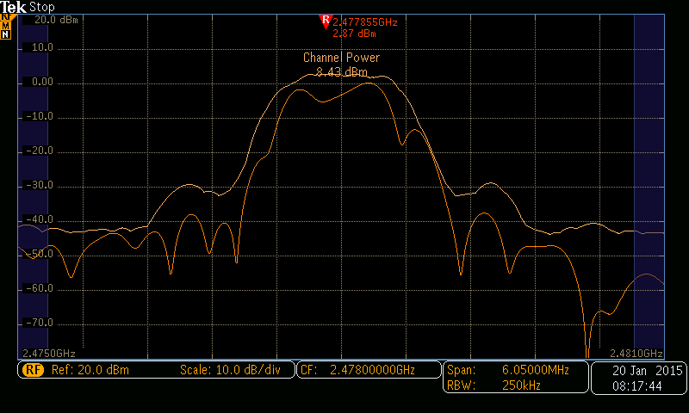

 | BLE_2402MHz

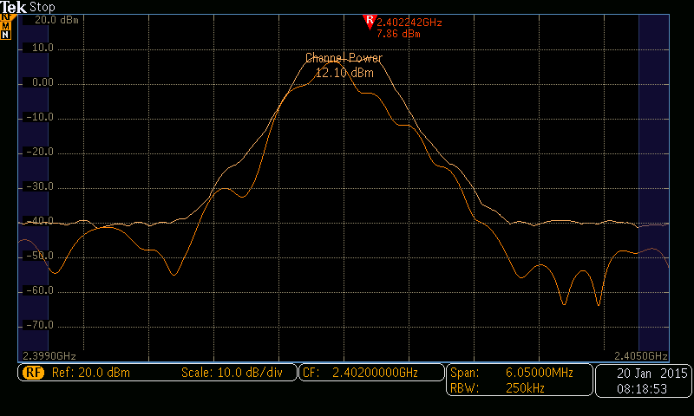

 | BLE_2432MHz

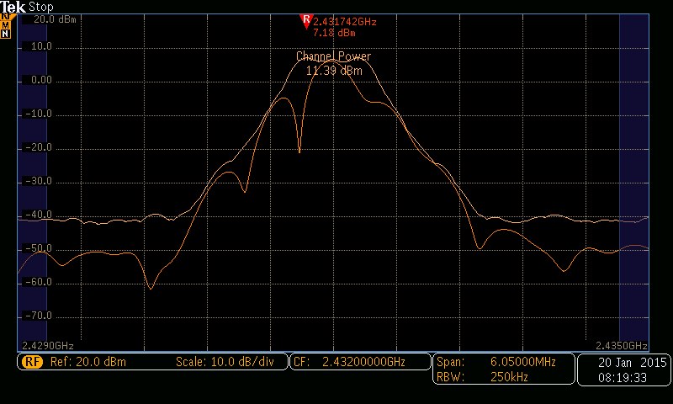

 | BLE_2452MHz

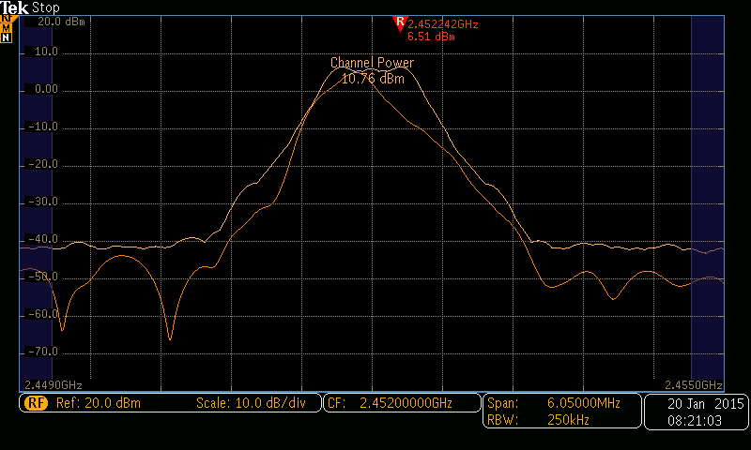

 | BLE_2478MHz

RF Band Peak Power
Date: - | 5th Jan 2015
Place: | VVDN Lab
Project | SKHU_HCAM
card No | MB32

 | RF PEAK POWER OUTPUT @0.7 Mbps BR (GFSK) |  |  |  |  |  |  | RF PEAK POWER OUTPUT @2.1 Mbps 2-EDR(π/4-DQPSK) |  |  |  |  |  |  | RF PEAK POWER OUTPUT @2.1 Mbps 3-EDR (8DPSK) |  |  |  |  |  |  | RF PEAK POWER OUTPUT @ BLE

 | Sweep Time: Auto Colple ; Max Hold ; Detector : Peak |  |  |  |  |  |  | Sweep Time: Auto Colple ; Max Hold ; Detector : Peak |  |  |  |  |  |  | Sweep Time: Auto Colple ; Max Hold ; Detector : Peak |  |  |  |  |  |  | Sweep Time: Auto Colple ; Max Hold ; Detector : Peak
 | Center Frequencies | RBW | VBW | SPAN | Measured | Limit | Status | Center Frequencies | RBW | VBW | SPAN | Measured | Limit | Status | Center Frequencies | RBW | VBW | SPAN | Measured | Limit | Status | Center Frequencies | RBW | VBW | SPAN | Measured | Limit | Status
 | 2402 MHz | 250KHz | Auto | 5MHz | 8.96dBm | 30dBm | Passed | 2402 MHz | 250KHz | Auto | 5MHz | 4.33dBm | 30dBm | Passed | 2402 MHz | 250KHz | Auto | 5MHz | 4.15dBm | 30dBm | Passed | 2402 MHz | 250KHz | Auto | 5MHz | 6.42dBm | 30dBm | Passed
 | 2432 MHz | 250KHz | Auto | 5MHz | 8.91dBm | 30dBm | Passed | 2432 MHz | 250KHz | Auto | 5MHz | 3.63dBm | 30dBm | Passed | 2432 MHz | 250KHz | Auto | 5MHz | 3.28dBm | 30dBm | Passed | 2432 MHz | 250KHz | Auto | 5MHz | 5.72dBm | 30dBm | Passed
 | 2452 MHz | 250KHz | Auto | 5MHz | 9.25dBm | 30dBm | Passed | 2452 MHz | 250KHz | Auto | 5MHz | 3.4dBm | 30dBm | Passed | 2452 MHz | 250KHz | Auto | 5MHz | 3.35dBm | 30dBm | Passed | 2452 MHz | 250KHz | Auto | 5MHz | 5.78dBm | 30dBm | Passed
 | 2478 MHz | 250KHz | Auto | 5MHz | 9.73dBm | 30dBm | Passed | 2478 MHz | 250KHz | Auto | 5MHz | 3.06dBm | 30dBm | Passed | 2478 MHz | 250KHz | Auto | 5MHz | 3.03dBm | 30dBm | Passed | 2478 MHz | 250KHz | Auto | 5MHz | 5.87dBm | 30dBm | Passed

 | Setup Block Diagram

 |  |  |  |  |  | Skully Board
 |  |  |  |  | N Type to UFL
 |  |  |  |  |  |  |  | USB Cable
 |  |  |  |  |  | DUT

 | Instrument Used
 | Manufacturer | Description |  | Model
 | Tektronix | Spectum Analyzer |  | MDO3054
 | Lenova | Laptop |  | Thinkpad

 | RF Peak O/P Power
 | Below are the plots of Peak Power at UFL Connector

 |  | BR_2402MHz
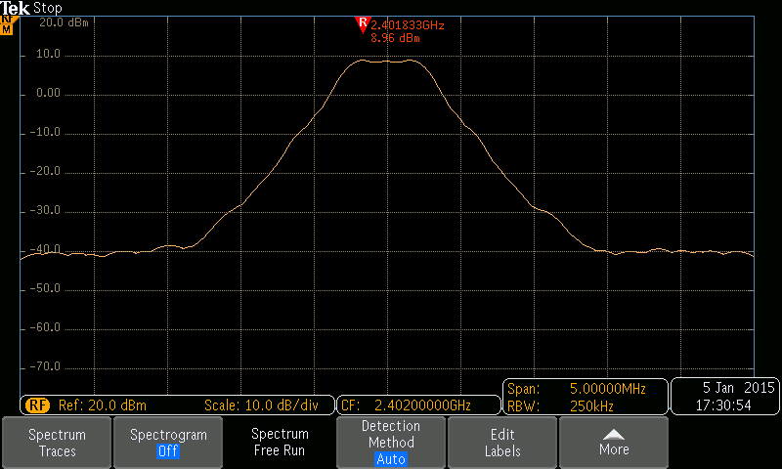

 |  | BR_2432MHz
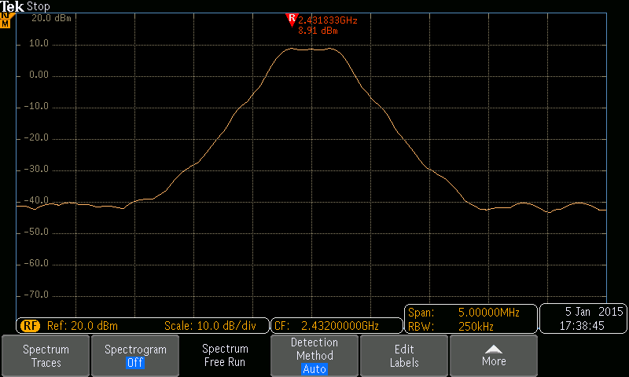

 |  | BR_2452MHz
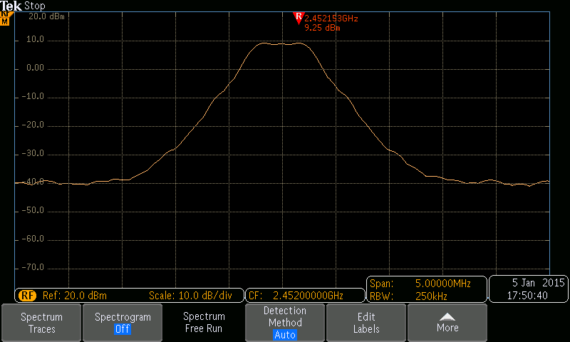

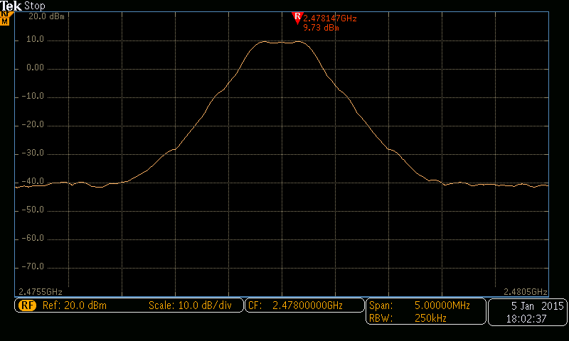
 |  | BR_2478MHz

 |  | 2-EDR_2402MHz
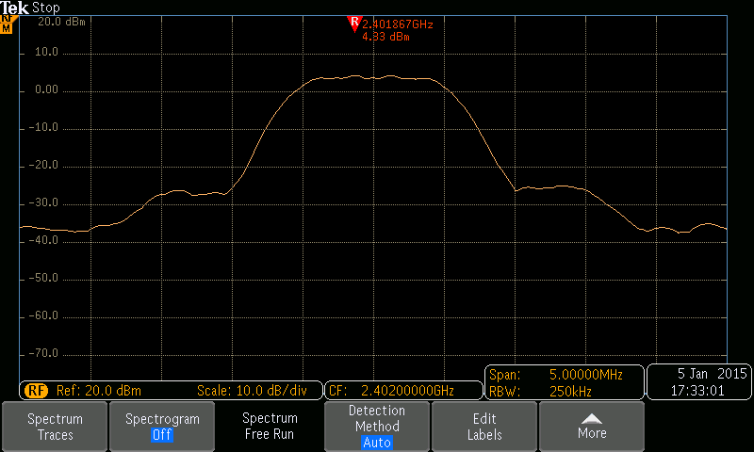

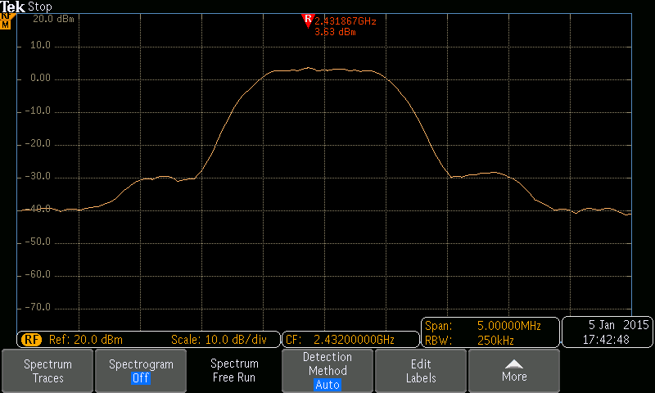
 |  | 2-EDR_2432MHz

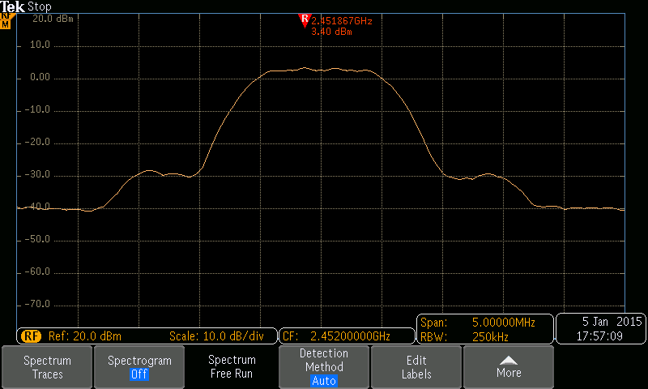
 |  | 2-EDR_2452MHz

 |  | 2-EDR_2478MHz


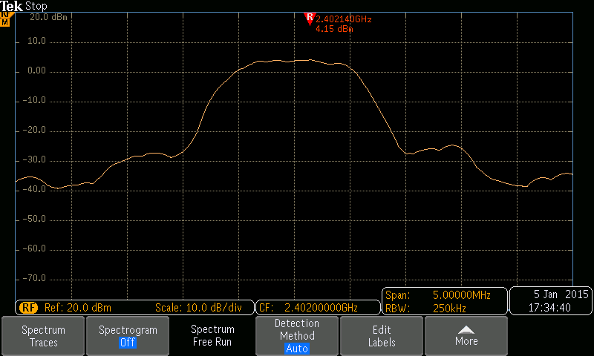
 |  | 3-EDR_2402MHz

 |  | 3-EDR_2432MHz
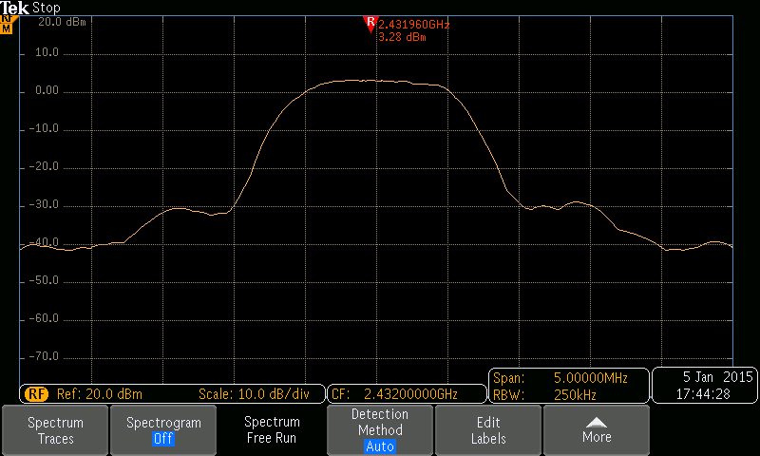


 |  | 3-EDR_2452MHz

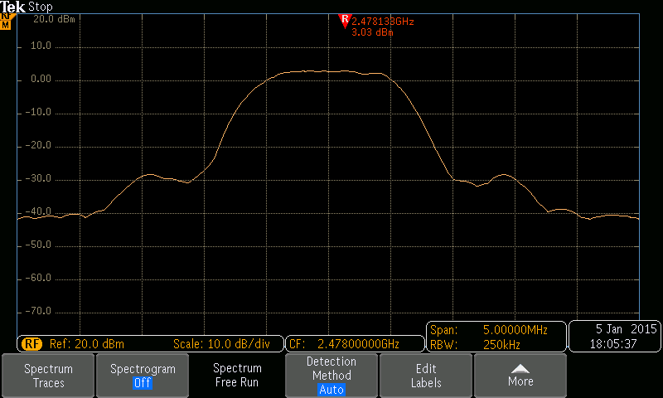
 |  | 3-EDR_2478MHz

 |  | BLE_2402MHz


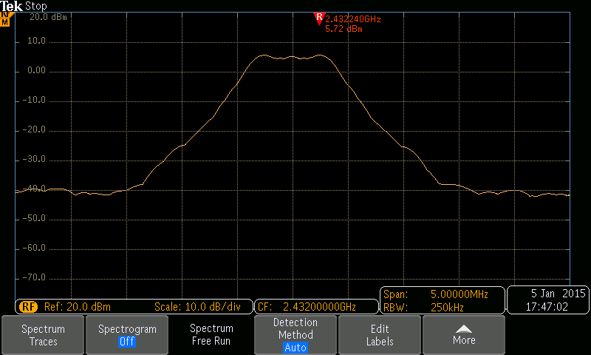
 |  | BLE_2432MHz

 |  | BLE_2452MHz



 |  | BLE_2478MHz

Occupied Bandwidth
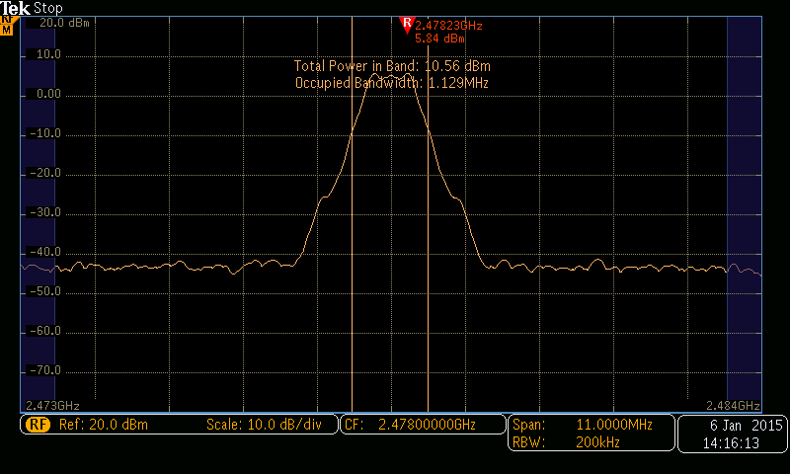
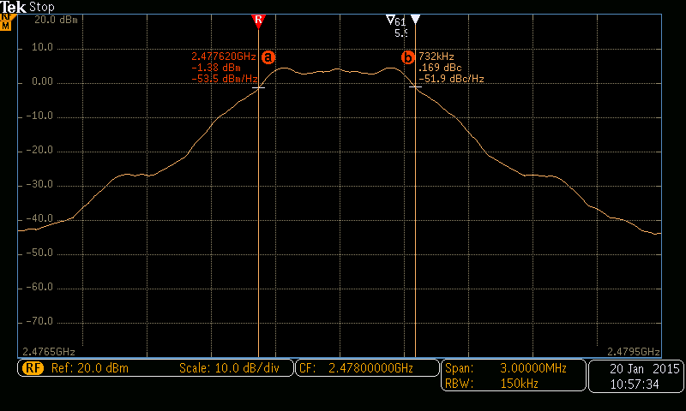
Power in 99% Bandwidth for BR |  |  |  |  |  |  |  | Power in 99% Bandwidth for 2-EDR |  |  |  |  |  |  | Power in 99% Bandwidth for 3-EDR |  |  |  |  |  |  | Power in 99% Bandwidth for BLE

Sweep Time: Auto Colple ; Max Hold ; Detector : Peak |  |  |  |  |  |  |  | Sweep Time: Auto Colple ; Max Hold ; Detector : Peak |  |  |  |  |  |  | Sweep Time: Auto Colple ; Max Hold ; Detector : Peak |  |  |  |  |  |  | Sweep Time: Auto Colple ; Max Hold ; Detector : Peak
Center Frequencies | RBW | SPAN | VBW | Measured | Limit | Status |  | Center Frequencies | RBW | SPAN | VBW | Measured | Limit | Status | Center Frequencies | RBW | SPAN | VBW | Measured | Limit | Status | Center Frequencies | RBW | SPAN | VBW | Measured | Limit | Status
2402 MHz | 200KHz | 11 MHz | Auto | 12.11dBm | 30dBm | Passed |  | 2402 MHz | 200KHz | 11 MHz | Auto | 9.68dBm | 30dBm | Passed | 2402 MHz | 200KHz | 11 MHz | Auto | 9.6dBm | 30dBm | Passed | 2402 MHz | 200KHz | 11 MHz | Auto | 10.51dBm | 30dBm | Passed
2432 MHz | 200KHz | 11 MHz | Auto | 12.31dBm | 30dBm | Passed |  | 2432 MHz | 200KHz | 11 MHz | Auto | 8.82dBm | 30dBm | Passed | 2432 MHz | 200KHz | 11 MHz | Auto | 8.88dBm | 30dBm | Passed | 2432 MHz | 200KHz | 11 MHz | Auto | 9.97dBm | 30dBm | Passed
2452 MHz | 200KHz | 11 MHz | Auto | 12.81dBm | 30dBm | Passed |  | 2452 MHz | 200KHz | 11 MHz | Auto | 8.99dBm | 30dBm | Passed | 2452 MHz | 200KHz | 11 MHz | Auto | 9.02dBm | 30dBm | Passed | 2452 MHz | 200KHz | 11 MHz | Auto | 10.14dBm | 30dBm | Passed
2478 MHz | 200KHz | 11 MHz | Auto | 13.77dBm | 30dBm | Passed |  | 2478 MHz | 200KHz | 11 MHz | Auto | 9.32dBm | 30dBm | Passed | 2478 MHz | 200KHz | 11 MHz | Auto | 10.63dBm | 30dBm | Passed | 2478 MHz | 200KHz | 11 MHz | Auto | 10.56dBm | 30dBm | Passed

6dB bandwidth for BR |  |  |  |  |  |  |  | 6dB bandwidth for 2-EDR |  |  |  |  |  |  | 6dB bandwidth for 3-EDR |  |  |  |  |  |  | 6dB bandwidth for BLE

Sweep Time: Auto Colple ; Max Hold ; Detector : Peak |  |  |  |  |  |  |  | Sweep Time: Auto Colple ; Max Hold ; Detector : Peak |  |  |  |  |  |  | Sweep Time: Auto Colple ; Max Hold ; Detector : Peak |  |  |  |  |  |  | Sweep Time: Auto Colple ; Max Hold ; Detector : Peak
Center Frequencies | RBW | SPAN | VBW | Measured | Limit | Status |  | Center Frequencies | RBW | SPAN | VBW | Measured | Limit | Status | Center Frequencies | RBW | SPAN | VBW | Measured | Limit | Status | Center Frequencies | RBW | SPAN | VBW | Measured | Limit | Status
2402 MHz | 150KHz | 3 MHz | Auto | 552KHz | >500KHz | Passed |  | 2402 MHz | 150KHz | 3 MHz | Auto | 1.13MHz | >500KHz | Passed | 2402 MHz | 150KHz | 3 MHz | Auto | 1.1MHz | >500KHz | Passed | 2402 MHz | 150KHz | 3 MHz | Auto | 744KHz | >500KHz | Passed
2432 MHz | 150KHz | 3 MHz | Auto | 548KHz | >500KHz | Passed |  | 2432 MHz | 150KHz | 3 MHz | Auto | 1.12MHz | >500KHz | Passed | 2432 MHz | 150KHz | 3 MHz | Auto | 1.08MHz | >500KHz | Passed | 2432 MHz | 150KHz | 3 MHz | Auto | 736KHz | >500KHz | Passed
2452 MHz | 150KHz | 3 MHz | Auto | 552KHz | >500KHz | Passed |  | 2452 MHz | 150KHz | 3 MHz | Auto | 1.13MHz | >500KHz | Passed | 2452 MHz | 150KHz | 3 MHz | Auto | 1.09MHz | >500KHz | Passed | 2452 MHz | 150KHz | 3 MHz | Auto | 744KHz | >500KHz | Passed
2478 MHz | 150KHz | 3 MHz | Auto | 552KHz | >500KHz | Passed |  | 2478 MHz | 150KHz | 3 MHz | Auto | 1.13MHz | >500KHz | Passed | 2478 MHz | 150KHz | 3 MHz | Auto | 1.09MHz | >500KHz | Passed | 2478 MHz | 150KHz | 3 MHz | Auto | 732KHz | >500KHz | Passed

Setup Block Diagram



 |  |  |  |  |  |  |  |  |  |  | USB Cable
 |  |  |  |  |  |  |  | Skully Card

 |  |  |  |  |  |  | DUT
 |  |  | N Type to UFL

Instrument Used
Manufacturer | Description |  | Model
Tektronix | Spectum Analyzer |  | MDO3054
Lenova | Laptop |  | Thinkpad

Occupied Bandwidth
Below are the plots of Occupied Bandwidth at UFL Connector

BT – BR

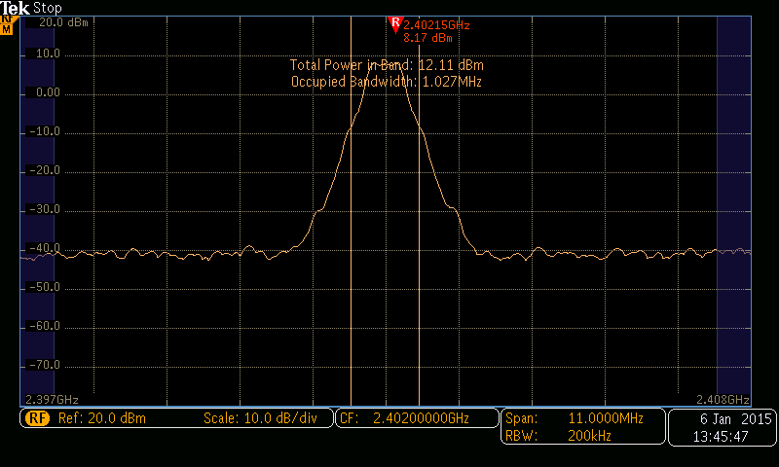
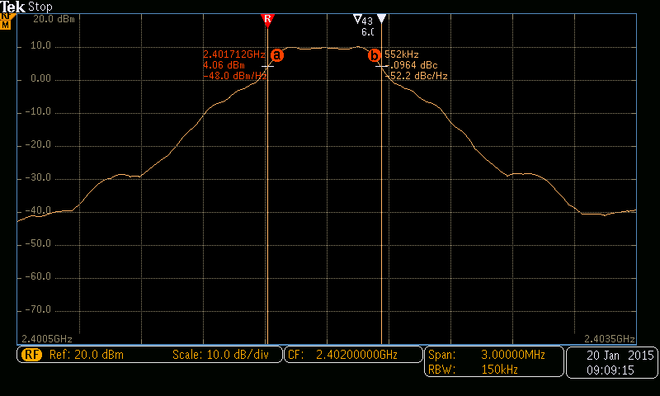

BT – BR
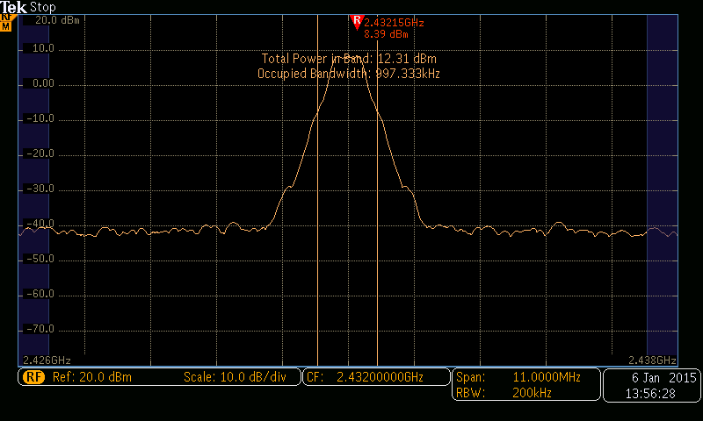


BT – BR
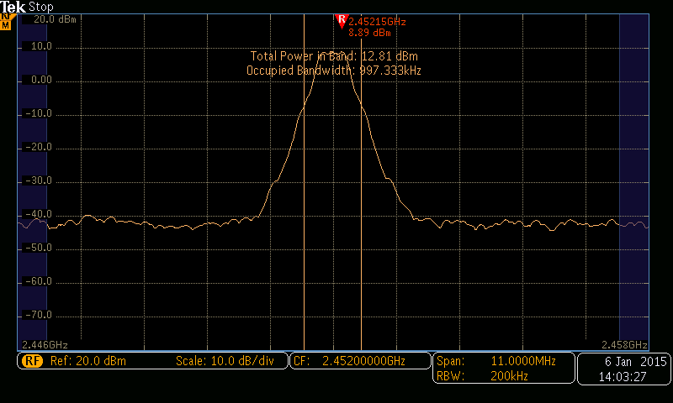


BT – BR
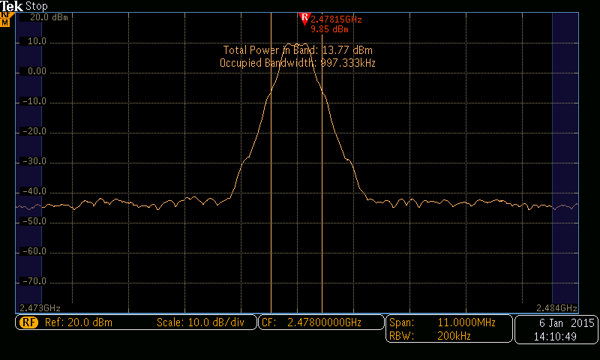
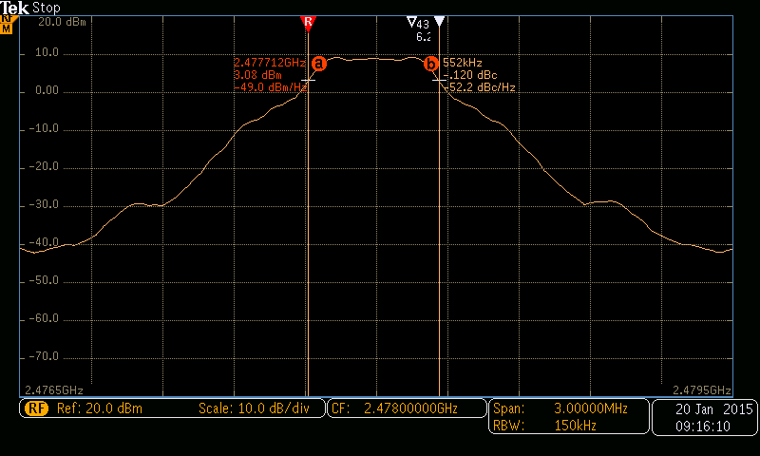

BT – 2-EDR

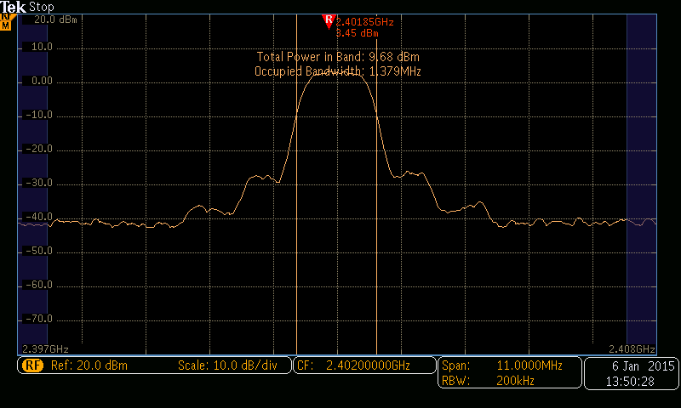
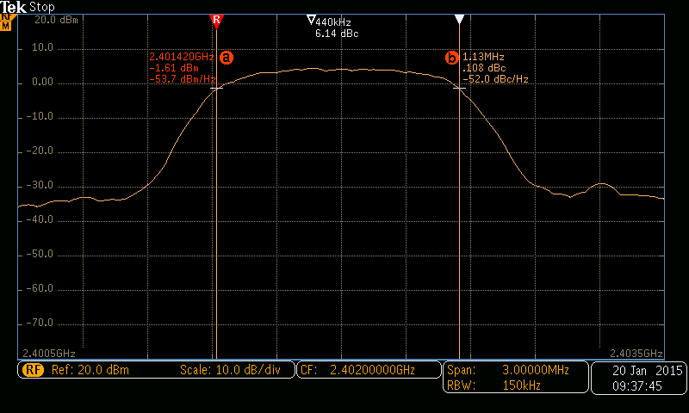

BT – 2-EDR

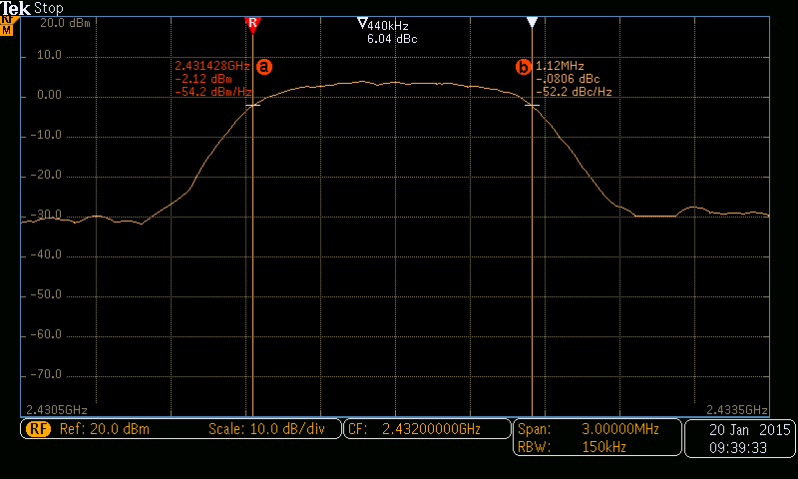

BT – 2-EDR

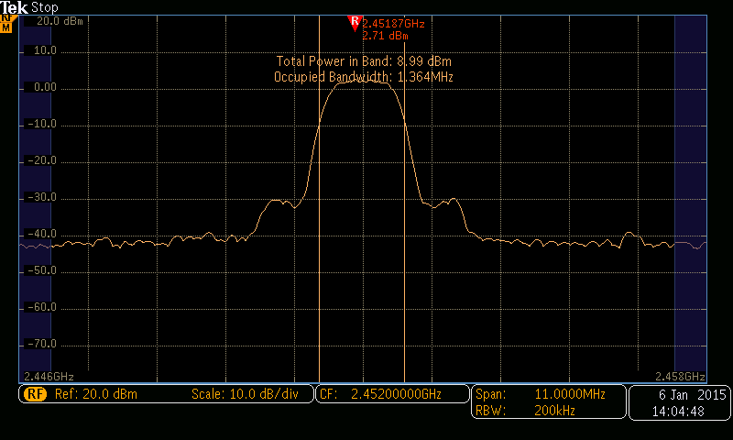
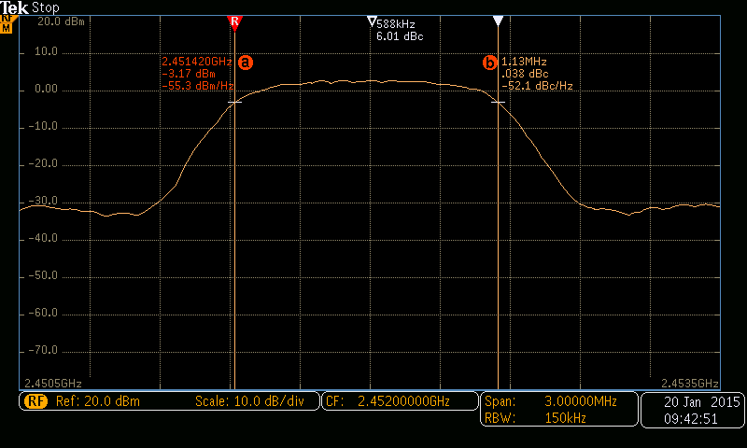

BT – 2-EDR

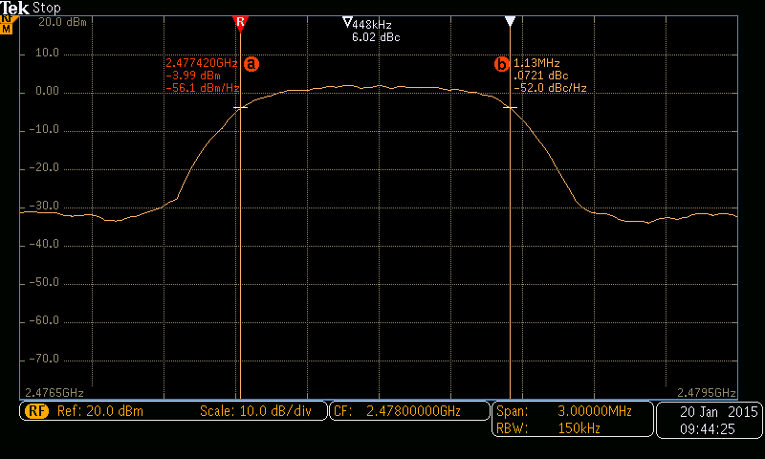

BT – 3-EDR

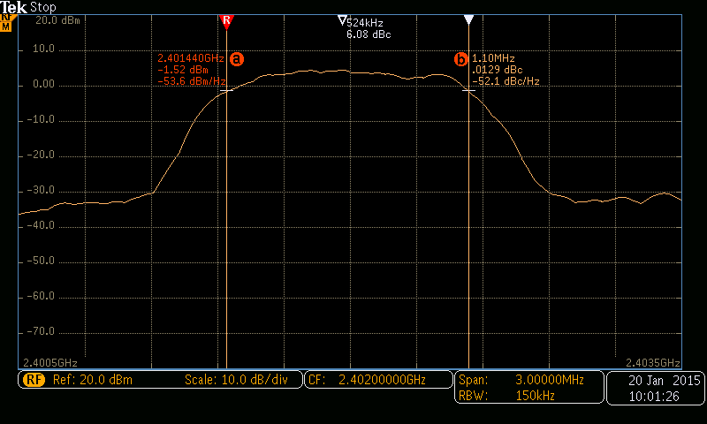

BT – 3-EDR



BT – 3-EDR



BT – 3-EDR



BLE
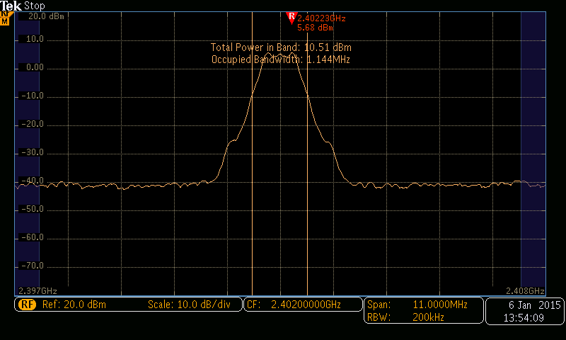
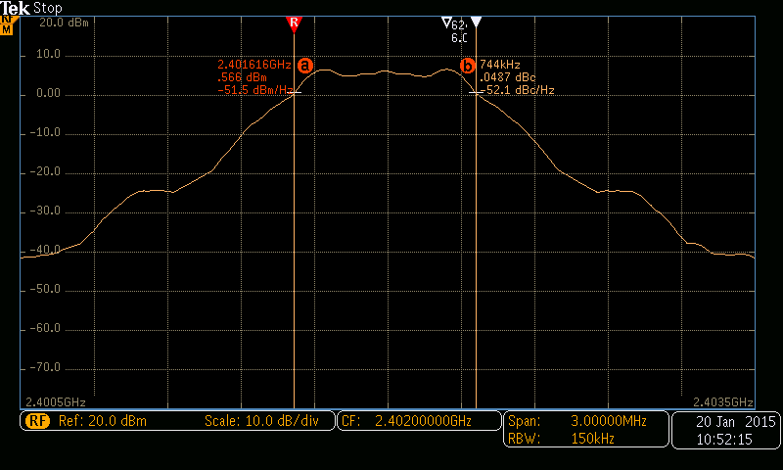

BLE


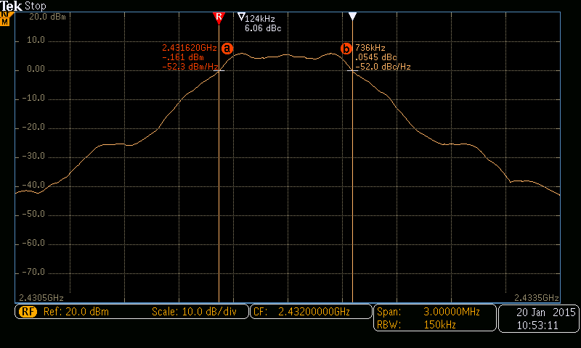

BLE



BLE

