RF Band Power
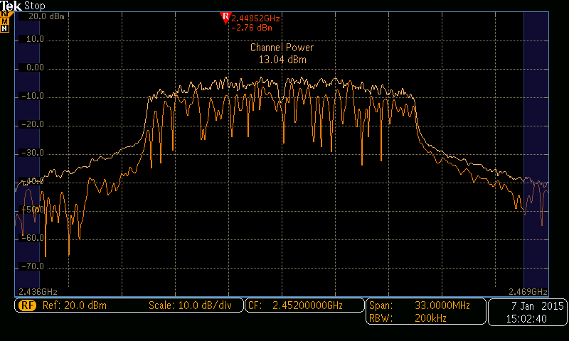
Date: - | 7th Jan 2015
Place: | VVDN Lab
Project | SKHU_HCAM
card No | MB32

 | RF BAND POWER OUTPUT

 | Sweep Time: Auto Colple ; Max Hold ; Detector : Peak
 | Center Frequencies | RBW | VBW | SPAN | Set Data rate | Modulation | Set power | Measured | Limit | Status
 | 2452 MHz | 200KHz | Auto | 33 MHz | 1 Mbps | DSSS | 17.3 dB | 14.7 | 30dBm | Passed
 | 2452 MHz | 200KHz | Auto | 33 MHz | 2 Mbps | DSSS | 17.3 dB | 16.04 | 30dBm | Passed
 | 2452 MHz | 200KHz | Auto | 33 MHz | 5 Mbps | CCK | 17.3 dB | 17.09 | 30dBm | Passed
 | 2452 MHz | 200KHz | Auto | 33 MHz | 11 Mbps | CCK | 17.3 dB | 16.73 | 30dBm | Passed
 | 2452 MHz | 200KHz | Auto | 33 MHz | 6 Mbps | OFDM | 17.1 dB | 16.11 | 30dBm | Passed
 | 2452 MHz | 200KHz | Auto | 33 MHz | 9 Mbps | OFDM | 17.1 dB | 15.77 | 30dBm | Passed
 | 2452 MHz | 200KHz | Auto | 33 MHz | 12 Mbps | OFDM | 17.1 dB | 15.84 | 30dBm | Passed
 | 2452 MHz | 200KHz | Auto | 33 MHz | 18 Mbps | OFDM | 17.1 dB | 15.67 | 30dBm | Passed
 | 2452 MHz | 200KHz | Auto | 33 MHz | 24 Mbps | OFDM | 16.2 dB | 15.58 | 30dBm | Passed
 | 2452 MHz | 200KHz | Auto | 33 MHz | 36 Mbps | OFDM | 15.3 dB | 14.27 | 30dBm | Passed
 | 2452 MHz | 200KHz | Auto | 33 MHz | 48 Mbps | OFDM | 14.6 dB | 13.72 | 30dBm | Passed
 | 2452 MHz | 200KHz | Auto | 33 MHz | 54 Mbps | OFDM | 13.8 dB | 13 | 30dBm | Passed

 | Setup Block Diagram

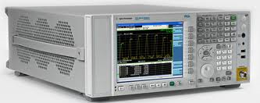
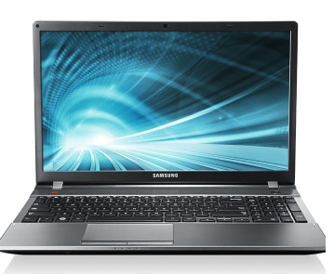

 |  |  |  |  | N Type to UFL |  |  | USB Cable
 |  |  |  |  |  | Skully Board

 |  |  |  |  |  | DUT

 | Instrument Used
 | Manufacturer | Description |  | Model
 | Tektronix | Spectum Analyzer |  | MDO3054
 | Lenova | Laptop |  | Thinkpad

 | RF Band Power
 | Below are the plots of RF Band Power at UFL Connector

 | 1 Mbps,DSSS,17.3 dB
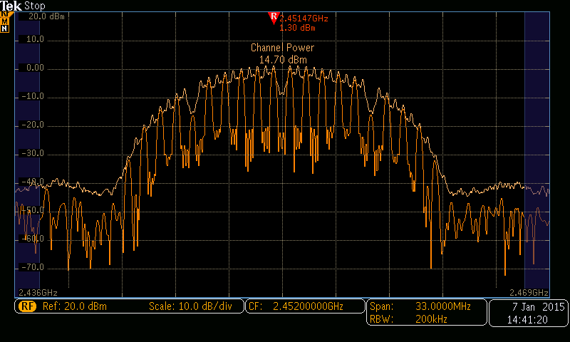

 | 2 Mbps,DSSS,17.3 dB
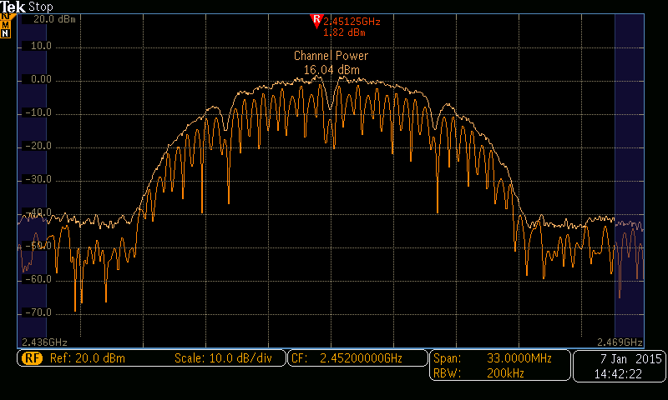

 | 5 Mbps,CCK,17.3 dB
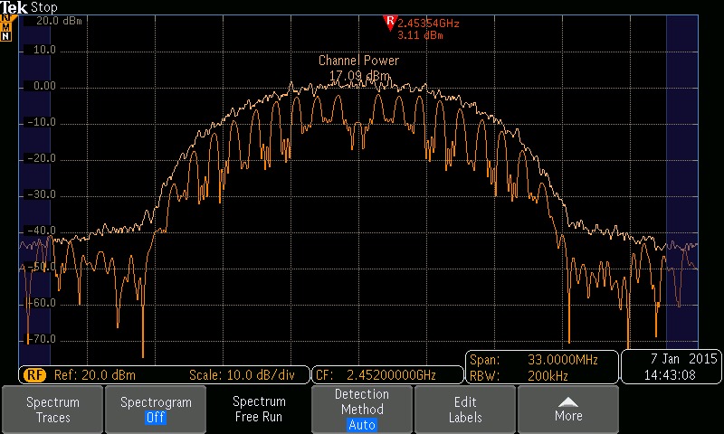

 | 11 Mbps,CCK,17.3 dB
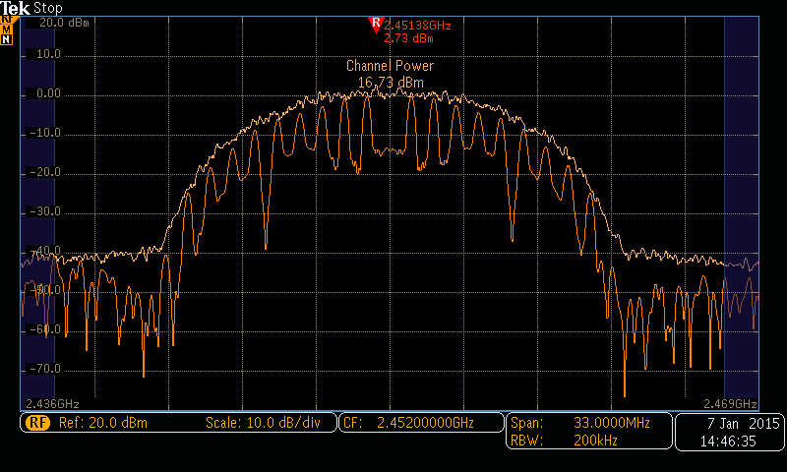

 | 6 Mbps,OFDM,17.1 dB

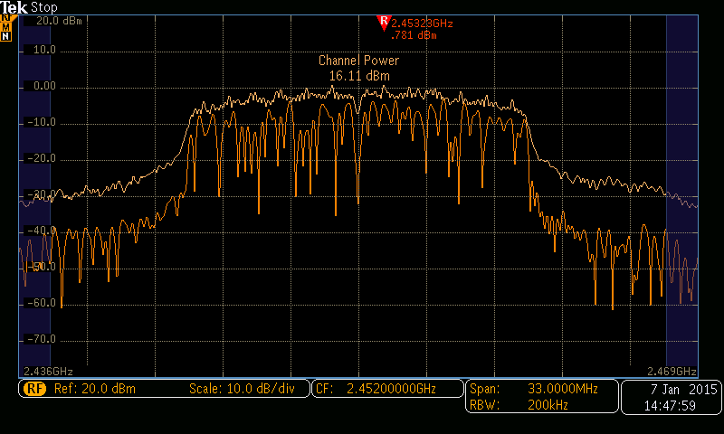

 | 9 Mbps,OFDM,17.1 dB
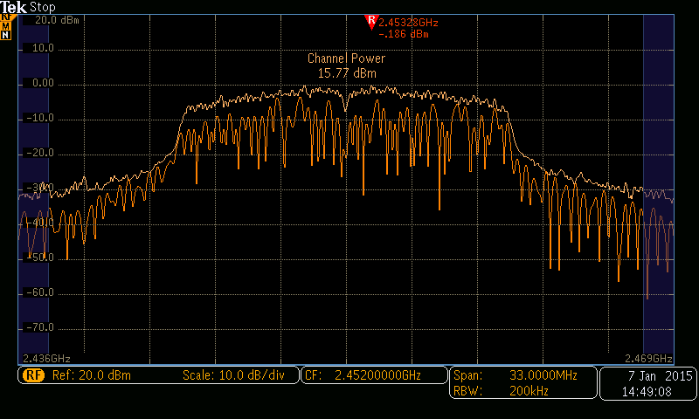

 | 12 Mbps,OFDM,17.1 dB

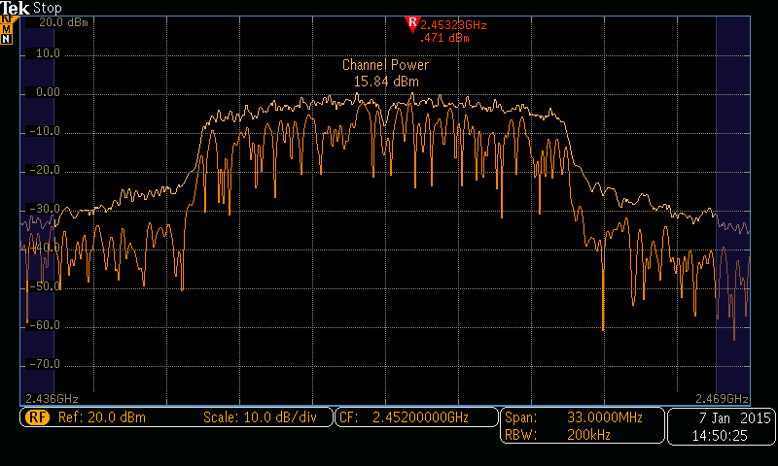

 | 18 Mbps,OFDM,17.1 dB

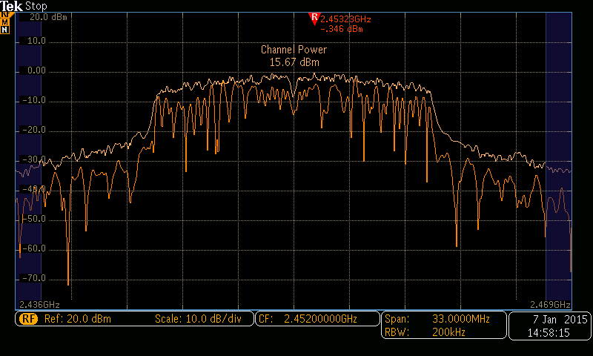

 | 24 Mbps,OFDM,16.2 dB
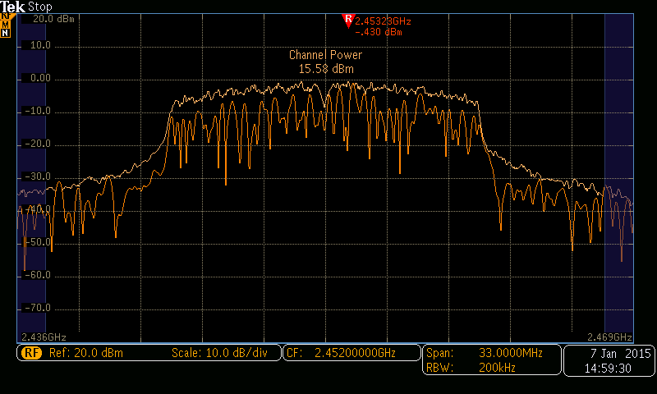

 | 36 Mbps,OFDM,15.3 dB
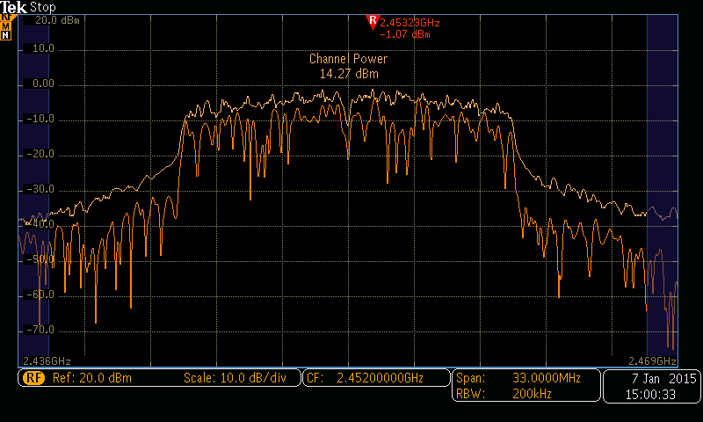

 | 48 Mbps,OFDM,14.6 dB

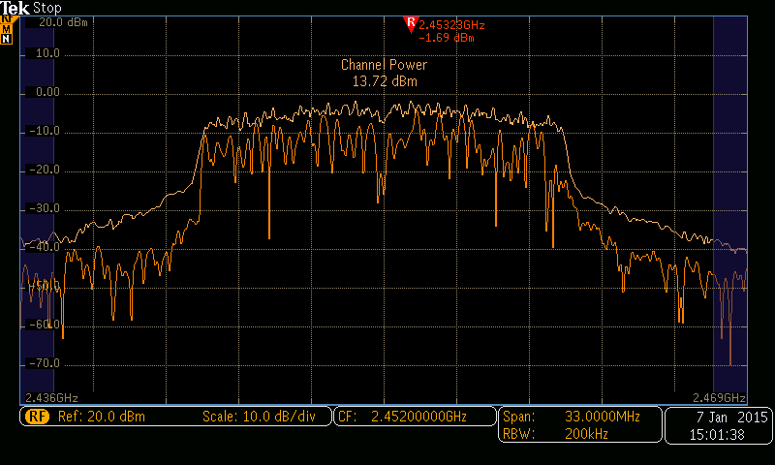

 | 54 Mbps,OFDM,13.8 dB

RF Band Peak Power
Date: - | 11th Jan 2015
Place: | VVDN Lab
Project | SKHU_HCAM
card No | MB32

 | RF Band Peak Power @6 Mbps

 | Sweep Time: Auto Colple ; Max Hold ; Detector : Peak
 | Center Frequencies | RBW | VBW | SPAN | Measured | Limit | Status
 | 2412 MHz | 1MHz | Auto | 50MHz | 5.03dBm | 30dBm | Passed
 | 2442 MHz | 1MHz | Auto | 50MHz | 6.82dBm | 30dBm | Passed
 | 2472 MHz | 1MHz | Auto | 50MHz | 6.98dBm | 30dBm | Passed

 | Setup Block Diagram

 |  |  |  |  |  | Skully Board |  | USB Cable
 |  |  |  |  | N Type to UFL

 |  |  |  |  |  | DUT

 | Instrument Used
 | Manufacturer | Description |  | Model
 | Tektronix | Spectum Analyzer |  | MDO3054
 | Lenova | Laptop |  | Thinkpad

 | RF Band Peak O/P Power
 | Below are the plots of RF Band Peak Power at UFL Connector

 | 2412 MHz

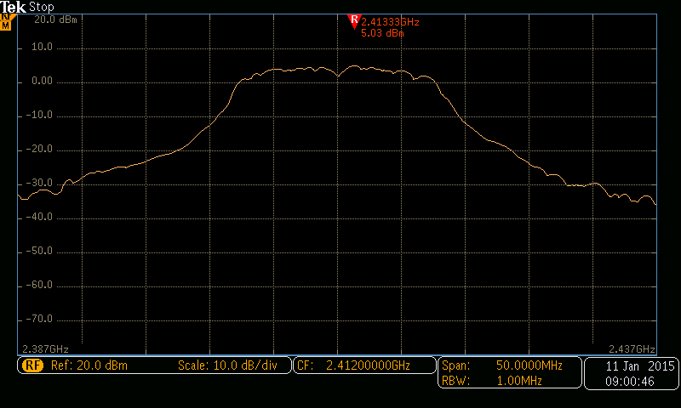

 | 2442 MHz

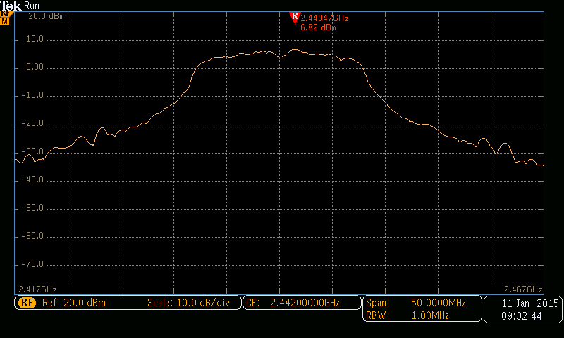

 | 2472 MHz
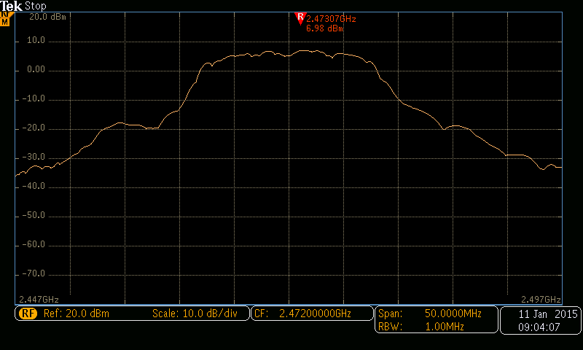

 | Tested By :

Occupied Bandwidth
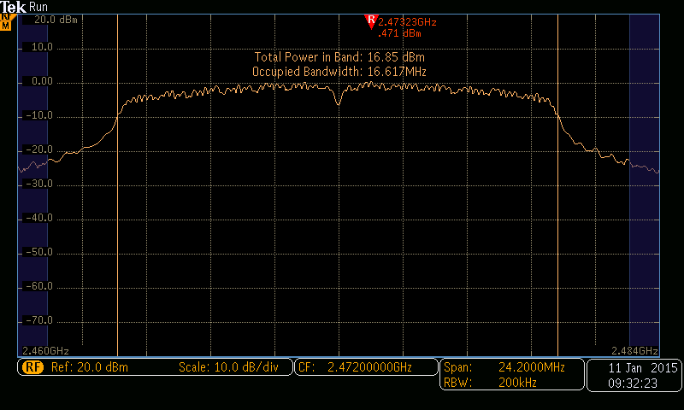
Total Power in Band @6 Mbps

Sweep Time: Auto Colple ; Max Hold ; Detector : Peak
Center Frequencies | RBW | VBW | SPAN | Power in 99 % bandwidth | Limit
2412 MHz | 200KHz | Auto | 24.2 MHz | 15.26 dBm | 30dBm
2442 MHz | 200KHz | Auto | 24.2 MHz | 15.57 dBm | 30dBm
2472 MHz | 200KHz | Auto | 24.2 MHz | 16.85 dBm | 30dBm

6dB bandwidth @6 Mbps

Sweep Time: Auto Colple ; Max Hold ; Detector : Peak
Center Frequencies | RBW | VBW | SPAN | 6dB bandwidth | Limit
2412 MHz | 500KHz | Auto | 25 MHz | 16 MHz | >500KHz
2442 MHz | 500KHz | Auto | 25 MHz | 15.8 MHz | >500KHz
2472 MHz | 500KHz | Auto | 25 MHz | 15.6 MHz | >500KHz

Setup Block Diagram

 |  |  |  |  | Skully Card | USB Cable
 |  |  |  | N Type to UFL

 |  |  |  |  | DUT

Instrument Used
Manufacturer | Description |  | Model
Tektronix | Spectum Analyzer |  | MDO3054
Lenova | Laptop |  | Thinkpad

Occupied Bandwidth
Below are the plots of Occupied Bandwidth at UFL Connector

2412 MHz
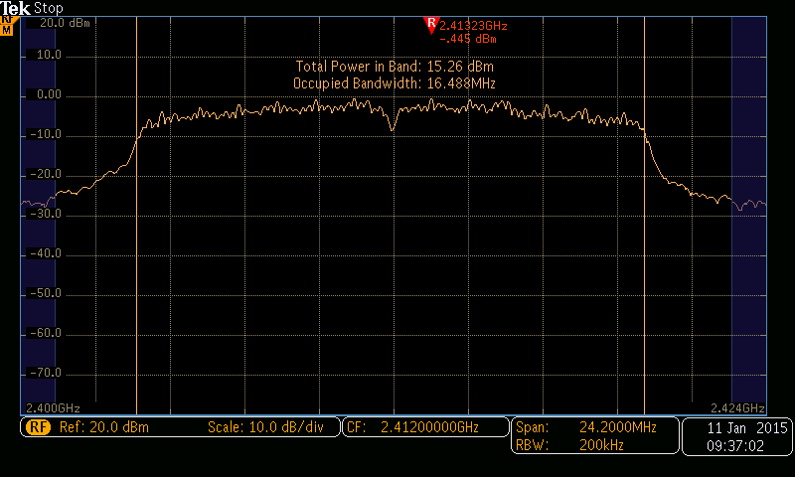
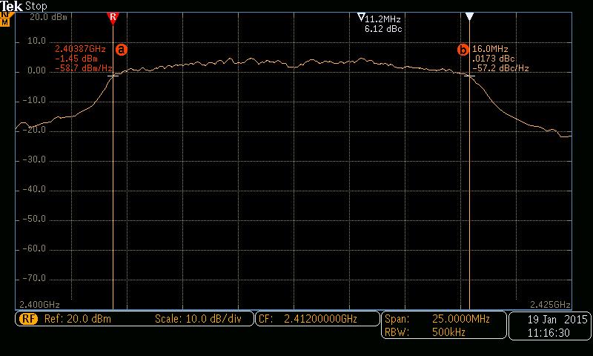

2442 MHz

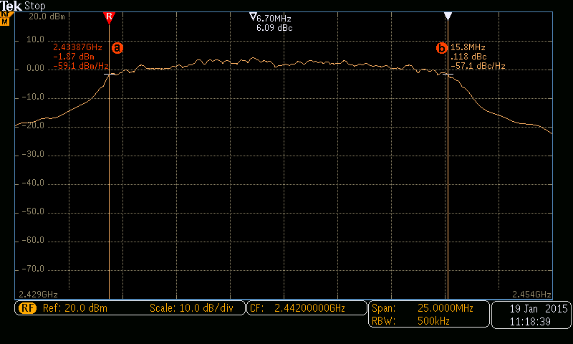

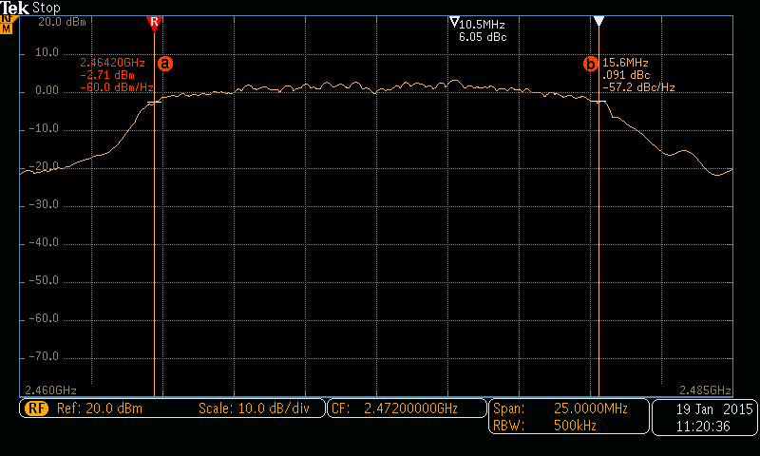
2472 MHz

